main
Segments |  |  | P | 62.51 | 2025-01-22
1 | Seed |  | S/O | 687.3 | Q324
2 | Crop Protection |  | MC | 42,963
 |  |  | Cash | 2,742
Intellectual Property |  |  | Debt | 2,291
 |  |  | EV | 42,512
Litigation

Competitors
BASF
Bayer
FMC
Syngenta
ChemChina
Companies trading in generic crop protection chemicals and regional seed companies

History
June 1, 2019 - became an independent, separated from DuPont

IP Risks

Properties
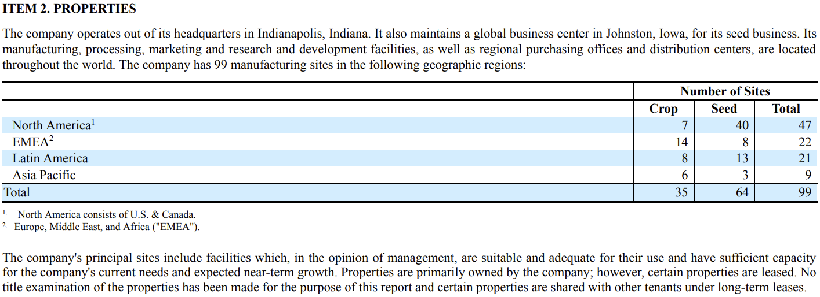

Risk Factors
1 | Regulatory approval of seed and crop protection products | restricts ability to sell in a market
2 | Successful development and commercialization of Corteva's pipeline products necessary for growth.
3 | Public understanding and acceptance or perceived acceptance of Corteva biotechnology and other products and tech.
 |  | Affects planting approval, regulatory requirements and customer purchase decisions.
4 | Changes in agricultural and related policies of governments and international organizations may prove unfavorable
5 | The costs of complying with evolving regulatory requirements could negatively impact Corteva’s business, results of operations and financial condition.
6 | Climate change and unpredictable seasonal and weather factors could impact Corteva’s sales and earnings
7 | Corteva’s business is subject to various competition and antitrust, rules and regulations around the world.
 |  | As the size of its business grows, scrutiny of its business by legislators and regulators in these areas may intensify.
8 | Corteva participates in an industry that is highly competitive and has undergone consolidation, which could increase competitive pressures.
9 | Sales to its customers may be adversely affected should a company successfully establish an intermediary platform for the sale of Corteva’s products.
 |  | Companies that position itself between Corteva and its customers.
Operational Risks
1 | Dependent on its relationships or contracts with third parties with respect to certain of its raw materials or licenses and commercialization.
2 | Volatility in Corteva’s input costs, which include raw materials and production costs, could have a significant impact on Corteva’s business.
3 | Disruptions in the global economy caused by geopolitical and military conflicts.
4 | Could be adversely affected by environmental, litigation and other commitments and contingencies.
5 | Operations outside the United States are subject to risks and restrictions.
6 | Failure to effectively manage acquisitions, divestitures, alliances, restructurings, cost savings initiatives and other portfolio actions.
7 | Adversely affected by industrial espionage and other disruptions to its supply chain, information technology or network systems.
8 | Corteva’s customers may be unable to pay their debts to Corteva, which could adversely affect Corteva’s results.
9 | Liquidity, business, results of operations and financial condition could be impaired if it is unable to raise capital through the capital markets or short-term debt borrowings.
10 | Increases in pension and other post-employment benefit plan funding obligations may adversely affect Corteva’s results of operations, liquidity or financial condition
11 | Sentiment towards climate change and other environmental, social and governance matters could adversely affect our stock price, results of operations, and access to capital.
12 | Global or regional health pandemics or epidemics could negatively impact the company.

Litigation
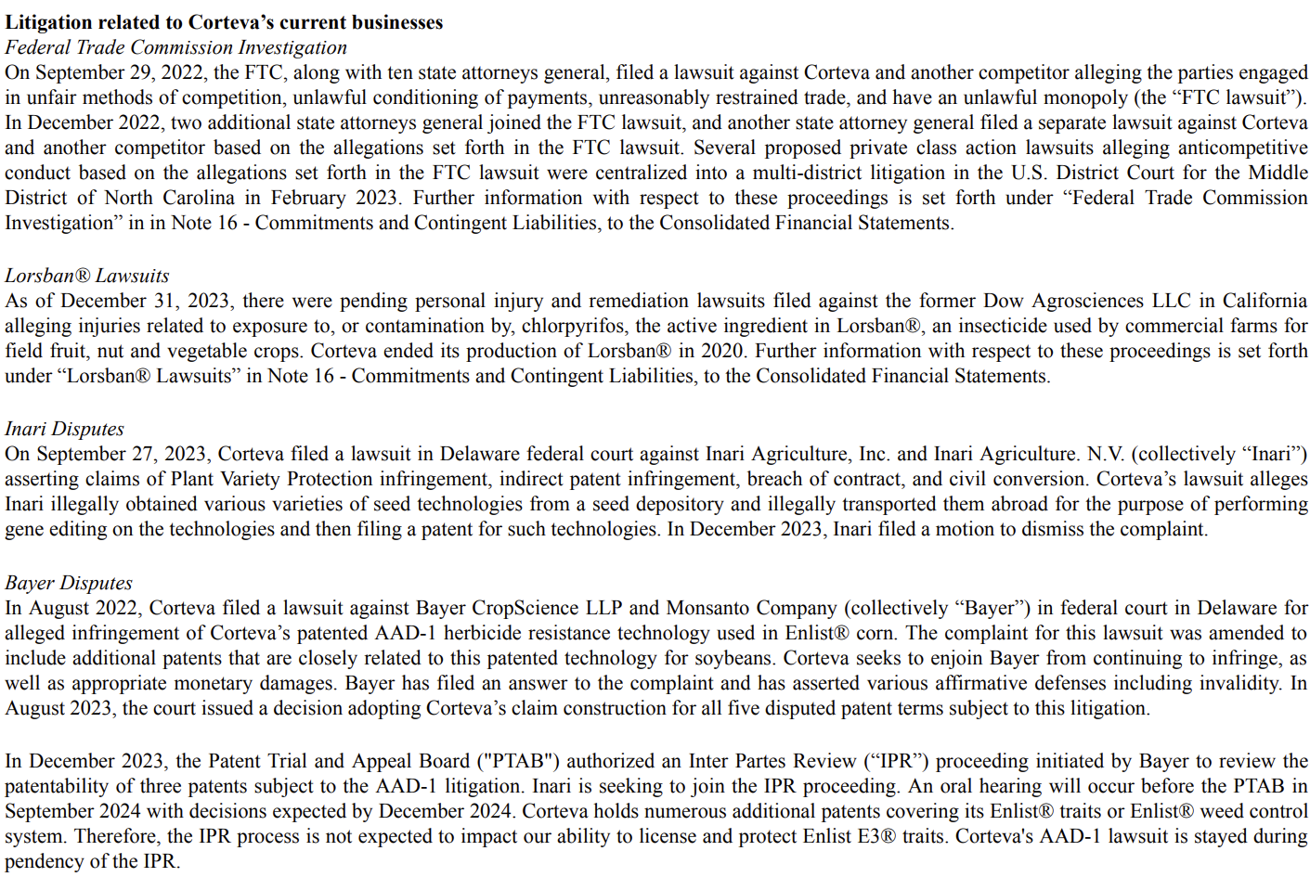
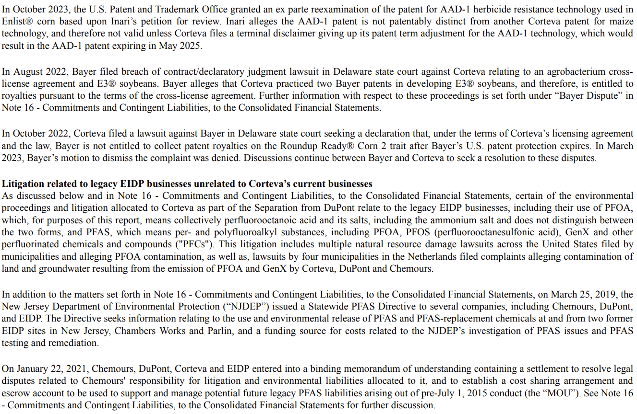
main

Seed
main

 | The seed segment develops and supplies commercial seed combining superior germplasm with advanced traits to produce high yield potential for farmers around the world.

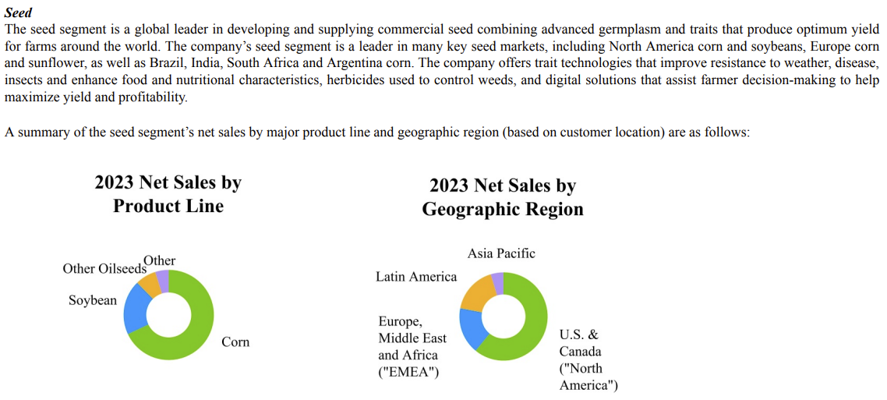
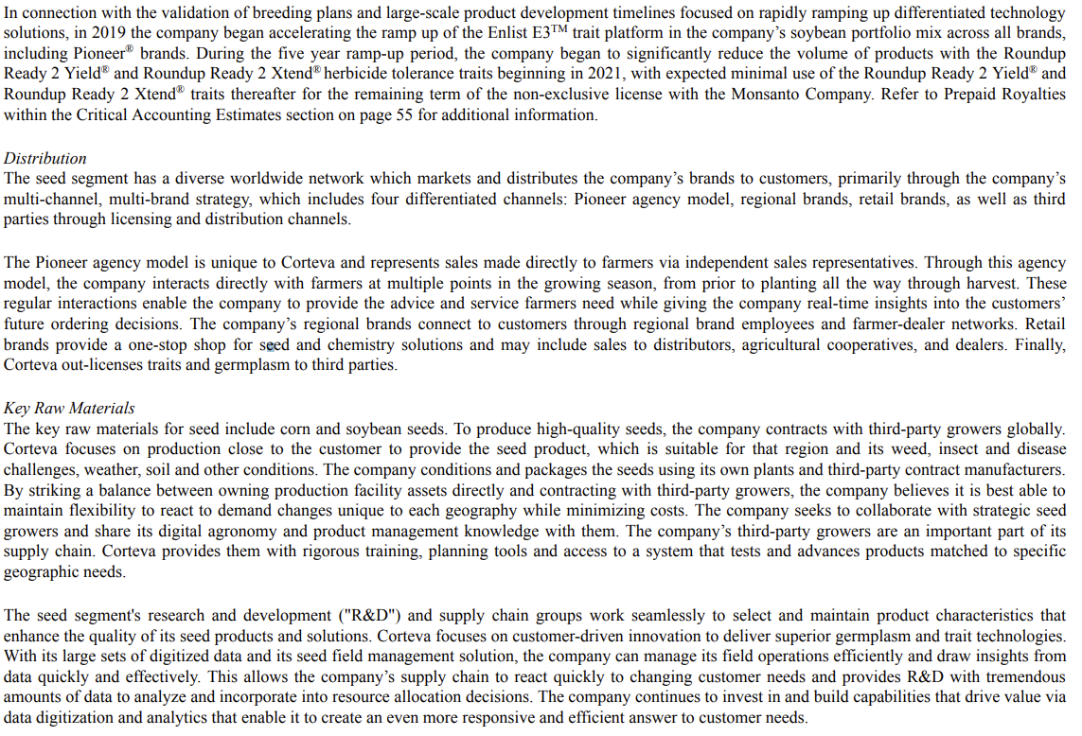

 | Brands | Traits
 | Pioneer seeds | ENLIST corn
 | Brevant seeds | ENLIST E3 soybeans
 | Dairyland Seed | ENLIST cotton
 | Hoegemeyer hybrids | Enlist weed control system
 | Nutech seed | EXZACT Precision Technology
 | Seed Consultants | Herculex Insect Protection
 | AgVenture brand | Herculex XTRA Insect Protection
 | Cordius, Licensing Division of Corteva Agriscience | Leptra insect protection technology offering protection against above ground pests
 | DUO hybrid corn | PowerCore corn
 | NEXSEM corn | PowerCore Ultra corn
 | Nord semillas | PowerCore Enlist corn
 | PhytoGen cotton | PowerCore Ultra Enlist corn
 | Pannar brand corn | POWERCORE trait technology family of products
 |  | Optimum AcreMax family of products offering above and below ground insect protection
 |  | REFUGE ADVANCED trait technology
 |  | SMARTSTAX trait technology
 | Other | NEXERA canola trait
 | LumiGEN seed treatments | Omega-9 Oils
 | Lumisena | Pioneer brand Optimum AQUAmax products
 | Lumiverd | Pioneer brand A-Series soybeans
 | Lumiscend | Pioneer brand Plenish high oleic soybeans
 | Lumiscend Pro | ExpressSun herbicide tolerant trait
 | Lumisure | Pioneer Protector products for canola, sunflower and sorghum
 | Lumiflex | Pioneer MAXIMUS rapeseed hybrids
 | Lumiante | Qrome corn
 | LumiTreo | Clearfield canola
 | Dermacor X-100 | PROPOUND advanced canola meal
 | Vertisan ST | Vorceed Enlist products
 | Lumiderm | Conkesta
 | Lumivia CPL | Conkesta E3 soybeans
 | Lumivia and Lumialza | WideStrike Insect Protection
 |  | WideStrike 3 Insect Protection
 |  | Inzen trait
 |  | BOLT technology
 |  | STS herbicide tolerant trait
 |  | MAXIMUS canola hybrids
 |  | CottonBest program
 |  | Brevant Protector products
 |  | Optimum GLY herbicide tolerance trait
 |  | Optimum AcreMax insect protection
 |  | Optimum AcreMax Leptra insect protection
 |  | Optimum AcreMax Xtra insect protection
 |  | Optimum AcreMax XTreme insect protection
 |  | Bovalta BMR products
 |  | Optimum Intrasect insect protection
 |  | Optimum Leptra insect protection

IP
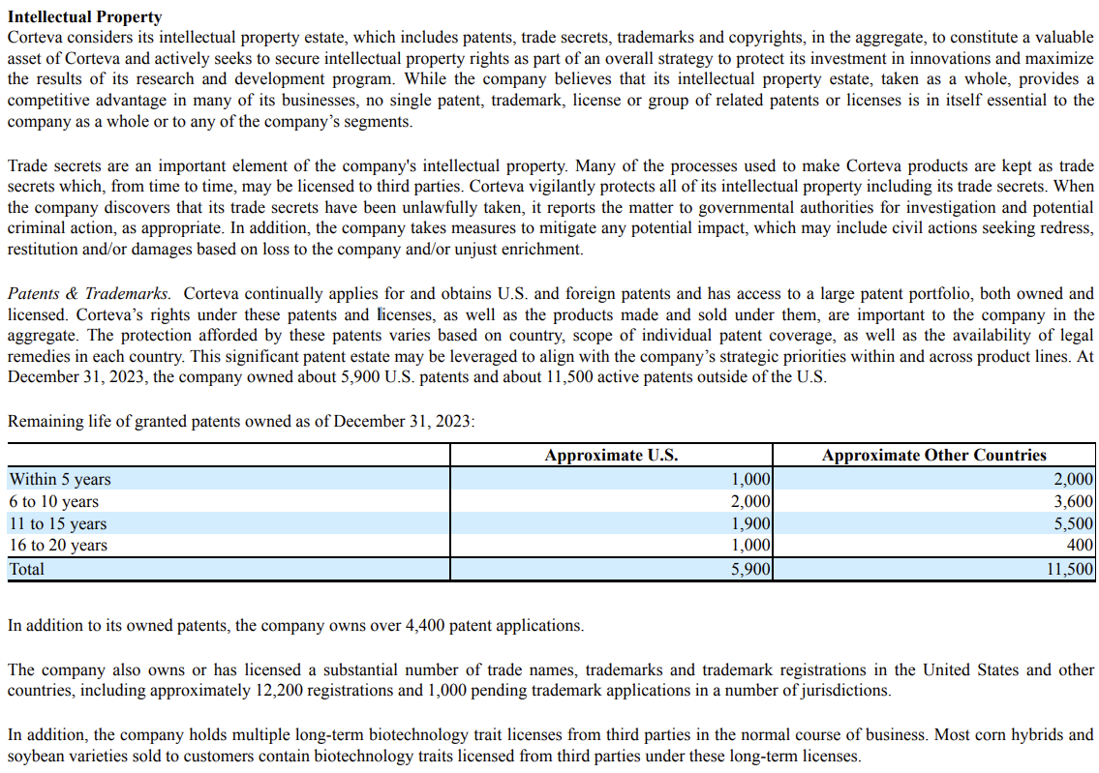
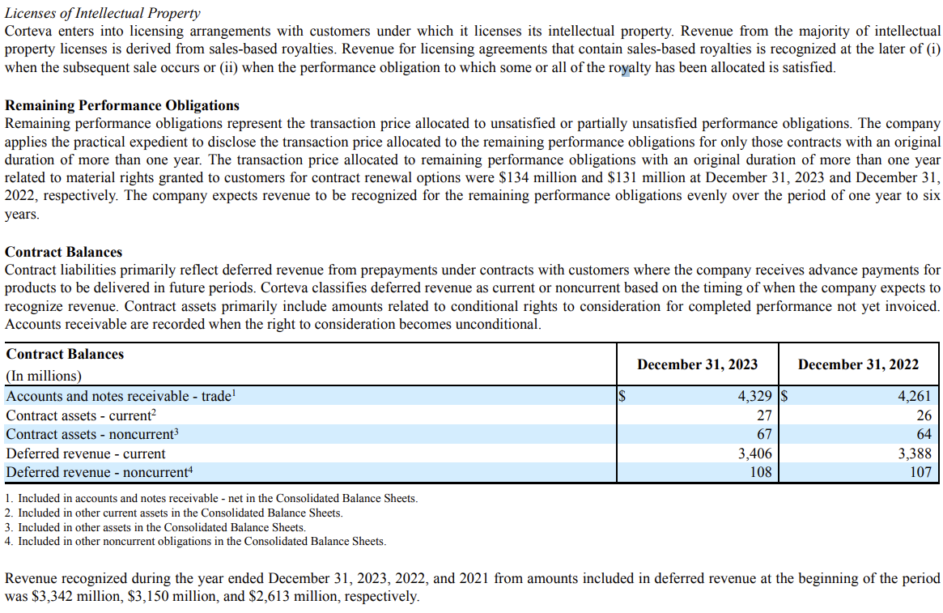
main

 | Risks
 | 1 | Enforcing Corteva’s intellectual property rights, or defending against intellectual property claims asserted by others, could materially affect Corteva’s business, results of operations and financial condition.
 | 2 | Corteva’s business may be adversely affected by the availability of counterfeit products.
 | 3 | Restrictions under the intellectual property cross-license agreements limit Corteva’s ability to develop and commercialize certain products and services and/or prosecute, maintain and enforce certain intellectual property.

