geography
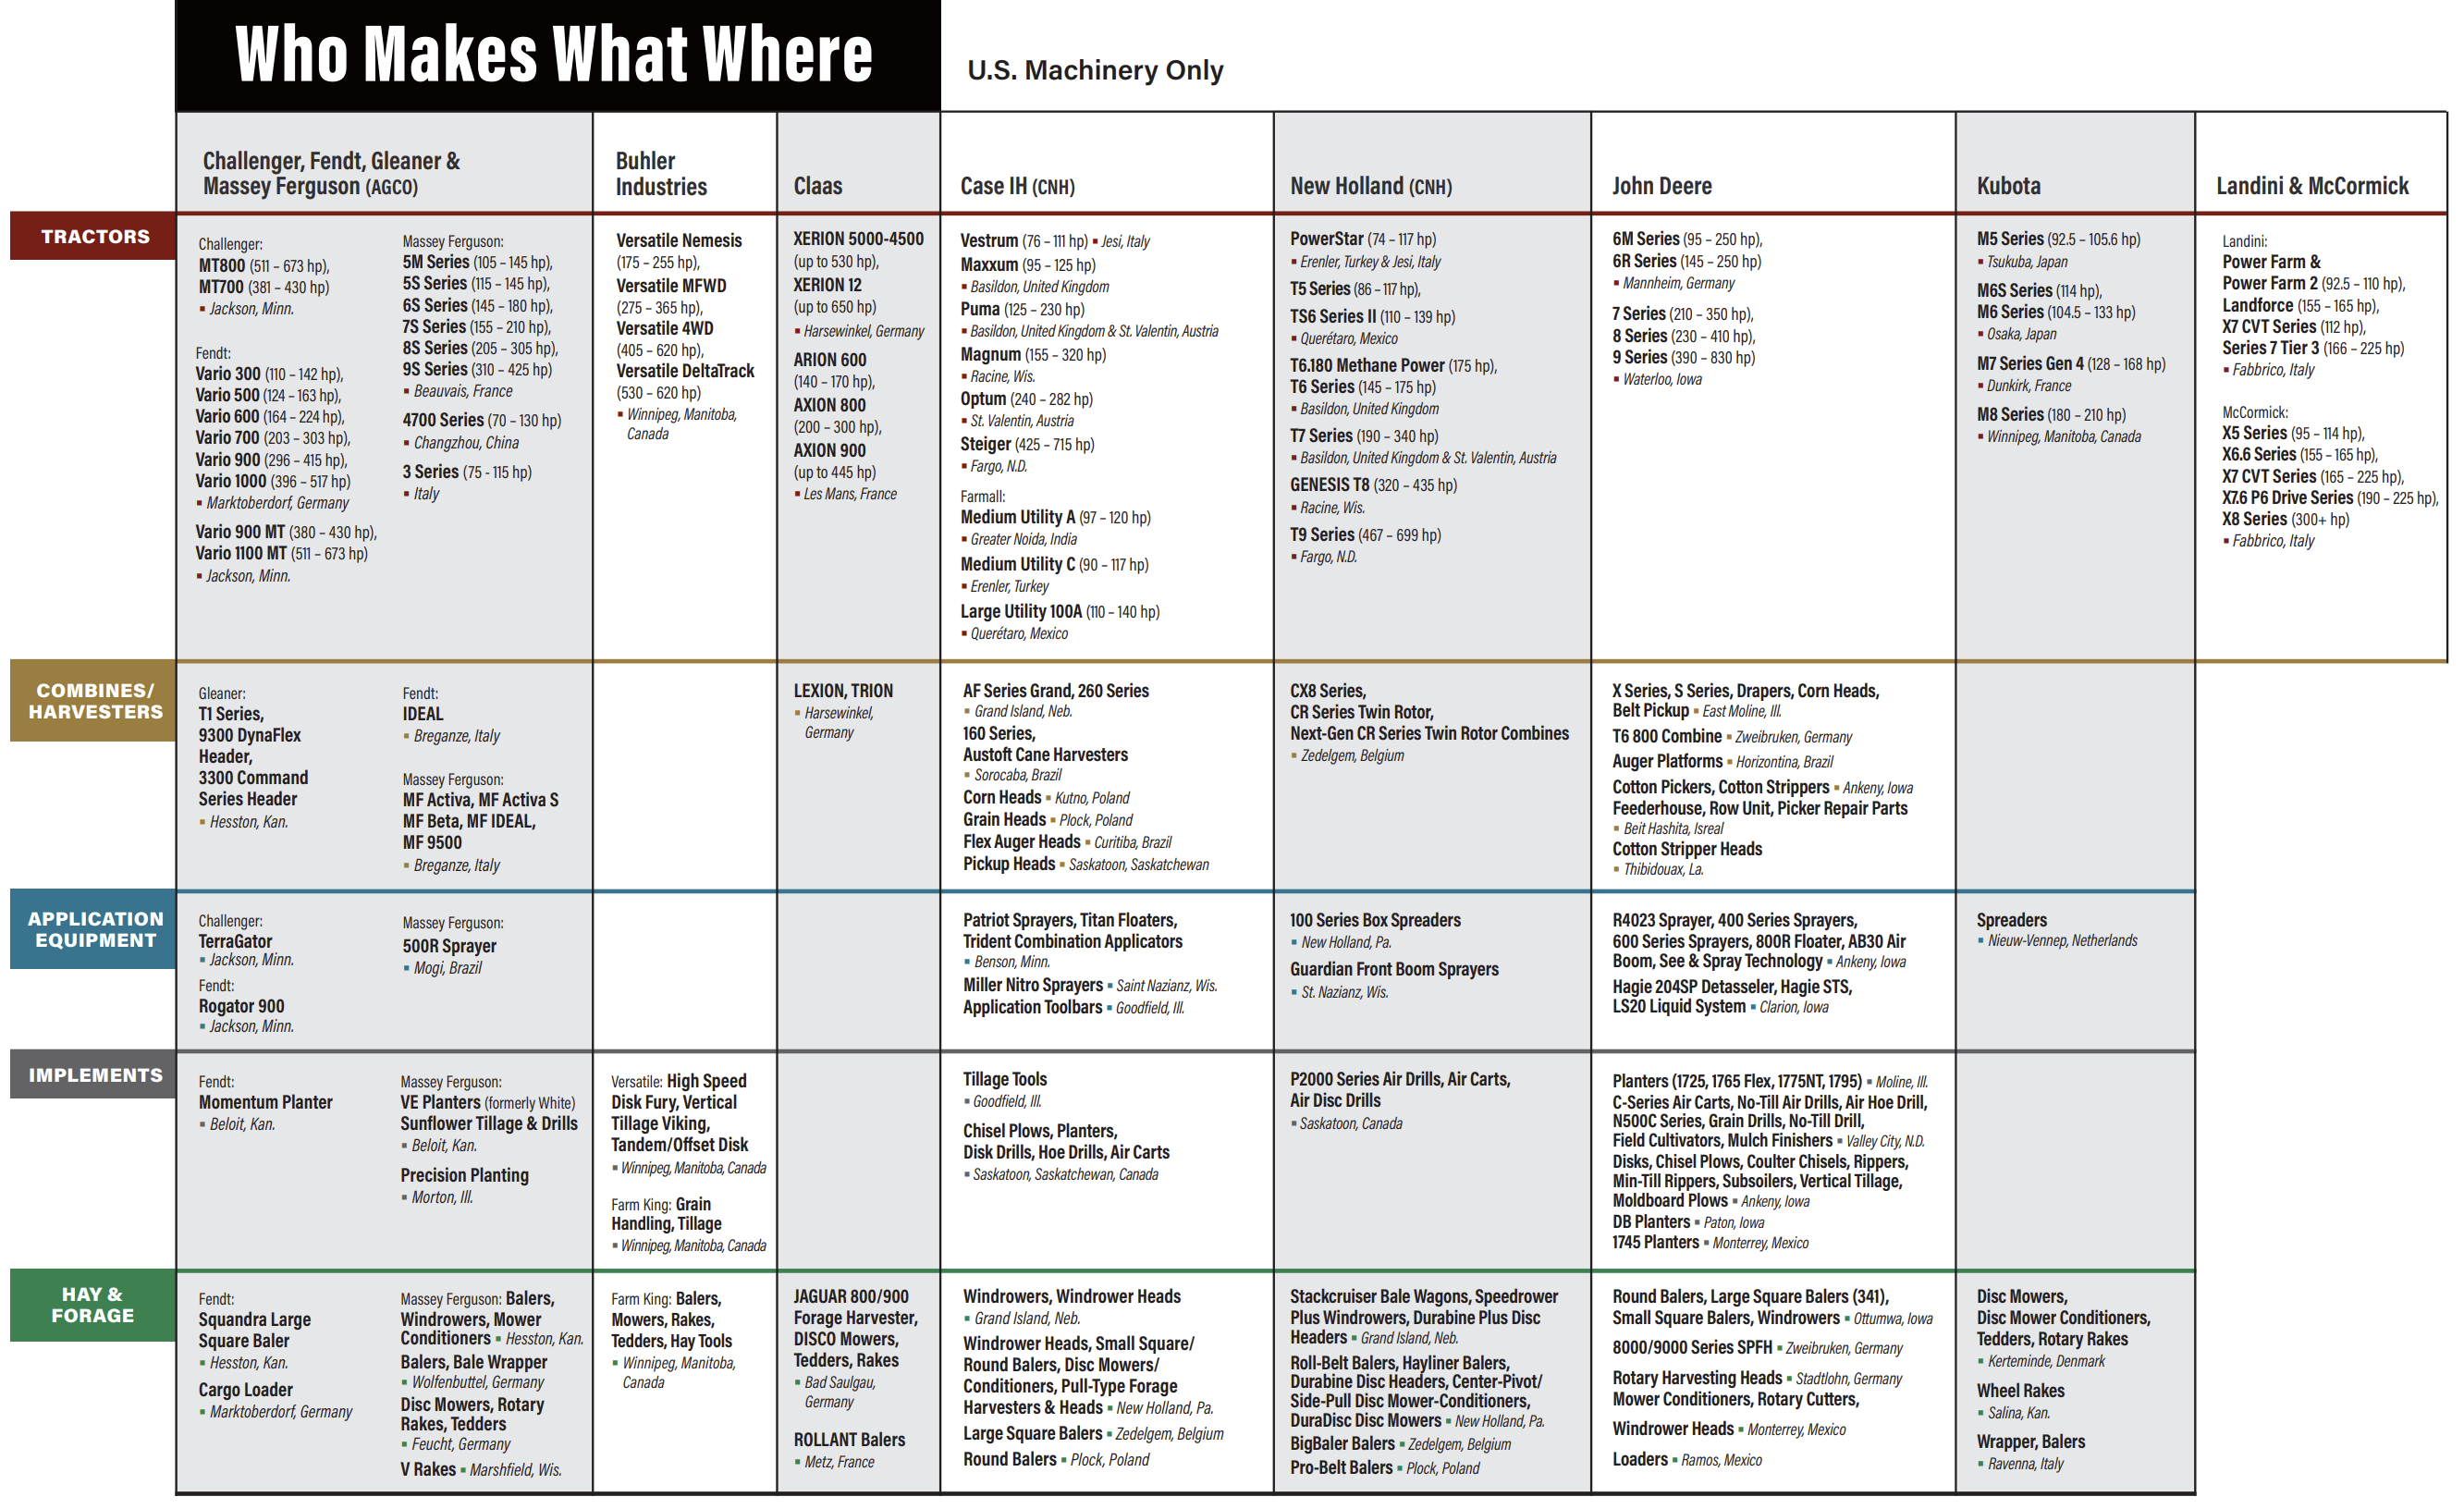
main
 | https://www.agweb.com/news/machinery/new-machinery/factory-your-fields-where-farm-equipment-made

