main
Segments |  |  | Enlist weed control system |  | P | 71.58 | 2025-06-05
1 | Seed |  |  |  | S/O | 687.3 | 2025-02-07
2 | Crop Protection |  | US Gov. Regulators related to GMO |  | MC | 49,196
 |  |  | USDA - Animal and Plant Health Inspection |  | Cash | 3,169
Intellectual Property |  |  | FDA | GMO in food regulations |  | Debt | 2,703
 |  |  | EPA | Pesticides |  | EV | 48,730
Litigation
 |  |  | IP
Acquisitions |  |  |  | 2/5/25: Q424 earnings release
 |  |  |  | 1/29/2025: Syngenta, Corteva must face part of farmers’ antitrust lawsuit over pesticide prices
Competitors |  |  |  | 1/27/25: Declares $0.17 quarterly dividend
BASF |  |  |  | 11/19/24: unveiled a new financial framework through 2027.
Bayer |  |  |  | 11/19/24: Announced $3B share repurchase program
FMC |  |  |  | 11/18/24: Corteva Announces Intent to Partner with bp to Develop Low Carbon Intensity Bio-Feedstock for Aviation Fuel Production
Syngenta |  |  |  | 11/18/24: Wheat technology breakthrough announced: 10% yield increase potential
ChemChina |  |  |  | 9/17/2024: $25M Pairwise investment/partnership announced | gene editing and climate resistance acceleration
Companies trading in generic crop protection chemicals and regional seed companies |  |  |  | 3/1/2023: Completed purchase of Stoller Group (Biologicals - $1.2B) and Quorum Vital Investment S.L. "Symborg" (Microbiological technologies - $370M)

History
June 1, 2019 - became an independent, separated from DuPont

Properties

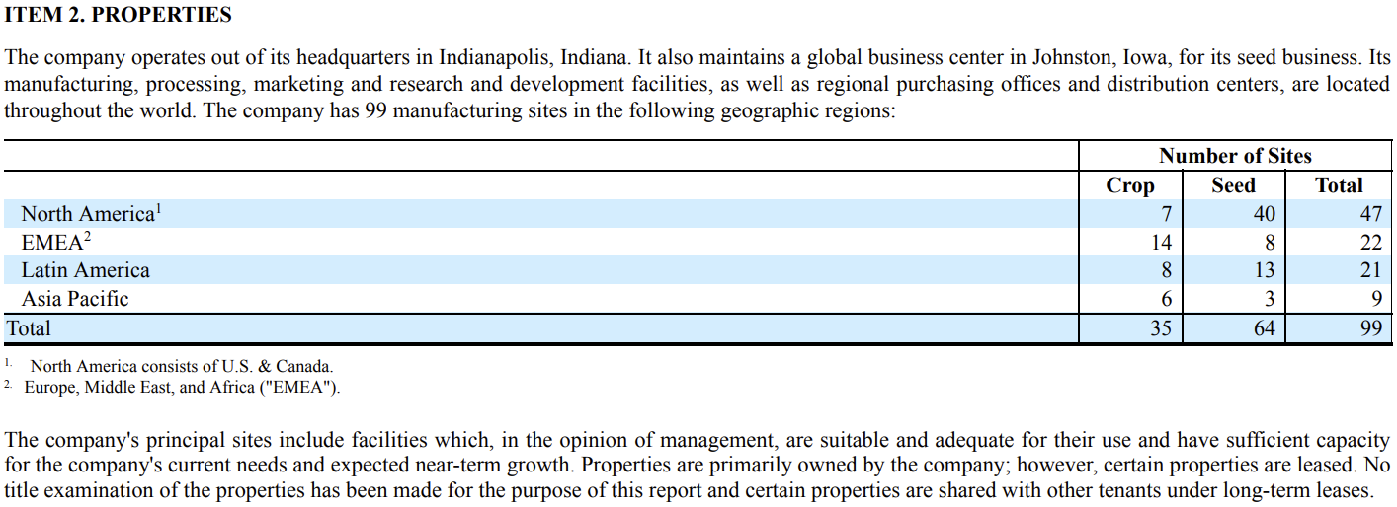
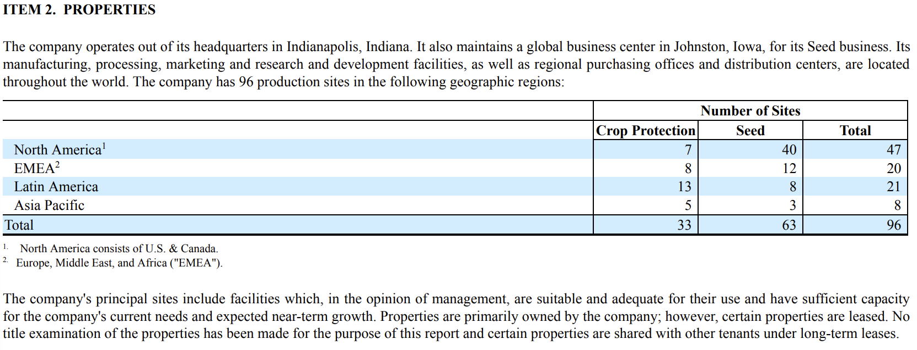

Risk Factors
1 | Regulatory approval of seed and crop protection products | restricts ability to sell in a market
2 | Successful development and commercialization of Corteva's pipeline products necessary for growth.
3 | Public understanding and acceptance or perceived acceptance of Corteva biotechnology and other products and tech.
 |  | Affects planting approval, regulatory requirements and customer purchase decisions.
4 | Changes in agricultural and related policies of governments and international organizations may prove unfavorable
5 | The costs of complying with evolving regulatory requirements could negatively impact Corteva’s business, results of operations and financial condition.
6 | Climate change and unpredictable seasonal and weather factors could impact Corteva’s sales and earnings
7 | Corteva’s business is subject to various competition and antitrust, rules and regulations around the world.
 |  | As the size of its business grows, scrutiny of its business by legislators and regulators in these areas may intensify.
8 | Corteva participates in an industry that is highly competitive and has undergone consolidation, which could increase competitive pressures.
9 | Sales to its customers may be adversely affected should a company successfully establish an intermediary platform for the sale of Corteva’s products.
 |  | Companies that position itself between Corteva and its customers.
Operational Risks
1 | Dependent on its relationships or contracts with third parties with respect to certain of its raw materials or licenses and commercialization.
2 | Volatility in Corteva’s input costs, which include raw materials and production costs, could have a significant impact on Corteva’s business.
3 | Disruptions in the global economy caused by geopolitical and military conflicts.
4 | Could be adversely affected by environmental, litigation and other commitments and contingencies.
5 | Operations outside the United States are subject to risks and restrictions.
6 | Failure to effectively manage acquisitions, divestitures, alliances, restructurings, cost savings initiatives and other portfolio actions.
7 | Adversely affected by industrial espionage and other disruptions to its supply chain, information technology or network systems.
8 | Corteva’s customers may be unable to pay their debts to Corteva, which could adversely affect Corteva’s results.
9 | Liquidity, business, results of operations and financial condition could be impaired if it is unable to raise capital through the capital markets or short-term debt borrowings.
10 | Increases in pension and other post-employment benefit plan funding obligations may adversely affect Corteva’s results of operations, liquidity or financial condition
11 | Sentiment towards climate change and other environmental, social and governance matters could adversely affect our stock price, results of operations, and access to capital.
12 | Global or regional health pandemics or epidemics could negatively impact the company.

Seed
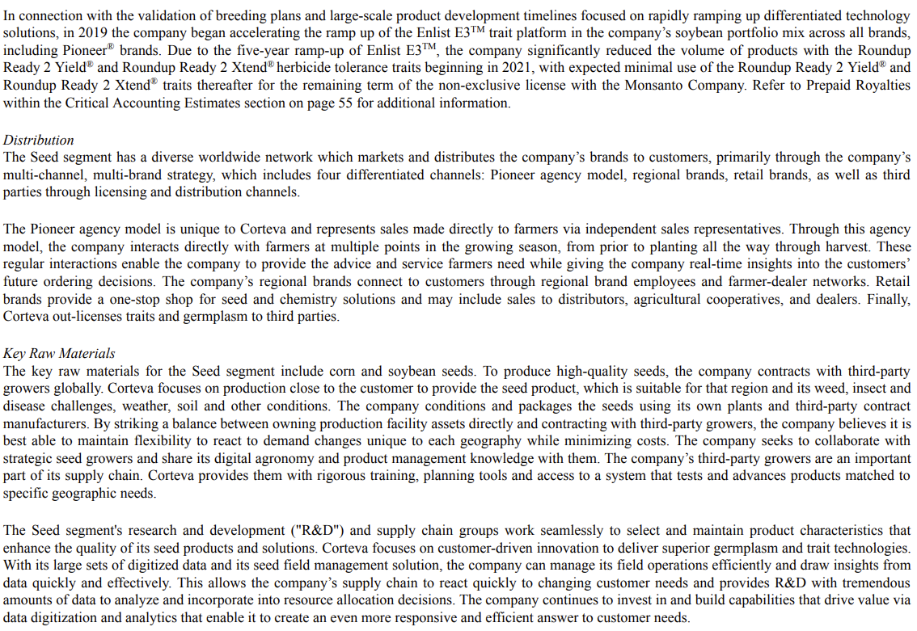
main
 | Brands | Traits | Other
 | Q123 | Q223 | Q323 | Q423 | Q124 | Q224 | Q324 | Q424 | Q125 | Q225 | #REF! | 2021 | 2022 | 2023 | 2024
Seeds sales by type | 2,695 | 4,264 | 878 | 1,635 | 2,751 | 4,331 | 691 | 1,772 | 0 | 0 | #REF! | 8,402 | 8,979 | 9,472 | 9,545
Corn seed sales | 1,979 | 2,673 | 487 | 1,308 | 2,087 | 2,683 | 315 | 1,411 | 0 | 0 | #REF! | 5,618 | 5,955 | 6,447 | 6,496
Soybean seed sales | 269 | 1,255 | 189 | 145 | 292 | 1,317 | 164 | 154 | 0 | 0 | #REF! | 1,568 | 1,810 | 1,858 | 1,927
Other oilseeds sales | 301 | 194 | 142 | 71 | 245 | 186 | 135 | 87 | 0 | 0 | #REF! | 752 | 714 | 708 | 653
Other seed sales | 146 | 142 | 60 | 111 | 127 | 145 | 77 | 120 | 0 | 0 | #REF! | 464 | 500 | 459 | 469

Worldwide seed sales | 2,695 | 4,264 | 878 | 1,635 | 2,751 | 4,331 | 691 | 1,772 | 0 | 0 | #REF! | 8,402 | 8,979 | 9,472 | 9,545
North America seed sales | 1,323 | 3,696 | 173 | 576 | 1,471 | 3,753 | 170 | 639 | 0 | 0 | #REF! | 5,004 | 5,178 | 5,768 | 6,033
EMEA seed sales | 1,012 | 231 | 198 | 181 | 918 | 251 | 196 | 216 | 0 | 0 | #REF! | 1,599 | 1,609 | 1,622 | 1,581
Latin America seed sales | 259 | 208 | 380 | 790 | 271 | 207 | 218 | 827 | 0 | 0 | #REF! | 1,420 | 1,758 | 1,637 | 1,523
Asia Pacific seed sales | 101 | 129 | 127 | 88 | 91 | 120 | 107 | 90 | 0 | 0 | #REF! | 379 | 434 | 445 | 408

2023 Seed by Type
2023 Seed by Geography

CropProtection
main
 | The crop protection segment supplies products to protect crop yields against weeds, insects and disease, enabling farmers to achieve optimal results.

 | Weed Control

 | Insect and Nematode Management

 | Disease Management
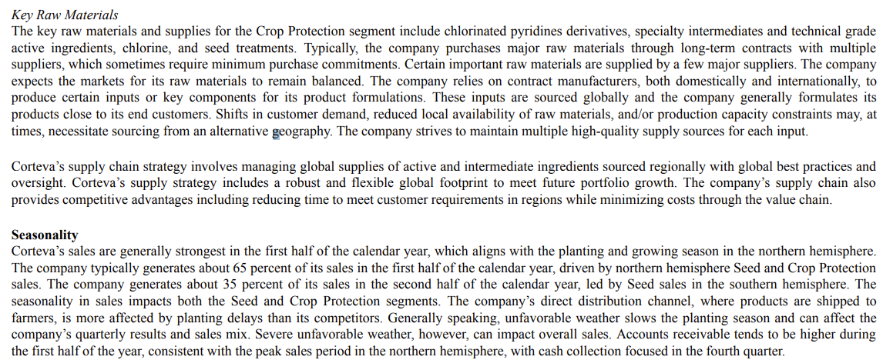
 | Nitrogren Management

 | Other
23 CP by Geography

2023 CP by Type

 | Q123 | Q223 | Q323 | Q423 | Q124 | Q224 | Q324 | Q424 | Q125 | Q225 | #REF! | 2021 | 2022 | 2023 | 2024
Crop protection sales by type | 2189 | 1781 | 1712 | 2072 | 1741 | 1781 | 1635 | 2206 | 0 | 0 | #REF! | 7253 | 8476 | 7754 | 7363
Herbicides sales | 1242 | 986 | 815 | 991 | 886 | 946 | 736 | 1031 | 0 | 0 | #REF! | 3815 | 4591 | 4034 | 3599
Insecticides sales | 409 | 331 | 416 | 442 | 373 | 415 | 437 | 490 | 0 | 0 | #REF! | 1730 | 1831 | 1598 | 1715
Fungicides sales | 359 | 252 | 226 | 275 | 295 | 250 | 216 | 320 | 0 | 0 | #REF! | 1310 | 1450 | 1112 | 1081
Other crop protection sales | 179 | 212 | 255 | 364 | 187 | 170 | 246 | 365 | 0 | 0 | #REF! | 398 | 604 | 1010 | 492

Worldwide crop protection sales | 2,189 | 1,781 | 1,712 | 2,072 | 1,741 | 1,781 | 1,635 | 2,206 | 0 | 0 | #REF! |  | 8,476 | 7,754 | 7,363
North America crop protection sales | 879 | 623 | 399 | 921 | 616 | 647 | 440 | 924 | 0 | 0 | #REF! | 2,532 | 3,116 | 2,822 | 2,627
EMEA crop protection sales | 801 | 483 | 271 | 190 | 670 | 422 | 219 | 232 | 0 | 0 | #REF! | 1,524 | 1,647 | 1,745 | 1,543
Latin America crop protection sales | 293 | 400 | 844 | 732 | 244 | 443 | 771 | 795 | 0 | 0 | #REF! | 2,125 | 2,687 | 2,269 | 2,253
Asia Pacific crop protection sales | 216 | 275 | 198 | 229 | 211 | 269 | 205 | 255 | 0 | 0 | #REF! | 1,072 | 1,026 | 918 | 940

IP
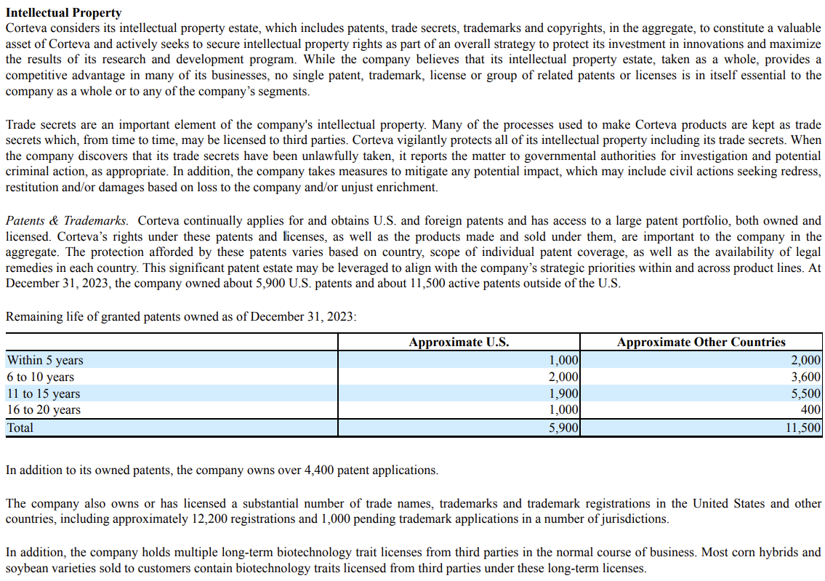
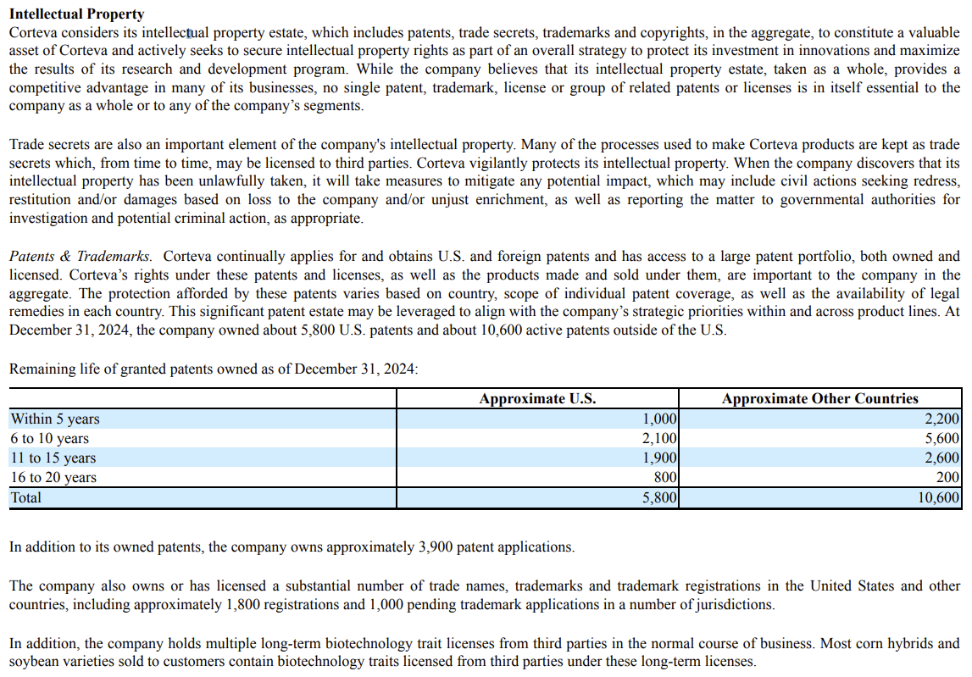
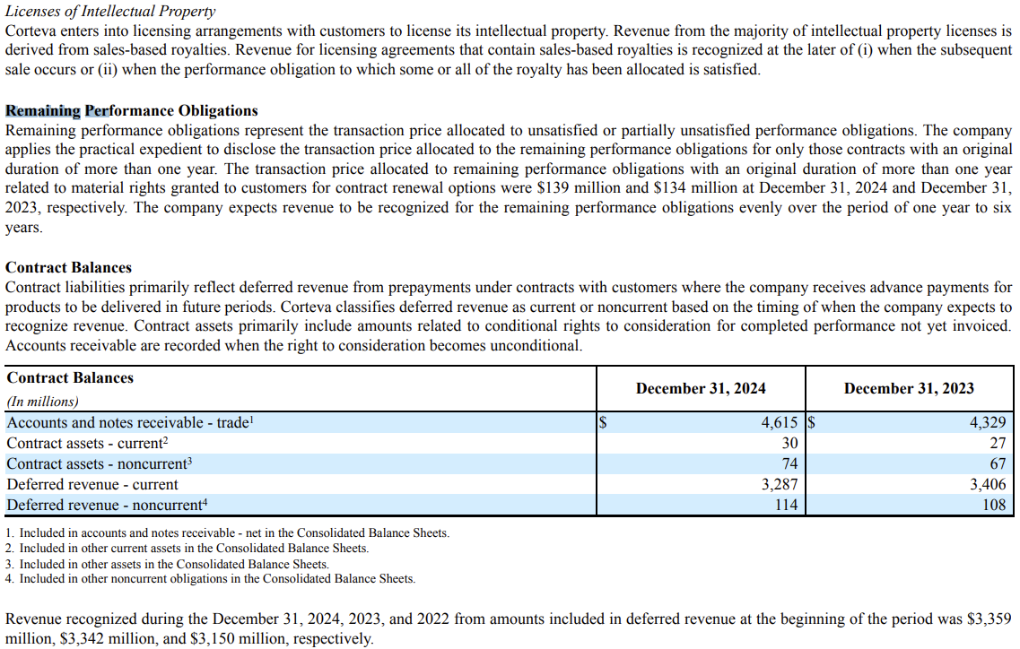
main

 | Risks
 | 1 | Enforcing Corteva’s intellectual property rights, or defending against intellectual property claims asserted by others, could materially affect Corteva’s business, results of operations and financial condition.
 | 2 | Corteva’s business may be adversely affected by the availability of counterfeit products.
 | 3 | Restrictions under the intellectual property cross-license agreements limit Corteva’s ability to develop and commercialize certain products and services and/or prosecute, maintain and enforce certain intellectual property.

