Composite
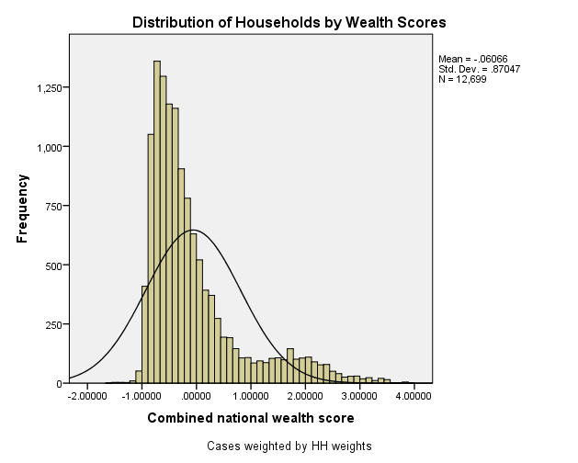
Combined Scores

 | Urban Area

 |  | Coefficientsa
 |  | Model |  | Unstandardized Coefficients |  | Standardized Coefficients | t | Sig.
 |  |  |  | B | Std. Error | Beta
 |  | 1 | (Constant) | 1.168 | 0.005 |  | 251.618 | 0.000
 |  |  | urbscore Urban wealth score | 1.174 | 0.005 | 0.978 | 252.865 | 0.000
 |  | a. Dependent Variable: comscore Common wealth score

 |  |  | Combined Score= 1.168 + 1.174 * Urban Score

 | Rural

 |  | Coefficientsa
 |  | Model |  | Unstandardized Coefficients |  | Standardized Coefficients | t | Sig.
 |  |  |  | B | Std. Error | Beta
 |  | 1 | (Constant) | -0.345 | 0.004 |  | -89.044 | 0.000
 |  |  | rurscore Rural wealth score | 0.448 | 0.004 | 0.759 | 115.566 | 0.000
 |  | a. Dependent Variable: comscore Common wealth score

 |  |  | Combined Score= -.345 + .448 * Rural Score

 | Combined Score

 |  | Statistics
 |  | combscor Combined national wealth score
 |  | N | Valid | 12699
 |  |  | Missing | 0
 |  | Mean |  | -0.0606564
 |  | Std. Error of Mean |  | 0.00772452
 |  | Median |  | -0.3516343
 |  | Mode |  | 1.81435
 |  | Std. Deviation |  | 0.87047446
 |  | Skewness |  | 1.719
 |  | Std. Error of Skewness |  | 0.022
 |  | Kurtosis |  | 2.604
 |  | Std. Error of Kurtosis |  | 0.043
 |  | Minimum |  | -1.61666
 |  | Maximum |  | 3.96455
 |  | Percentiles | 20 | -0.6939782
 |  |  | 40 | -0.4744206
 |  |  | 60 | -0.1973164
 |  |  | 80 | 0.3421368

 | histrogram

