Batch 1
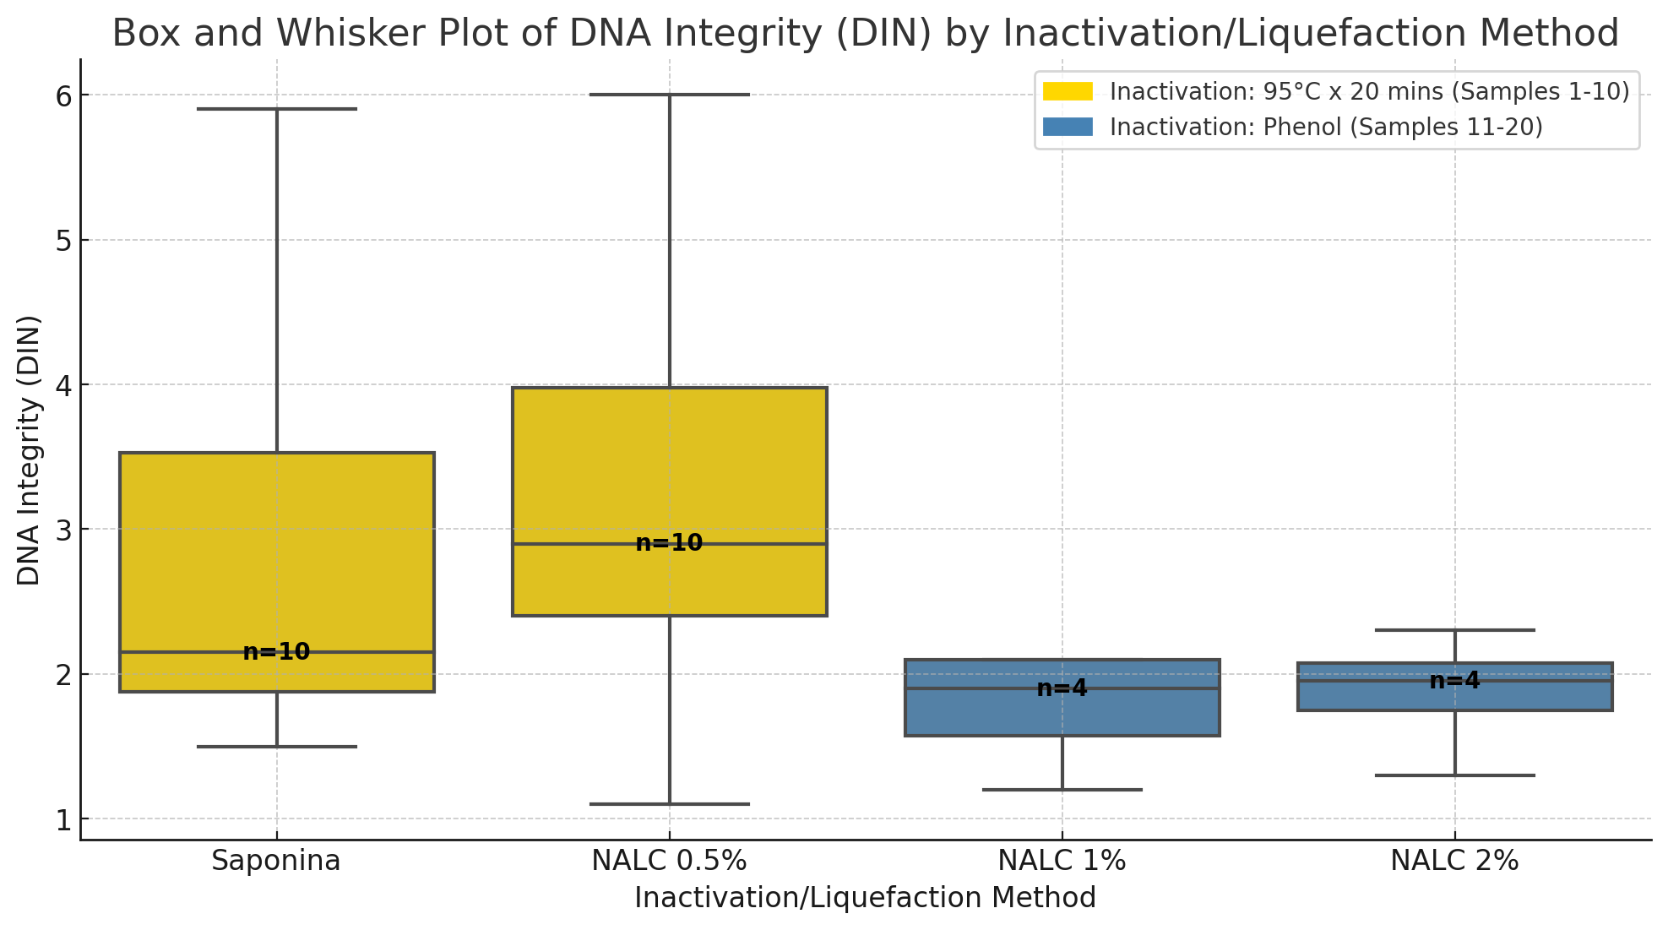
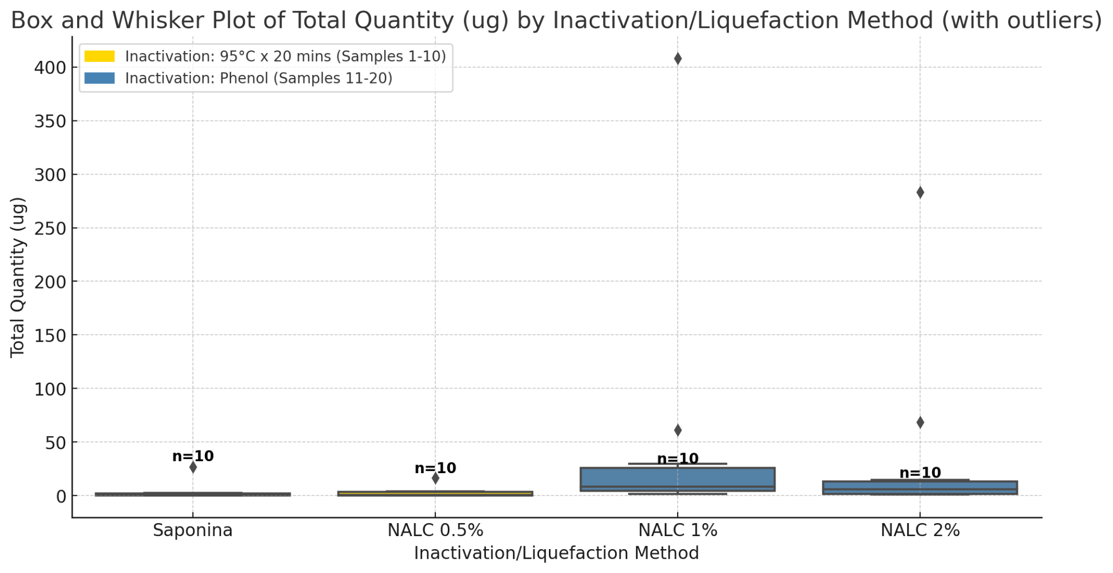
 |  |  |  |  |  |  |  |  | Lab details |  |  |  |  | Qubit ng/ul |  |  |  | Nanodrop |  | Tapestation
item | # sample | Well | Extraction Date | Inactivation | Treatment - Liquefaction | Host /microbial depletion | Elution volume (ul) | Vol to Yale (ul) | Sputum BK | GenXpert YES/NO | MTB detected | RIF resistance detected | Código | Measure 1 | Measure 2 | Qubit Mean conc. (ng/ul) | Total quantity (ug) | 260/280 | 260/230 | DNA integrity (DIN)
1 | 1 | A1 | 2024-05-16 | 95°C x 20 mins | Saponin | - | 50 | 30 | 3 BAAR | YES | Not detected | - | 4018 | 1.64 | 1.69 | 1.67 | 0.08 | 1.73 | 1.72 | 5.9
2 | 2 | B1 | 2024-05-16 | 95°C x 20 mins | Saponin | - | 50 | 30 | 1+ | NO | - | - | 5064 | 7.41 | 4.44 | 5.93 | 0.30 | 1.89 | 1.87 | 4.9
3 | 3 | C1 | 2024-05-16 | 95°C x 20 mins | Saponin | - | 50 | 30 | 1+ | NO | - | - | 5073 | 44.40 | 49.10 | 46.75 | 2.34 | 1.92 | 2.34 | 2.1
4 | 4 | D1 | 2024-05-16 | 95°C x 20 mins | Saponin | - | 50 | 30 | 2+ | NO | - | - | 5236 | 42.30 | 40.50 | 41.40 | 2.07 | 1.9 | 2.05 | 2.2
5 | 5 | E1 | 2024-05-16 | 95°C x 20 mins | Saponin | - | 50 | 30 | 2+ | YES | HIGH | Not detected | 5408 | 50.20 | 50.90 | 50.55 | 2.53 | 1.9 | 2.25 | 1.8
6 | 6 | F1 | 2024-05-16 | 95°C x 20 mins | Saponin | - | 50 | 30 | 2+ | NO | - | - | 5492 | 540.00 | 530.00 | 535.00 | 26.75 | 1.86 | 2.19 | 3.9
7 | 7 | G1 | 2024-05-16 | 95°C x 20 mins | Saponin | - | 50 | 30 | 3+ | YES | HIGH | Not detected | 5597 | 33.10 | 30.80 | 31.95 | 1.60 | 1.94 | 2.42 | 2.4
8 | 8 | H1 | 2024-05-16 | 95°C x 20 mins | Saponin | - | 50 | 30 | 1+ | NO | - | - | 5638 | 2.11 | 2.15 | 2.13 | 0.11 | 1.74 | 1.85 | 1.7
9 | 9 | A3 | 2024-05-16 | 95°C x 20 mins | Saponin | - | 50 | 30 | 1+ | NO | - | - | 5647 | 1.50 | 1.41 | 1.46 | 0.07 | 2.11 | 1.03 | 2.1
10 | 10 | B3 | 2024-05-16 | 95°C x 20 mins | Saponin | - | 50 | 30 | 3+ | NO | - | - | 5791 | 14.80 | 13.80 | 14.30 | 0.72 | 1.86 | 1.87 | 1.5
11 | 1 | C3 | 2024-05-16 | 95°C x 20 mins | NALC 0.5% | - | 50 | 30 | 3 BAAR | YES | Not detected | - | 4018 | 2.80 | 2.50 | 2.65 | 0.13 | 2.04 | 0.78 | 3.9
12 | 2 | D3 | 2024-05-16 | 95°C x 20 mins | NALC 0.5% | - | 50 | 30 | 1+ | NO | - | - | 5064 | 9.78 | 9.45 | 9.61 | 0.48 | 2.01 | 1.48 | 6.0
13 | 3 | E3 | 2024-05-16 | 95°C x 20 mins | NALC 0.5% | - | 50 | 30 | 1+ | NO | - | - | 5073 | 71.00 | 83.00 | 77.00 | 3.85 | 1.94 | 2.38 | 2.4
14 | 4 | F3 | 2024-05-16 | 95°C x 20 mins | NALC 0.5% | - | 50 | 30 | 2+ | NO | - | - | 5236 | 5.48 | 5.69 | 5.59 | 0.28 | 1.98 | 2.21 | 5.8
15 | 5 | G3 | 2024-05-16 | 95°C x 20 mins | NALC 0.5% | - | 50 | 30 | 2+ | YES | HIGH | Not detected | 5408 | 67.10 | 68.10 | 67.60 | 3.38 | 1.92 | 2.33 | 2.4
16 | 6 | H3 | 2024-05-16 | 95°C x 20 mins | NALC 0.5% | - | 50 | 30 | 2+ | NO | - | - | 5492 | 325.00 | 336.00 | 330.50 | 16.53 | 1.89 | 2.15 | 3.1
17 | 7 | A5 | 2024-05-16 | 95°C x 20 mins | NALC 0.5% | - | 50 | 30 | 3+ | YES | HIGH | Not detected | 5597 | 82.00 | 83.10 | 82.55 | 4.13 | 1.93 | 1.73 | 2.7
18 | 8 | B5 | 2024-05-16 | 95°C x 20 mins | NALC 0.5% | - | 50 | 30 | 1+ | NO | - | - | 5638 | 3.18 | 3.17 | 3.18 | 0.16 | 1.89 | 0.66 | 2.3
19 | 9 | C5 | 2024-05-16 | 95°C x 20 mins | NALC 0.5% | - | 50 | 30 | 1+ | NO | - | - | 5647 | 2.40 | 2.35 | 2.38 | 0.12 | 1.61 | 0.43 | 4.0
20 | 10 | D5 | 2024-05-16 | 95°C x 20 mins | NALC 0.5% | - | 25 | 25 | 3+ | NO | - | - | 5791 | 14.00 | 13.10 | 13.55 | 0.34 | 1.52 | 0.49 | 1.1
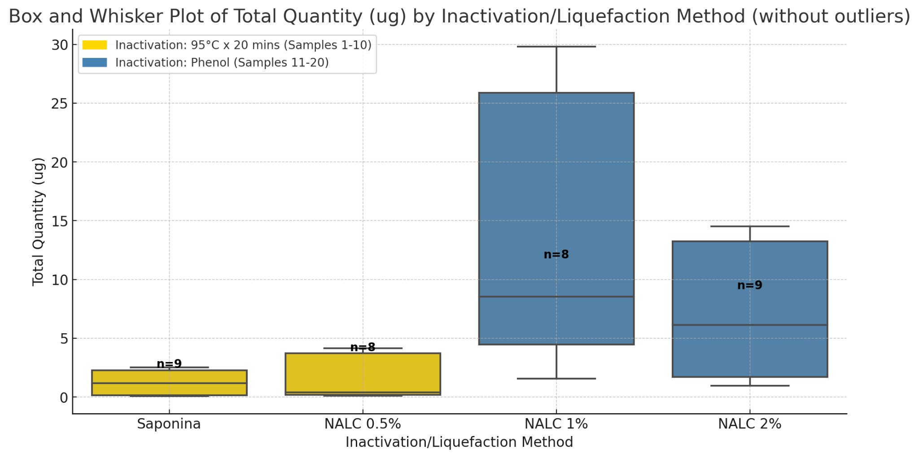
21 | 11 | E5 | 2024-05-23 | phenol | NALC 1% | - | 50 | 30 | 2+ | YES | HIGH | Detected | 5918a | 45.00 | 45.00 | 45.00 | 2.25 | 1.79 | 1.63 | not measured
22 | 12 | F5 | 2024-05-23 | phenol | NALC 1% | - | 50 | 30 | 2+ | NO | - | - | 5868a | 188.00 | 185.60 | 186.80 | 9.34 | 1.64 | 1.72 | 1.2
23 | 13 | G5 | 2024-05-23 | phenol | NALC 1% | - | 50 | 30 | 3+ | NO | - | - | 5864a | 123.60 | 118.80 | 121.20 | 6.06 | 1.59 | 1.64 | 1.7
24 | 14 | H5 | 2024-05-23 | phenol | NALC 1% | - | 50 | 30 | 1+ | NO | - | - | 5834a | 151.60 | 158.40 | 155.00 | 7.75 | 1.69 | 1.69 | not measured
25 | 15 | A7 | 2024-05-23 | phenol | NALC 1% | - | 50 | 30 | 3+ | NO | - | - | 5822a | 580.00 | 612.00 | 596.00 | 29.80 | 1.83 | 1.78 | not measured
26 | 16 | B7 | 2024-05-23 | phenol | NALC 1% | - | 50 | 30 | 3+ | NO | - | - | 5791 | 276.00 | 290.00 | 283.00 | 14.15 | 1.74 | 1.75 | 2.1
27 | 17 | C7 | 2024-05-23 | phenol | NALC 1% | - | 50 | 30 | 2+ | YES | LOW | Not detected | 5762 | 79.60 | 76.60 | 78.10 | 3.90 | 1.73 | 1.63 | 2.1
28 | 18 | D7 | 2024-05-23 | phenol | NALC 1% | - | 80 | 30 | 2+ | NO | - | - | 5492 | 976.00 | 556.00 | 766.00 | 61.28 | 1.77 | 1.88 | not measured
29 | 19 | E7 | 2024-05-23 | phenol | NALC 1% | - | 80 | 30 | 1+ | NO | - | - | 5073 | 5160.00 | 5040.00 | 5100.00 | 408.00 | 1.82 | 2.11 | not measured
30 | 20 | F7 | 2024-05-23 | phenol | NALC 1% | - | 50 | 30 | 3 baar | YES | Not detected | - | 4018 | 32.20 | 30.20 | 31.20 | 1.56 | 1.53 | 1.35 | not measured
31 | 11 | G7 | 2024-05-23 | phenol | NALC 2% | - | 50 | 30 | 2+ | YES | HIGH | Detected | 5918 | 33.80 | 33.20 | 33.50 | 1.68 | 1.55 | 1.63 | not measured
32 | 12 | H7 | 2024-05-23 | phenol | NALC 2% | - | 50 | 30 | 2+ | NO | - | - | 5868 | 146.80 | 162.00 | 154.40 | 7.72 | 1.85 | 2.66 | 1.3
33 | 13 | A9 | 2024-05-23 | phenol | NALC 2% | - | 50 | 30 | 3+ | NO | - | - | 5864 | 91.80 | 89.20 | 90.50 | 4.53 | 1.72 | 1.97 | 1.9
34 | 14 | B9 | 2024-05-23 | phenol | NALC 2% | - | 50 | 30 | 1+ | NO | - | - | 5834 | 36.00 | 37.20 | 36.60 | 1.83 | 1.62 | 1.73 | not measured
35 | 15 | C9 | 2024-05-23 | phenol | NALC 2% | - | 50 | 30 | 3+ | NO | - | - | 5822 | 276.00 | 304.00 | 290.00 | 14.50 | 1.74 | 2.03 | not measured
36 | 16 | D9 | 2024-05-23 | phenol | NALC 2% | - | 50 | 30 | 3+ | NO | - | - | 5791 | 181.20 | 197.60 | 189.40 | 9.47 | 1.79 | 2.07 | 2.0
37 | 17 | E9 | 2024-05-23 | phenol | NALC 2% | - | 50 | 30 | 2+ | YES | LOW | Not detected | 5762 | 23.80 | 23.00 | 23.40 | 1.17 | 1.55 | 1.67 | 2.3
38 | 18 | F9 | 2024-05-23 | phenol | NALC 2% | - | 80 | 30 | 2+ | NO | - | - | 5492 | 3480.00 | 3600.00 | 3540.00 | 283.20 | 1.87 | 2.3 | not measured
39 | 19 | G9 | 2024-05-23 | phenol | NALC 2% | - | 50 | 30 | 1+ | NO | - | - | 5073 | 1408.00 | 1344.00 | 1376.00 | 68.80 | 1.8 | 1.94 | not measured
40 | 20 | H9 | 2024-05-23 | phenol | NALC 2% | - | 50 | 30 | 3 baar | YES | Not detected | - | 4018 | 19.56 | 19.28 | 19.42 | 0.97 | 1.52 | 1.54 | not measured

