Figures
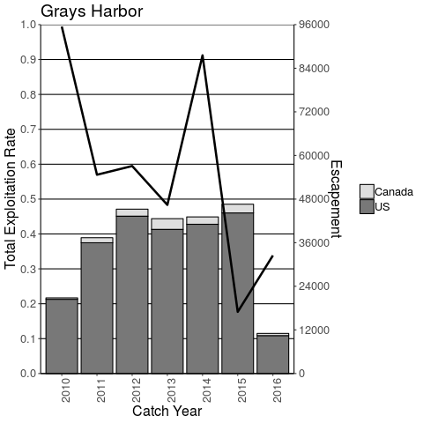
 | Figures
1 | Please scroll down to view figure files

 | Figure 4.1
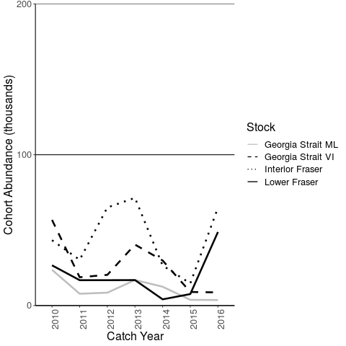

 |  | Figures 4+ are no longer needed, we can pull the data from the tables

 | Figure 4.2
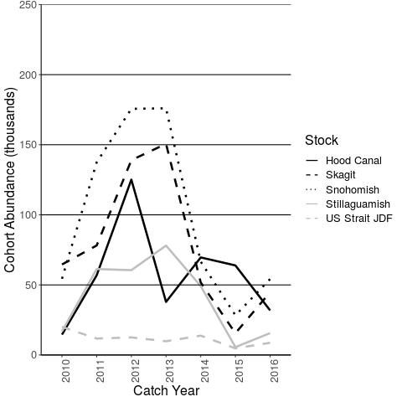

 | Figure 4.3
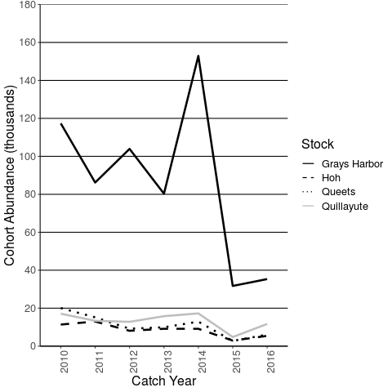

 | Figure 5.1
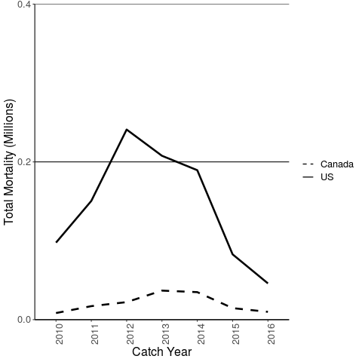

 |  | If this is catch (and not total mortality) or the "catch" in the tables is total mortality, then we do not need this figure. We can pull it directly from the table

 | Figure 7.1
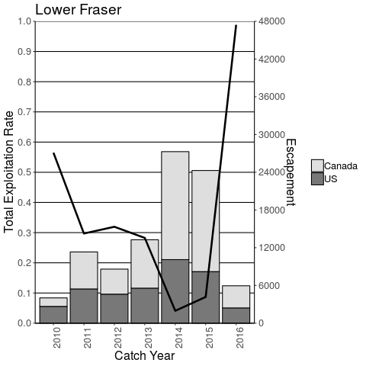

 |  | No need to update all Figure 7s, we can pull this data from other tables
 |  | :)

 | Figure 7.2
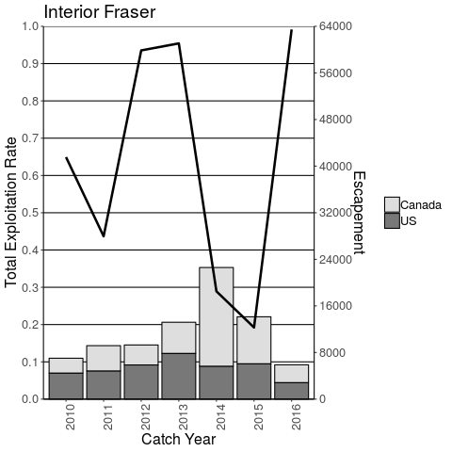

 | Figure 7.3
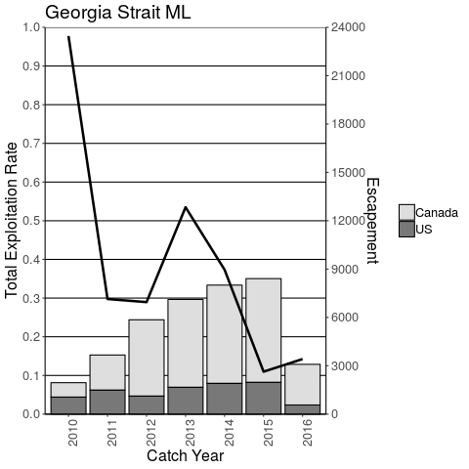

 | Figure 7.4
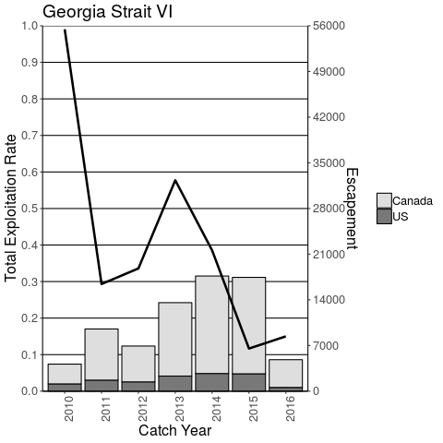

 | Figure 7.5
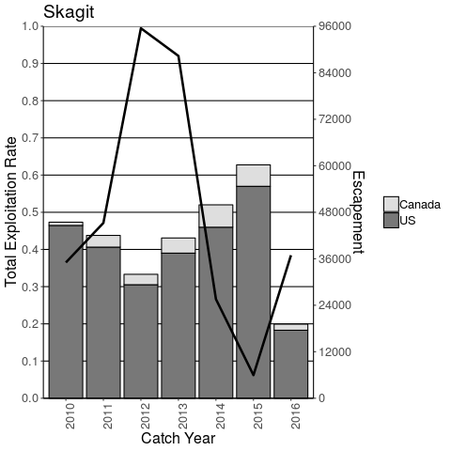

 | Figure 7.6
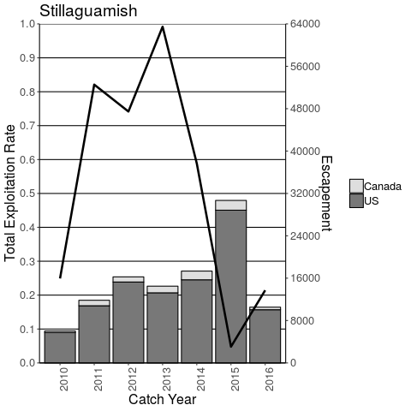

 | Figure 7.7
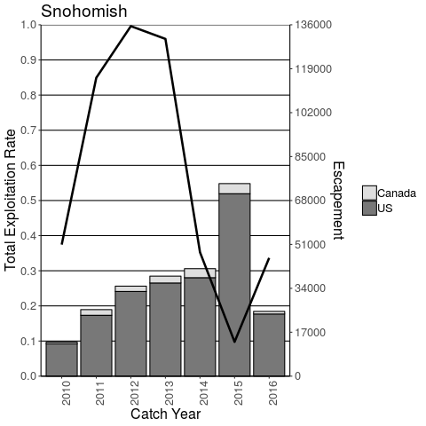

 | Figure 7.8
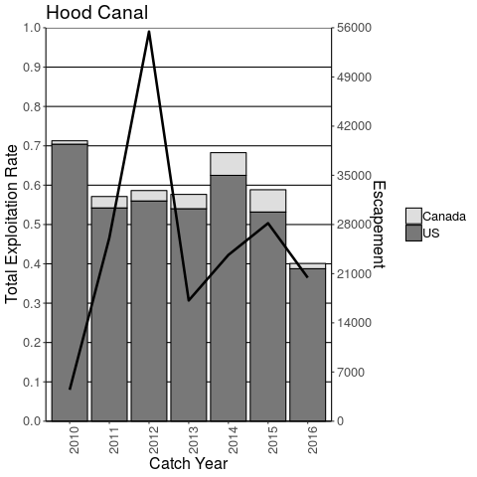

 | Figure 7.9
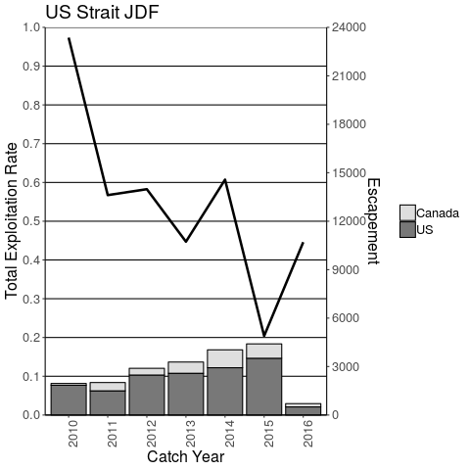

 | Figure 7.10
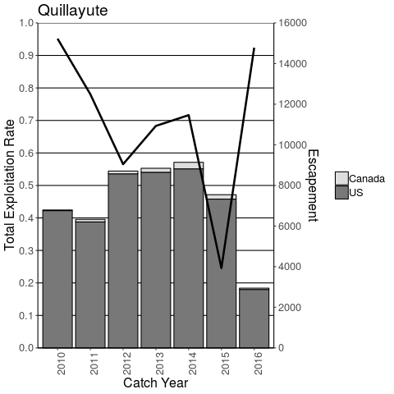

 | Figure 7.11
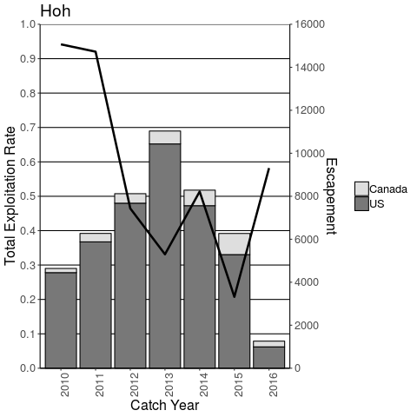

 | Figure 7.12
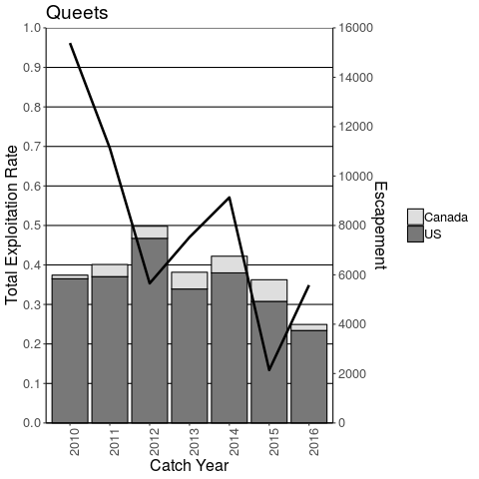

 | Figure 7.13

