Hire Pricing
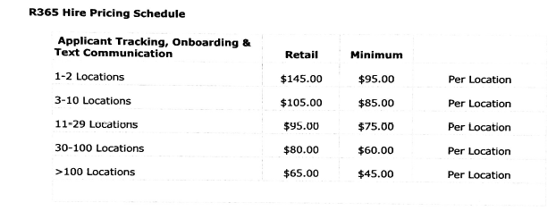
R365 Hire Pricing Schedule
Applicant Tracking, Onboarding & Text Communication

# of Locations | Retail | Minimum
1 | $145.00 | $95.00
2 | $145.00 | $95.00
3 | $105.00 | $85.00
4 | $105.00 | $85.00
5 | $105.00 | $85.00
6 | $105.00 | $85.00
7 | $105.00 | $85.00
8 | $105.00 | $85.00
9 | $105.00 | $85.00
10 | $105.00 | $85.00
11 | $95.00 | $75.00
12 | $95.00 | $75.00
13 | $95.00 | $75.00
14 | $95.00 | $75.00
15 | $95.00 | $75.00
16 | $95.00 | $75.00
17 | $95.00 | $75.00
18 | $95.00 | $75.00
19 | $95.00 | $75.00
20 | $95.00 | $75.00
21 | $95.00 | $75.00
22 | $95.00 | $75.00
23 | $95.00 | $75.00
24 | $95.00 | $75.00
25 | $95.00 | $75.00
26 | $95.00 | $75.00
27 | $95.00 | $75.00
28 | $95.00 | $75.00
29 | $95.00 | $75.00
30 | $80.00 | $60.00
31 | $80.00 | $60.00
32 | $80.00 | $60.00
33 | $80.00 | $60.00
34 | $80.00 | $60.00
35 | $80.00 | $60.00
36 | $80.00 | $60.00
37 | $80.00 | $60.00
38 | $80.00 | $60.00
39 | $80.00 | $60.00
40 | $80.00 | $60.00
41 | $80.00 | $60.00
42 | $80.00 | $60.00
43 | $80.00 | $60.00
44 | $80.00 | $60.00
45 | $80.00 | $60.00
46 | $80.00 | $60.00
47 | $80.00 | $60.00
48 | $80.00 | $60.00
49 | $80.00 | $60.00
50 | $80.00 | $60.00
51 | $80.00 | $60.00
52 | $80.00 | $60.00
53 | $80.00 | $60.00
54 | $80.00 | $60.00
55 | $80.00 | $60.00
56 | $80.00 | $60.00
57 | $80.00 | $60.00
58 | $80.00 | $60.00
59 | $80.00 | $60.00
60 | $80.00 | $60.00
61 | $80.00 | $60.00
62 | $80.00 | $60.00
63 | $80.00 | $60.00
64 | $80.00 | $60.00
65 | $80.00 | $60.00
66 | $80.00 | $60.00
67 | $80.00 | $60.00
68 | $80.00 | $60.00
69 | $80.00 | $60.00
70 | $80.00 | $60.00
71 | $80.00 | $60.00
72 | $80.00 | $60.00
73 | $80.00 | $60.00
74 | $80.00 | $60.00
75 | $80.00 | $60.00
76 | $80.00 | $60.00
77 | $80.00 | $60.00
78 | $80.00 | $60.00
79 | $80.00 | $60.00
80 | $80.00 | $60.00
81 | $80.00 | $60.00
82 | $80.00 | $60.00
83 | $80.00 | $60.00
84 | $80.00 | $60.00
85 | $80.00 | $60.00
86 | $80.00 | $60.00
87 | $80.00 | $60.00
88 | $80.00 | $60.00
89 | $80.00 | $60.00
90 | $80.00 | $60.00
91 | $80.00 | $60.00
92 | $80.00 | $60.00
93 | $80.00 | $60.00
94 | $80.00 | $60.00
95 | $80.00 | $60.00
96 | $80.00 | $60.00
97 | $80.00 | $60.00
98 | $80.00 | $60.00
99 | $80.00 | $60.00
100 | $80.00 | $60.00
101 | $65.00 | $45.00

