README
DestinationFinderAI — Next 20 Destination Research Workbook
AUTHORING COMPLETE • PRIVATE CONTROLLED IMPORT AUTHORIZED • VALIDATE BEFORE WRITE
The 48-sheet import structure and all resource rows are retained. This edition adds named hotels, annual events, language resources and country-qualified booking, maps and social discovery links.
PILOT_STATUS documents remaining supply/coverage limits. Small destinations are not padded to generic quotas. Decision-critical safety, legal-protection and permanent-residence evidence has received a final official-source pass; genuine UNKNOWN values remain explicit.
PLACES separates reviewed entries from draft leads. MEDIA retains original image URLs, captions, creator credits, license links and capture dates.
RESOURCES includes Google Earth, Maps, more photos, Airbnb, Vrbo, Booking.com, TikTok, YouTube and Instagram discovery. Generated searches are labeled; they do not count as named recommendations.
CLIMATE_MONTHLY contains 12 monthly estimates per city from NASA POWER daily regional-grid data for 1991–2020. Formula inputs are visible in DESTINATION_FACTS.
Current scoring contract applied: 16 exact runtime dimensions, 340 input-status records, sea-beach and ski thresholds, and supported private-care summaries. Unsupported numeric scores stay omitted. The 20 single/couple affordability records in the new handoff are blank; no amounts have been invented.
The website truncates resource groups to four and loses some property/media details. All workbook resources are retained, but VS Code must address those display defects before full-site acceptance.
No application files, database records, original workbooks or production settings were changed. No importer or application tests were run.
Sections not yet populated: DESTINATION_SCORES, COST_OF_LIVING. These are open requirements, not “not applicable” conclusions.
Photo review below: one proposed hero plus three gallery photos per city. Some photographs were captured years ago; the exact date and license are in MEDIA.
PHOTO REVIEW — ORIGINAL COLOR PHOTOGRAPHS
PHOTO REVIEW / 1 HERO + 3 GALLERY IMAGES PER DESTINATION

01 TIVAT / 455 overview words · 6 area comparisons
PROPOSED HERO | GALLERY 1 | GALLERY 2 | GALLERY 3
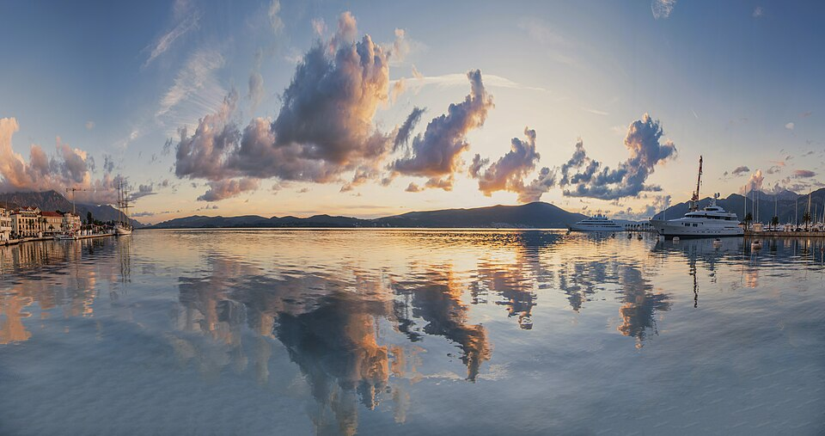
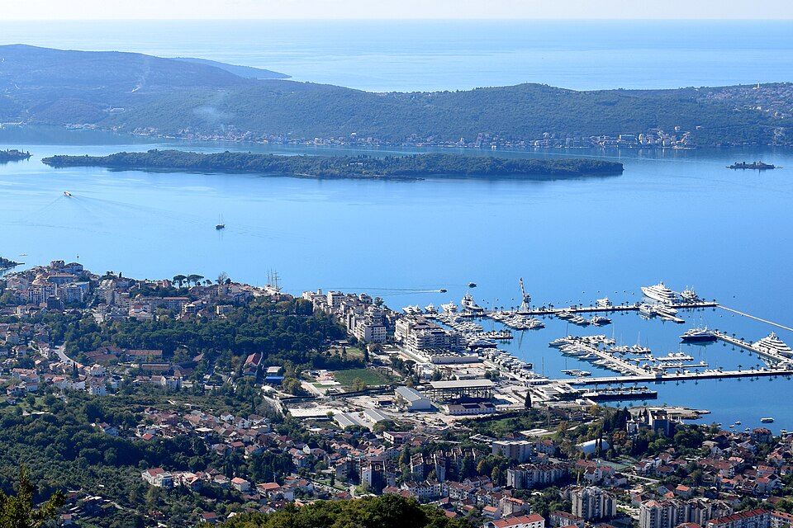
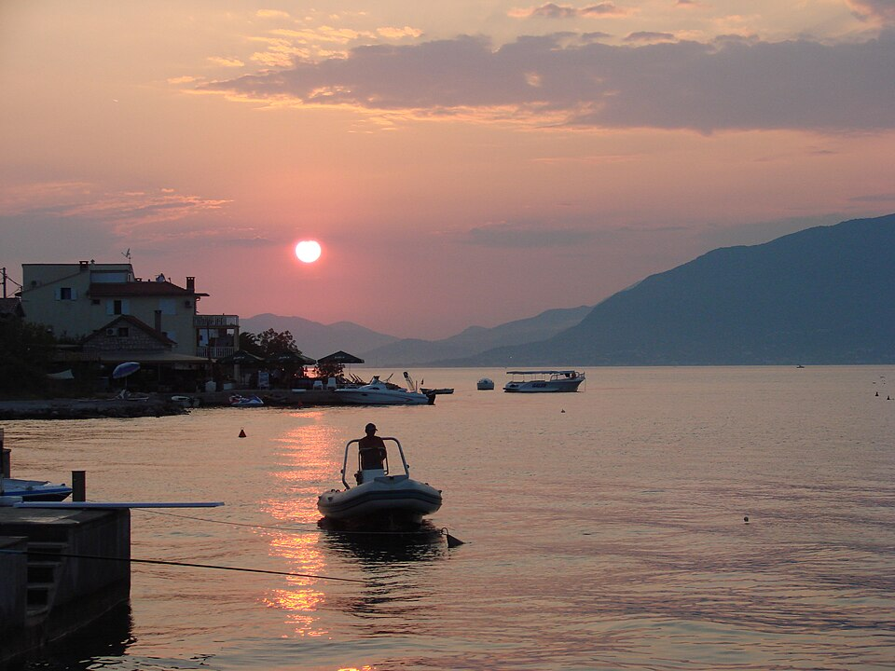
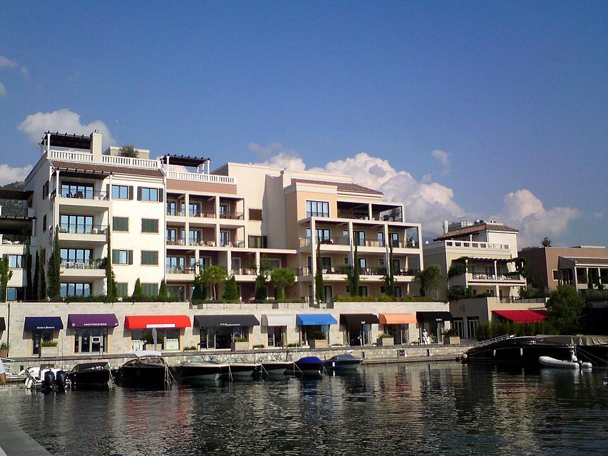

Sunset reflections on Tivat Bay | Tivat Bay, Sveti Marko and Our Lady of Mercy islands | Sunset from the Tivat waterfront | Porto Montenegro marina

CC0 · Full credit and source in MEDIA | CC BY-SA 4.0 · Full credit and source in MEDIA | CC BY 3.0 · Full credit and source in MEDIA | CC BY-SA 3.0 · Full credit and source in MEDIA
02 MATERA / 466 overview words · 5 area comparisons
PROPOSED HERO | GALLERY 1 | GALLERY 2 | GALLERY 3
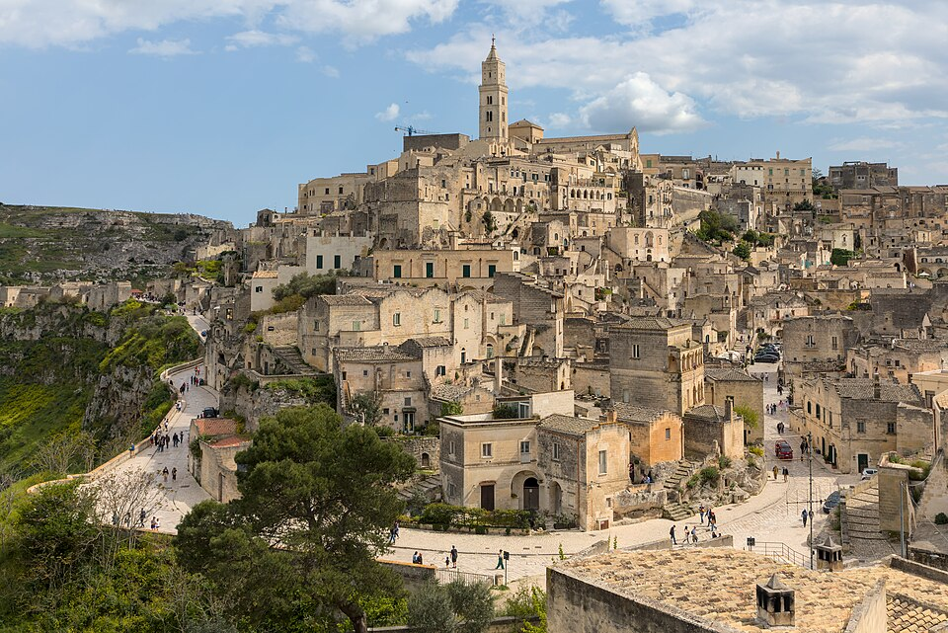
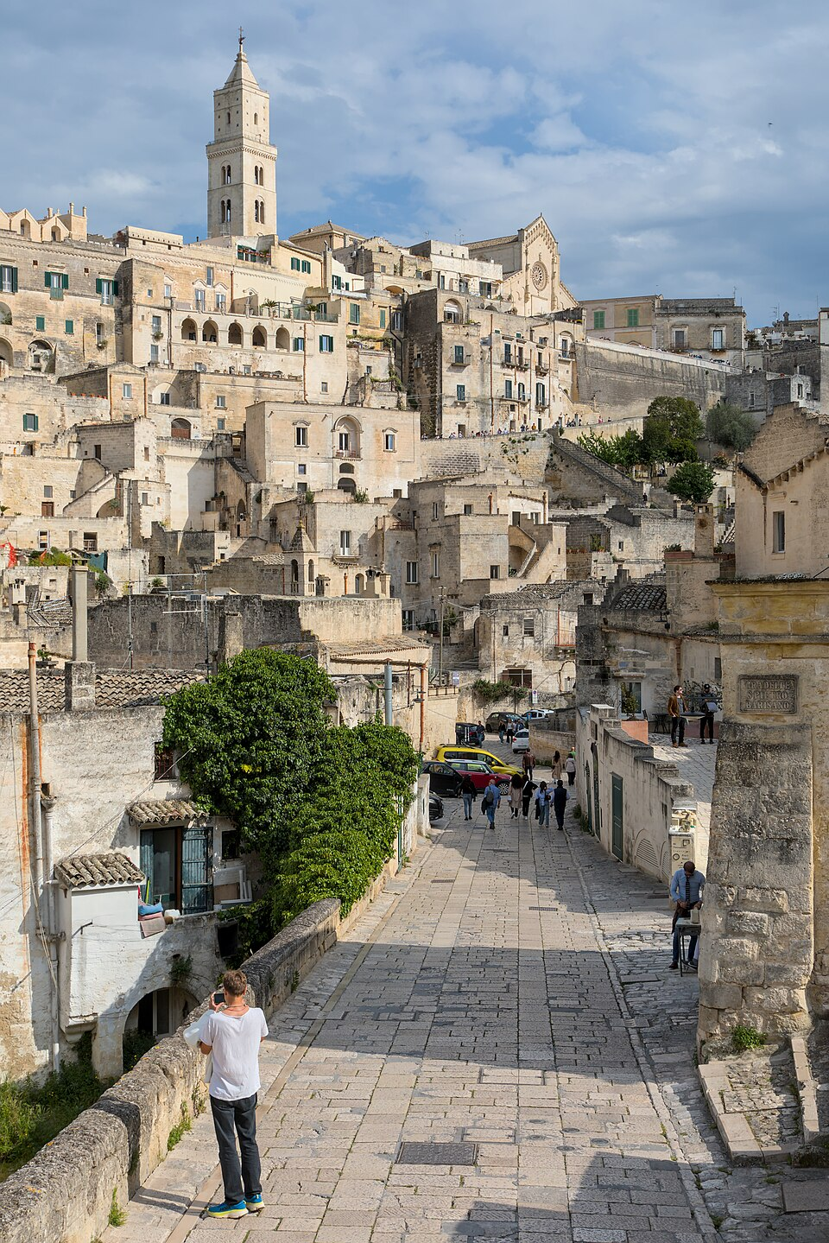
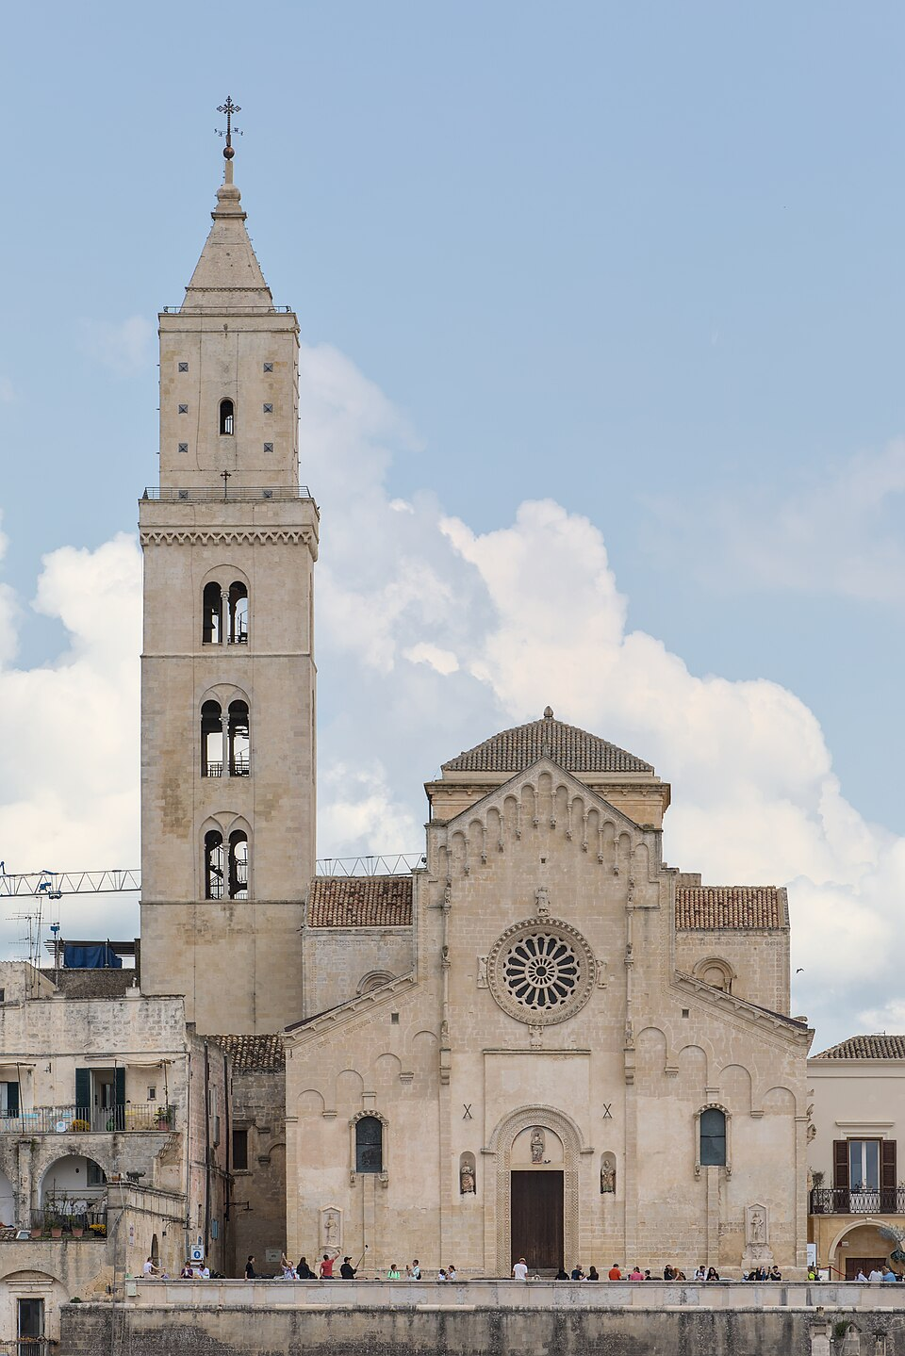
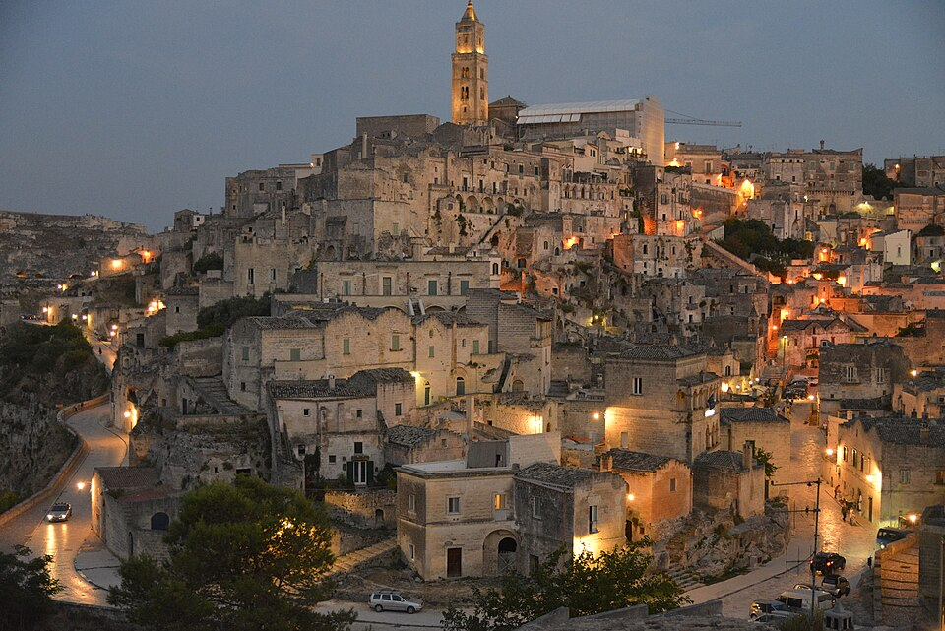

Matera from Sant’Agostino | Via D’Addozio in Sasso Barisano | Matera Cathedral from the Guerricchio viewpoint | Matera’s Civita and Sassi at dusk

CC BY-SA 4.0 · Full credit and source in MEDIA | CC BY-SA 4.0 · Full credit and source in MEDIA | CC BY-SA 4.0 · Full credit and source in MEDIA | CC BY-SA 4.0 · Full credit and source in MEDIA
03 TRIESTE / 465 overview words · 5 area comparisons
PROPOSED HERO | GALLERY 1 | GALLERY 2 | GALLERY 3
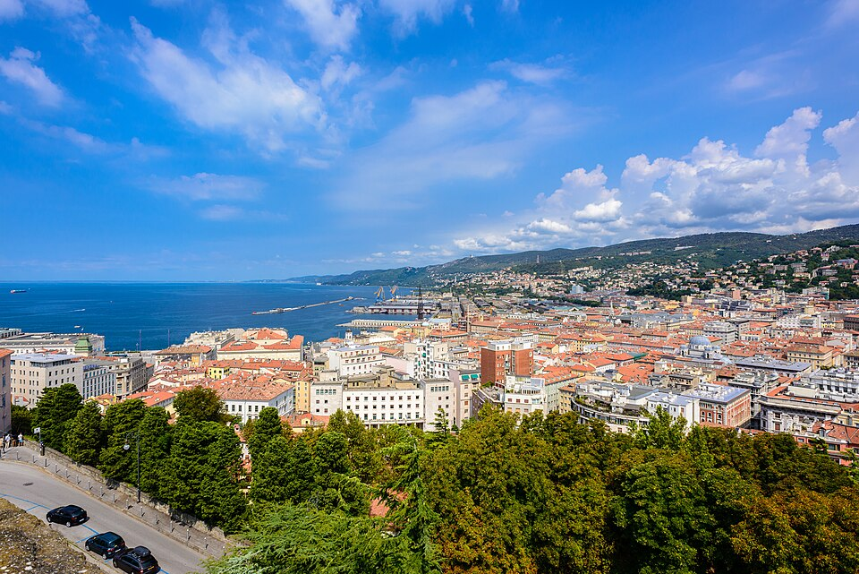
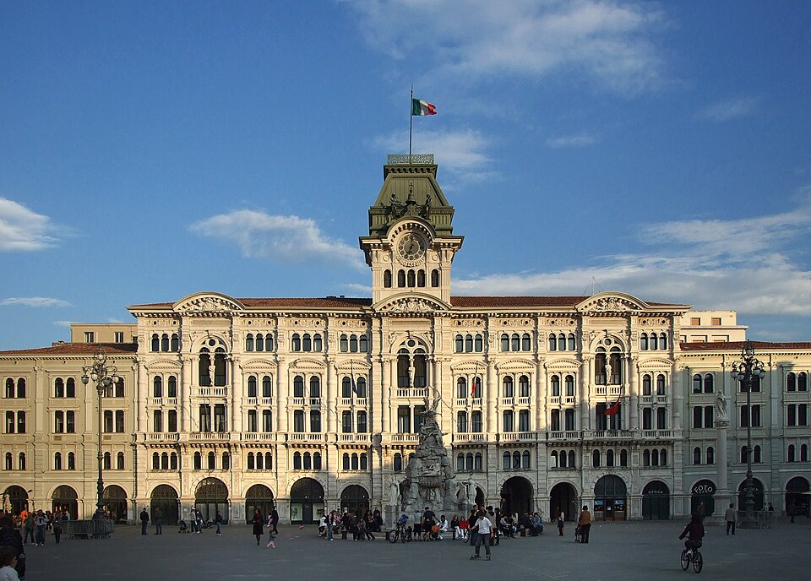
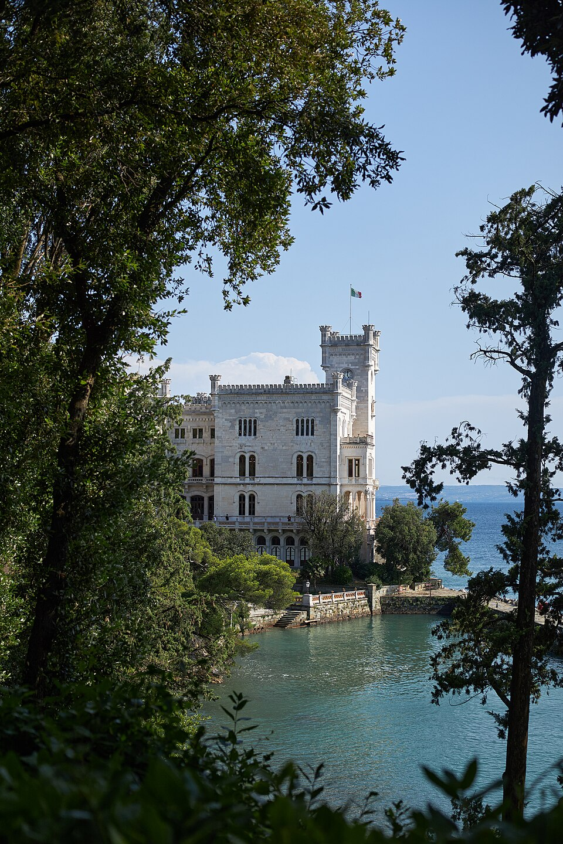

Trieste and its Adriatic setting | Trieste seafront from Molo Audace | City Hall on Piazza Unità d’Italia | Miramare Castle framed by trees

CC BY-SA 2.0 · Full credit and source in MEDIA | CC BY-SA 3.0 · Full credit and source in MEDIA | CC BY-SA 3.0 · Full credit and source in MEDIA | CC BY-SA 4.0 · Full credit and source in MEDIA
04 BRAGA / 436 overview words · 5 area comparisons
PROPOSED HERO | GALLERY 1 | GALLERY 2 | GALLERY 3
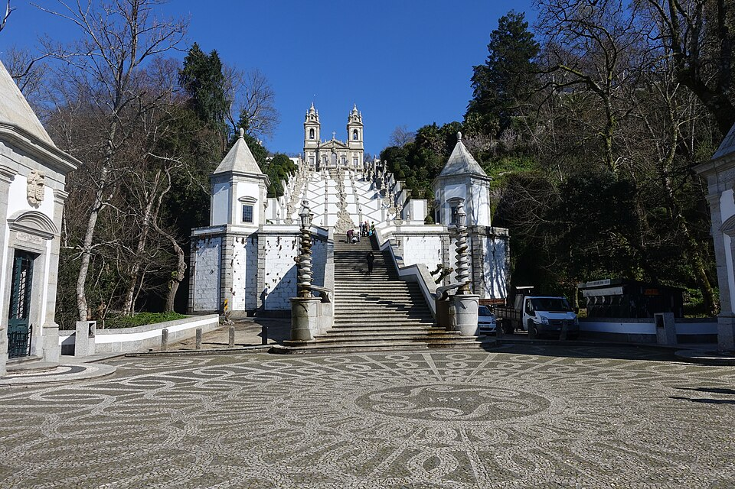
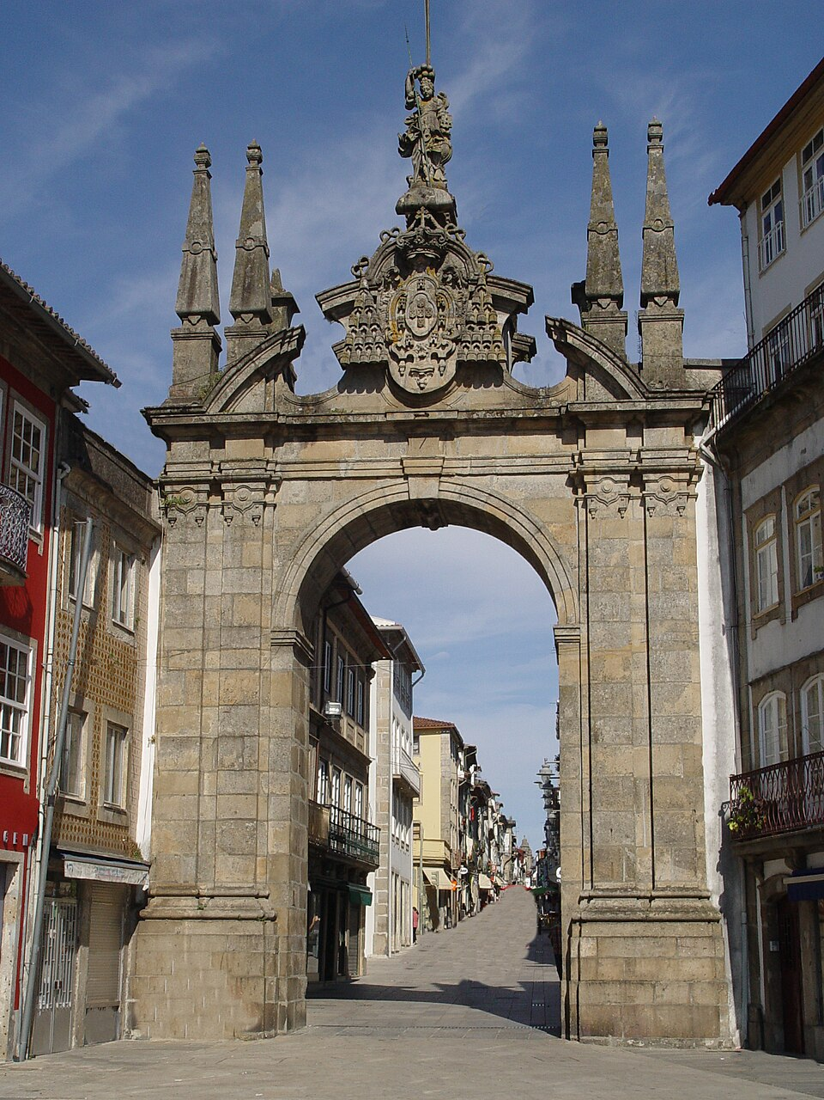
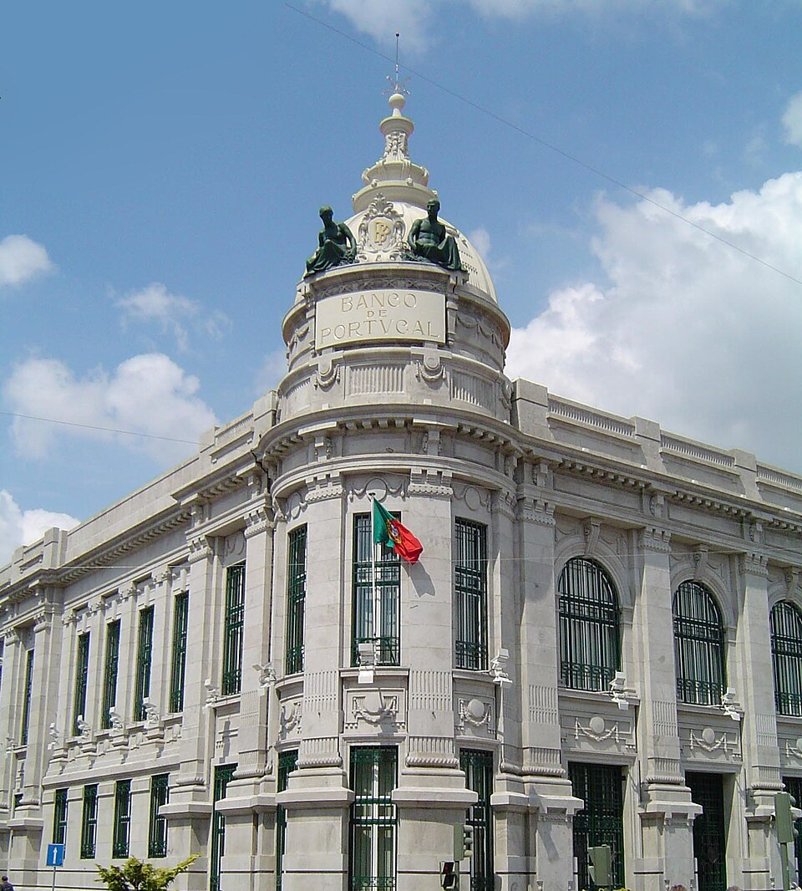
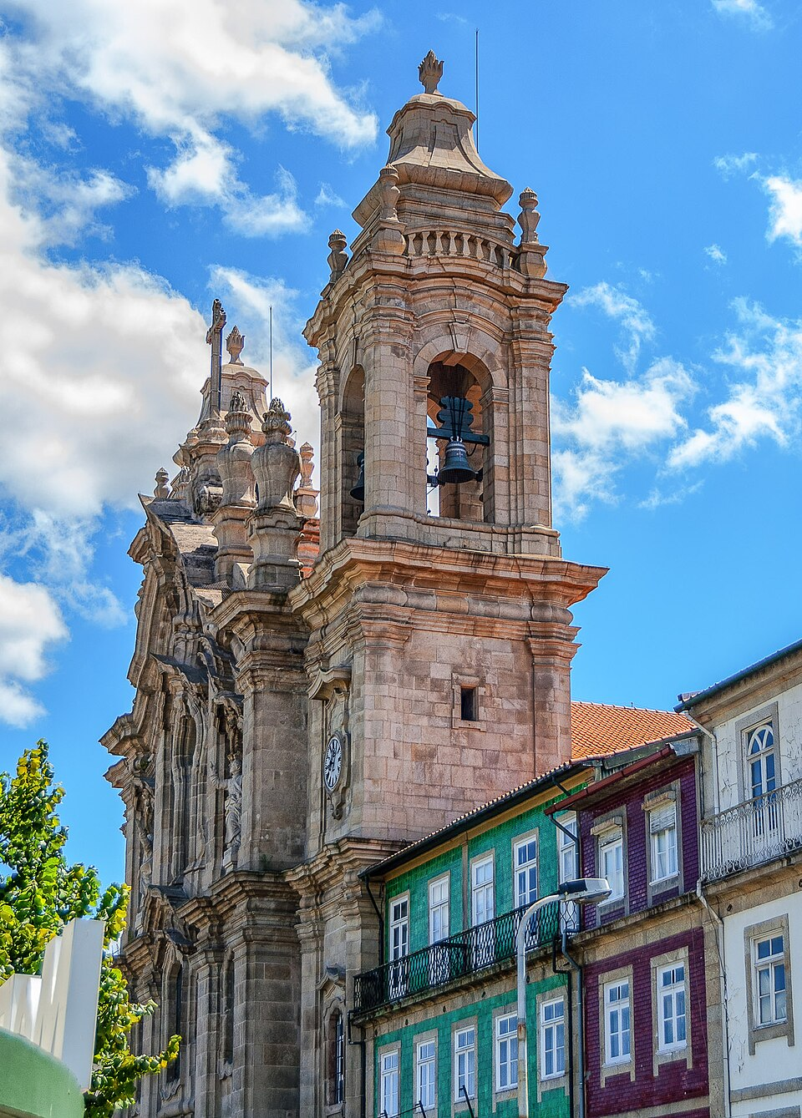

Bom Jesus do Monte stairway | Arco da Porta Nova | Banco de Portugal building in Braga | Congregados church

CC BY-SA 4.0 · Full credit and source in MEDIA | CC BY-SA 3.0 · Full credit and source in MEDIA | CC BY 2.5 · Full credit and source in MEDIA | CC BY 2.0 · Full credit and source in MEDIA
05 VALENCIA / 440 overview words · 5 area comparisons
PROPOSED HERO | GALLERY 1 | GALLERY 2 | GALLERY 3
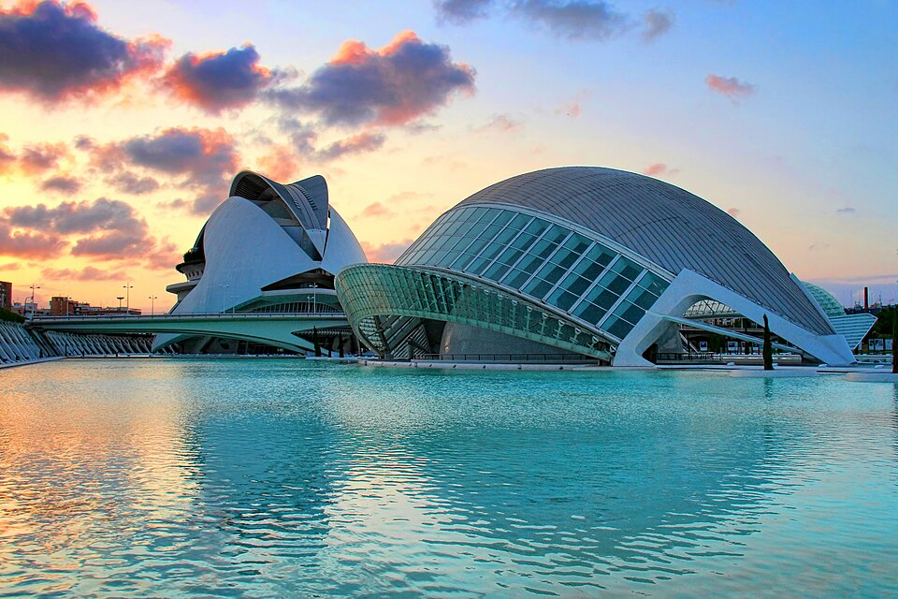
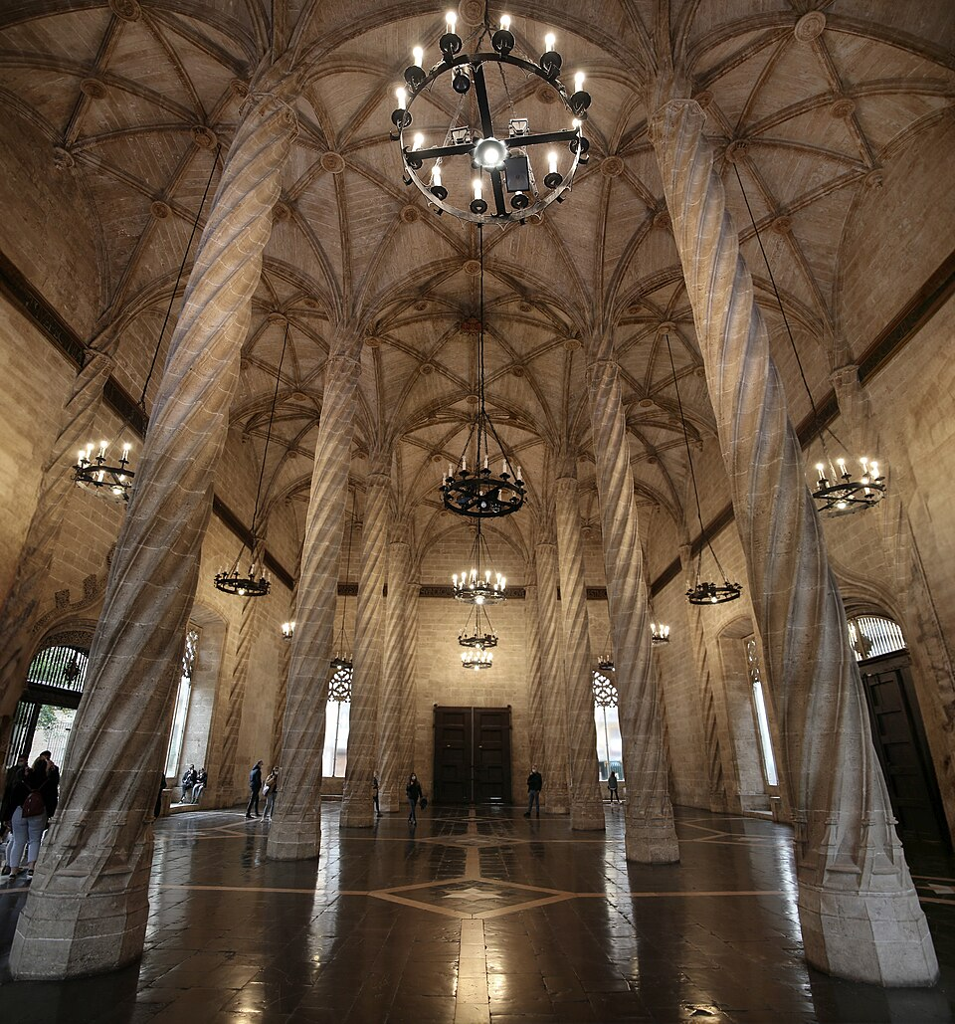
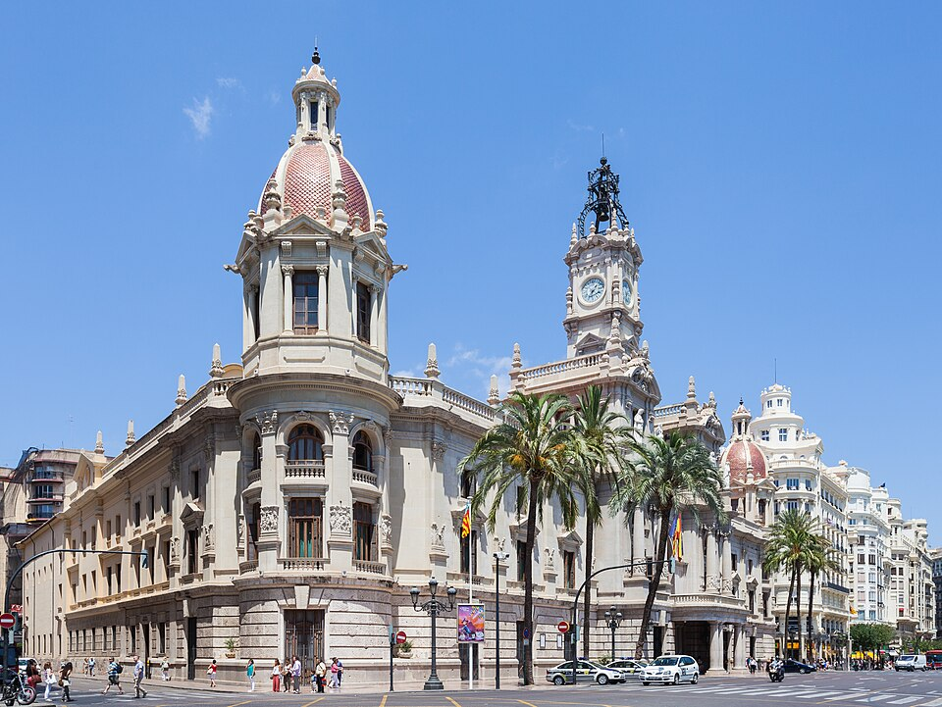
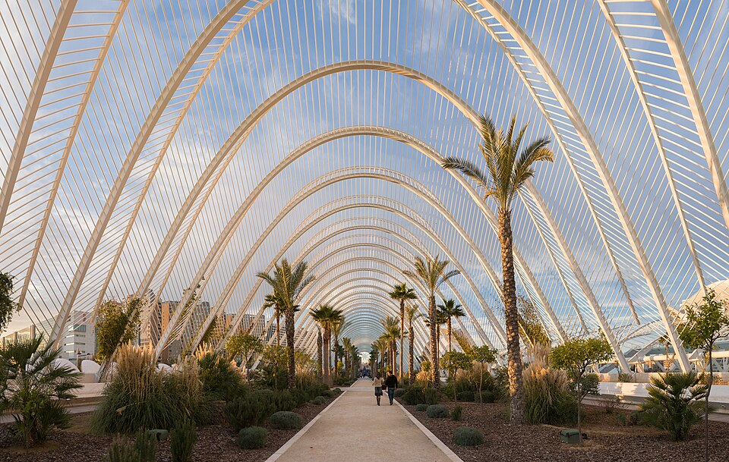

Sunset at the City of Arts and Sciences | Interior of the Silk Exchange | Valencia City Hall | The garden walk inside L’Umbracle

CC BY 3.0 · Full credit and source in MEDIA | CC BY-SA 4.0 · Full credit and source in MEDIA | CC BY-SA 4.0 · Full credit and source in MEDIA | CC BY-SA 3.0 · Full credit and source in MEDIA
06 RIJEKA / 438 overview words · 5 area comparisons
PROPOSED HERO | GALLERY 1 | GALLERY 2 | GALLERY 3
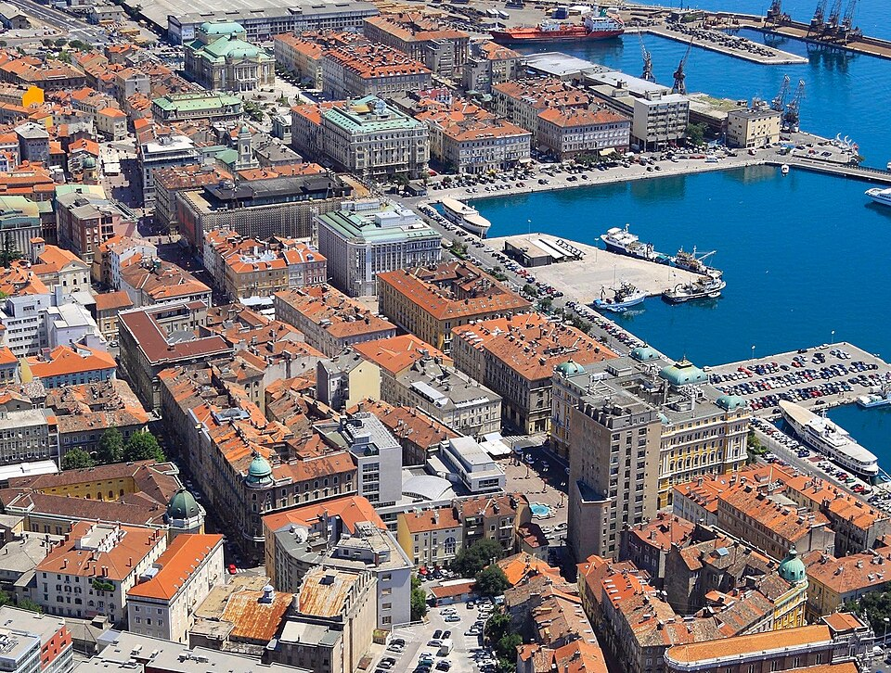
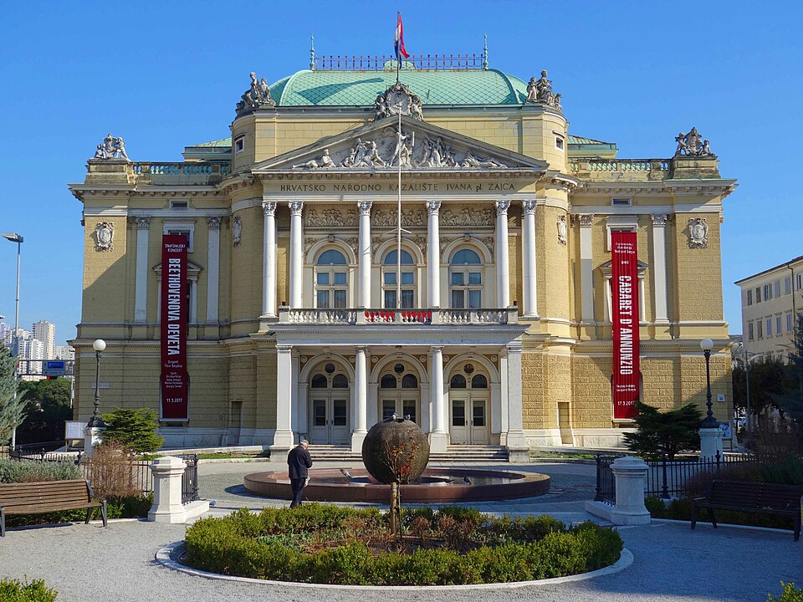
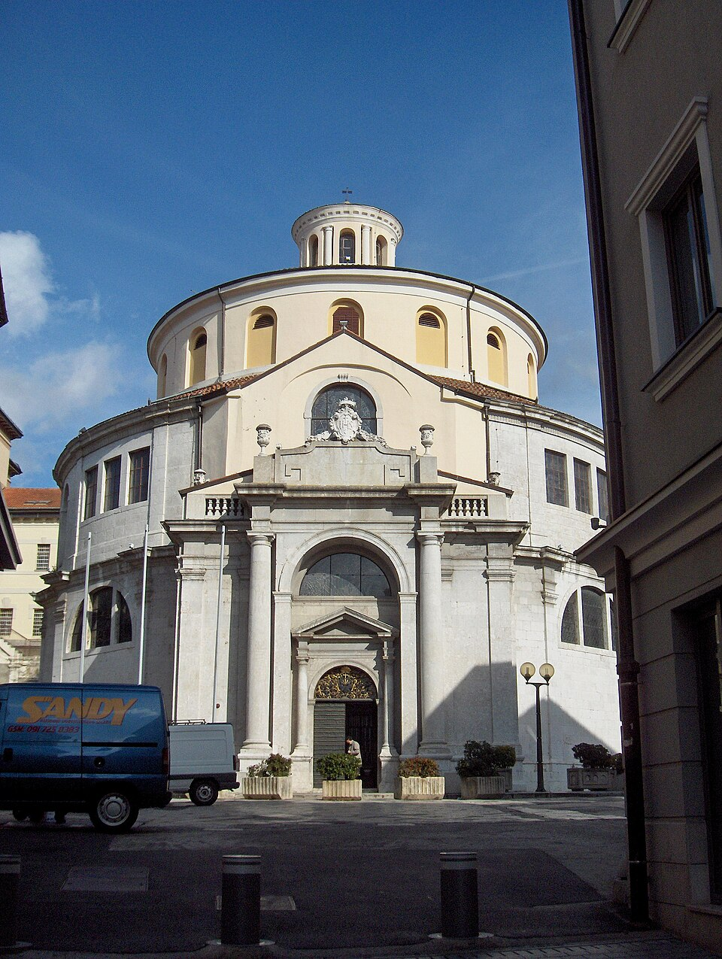
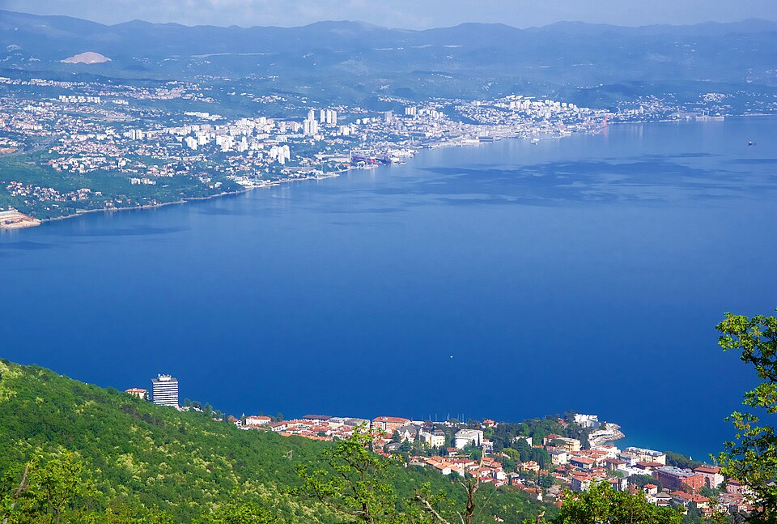

Aerial view of Rijeka and its port | Croatian National Theatre Ivan pl. Zajc | St. Vitus Cathedral | Rijeka seen from Veprinac — regional viewpoint

CC BY-SA 4.0 · Full credit and source in MEDIA | CC BY-SA 4.0 · Full credit and source in MEDIA | CC BY-SA 4.0 · Full credit and source in MEDIA | CC BY-SA 4.0 · Full credit and source in MEDIA
07 ZADAR / 436 overview words · 5 area comparisons
PROPOSED HERO | GALLERY 1 | GALLERY 2 | GALLERY 3
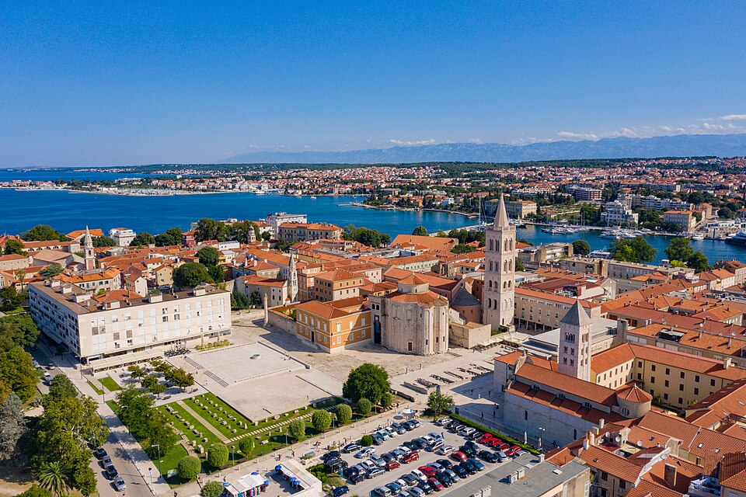
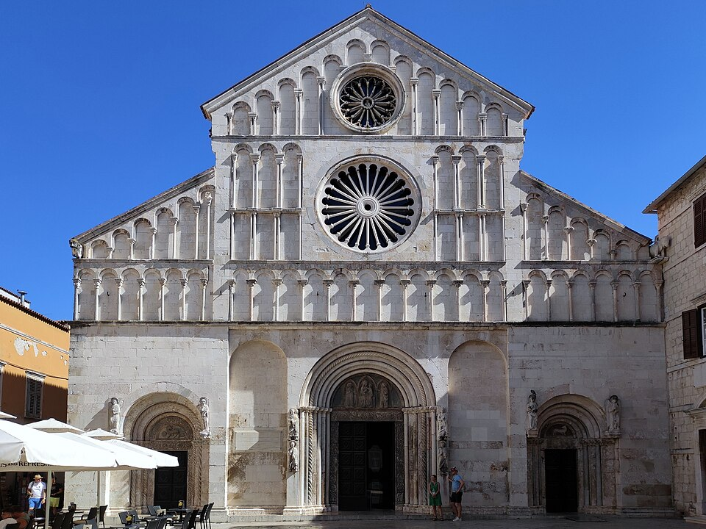
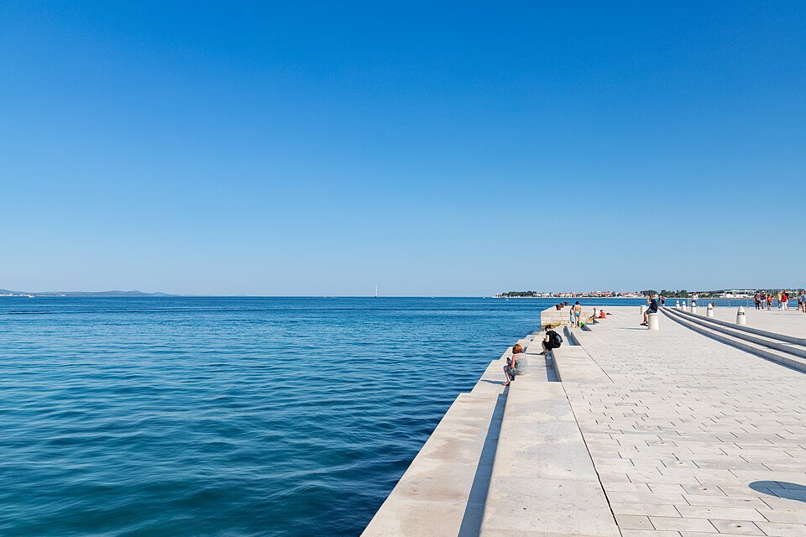
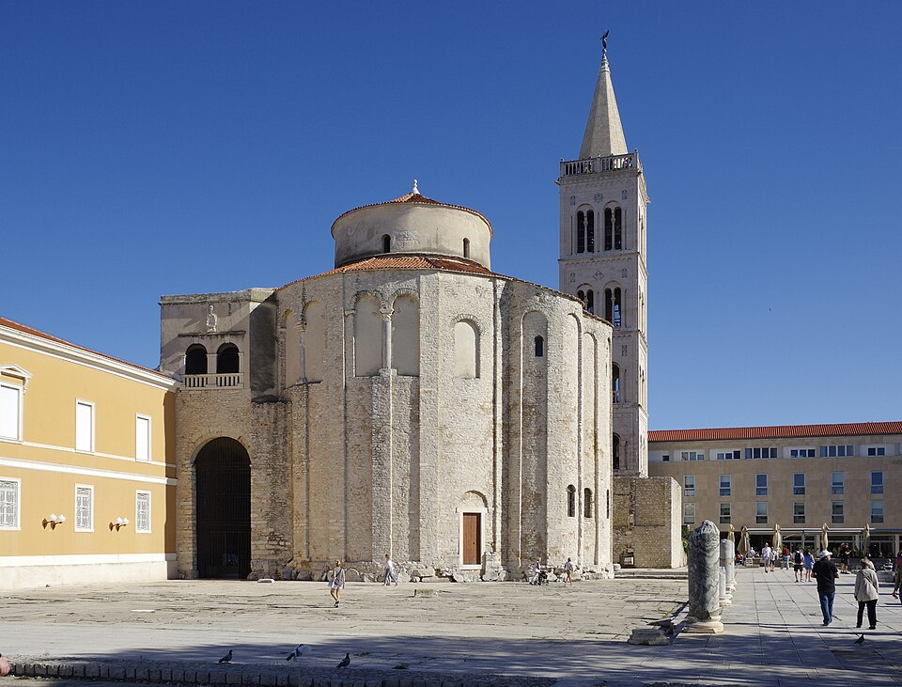

Roman Forum and historic Zadar | St. Anastasia’s Cathedral | Sea Organ steps on the waterfront | Church of St. Donatus

CC BY 2.0 · Full credit and source in MEDIA | CC BY-SA 4.0 · Full credit and source in MEDIA | CC BY 2.0 · Full credit and source in MEDIA | CC BY-SA 4.0 · Full credit and source in MEDIA
08 PIRAN / 454 overview words · 5 area comparisons
PROPOSED HERO | GALLERY 1 | GALLERY 2 | GALLERY 3
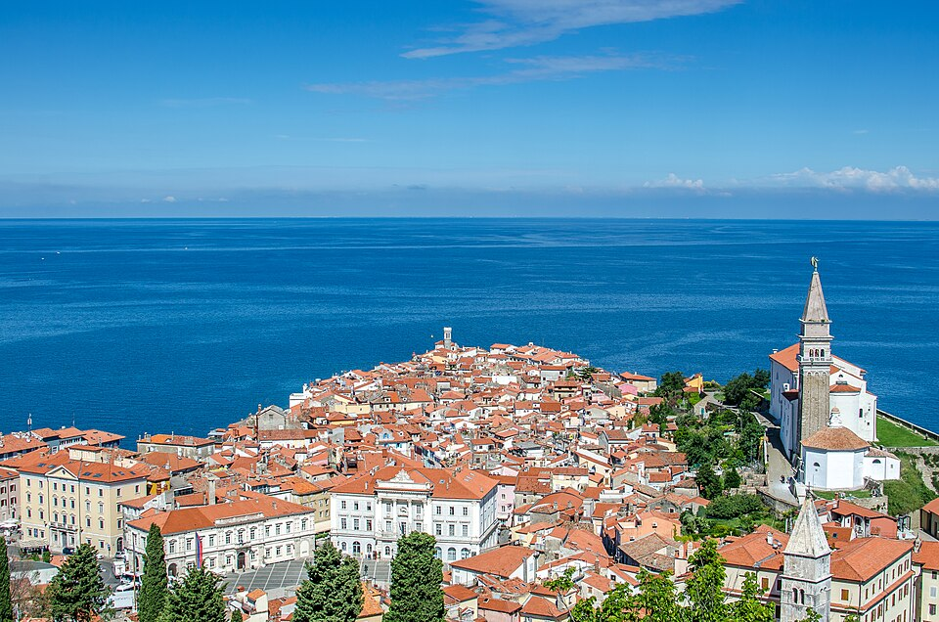
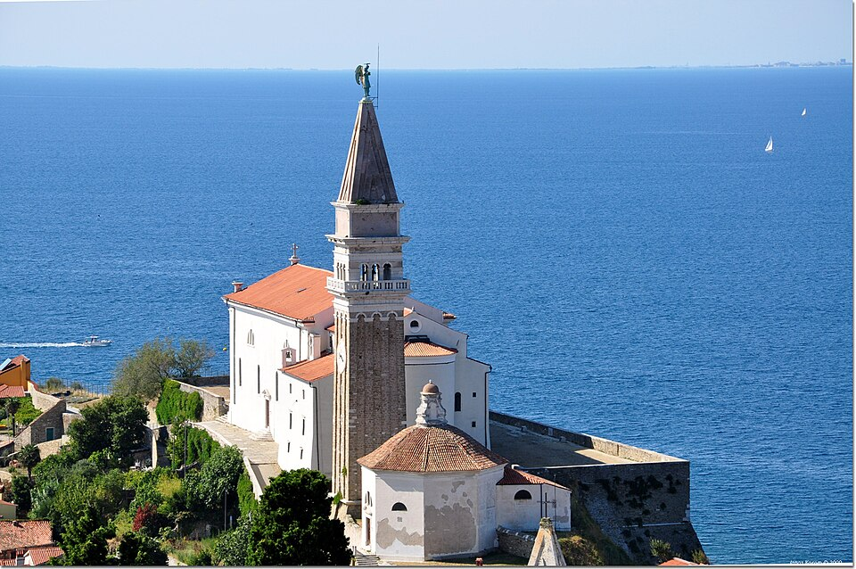
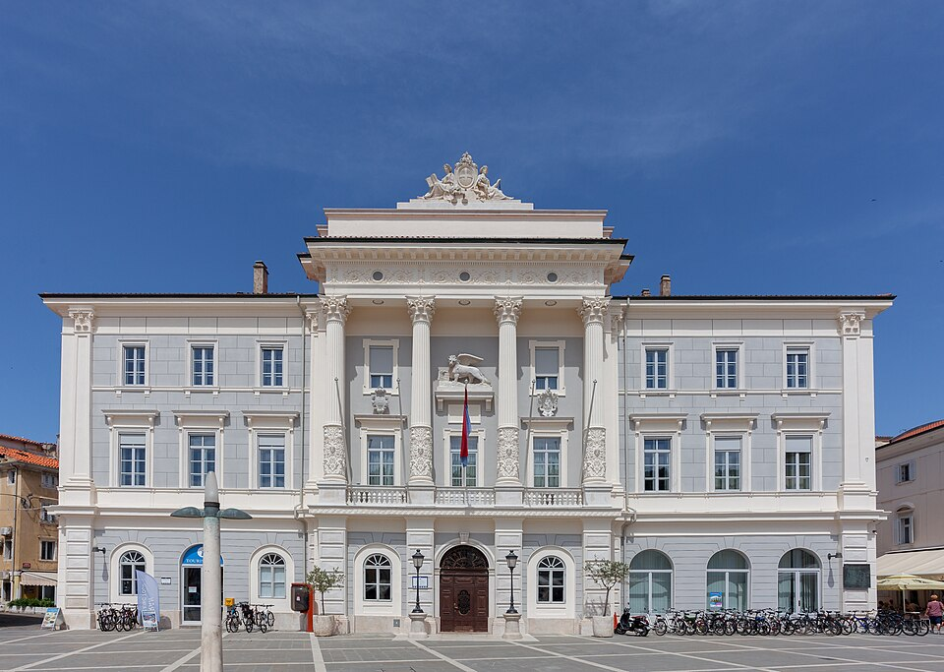
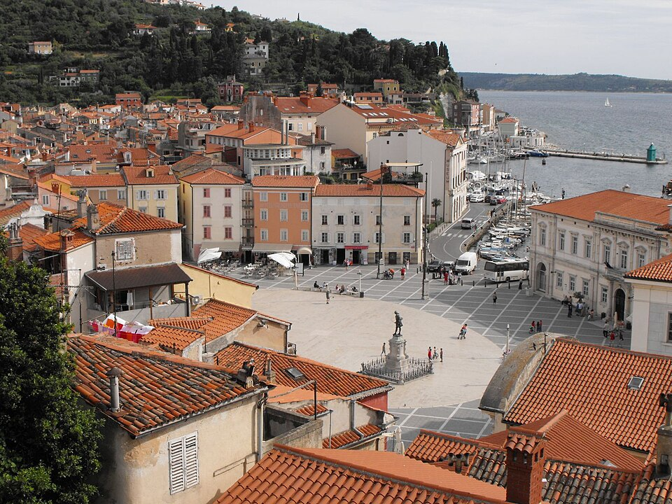

Piran’s peninsula and rooftops | St. George’s Church above Piran | Piran Town Hall | Tartini Square and surrounding town

CC BY 4.0 · Full credit and source in MEDIA | CC BY-SA 2.0 · Full credit and source in MEDIA | CC0 · Full credit and source in MEDIA | CC BY 3.0 · Full credit and source in MEDIA
09 ROVINJ / 488 overview words · 5 area comparisons
PROPOSED HERO | GALLERY 1 | GALLERY 2 | GALLERY 3
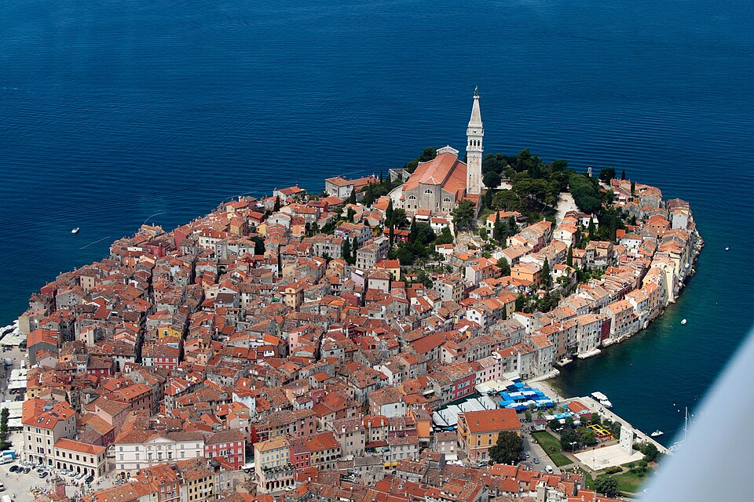
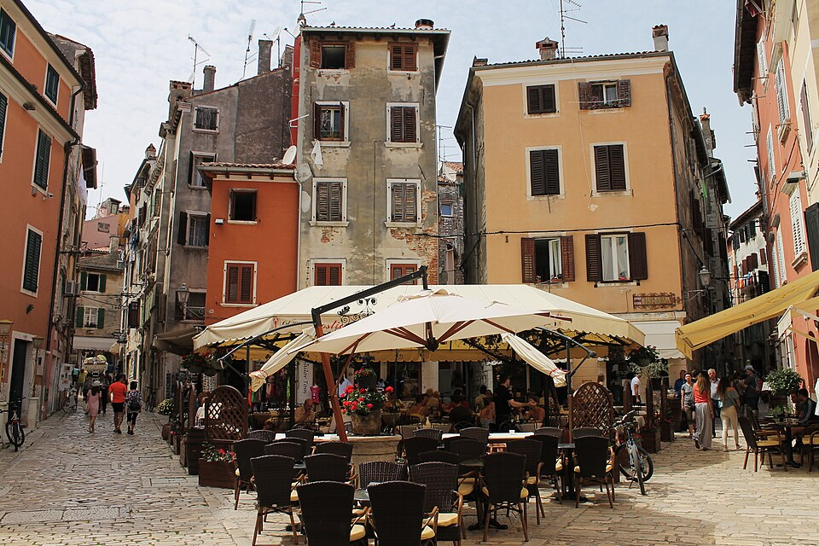
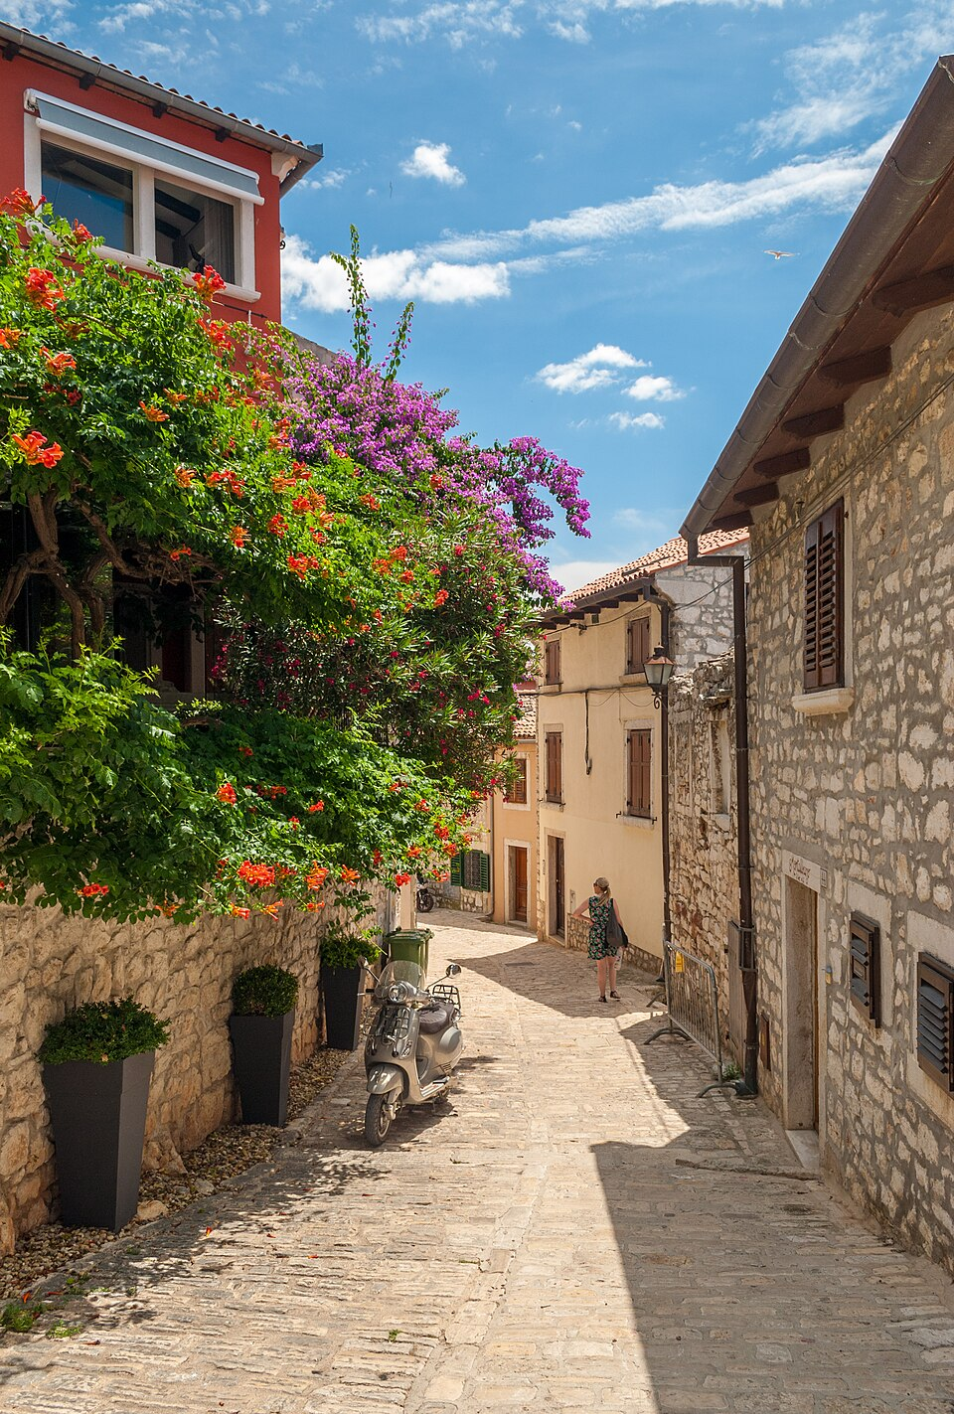
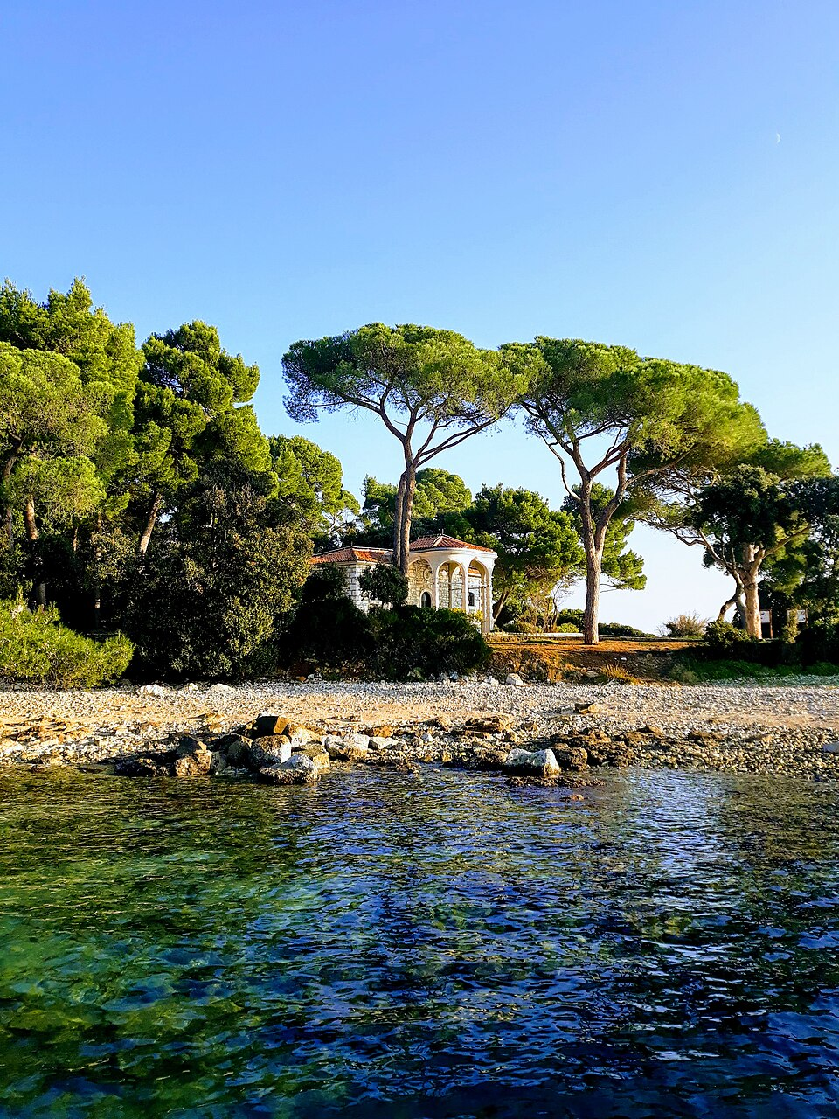

Rovinj’s harbor and old-town skyline | Café-lined street in the old town | Flowers along a Rovinj lane | Zlatni Rt coastal park

CC BY-SA 2.0 · Full credit and source in MEDIA | CC BY 2.0 · Full credit and source in MEDIA | CC BY-SA 4.0 · Full credit and source in MEDIA | CC BY-SA 4.0 · Full credit and source in MEDIA
10 KANAZAWA / 459 overview words · 6 area comparisons
PROPOSED HERO | GALLERY 1 | GALLERY 2 | GALLERY 3
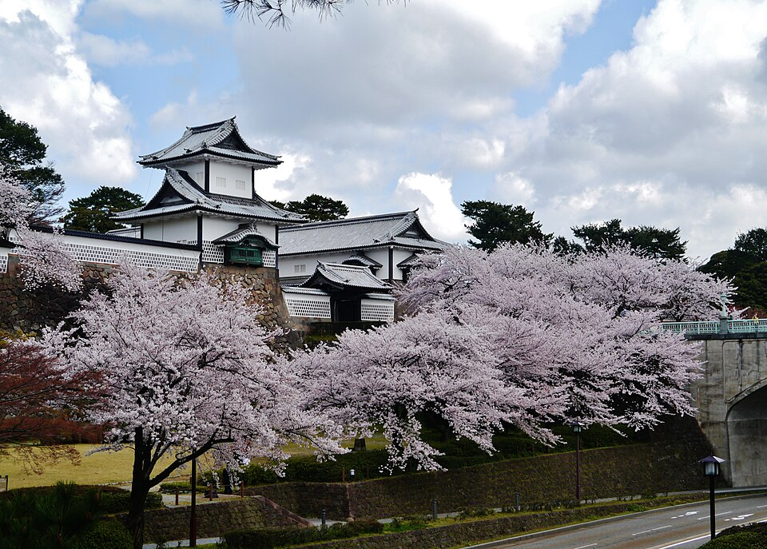
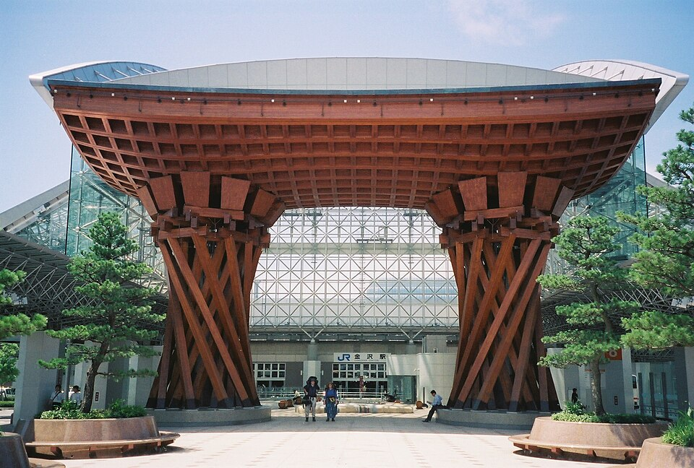
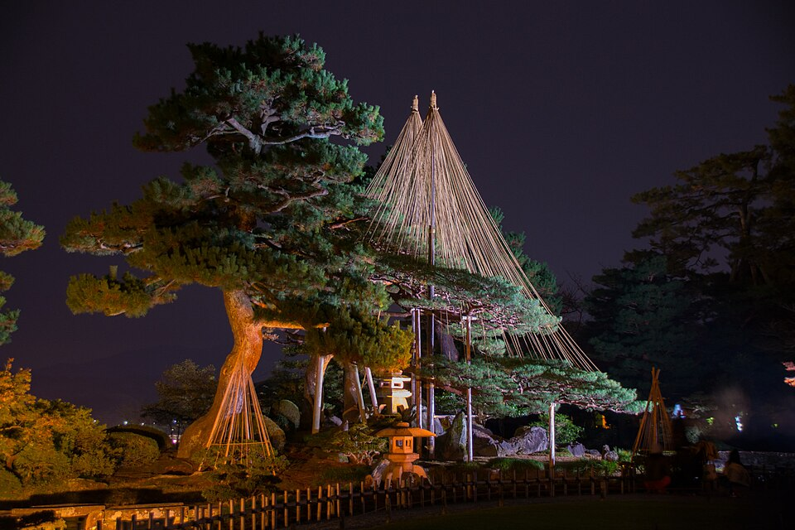
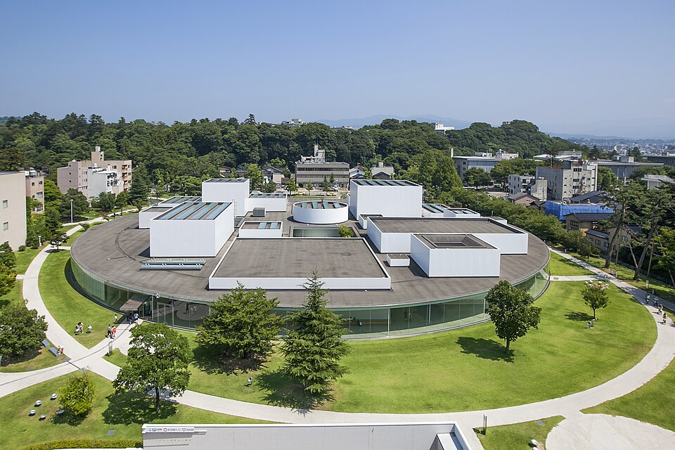

Cherry blossoms at Kanazawa Castle | Kanazawa Station entrance | Kenrokuen Garden illuminated at night | 21st Century Museum of Contemporary Art

CC BY-SA 4.0 · Full credit and source in MEDIA | CC BY-SA 3.0 · Full credit and source in MEDIA | CC BY-SA 3.0 · Full credit and source in MEDIA | CC BY 2.1 jp · Full credit and source in MEDIA
11 POLIGNANO A MARE / 477 overview words · 5 area comparisons
PROPOSED HERO | GALLERY 1 | GALLERY 2 | GALLERY 3
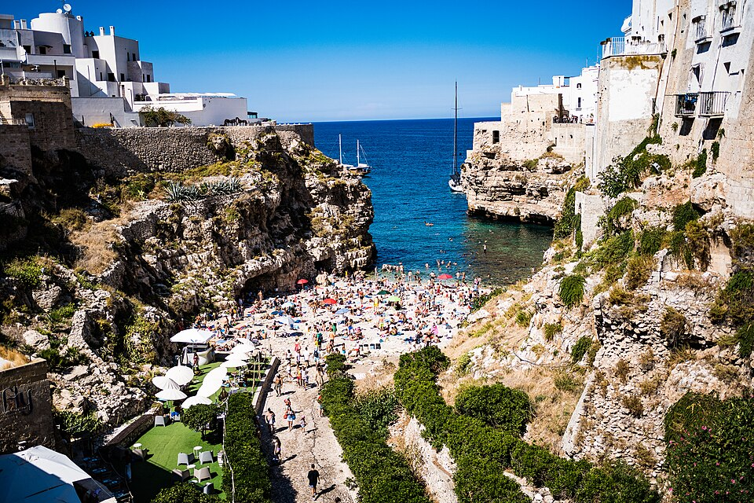
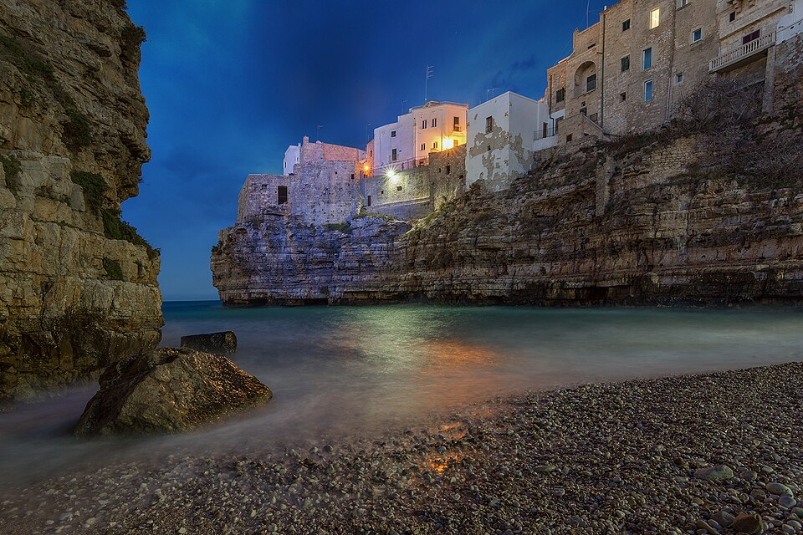
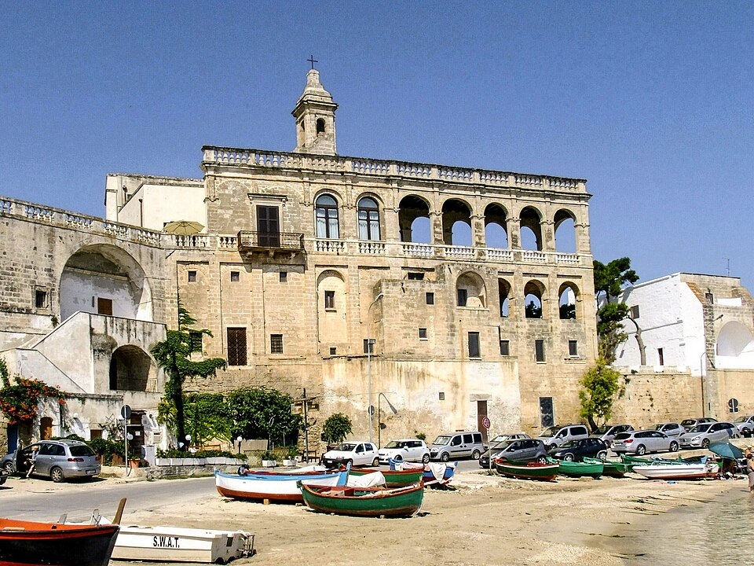
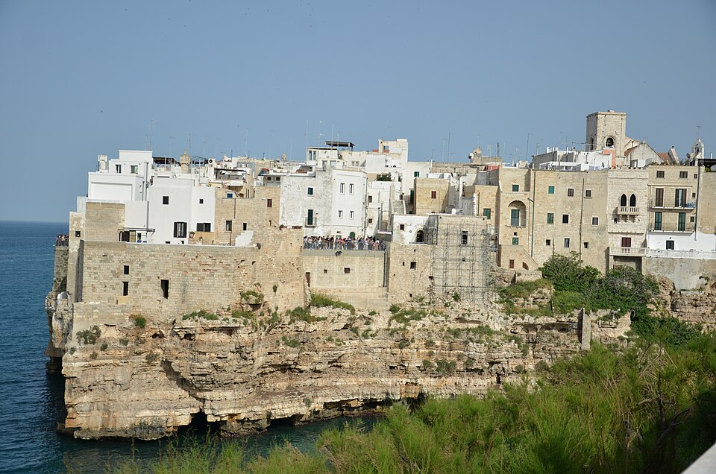

Lama Monachile and Polignano’s cliffs | Lama Monachile after dark | Abbey of San Vito — outlying coastal area | Cliffside houses of Polignano a Mare

CC BY-SA 4.0 · Full credit and source in MEDIA | CC BY-SA 4.0 · Full credit and source in MEDIA | CC BY-SA 4.0 · Full credit and source in MEDIA | CC BY-SA 3.0 · Full credit and source in MEDIA
12 CEFALÙ / 466 overview words · 6 area comparisons
PROPOSED HERO | GALLERY 1 | GALLERY 2 | GALLERY 3
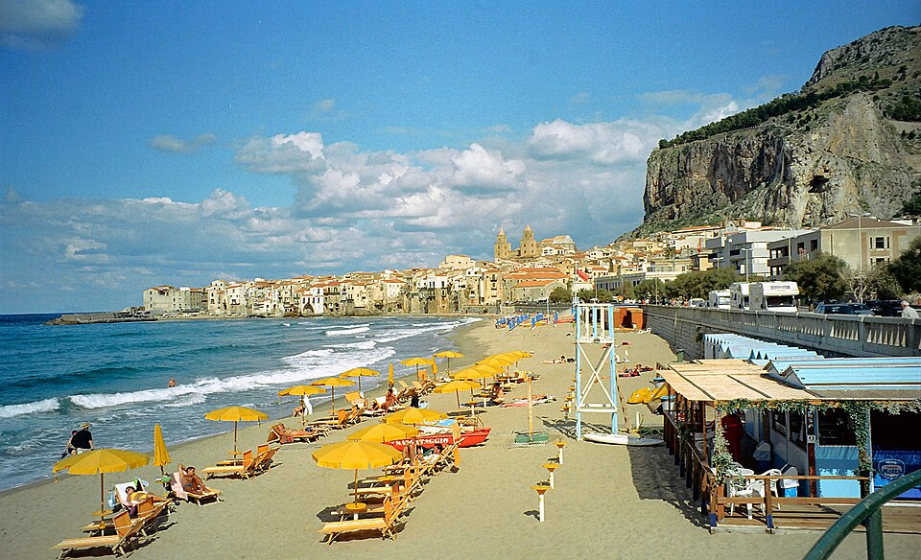
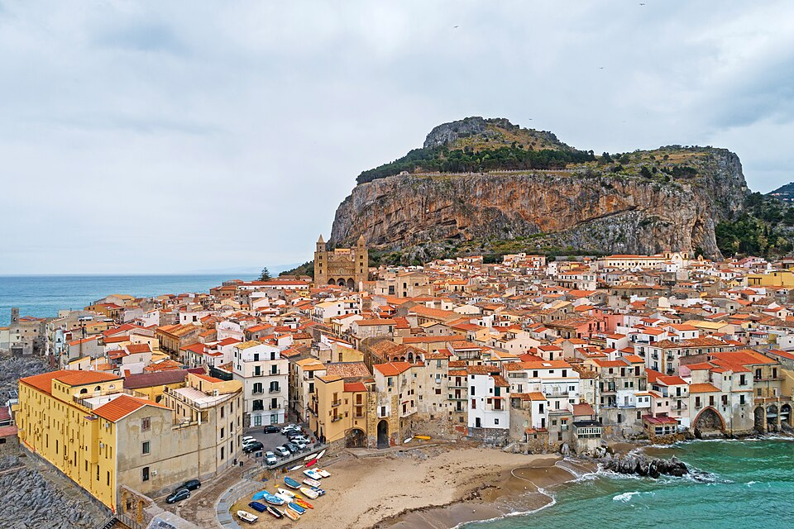
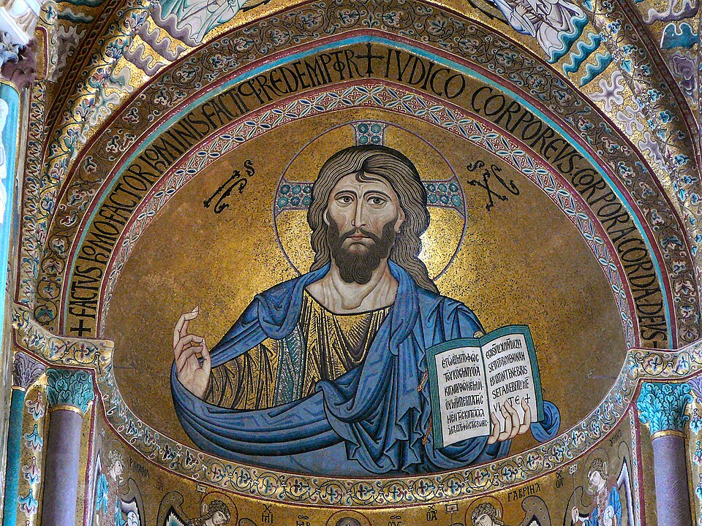

Cefalù beach and historic waterfront | Cefalù and La Rocca from above | Christ Pantocrator mosaic in Cefalù Cathedral | Cefalù waterfront after dark

CC BY-SA 3.0 · Full credit and source in MEDIA | CC BY-SA 4.0 · Full credit and source in MEDIA | CC BY-SA 3.0 · Full credit and source in MEDIA | Public domain · Full credit and source in MEDIA
13 KALAMATA / 454 overview words · 5 area comparisons
PROPOSED HERO | GALLERY 1 | GALLERY 2 | GALLERY 3
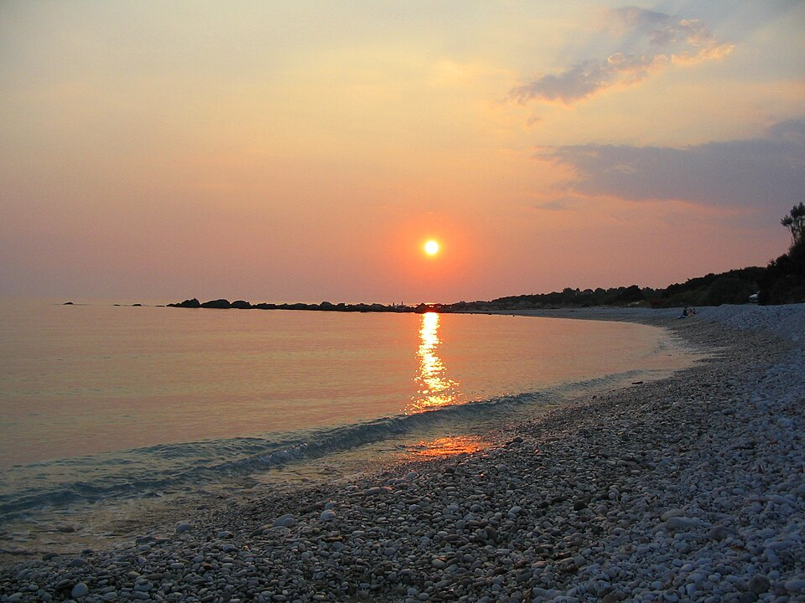
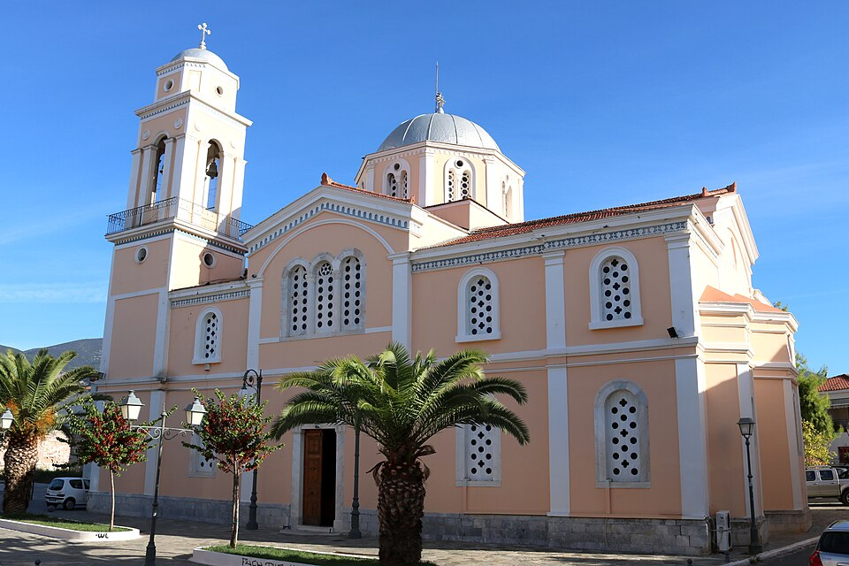
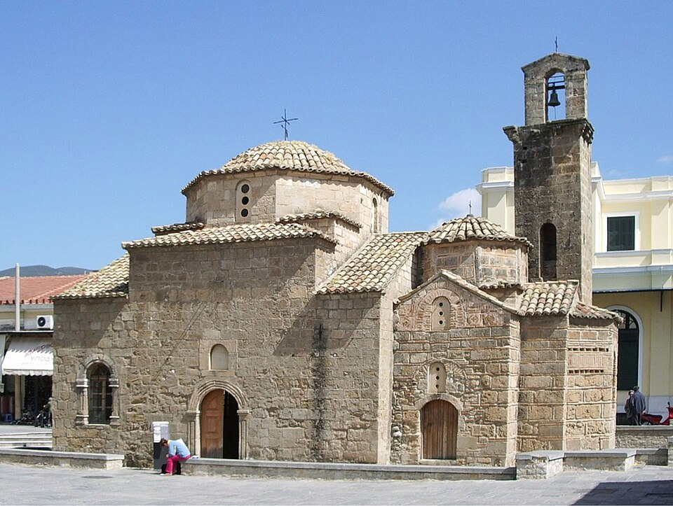
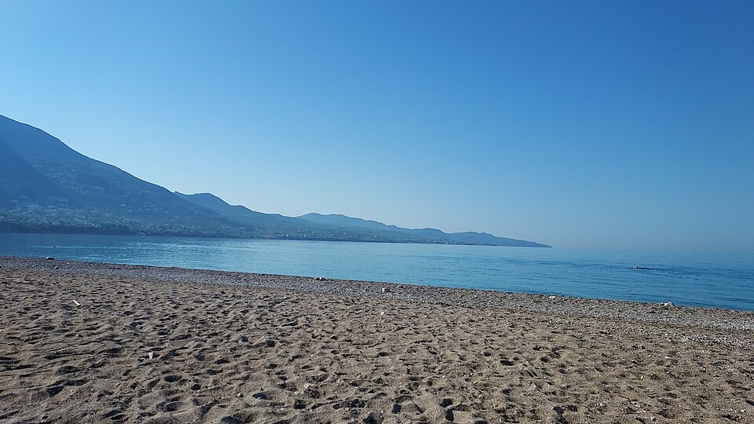

Sunset near Kalamata | Agios Ioannis church in Kalamata | Church of the Holy Apostles | Kalamata’s eastern beach

CC BY-SA 3.0 · Full credit and source in MEDIA | CC0 · Full credit and source in MEDIA | CC BY-SA 3.0 · Full credit and source in MEDIA | CC BY-SA 4.0 · Full credit and source in MEDIA
14 TAORMINA / 462 overview words · 6 area comparisons
PROPOSED HERO | GALLERY 1 | GALLERY 2 | GALLERY 3





Taormina’s ancient theater at sunset | Aerial view of the Taormina coast | Isola Bella through coastal palms | Rocky shoreline at Isola Bella

CC BY-SA 4.0 · Full credit and source in MEDIA | CC BY-SA 4.0 · Full credit and source in MEDIA | CC BY 4.0 · Full credit and source in MEDIA | CC BY 4.0 · Full credit and source in MEDIA
15 PODGORICA / 447 overview words · 5 area comparisons
PROPOSED HERO | GALLERY 1 | GALLERY 2 | GALLERY 3





Panoramic view of Podgorica | Cathedral of the Resurrection of Christ | Petrović Palace | Moscow Bridge and Millennium Bridge

CC BY 4.0 · Full credit and source in MEDIA | CC BY 3.0 · Full credit and source in MEDIA | CC BY 3.0 · Full credit and source in MEDIA | CC BY-SA 4.0 · Full credit and source in MEDIA
16 KOTOR / 473 overview words · 5 area comparisons
PROPOSED HERO | GALLERY 1 | GALLERY 2 | GALLERY 3





Our Lady of Health and Kotor Bay | Kampana Tower and the old walls | Arms Square in Kotor | St. Tryphon’s Cathedral

CC BY-SA 3.0 · Full credit and source in MEDIA | CC BY-SA 4.0 · Full credit and source in MEDIA | CC BY-SA 4.0 · Full credit and source in MEDIA | CC BY-SA 4.0 · Full credit and source in MEDIA
17 BERGAMO / 454 overview words · 6 area comparisons
PROPOSED HERO | GALLERY 1 | GALLERY 2 | GALLERY 3





Sunset over Bergamo | Città Alta from Via Sudorno | Bergamo skyline from the airport-side area | Piazza Vecchia in Città Alta

CC BY 2.0 · Full credit and source in MEDIA | CC BY-SA 4.0 · Full credit and source in MEDIA | CC BY 3.0 · Full credit and source in MEDIA | CC BY 3.0 pl · Full credit and source in MEDIA
18 PIETRASANTA / 453 overview words · 5 area comparisons
PROPOSED HERO | GALLERY 1 | GALLERY 2 | GALLERY 3





Sunset at Marina di Pietrasanta | Piazza del Duomo after dark | Pietrasanta Cathedral square | Piazza del Teatro

CC BY-SA 4.0 · Full credit and source in MEDIA | CC BY-SA 3.0 · Full credit and source in MEDIA | CC BY-SA 3.0 · Full credit and source in MEDIA | CC BY-SA 3.0 · Full credit and source in MEDIA
19 ALICANTE / 440 overview words · 5 area comparisons
PROPOSED HERO | GALLERY 1 | GALLERY 2 | GALLERY 3




Alicante’s port and urban coastline | Postiguet Beach below the castle | Alicante City Hall | Explanada de España promenade

CC BY-SA 4.0 · Full credit and source in MEDIA | CC BY-SA 3.0 · Full credit and source in MEDIA | CC BY-SA 3.0 · Full credit and source in MEDIA | CC0 · Full credit and source in MEDIA
20 VERONA / 426 overview words · 5 area comparisons
PROPOSED HERO | GALLERY 1 | GALLERY 2 | GALLERY 3





Verona cityscape in sunlight | Arena di Verona | Scaliger Tombs | Piazza delle Erbe and Palazzo Maffei

CC0 · Full credit and source in MEDIA | Public domain · Full credit and source in MEDIA | CC BY-SA 4.0 · Full credit and source in MEDIA | CC BY-SA 4.0 · Full credit and source in MEDIA

