Sheet1
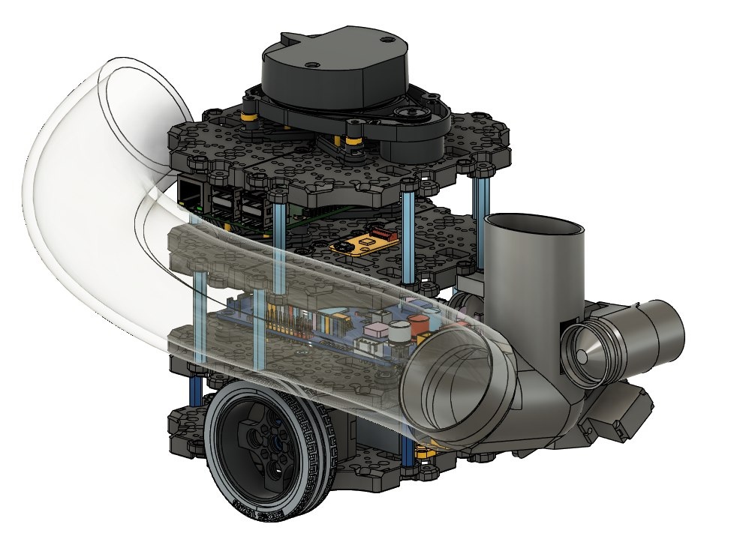
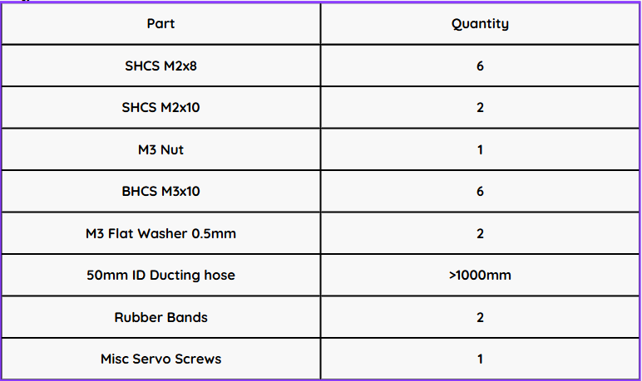
Part | X (cm) | Y (cm) | Z (cm) | Weight (g) | Weight (kg) | CoG(X) (m) | CoG(Y) (m) | CoG(Z) (m) | Group 6 |  | Bill of Materials
Right Wheel | 8 | 3.25 | 3.25 | 27 | 0.027 | 0.00216 | 0.0008775 | 0.0008775 | Chong Kai Jie (A0306749U)
Left Wheel | -8 | 3.25 | 3.25 | 27 | 0.027 | -0.00216 | 0.0008775 | 0.0008775 | Li Zhuangda (A0308781X)
Base Waffle Plate | 0 | 6.5 | 1.4 | 80 | 0.08 | 0 | 0.0052 | 0.00112 | Zhang Yuening (A0301319R)
2nd Layer Waffle Plate | 0 | 6.5 | 5.2 | 80 | 0.08 | 0 | 0.0052 | 0.00416 | Toh Ee Sen, Izen (A0309181H)
3rd Layer Waffle Plate | 0 | 6.5 | 10 | 80 | 0.08 | 0 | 0.0052 | 0.008 | Diwakar Vidya Adhavan (A0312132B)
4th Layer Waffle Plate | 0 | 6.5 | 14.75 | 80 | 0.08 | 0 | 0.0052 | 0.0118
LiDAR | 0 | 7.3 | 17 | 128 | 0.128 | 0 | 0.009344 | 0.02176
Right Motor | 4.7 | 4.3 | 3 | 56 | 0.056 | 0.002632 | 0.002408 | 0.00168
Left Motor | -4.7 | 4.3 | 3 | 56 | 0.056 | -0.002632 | 0.002408 | 0.00168 |  | Reference Origin
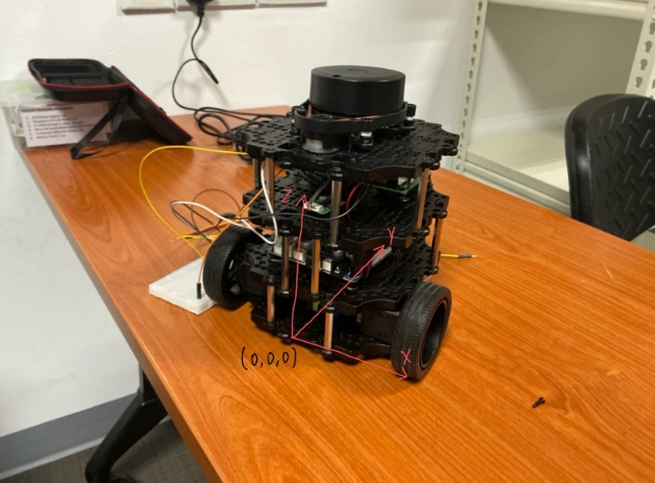
Battery | 0 | 6.5 | 2.8 | 139 | 0.139 | 0 | 0.009035 | 0.003892
OpenCR | 0 | 6.5 | 7.2 | 64 | 0.064 | 0 | 0.00416 | 0.004608
Raspberry Pi | 0 | 9 | 11.5 | 47 | 0.047 | 0 | 0.00423 | 0.005405
USB to LDS | 0 | 3.5 | 11.6 | 9 | 0.009 | 0 | 0.000315 | 0.001044

 |  |  |  |  | Σ(weight*distance) | 0 | 0.054455 | 0.066904
 |  |  |  |  | Σ(weight) | 0.873 | 0.873 | 0.873
 |  |  |  |  | Final CoG (without launcher) (cm) | 0 | 6.2376 | 7.6636

Final TurtleBot CoG with launcher subsystem
X (cm) |  |  |  | 0.639
Y (cm) |  |  |  | 7.61
Z (cm) |  |  |  | 7.78

