TS_01
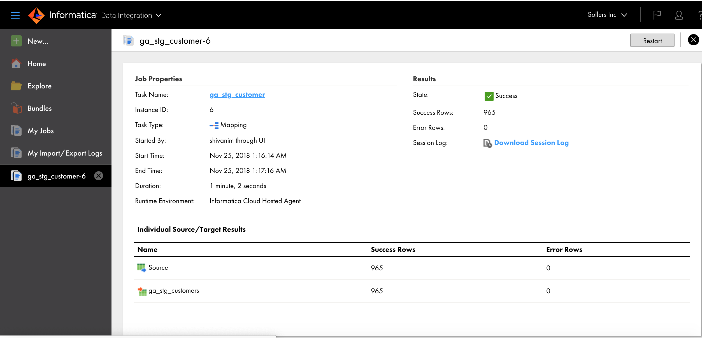
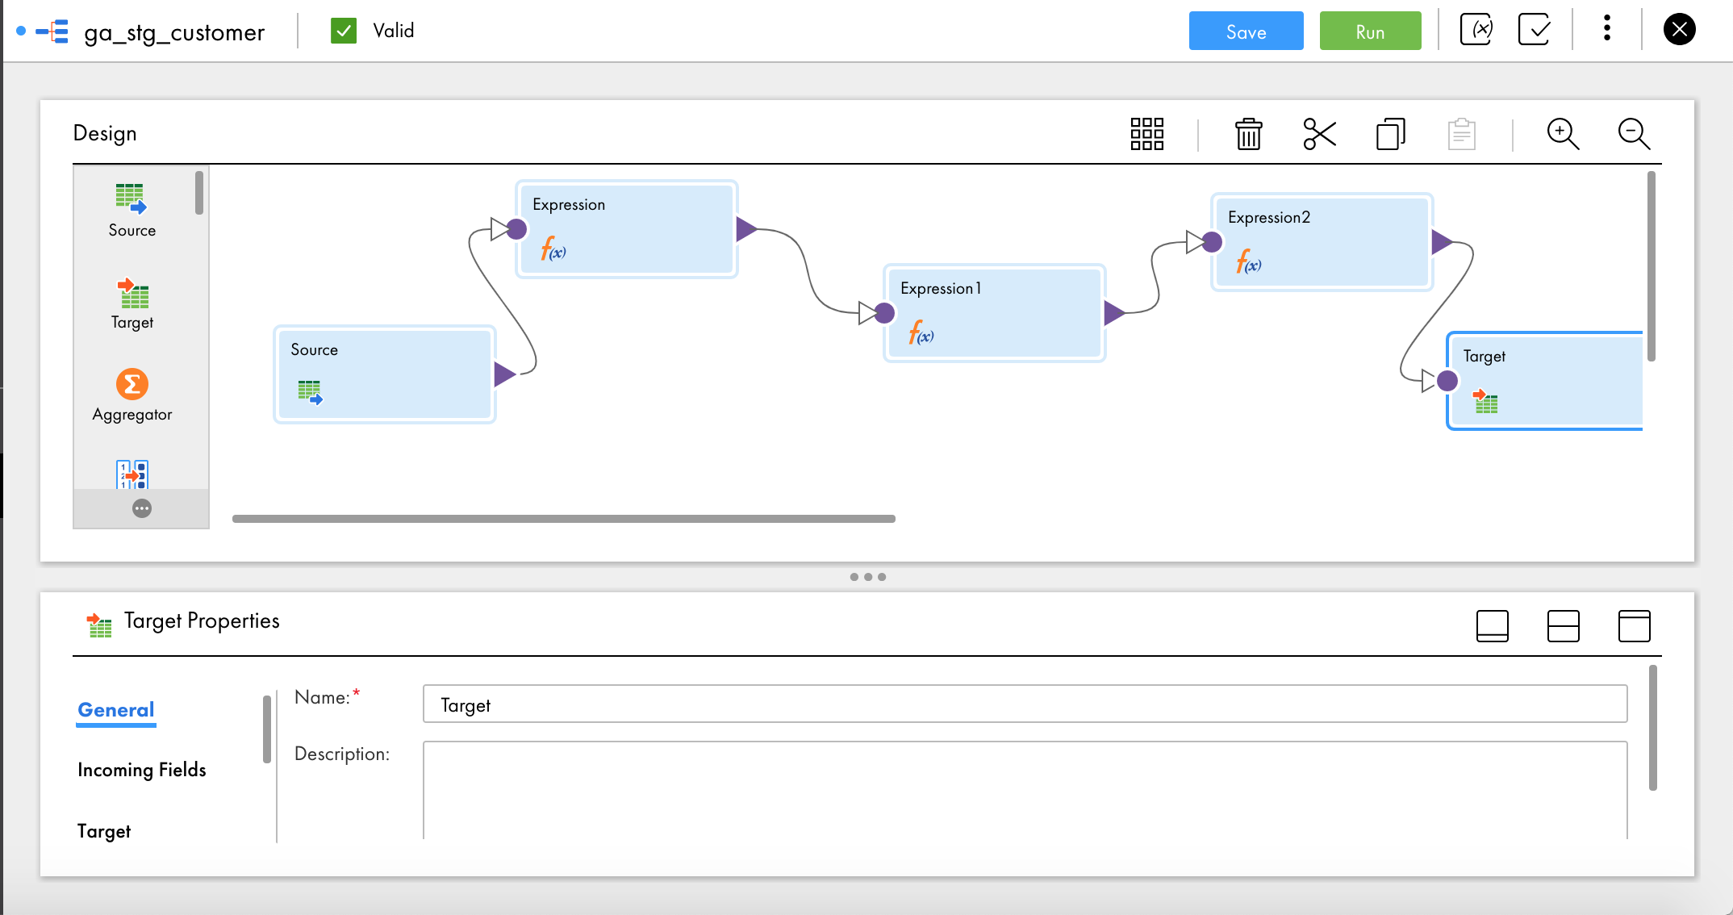
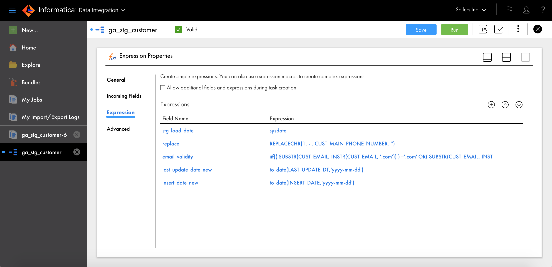
TEST SCRIPT - 01 | Back | < 5 minutes
 |  | 5 - 30 Minutes
Executed by: | Group A | 30 - 120 Minutes
Execution Query Completion Date (mm/dd/yy): | 11/25/2018 | 2 - 4 hours
Execution Query Completion Time (hh:mm AM or PM): | 17:00:00 | 4 - 8 hours
Execution Elapsed Time: | 6 hours | >8 Hours

QUERY - Files
ga_stg_customer
ga_stg_sales
ga_stg_promotions
ga_stg_products
ga_stg_channels
ga_stg_country
ga_dim_customer
ga_fact_sales
ga_dim_promotions
ga_dim_products
ga_dim_channels

SCREENSHOTS/ RESULTS

