Q6
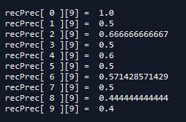
Pass | 1 |  |  |  |  |  |  |  |  | 2
FOR sRL in range(len(STD_RECALL_LEVELS)):
intPrecIdx | 0 |  |  |  |  |  |  |  |  | 0
intPrec | [[]] |  |  |  |  |  |  |  |  | [[1.0]]
recPrecIdx | 0 |  |  |  |  |  |  |  |  | 0
topDocIdx | 0 |  |  |  |  |  |  |  |  | 0
numRowsPerQ | 10 |  |  |  |  |  |  |  |  | 10
qNum | 0 |  |  |  |  |  |  |  |  | 0
firstRecPrecIdx | 0 |  |  |  |  |  |  |  |  | 0
lastRecPrecIdx | 9 |  |  |  |  |  |  |  |  | 9
pointer | 0 |  |  |  |  |  |  |  |  | 0 | 1 | 2
sRL | 0 |  |  |  |  |  |  |  |  | 1 | 1 | 1
STD_RECALL_LEVELS[sRL] | 0.0 |  |  |  |  |  |  |  |  | 0.1 | 0.1 | 0.1
recPrec[pointer][8] | 0.0555 |  |  |  |  |  |  |  |  | 0.0555 | 0.0555 | 0.1111
WHILE (STD_RECALL_LEVELS[sRL] > recPrec[pointer][8]): | FALSE |  |  |  |  |  |  |  |  | TRUE | TRUE | FALSE
IF pointer < lastRecPrecIdx: | NA |  |  |  |  |  |  |  |  | TRUE | TRUE | NA
pointer += 1 | NA |  |  |  |  |  |  |  |  | 1 | 2 | NA
ELSE: | NA |  |  |  |  |  |  |  |  | NA | NA | NA
BREAK | NA |  |  |  |  |  |  |  |  | NA | NA | NA
IF (STD_RECALL_LEVELS[sRL] < recPrec[pointer][8]) | TRUE |  |  |  |  |  |  |  |  |  |  | TRUE
lastRecPrecIdx + 1 | 10 |  |  |  |  |  |  |  |  |  |  | 10
recPrec[pointer : lastRecPrecIdx + 1] | recPrec[0:10] |  |  |  |  |  |  |  |  |  |  | recPrec[2:10]
recPrec[z][9]
maxPrec = pointer | 0 |  |  |  |  |  |  |  |  |  |  | 2
(maxPrec + numRowsPerQ - 1) --> lastRecPrecIdx | 9
j | 0 | 1 | 2 | 3 | 4 | 5 | 6 | 7 | 8 |  |  | 2 | 3 | 4 | 5 | 6 | 7 | 8
j + 1 | 1 | 2 | 3 | 4 | 5 | 6 | 7 | 8 | 9 |  |  | 3 | 4 | 5 | 6 | 7 | 8 | 9
FOR j in range(maxPrec, lastRecPrecIdx): | (0, 9) | (0, 9) | (0, 9) | (0, 9) | (0, 9) | (0, 9) | (0, 9) | (0, 9) | (0, 9) |  |  | (2, 9) | (2, 9) | (2, 9) | (2, 9) | (2, 9) | (2, 9) | (2, 9)
IF recPrec[maxPrec][9] <= recPrec[j + 1][9]: | FALSE | FALSE | FALSE | FALSE | FALSE | FALSE | FALSE | FALSE | FALSE |  |  | FALSE | FALSE | FALSE | FALSE | FALSE
recPrec[maxPrec][9] | recPrec[0][9] | recPrec[0][9] | recPrec[0][9] | recPrec[0][9] | recPrec[0][9] | recPrec[0][9] | recPrec[0][9] | recPrec[0][9] | recPrec[0][9] |  |  | recPrec[2][9] | recPrec[2][9] | recPrec[2][9] | recPrec[2][9] | recPrec[2][9] | recPrec[2][9] | recPrec[2][9]
 | 1.0000 | 1.0000 | 1.0000 | 1.0000 | 1.0000 | 1.0000 | 1.0000 | 1.0000 | 1.0000 |  |  | 0.6667 | 0.6667 | 0.6667 | 0.6667 | 0.6667 | 0.6667 | 0.6667
recPrec[j + 1][9] | recPrec[1][9] | recPrec[2][9] | recPrec[3][9] | recPrec[4][9] | recPrec[5][9] | recPrec[6][9] | recPrec[7][9] | recPrec[8][9] | recPrec[9][9] |  |  | recPrec[3][9] | recPrec[4][9] | recPrec[5][9] | recPrec[6][9] | recPrec[7][9] | recPrec[8][9] | recPrec[9][9]
 | 0.5000 | 0.6670 | 0.5000 | 0.6000 | 0.5000 | 0.5714 | 0.5000 | 0.4440 | 0.4000 |  |  | 0.5000 | 0.6000 | 0.5000 | 0.5714 | 0.5000 | 0.4440 | 0.4000
THEN maxPrec = j + 1 | NA | NA | NA | NA | NA | NA | NA | NA | NA |  |  | NA | NA | NA | NA | NA | NA | NA
maxPrec |  |  |  |  |  |  |  |  | 0 |  |  |  |  |  |  |  |  | 2
recPrec[maxPrec][9] |  |  |  |  |  |  |  |  | 1.0000 |  |  |  |  |  |  |  |  | 0.6667
intPrec[intPrecIdx].append(recPrec[maxPrec].Precision) |  |  |  |  |  |  |  |  | 1.0000 |  |  |  |  |  |  |  |  | 0.6667
intPrec[intPrecIdx][sRL] |  |  |  |  |  |  |  |  | 1.0000 |  |  |  |  |  |  |  |  | 0.6667
intPrec[intPrecIdx] |  |  |  |  |  |  |  |  | [1.0] |  |  |  |  |  |  |  |  | [1.0, 0.6667]
intPrec |  |  |  |  |  |  |  |  | [[1.0]] |  |  |  |  |  |  |  |  | [[1.0, 0.6667]]
intPrec[intPrecIdx][sRL] = MAX(recPrec[pointer:lastRecPrecIdx][9]) |  |  |  |  |  |  |  |  | 1.0000 |  |  |  |  |  |  |  |  | 0.6667

IF ==
IF >

Sheet3
 | Product 1

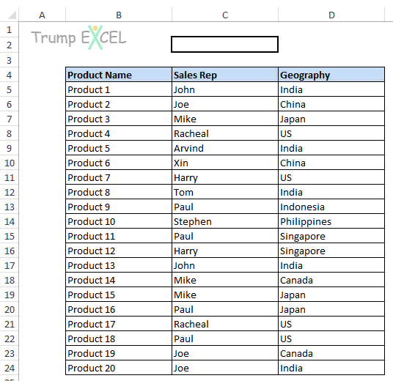
Product Name | Sales Rep | Geography
Product 1 | John | India
Product 2 | Joe | China
Product 3 | Mike | Japan
Product 4 | Rachel | US
Product 5 | Arvind | India
Product 6 | Xin | China
Product 7 | Harry | US
Product 8 | Tom | India
Product 9 | Paul | Indonesia
Product 10 | Stephen | Philippines
Product 11 | Paul | Singapore
Product 12 | Harry | Singapore
Product 13 | John | India
Product 14 | Mike | Canada
Product 15 | Mike | Japan
Product 16 | Paul | Japan
Product 17 | Rachel | US
Product 18 | Paul | US
Product 19 | Joe | Canada
Product 20 | Joe | India

