Feuille1
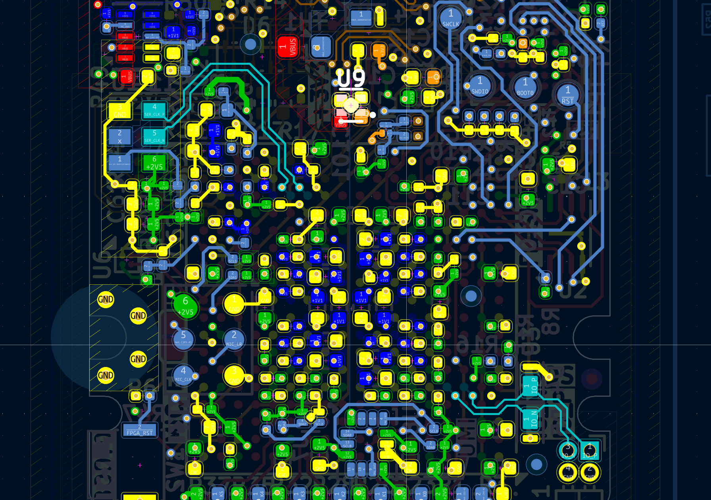
Item # | Impedance type | Signal Layer | Reference Layer | Required Impedance
1 | differential | Bottom | In1 | 100diff (+-10%)
2 | differential | Top | In6 | 100diff (+-10%)

3 | differential | Bottom | In1 | 90diff (+-10%)
4 | differential | Top | In6 | 90diff (+-10%)
5 | differential | In2 | In1-In3 | 90diff (+-10%)

 | in brown 100diff
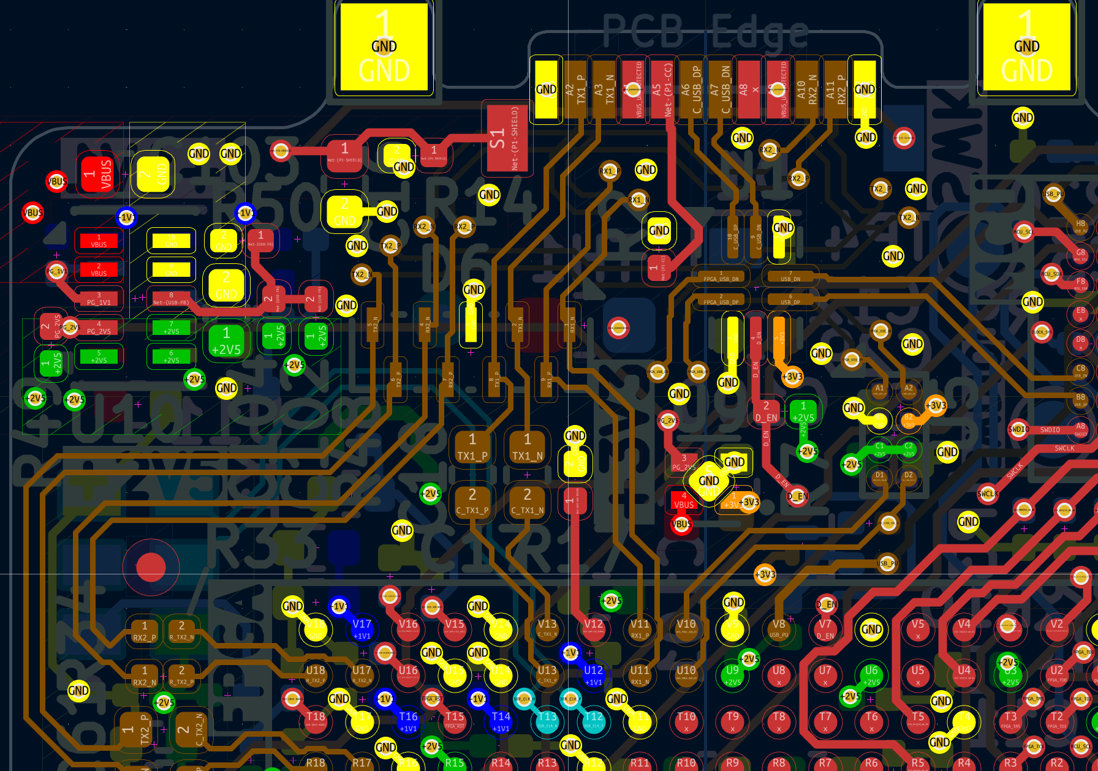
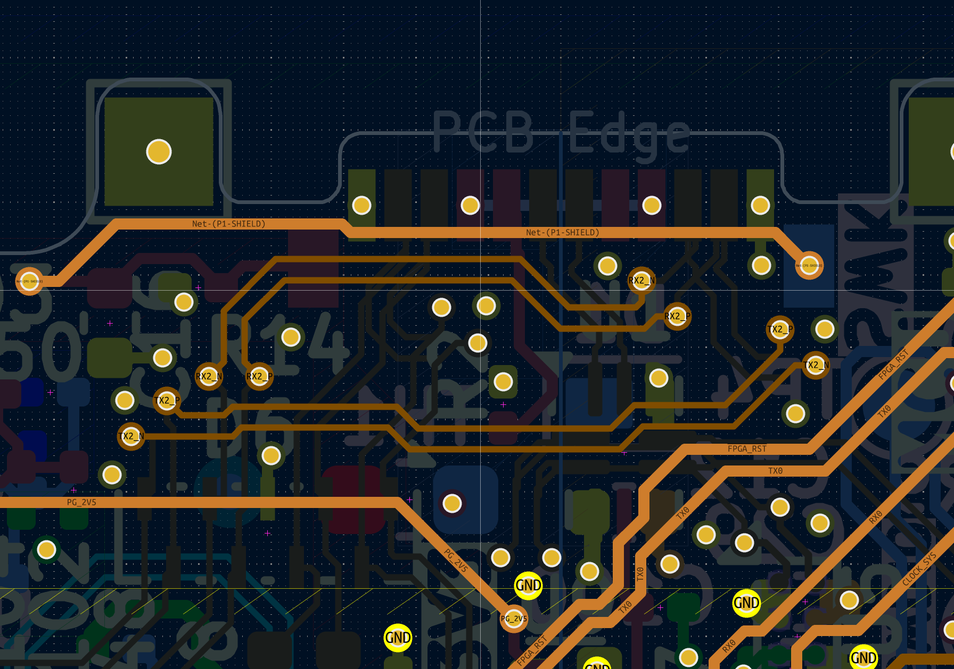

 | in teal 100diff

