ReadMe
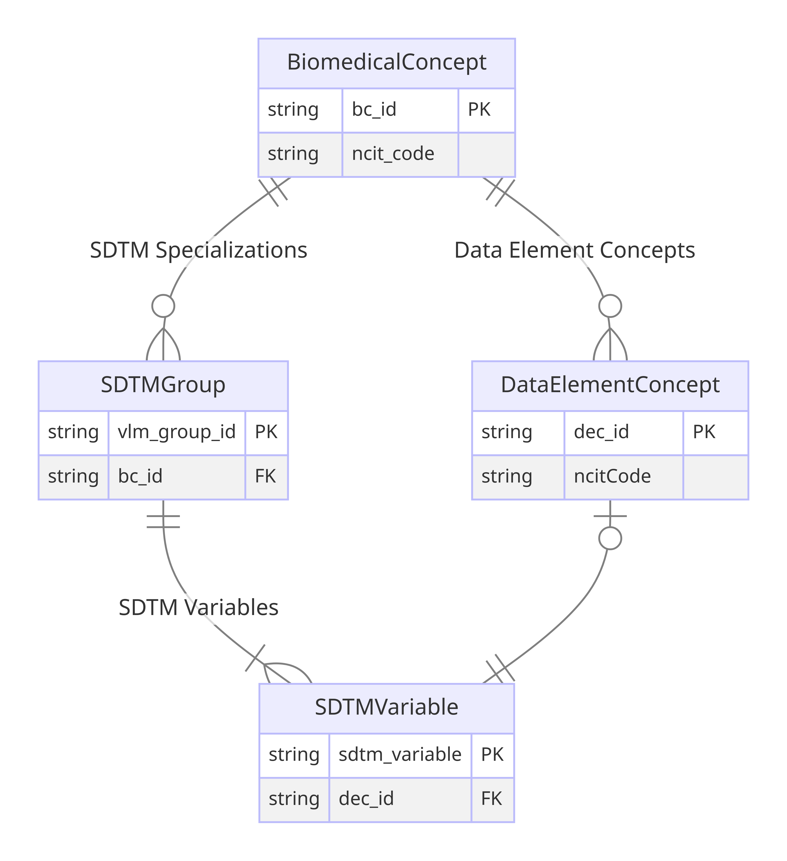
This spreadsheet contains CDISC Biomedical Concepts loaded from 546 YAML files to be released on 2025-07-01. The spreadsheet contains 546 unique CDISC Biomedical Concepts. The image on the right shows the relation between Biomedical Concepts and SDTM Dataset Specializations. Only a few attributes are shown in the image.
Group | Column | Description | Class
Biomedical Concept | package_date | Biomedical Concept package release date indicating when the BC package was published to production | BiomedicalConcept
 | short_name | NCI Preferred Name for the concept; provisional name will be used if concept is not available in NCIt
 | bc_id | A unique identifier for a Biomedical Concept which will be assigned as the NCIt code if it exists or a placeholder identifier if the concept is not yet available in NCIt
 | ncit_code | NCIt C-code for the Biomedical Concept
 | parent_bc_id | C-code for the parent concept in the NCIt hiearchy; blank if concept is not available in NCIt
 | bc_categories | Biomedical Concept category for the faciliation of API search and extract
 | synonyms | Biomedical Concept synonym equivalent to BC short name for the facilitation of API search and extraction
 | result_scales | Scale of measurement for the Biomedical Concept result
 | definition | NCIt definition for the Biomedical Concept; provisional defintion if concept is not available in NCIt
 | system | Identifies the code system for the synonym concept. The URL of the code system should be used if it exists | Coding
 | system_name | Human-readable name for the code system
 | code | Synonym concept for the Biomedical Concept as defined in a code system
Data Element Concept (DEC) | dec_id | An identifier for a Data Element Concept (DEC) which will be assigned as the NCIt code if it exists or a placeholder identifier if the concept is not yet available in NCIt | DataElementConcept
 | ncit_dec_code | NCI C-code for the BC Data Element Concept
 | dec_label | NCI Preferred Name for the concept; provisional name will be used if concept is not available in NCIt
 | data_type | Data Type for the Data Element Concept
 | example_set | Example values for the Data Element Concept

