ReadMe
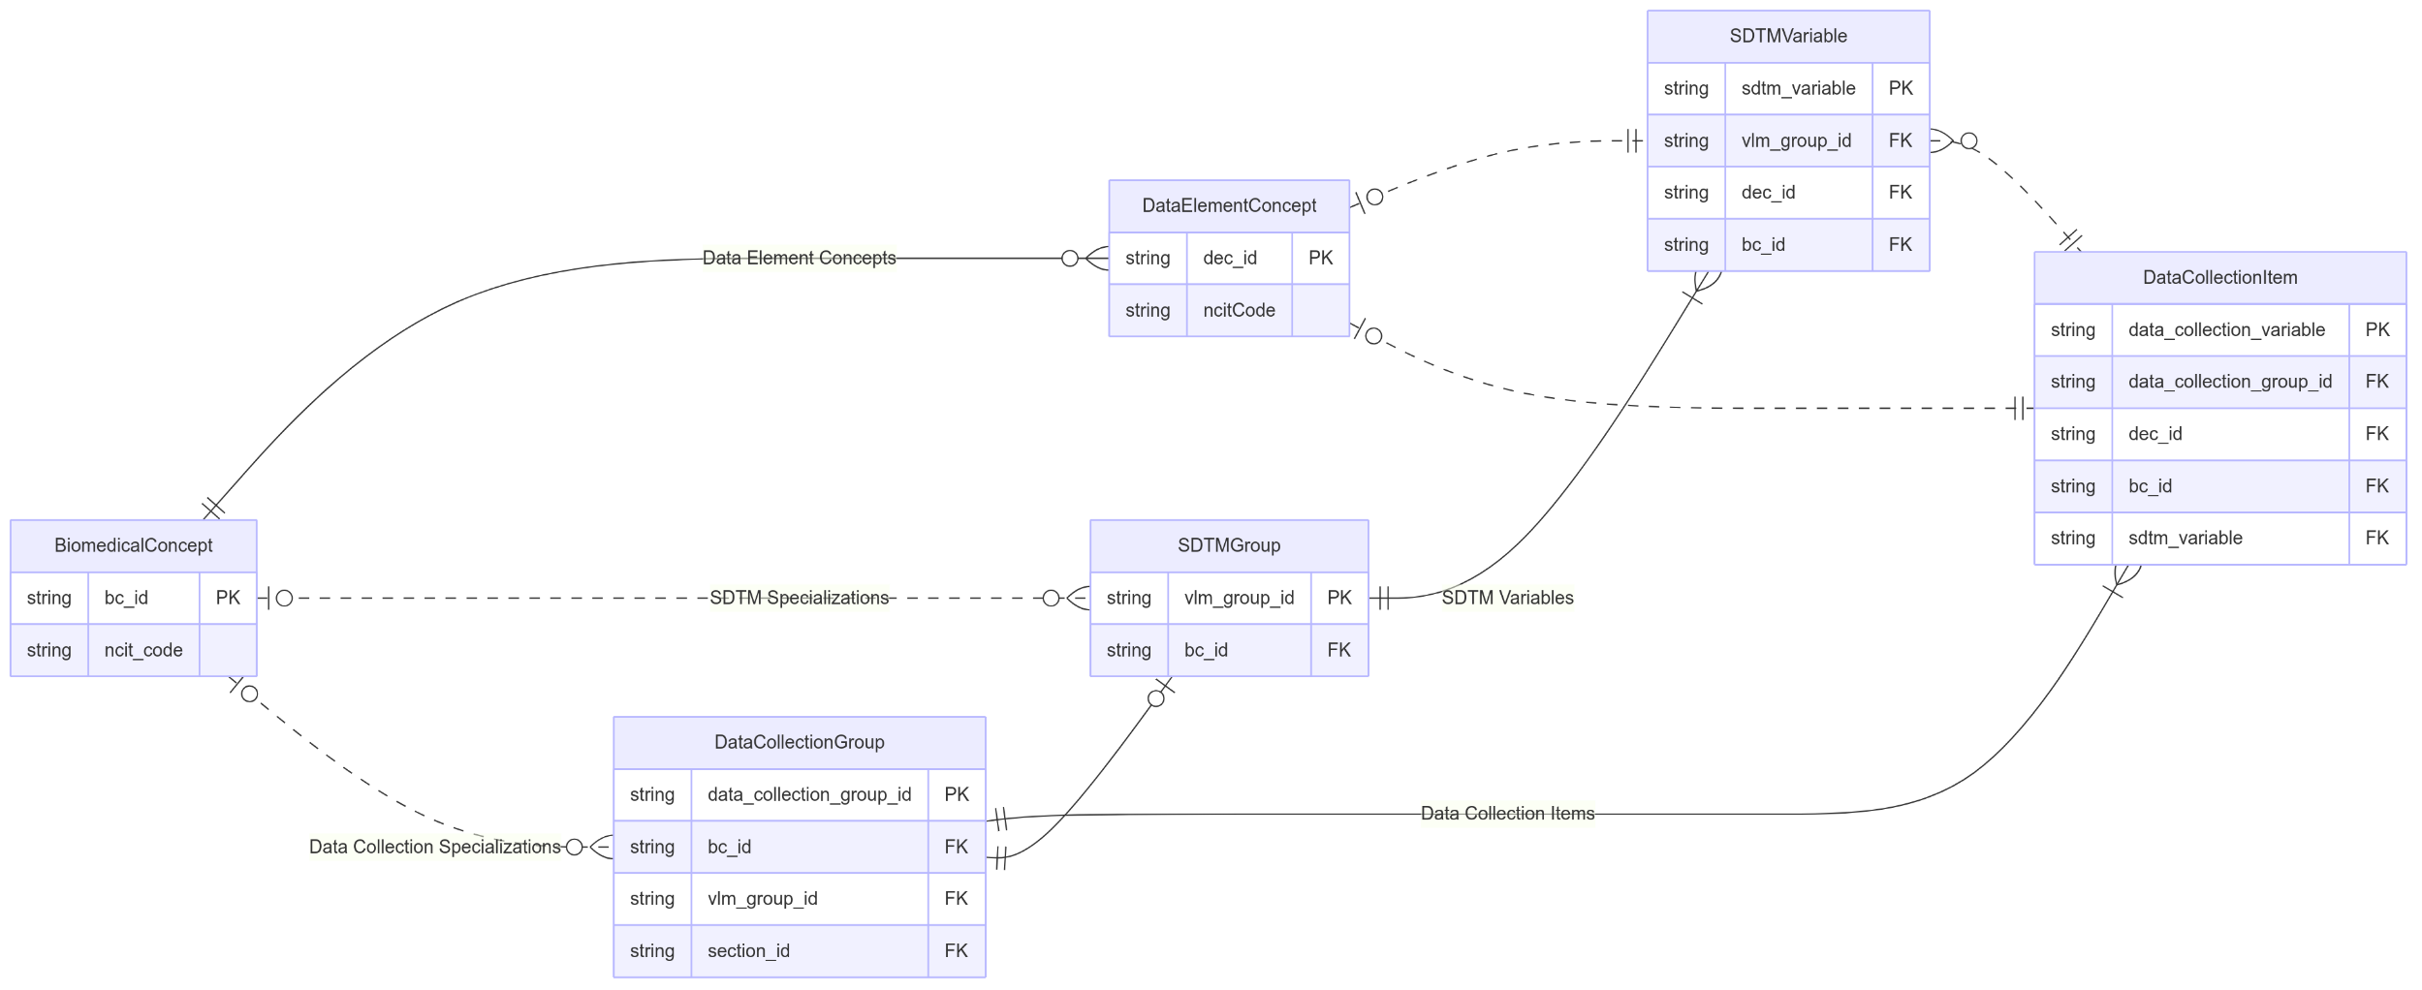
This spreadsheet contains the latest versions of CDISC Collection Dataset Specializations in the CDISC Library as of {date}. There are currently {n} unique CDISC Collection Dataset Specializations in the CDISC Library. The image on the right shows the relation between Biomedical Concepts, Collection Dataset Specializations and SDTM Dataset Specializations. Only a few attributes are shown in the image.
Group | Column | Description | Class
Collection Group | package_date | Biomedical Concept package release date indicating when the BC package was published to production | DataCollectionGroup
 | bc_id | Biomedical Concept identifier foreign key
 | vlm_group_id | SDTM Dataset Specialization foreign key
 | standard | Standard for the data collection specialization group, e.g CDASH, FIHR
 | standard_start_version | The earliest standard version applicable to the dataset specialization
 | standard_end_version | The last standard version that is applicable to the dataset specialization
 | domain | Domain for the collection specialization group
 | implementation_option | Implementation option for the data collection specialization group
 | scenario | Scenario for the data collection specialization group, e.g. Local vs Central Lab.
 | categories | Collection Dataset Specialization categories for the faciliation of API search and extract
 | collection_group_id | Identifier for Collection Metadata group
 | short_name | Collection group short name which provides a user friendly and intuitive name for the collection_group_id
Collection Item | collection_item | Item name as it appears on the collection instrument | DataCollectionItem
 | variabel_name | Variable name of the collection item for which data are being collected
 | dec_id | Biomedical Concept Data Element Concept idenfifier foreign key
 | question_text | User-friendly question associated with an item
 | prompt | A short phrase to prompt for data
 | order_number | Sort order of the item as it appears on the collection instrument within a data collection specialization group
 | mandatory_variable | Indicator that variable must be present within the collection group
 | data_type | Variable data type
 | length | Variable length
 | significant_digits | Variable significant_digits
 | display_hidden | Indicator that the item is hidden from the user
 | derived_variable | Indicator that variable is derived
 | derivation_description | Description of the derivation
 | codelist | C-code for a codelist in NCIt | CodeList
 | codelist_submission_value | CDISC submission value for the codelist
 | value_list | CDISC submission value for the data collection item | ListValue
 | value_display_list | A set of values for a data collection item
 | selection_type | Type of selection used for set-up of the data collection instrument
 | prepopulated_term | C-code for pre-populated value for the data collection instrument | PrepoulatedValue
 | prepopulated_value | Submission value for pre-populated term in NCIt
 | sdtm_target_variable | SDTM target variable(s) for data collection item variable | SDTMTarget
 | sdtm_annotation | Annotation of the SDTM target in the data collection instrument
 | sdtm_mapping | Rule for mapping from data collection item to SDTM target variable

