ReadMe
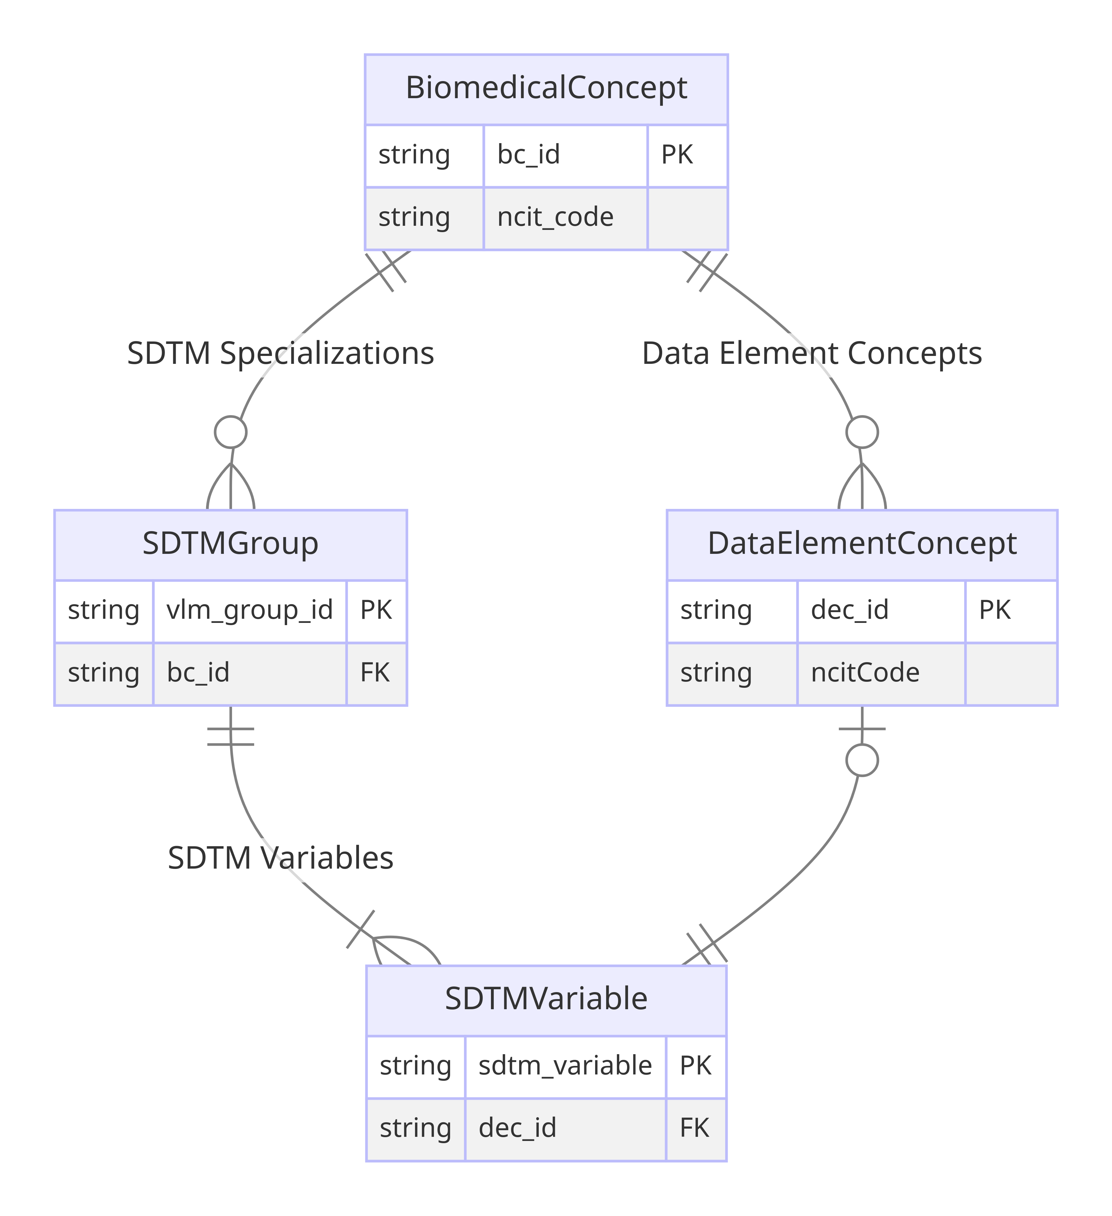
This spreadsheet contains the latest versions of CDISC SDTM Dataset Specializations in the CDISC Library as of 2024-06-27. There are currently 312 unique CDISC SDTM Dataset Specializations in the CDISC Library. The image on the right shows the relation between Biomedical Concepts and SDTM Dataset Specializations. Only a few attributes are shown in the image.
Group | Column | Description | Class
SDTM Group | package_date | Biomedical Concept package release date indicating when the BC package was published to production | SDTMGroup
 | bc_id | Biomedical Concept identifier foreign key
 | sdtmig_start_version | The earliest SDTMIG version applicable to the BC dataset specialization
 | sdtmig_end_version | The last SDTMIG version that is applicable to the BC dataset specialization
 | domain | Domain for the SDTM specialization group
 | vlm_source | SDTM VLM Source which categorizes VLM groups by topic variable
 | vlm_group_id | Identifier for SDTM Value Level Metadata group
 | short_name | SDTM group short name which provides a user friendly and intuitive name for the vlm_group_id
SDTM Variable | sdtm_variable | Variable included in the SDTM dataset specialization | SDTMVariable
 | dec_id | Biomedical Concept Data Element Concept idenfifier foreign key
 | nsv_flag | Flag that indicates if the variable is a non-standard variable
 | codelist | C-code for a codelist in NCIt | CodeList
 | codelist_submission_value | CDISC submission value for the codelist
 | subset_codelist | Subset codelist short name | SDTMVariable
 | value_list | List of SDTM submission values used if subset codelist is not applicable
 | assigned_term | C-code for assigned term in NCIt or left blank when CDISC terminology does not apply | AssignedTerm
 | assigned_value | Submission value for assigned term in NCIt if it exists, or an assigned value which will be the default value
 | role | SDTM variable role | SDTMVariable
 | subject | Subject in a variable relationship | Relationship
 | linking_phrase | Variable relationship descriptive linking phrase
 | predicate_term | Short variable relationship linking phrase for programming purposes
 | object | Object in a variable relationship
 | data_type | Variable data type | SDTMVariable
 | length | Variable length
 | format | Variable display format
 | significant_digits | Variable significant_digits
 | mandatory_variable | Indicator that variable must be present within the SDTM group
 | mandatory_value | Indicator that variable must be populated within the SDTM group
 | origin_type | Variable origin type (define-XML v21)
 | origin_source | Variable origin source (define-XML v21)
 | comparator | Comparison operator for SDTM group variables included in VLM
 | vlm_target | Target variable for VLM

