Salafsky et al 2008 definitions
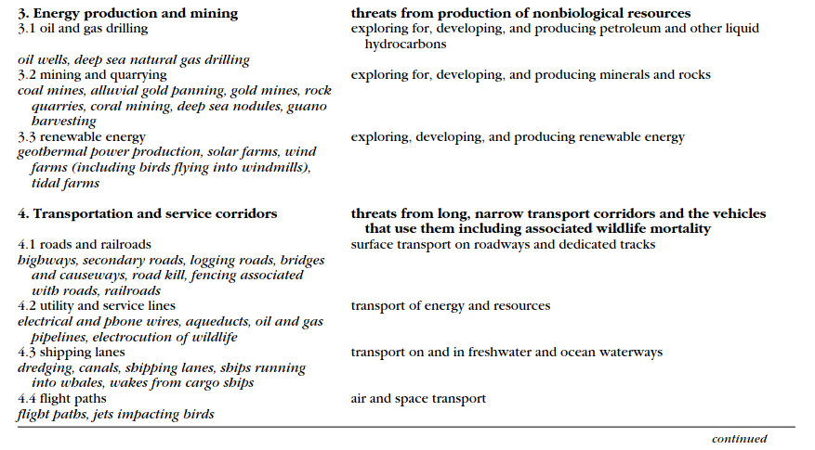
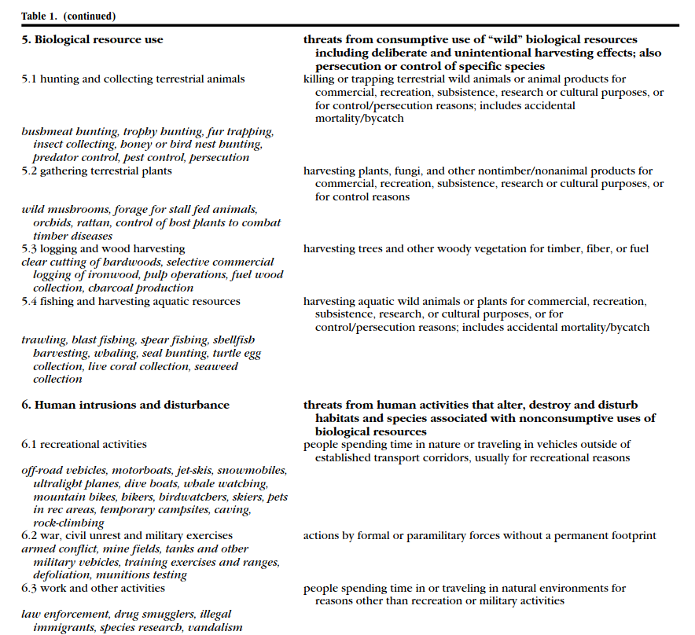
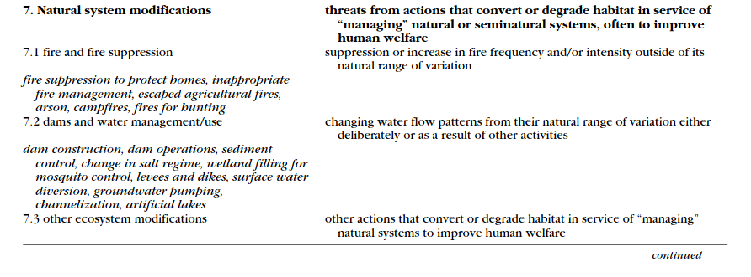
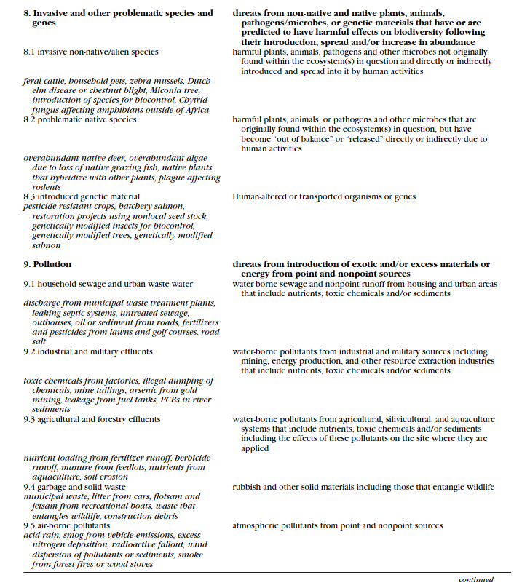
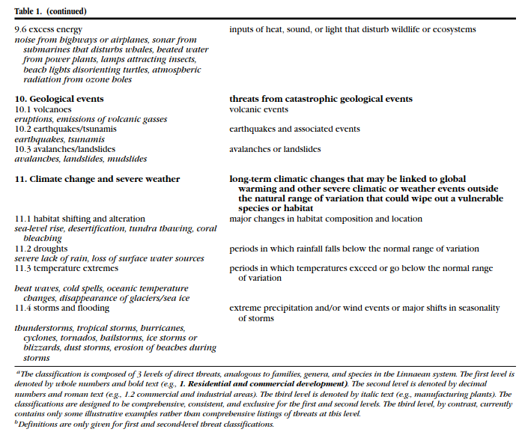
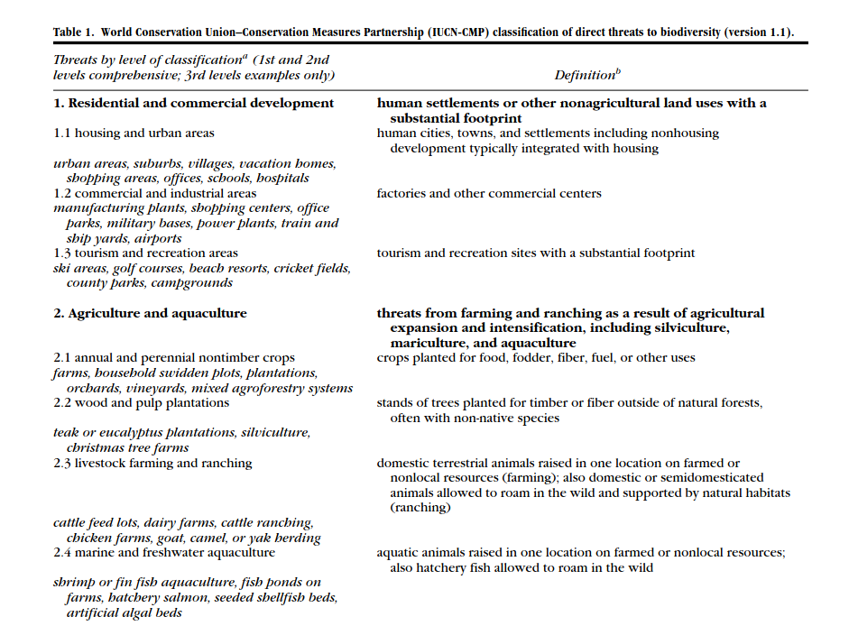
IUCN-CMP Threats
 | Residential and commercial development
 | Agriculture and aquaculture
 | Energy production and mining
 | Transportation and service corridors
 | Biological resource use
 | Human intrusion and disturbance
 | Natural system modification
 | Invasive and other problematic species/genes
 | Pollution
 | Geological events
 | Climate change and servere weather
 | Not specified
 | Not listed

