Sheet1
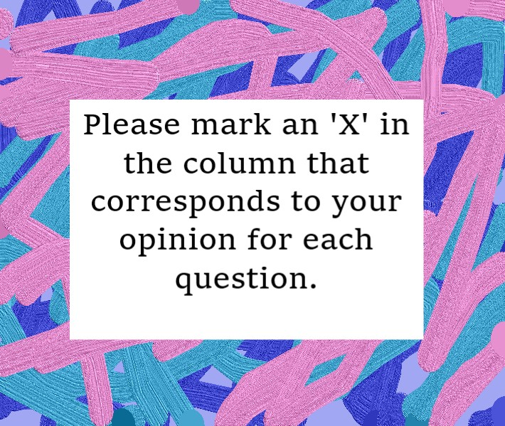
QUESTIONS | 0 - Strongly Disagree | 1 - Disagree | 2 - Neutral | 3 - Agree | 4 - Strongly Agree

1. If one of us apologizes when our argument deteriorates, the discussion ends. |  | x
2. I know we can ignore our differences, even if things get hard sometimes. |  | x
3. When needed, we can go back to the beginning of our argument and talk through it |  |  | x
4. If I keep trying to communicate during an argument, it will eventually work |  |  | x
5. The time I spent with my spouse is special for us. |  |  |  | x
6. We don't have time at home as partners. |  | x
7. We are like two strangers/roommates who share the same environment at home rather than family. |  | x
8. I enjoy our holidays with my spouse. |  |  |  | x
9. I enjoy traveling with my spouse. |  |  |  | x
10. My spouse and I share common goals |  |  | x
11. I believe that in the future, I will look back and see my marriage was harmonious |  |  |  | x
12. My spouse and I have similar values in terms of personal freedom. |  |  |  |  | x
13. My spouse and I enjoy the same types of entertainment\hobbies |  |  |  | x
14. Most of our goals for "people" (children, friends, pets) are the same. |  |  | x
15. My spouse and I have similar dreams for the future |  |  |  | x
16. My spouse and I agree on what love should be. |  |  |  | x
17. We share the common views about being happy in our life |  |  |  | x
18. My spouse and I have similar ideas about how marriage should be |  |  | x
19. My spouse and I have similar ideas about how roles should be in marriage |  |  |  |  | x
20. My spouse and I have similar values in trust. |  |  |  |  | x
21. I know exactly what my spouse likes. |  |  |  | x
22. I know how my spouse wants to be taken care of when she/he is sick. |  |  |  | x
23. I know my spouse's favorite food. |  |  |  | x
24. I can tell you what kind of stress my spouse is facing in her/his life. |  |  |  | x
25. I have knowledge of my spouse's inner world. |  |  |  | x
26. I know my spouse's basic anxieties. |  |  |  | x
27. I know what my spouse's current sources of stress are. |  |  |  | x
28. I know my spouse's hopes and wishes. |  |  |  | x
29. I know my spouse very well. |  |  |  | x
30. I know my spouse's friends and their social relationships. |  |  | x
31. I feel aggressive when I argue with my spouse. |  |  | x
32. When arguing with my spouse, I usually use expressions such as ‘you always’ or ‘you never’ . |  |  |  | x
33. I sometimes use negative statements about my spouse's personality during our arguements |  |  | x
34. I can use offensive expressions during our arguments |  |  | x
35. I sometimes insult my spouse during arguments |  | x
36. I sometimes humiliate my spouse during arguments |  |  | x
37. My arguements with my spouse are not calm. |  | x
38. I hate my spouse's way of starting a discussion. |  |  | x
39. Our arguements often occur suddenly. |  |  |  | x
40. We just start to talk before I know what's going on (sudden argument) |  |  | x
41. When I argue with my spouse about something, I get angry quickly | x
42. When I argue with my spouse, ı leave the room and I don't say a word. |  | x
43. During arguments, I mostly stay silent to calm the environment a little bit. | x
44. Sometimes I think it's good for me to leave home for a while after an argument |  |  | x
45. I'd rather stay silent than argue with my spouse. | x
46. Even if I'm right in the arguement, I stay silent to hurt my spouse. | x
47. When I argue with my spouse, I stay silent because I am afraid of not being able to control my anger. | x
48. I feel like I'm usually the one who is right in our arguments. |  |  | x
49. I have nothing to do with what I've been accused of. |  | x
50. I'm not actually the one who's guilty about what I'm accused of. |  |  | x |  |  | Thank you for taking our survey!
51. I'm not the one who's wrong about problems at home. |  |  | x
52. I wouldn't hesitate to tell my spouse about her/his inadequacy. |  | x
53. When we argue, I remind my spouse of her/his inadequacy. |  | x
54. I'm not afraid to tell my spouse about her/his incompetence. |  | x

