User Needs and Prob St.
User Needs

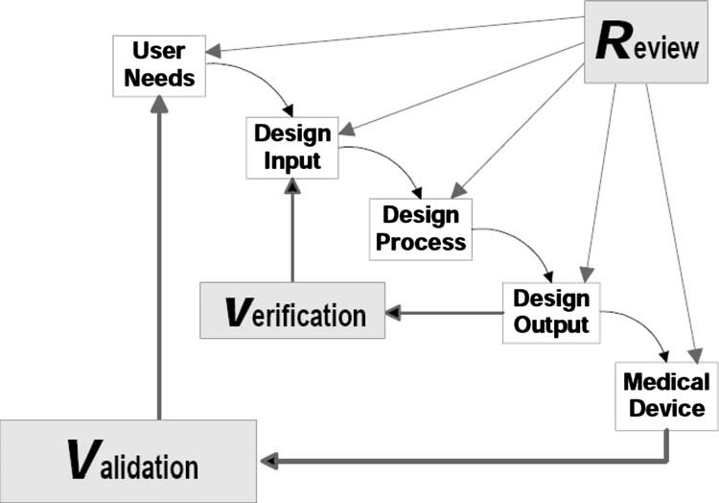
Number | Need | Priority
User Needs
 | e.g. The phone application reduces patient waiting time in the hospital | 1

Payer Needs
 | e.g. The phone app has a similar cost to competitive apps | 3

Regulatory/Standards Needs
 | e.g. The phone app complies with HIPAA regulations | 2

Problem/Need Statement:
We will design a way to: | (Problem)
in: | (Population)
that: | (Desired, measurable outcome)

FMEA
FMEA

 | Potential Failure Mode | Cause(s) | Effect(s) | Probability of Occurance (Frequent-Improbable) | Severity (Catastrophic-Negligible) | Risk Index | Acceptable? | Mitigation Plan
1 | e.g. Dislodgement of electrode from chest | Poor surface preparation, excessive sweat, hair, cord pulled, patient movement | Poor to no electrical signal, patient no longer monitored | Frequent | Significant | 3 | No | Select stronger, water-resistant adhesive for electrode design
2
3
4
5
6
7
8
9
10
11



http://www.fda-consultant.com/risk1.pdf

IP
IP Strategy

 | Relevant Patents:
 | Patent Number | Title | Inventors/Assignees | Notes
 | US 600,0000 | A method for sealing paravalvular leaks | Palmeri, Richardson/Duke | Very similar - these guys are smart.

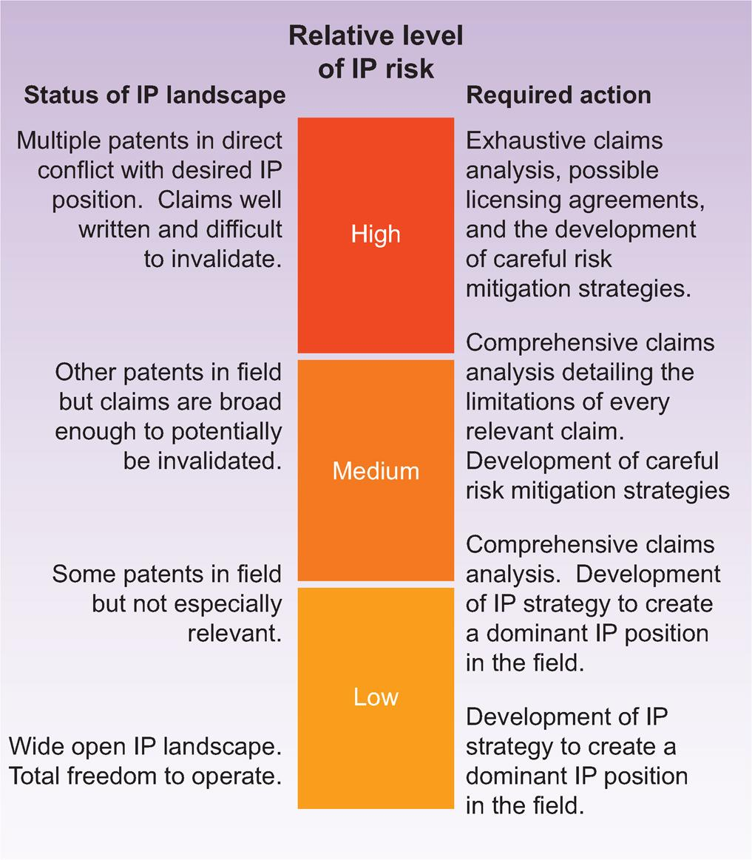

 | IP Risk: | (High, Medium, Low)

