dashboard
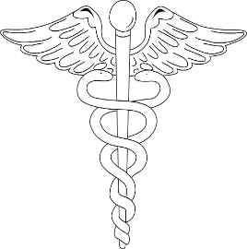
National Center for Health Statistics Leading Causes of Death 1999-2017

Largest Cause of Death
 | Total
Suicide | 1.92%
Kidney disease | 2.37%
Influenza and pneumonia | 3.02%
Diabetes | 3.86%
Alzheimer's disease | 4.12%
Unintentional injuries | 6.47%
Respiratory Disease | 7.15%
Stroke | 7.52%
Cancer | 29.89%
Heart disease | 33.69%

 | Cancer
2002 | 1114542
2004 | 1107776
2005 | 1118624
2006 | 1119776
2007 | 1125750
2009 | 1135256
2010 | 1149486
2013 | 1169762
2015 | 1191860
2016 | 1196076

