dashboard
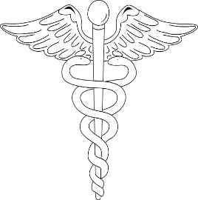
National Center for Health Statistics Leading Causes of Death 1999-2017

Largest Cause of Death
 | Total
Suicide | 1.73%
Kidney disease | 2.32%
Influenza and pneumonia | 3.33%
Alzheimer's disease | 3.79%
Diabetes | 3.97%
Unintentional injuries | 6.23%
Respiratory Disease | 6.93%
Stroke | 7.60%
Cancer | 29.59%
Heart disease | 34.50%

 | Diabetes
2002 | 146498
2004 | 146276
2005 | 150238
2006 | 144898
2007 | 142764
2009 | 137410
2010 | 138142
2013 | 151156
2015 | 159070
2016 | 160116

