analise
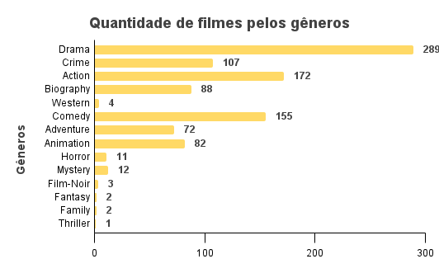
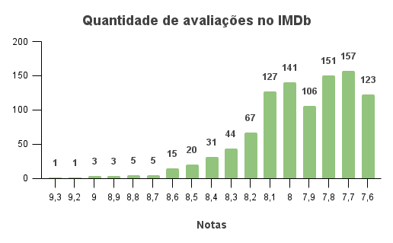
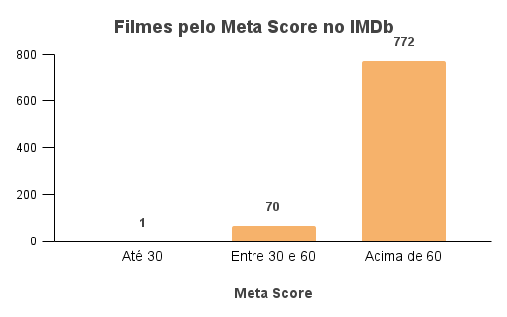
meta_score | n | mean
Até 30 | 1 | 28
Entre 30 e 60 | 70 | 51.87
Acima de 60 | 772 | 80.33

