November
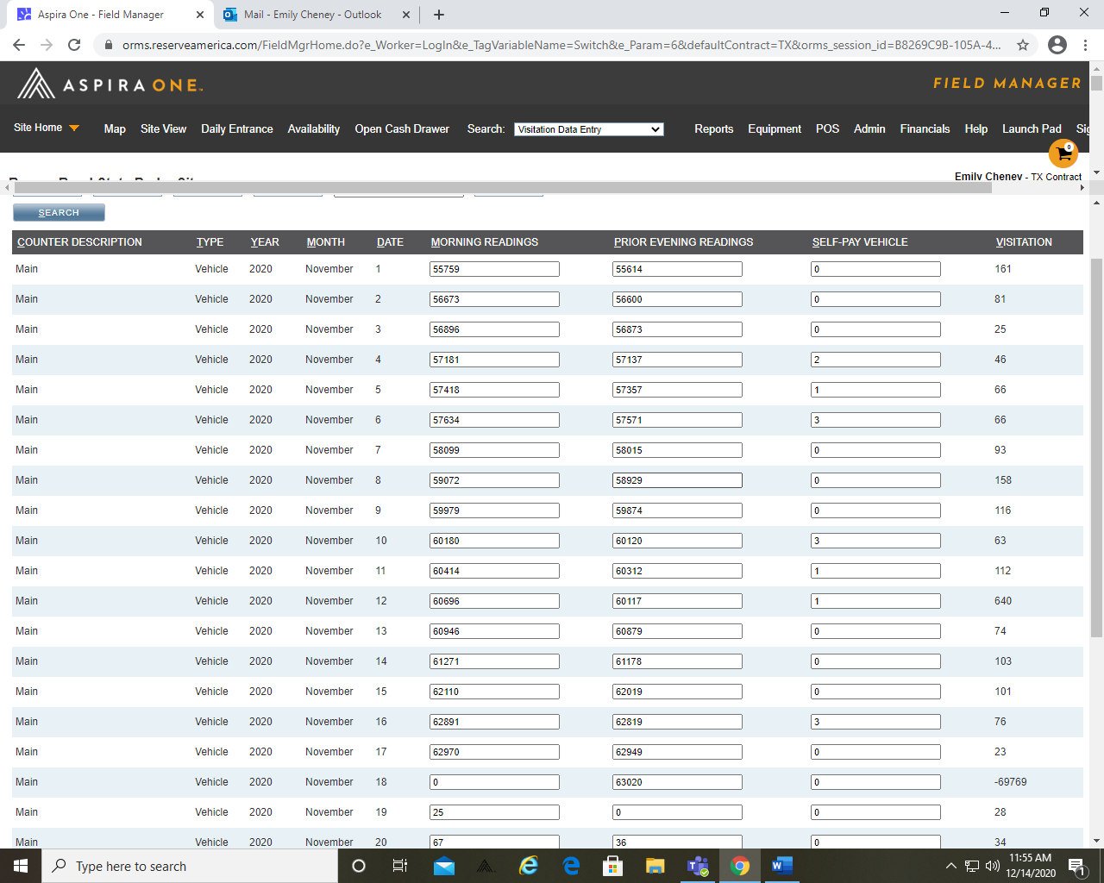
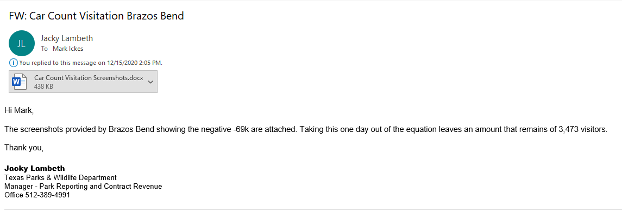
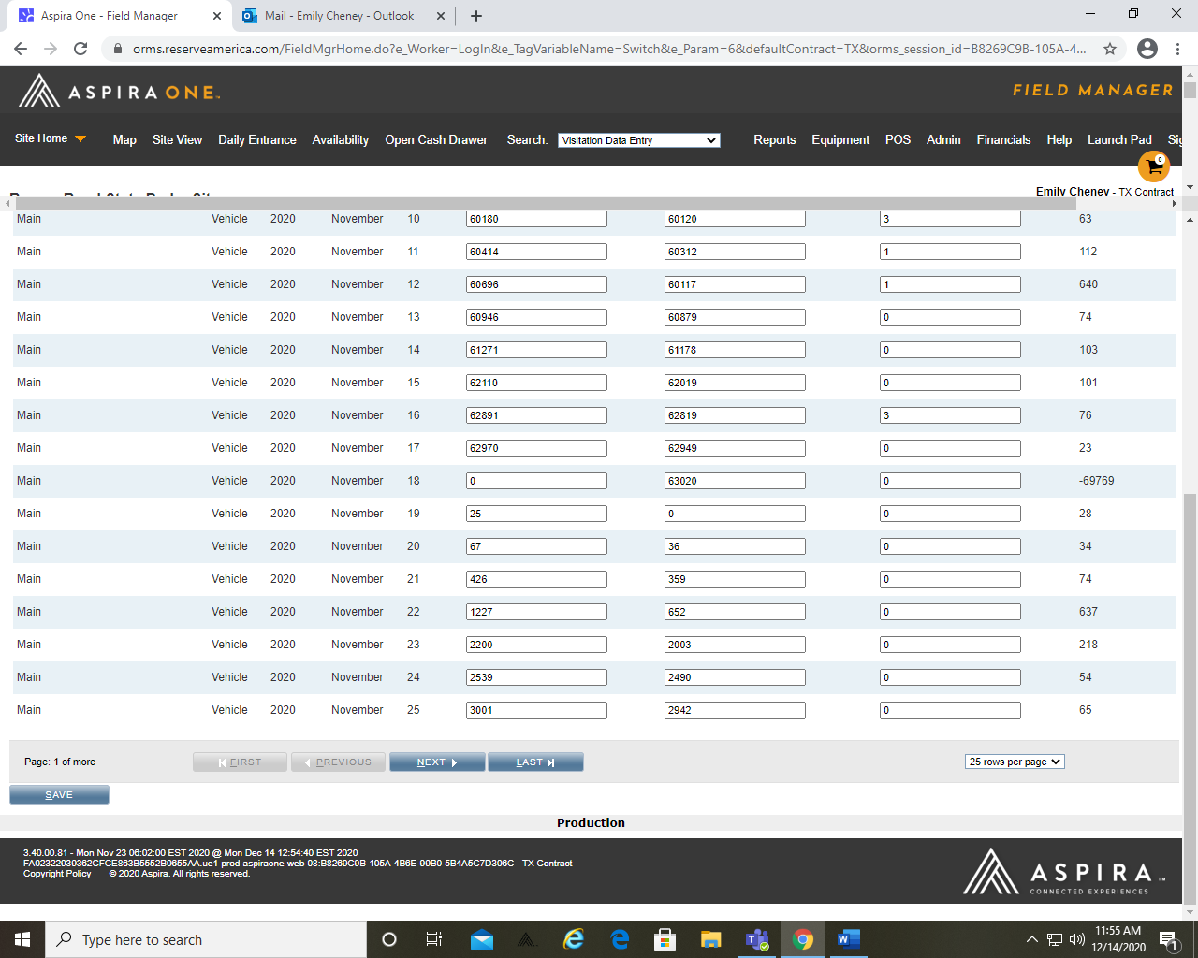
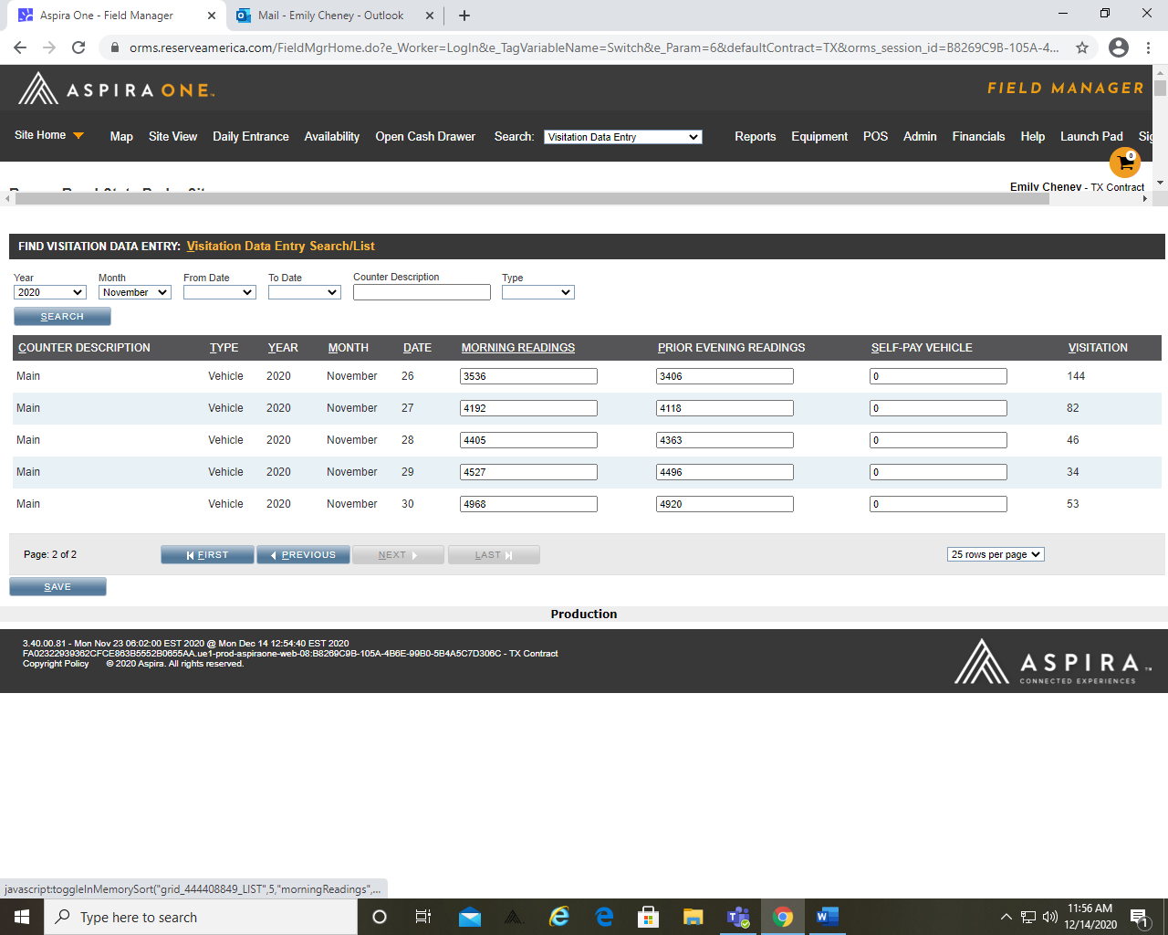
 | Texas State Parks Visitation

 | Day Visits |  |  |  |  |  |  |  |  |  |  |  |  |  | Overnight Visits |  |  |  |  |  |  |  |  |  |  |  |  |  | Ticket |  |  |  |  | Estimated Visits (Car-Counter) | Leased Conc Visits
Park Site | Full Entry | Full Entry-Adult | Full Entry-Child | TSPP | Waived Child | Youth Passes | Total Parkland Passport | Partial Parklands Passport | Full Parklands Passport | Prepaid Entry | Student School Group | Other Waived | Other Discounted | Total | Full Entry | Full Entry-Adult | Full Entry-Child | TSPP | Waived Child | Youth Passes | Total Parkland Passport | Partial Parklands Passport | Full Parklands Passport | Prepaid Entry | Student School Group | Other Waived | Other Discounted | Total | Adult | Child | General Admission | Activity Pass | Total |  | Adult | Child | Total Visits | Paid Visits
BALMORHEA STATE PARK |  | 0 | 0 | 0 |  |  | 0 |  |  |  |  |  | 0 | 0 |  | 0 | 0 | 0 |  |  |  |  |  |  |  |  |  | 0 | 0 | 0 | 0 |  | 0 |  |  |  | - | -
BARTON WARNOCK EEC |  | 766 | 205 | 556 |  |  | 39 |  |  |  |  |  | 690 | 2,256 |  | 878 | 213 | 585 |  |  | 20 |  |  |  |  |  | 14 | 1,710 | 0 | 0 | 0 | 0 | 0 |  | 1,846 | 172 | 5,984 | 3,548
BIG BEND RANCH STATE PARK |  | 667 | 411 | 1063 |  |  | 10 |  |  |  |  |  | 33 | 2,184 |  | 1108 | 210 | 804 |  |  | 24 |  |  |  |  |  | 11 | 2,157 | 0 | 0 | 0 | 0 | 0 |  |  |  | 4,341 | 3,720
BIG SPRING STATE PARK |  | 124 | 41 | 0 |  |  | 0 |  |  |  |  |  | 0 | 165 |  | 0 | 0 | 0 |  |  | 0 |  |  |  |  |  | 0 | 0 | 0 | 0 | 0 | 0 | 0 | 7,161 |  |  | 7,326 | -
DAVIS MOUNTAINS STATE PARK |  | 1739 | 479 | 1197 |  |  | 103 |  |  |  |  |  | 116 | 3,634 |  | 1065 | 580 | 2605 |  |  | 169 |  |  |  |  |  | 0 | 4,419 | 0 | 0 | 0 | 0 | 0 | 1,403 |  |  | 9,456 | 6,994
DEVILS RIVER STATE NATURAL AREA |  | 135 | 41 | 92 |  |  | 3 |  |  |  |  |  | 10 | 281 |  | 170 | 47 | 127 |  |  | 0 |  |  |  |  |  | 0 | 344 | 0 | 0 | 0 |  | 0 |  |  |  | 625 | 13
DEVILS SINKHOLE STATE NATURAL AREA |  | 0 | 0 | 0 |  |  | 0 |  |  |  |  |  | 0 | 0 |  | 0 | 0 | 0 |  |  | 0 |  |  |  |  |  | 0 | 0 |  |  | 0 |  | 0 |  | 32 | 7 | 39 | -
FORT LEATON STATE HISTORIC SITE |  | 341 | 133 | 206 |  |  | 21 |  |  |  |  |  | 399 | 1,100 |  | 0 | 0 | 0 |  |  | 0 |  |  |  |  |  | 0 | 0 | 0 | 0 | 0 |  | 0 |  |  |  | 1,100 | 967
FRANKLIN MOUNTAINS STATE PARK |  | 4318 | 1220 | 2300 |  |  | 123 |  |  | 14 |  |  | 466 | 8,441 |  | 267 | 90 | 215 |  |  | 3 |  |  |  |  |  | 0 | 575 |  |  |  |  | 0 |  |  |  | 9,016 | 7,692
HUECO TANKS STATE HISTORIC SITE |  | 1129 | 414 | 701 |  |  | 29 |  |  |  |  |  | 192 | 2,465 |  | 261 | 119 | 153 |  |  | 27 |  |  |  |  |  | 2 | 562 |  |  |  | 27 | 27 |  |  |  | 3,027 | 2,494
INDIAN LODGE |  | 306 | 0 | 0 |  |  | 0 |  |  |  |  |  | 0 | 306 |  | 341 | 51 | 0 |  |  | 0 |  |  |  |  |  | 0 | 392 |  |  |  |  | 0 |  |  |  | 698 | -
KICKAPOO CAVERN STATE PARK |  | 121 | 73 | 161 |  |  | 5 |  |  |  |  |  | 12 | 372 |  | 85 | 39 | 149 |  |  | 14 |  |  |  |  |  | 0 | 287 |  |  |  |  | 0 | 71 |  |  | 730 | 547
LAKE COLORADO CITY STATE PARK |  | 180 | 59 | 98 |  |  | 11 |  |  | 0 |  |  | 25 | 373 |  | 732 | 467 | 952 |  |  | 42 |  |  | 0 |  |  | 68 | 2,261 | 0 |  |  |  | 0 |  |  |  | 2,634 | 2,108
MONAHANS SANDHILLS STATE PARK |  | 1517 | 805 | 452 |  |  | 23 |  |  | 0 |  |  | 112 | 2,909 |  | 446 | 289 | 351 |  |  | 25 |  |  | 0 |  |  | 34 | 1,145 | 0 |  |  |  | 0 | 658 |  |  | 4,712 | 2,960
SAN ANGELO STATE PARK |  | 933 | 380 | 1528 |  |  | 91 |  |  | 0 |  |  | 303 | 3,235 |  | 1121 | 506 | 1643 |  |  | 147 |  |  | 0 |  |  | 96 | 3,513 | 0 |  |  |  | 0 |  |  |  | 6,748 | 5,862
SEMINOLE CANYON STATE PARK |  | 542 | 168 | 395 |  |  | 42 |  |  | 0 |  |  | 71 | 1,218 |  |  |  |  |  |  |  |  |  | 0 |  |  |  | 0 | 14 |  |  | 85 | 99 | 90 |  |  | 1,308 | 1,050
WYLER AERIAL TRAMWAY STATE PARK |  |  |  |  |  |  |  |  |  |  |  |  |  | 0 |  |  |  |  |  |  |  |  |  |  |  |  |  | 0 |  |  |  |  | 0 |  |  |  | - | -
Region 1 Subtotal | - | 12,818 | 4,429 | 8,749 | - | - | 500 | - | - | 14 | - | - | 2,429 | 28,939 | - | 6,474 | 2,611 | 7,584 | - | - | 471 | - | - | - | - | - | 225 | 17,365 | 14 | - | - | 112 | 126 | 9,383 | 1,878 | 179 | 57,744 | 37,955
BENTSEN RIO GRANDE STATE PARK |  | 931 | 336 | 1431 |  | 0 | 58 |  |  | 10 |  |  | 103 | 2,869 |  | 39 | 5 | 42 |  | 0 | 2 |  |  |  |  |  |  | 88 |  |  |  | 15 | 15 |  |  |  | 2,972 | 2,621
CHOKE CANYON STATE PARK |  | 2312 | 283 | 1598 |  | 0 | 168 |  |  | 0 |  |  | 199 | 4,560 |  | 867 | 634 | 1384 |  | 14 | 100 |  |  |  |  |  | 3 | 3,002 |  |  |  |  |  | 4,461 |  |  | 12,023 | 6,631
ESTERO LLANO GRANDE STATE PARK |  | 1146 | 430 | 957 |  | 0 | 78 |  |  | 0 |  |  | 85 | 2,696 |  | 0 | 0 | 0 |  | 0 | 0 |  |  |  |  |  | 0 | 0 |  |  |  |  |  |  |  |  | 2,696 | 2,266
FALCON STATE PARK |  | 1611 | 589 | 802 |  | 0 | 39 |  |  | 0 |  |  | 155 | 3,196 |  | 487 | 272 | 758 |  | 0 | 32 |  |  |  |  |  | 6 | 1,555 |  |  |  |  |  | 854 |  |  | 5,605 | 3,890
GOLIAD STATE PARK |  | 822 | 287 | 385 |  | 0 | 100 |  |  | 0 |  |  | 92 | 1,686 |  | 589 | 483 | 1146 |  | 0 | 153 |  |  |  |  |  | 1 | 2,372 |  |  |  |  |  | 349 |  |  | 4,407 | 3,288
GOOSE ISLAND STATE PARK |  | 2546 | 591 | 4415 |  | 0 | 287 |  |  | 0 |  |  | 322 | 8,161 |  | 1274 | 765 | 2775 |  | 72 | 239 |  |  |  |  |  | 179 | 5,304 |  |  |  | 17 | 17 | 1,737 |  |  | 15,219 | 12,054
LAKE CASA BLANCA STATE PARK |  | 721 | 561 | 1817 |  | 0 | 16 |  |  | 3 |  |  | 88 | 3,206 |  | 0 | 0 | 0 |  | 0 | 0 |  |  |  |  |  | 0 | 0 |  |  |  |  |  | 519 |  |  | 3,725 | 2,642
LAKE CORPUS CHRISTI STATE PARK |  | 1856 | 1076 | 1746 |  | 0 | 172 |  |  | 0 |  |  | 399 | 5,249 |  | 1709 | 1291 | 2239 |  | 0 | 121 |  |  |  |  |  | 54 | 5,414 |  |  |  |  | 0 | 463 |  |  | 11,126 | 8,296
LOCKHART STATE PARK |  | 1644 | 836 | 1843 |  | 3 | 166 |  |  | 1 |  |  | 226 | 4,719 |  | 266 | 111 | 266 |  | 0 | 25 |  |  |  |  |  | 30 | 698 |  |  | 0 | 497 | 497 | 455 |  |  | 5,872 | 4,466
MONUMENT HILL/KREISCHE BREWERY STATE HISTORIC SITE |  | 0 | 0 | 0 |  | 0 | 0 |  |  | 0 |  |  | 0 | 0 |  | 0 | 0 | 0 |  | 0 | 0 |  |  |  |  |  | 0 | 0 |  |  |  |  |  |  |  |  | - | -
MUSTANG ISLAND STATE PARK |  | 1756 | 772 | 1895 |  | 0 | 114 |  |  | 0 |  |  | 133 | 4,670 |  | 850 | 430 | 1457 |  | 0 | 74 |  |  |  |  |  | 0 | 2,811 |  |  |  |  |  | 840 |  |  | 8,321 | 6,279
PALMETTO STATE PARK |  | 2347 | 1201 | 1974 |  | 0 | 119 |  |  | 0 |  |  | 303 | 5,944 |  | 850 | 597 | 954 |  | 0 | 49 |  |  |  |  |  | 13 | 2,463 | 0 | 0 | 0 | 0 | 0 | 3,876 |  |  | 12,283 | 6,609
RESACA DE LA PALMA STATE PARK |  | 585 | 239 | 426 |  | 0 | 54 |  |  | 0 |  |  | 105 | 1,409 |  |  |  |  |  |  |  |  |  |  |  |  |  | 0 | 0 | 0 | 0 | 0 | 0 |  |  |  | 1,409 | 1,170
Region 2 Subtotal | - | 18,277 | 7,201 | 19,289 | - | 3 | 1,371 | - | - | 14 | - | - | 2,210 | 48,365 | - | 6,931 | 4,588 | 11,021 | - | 86 | 795 | - | - | - | - | - | 286 | 23,707 | - | - | - | 529 | 529 | 13,554 | - | - | 85,658 | 60,212
BASTROP STATE PARK |  | 2043 | 1269 | 3294 |  | 0 | 114 |  |  |  |  |  | 305 | 7,025 |  | 655 | 432 | 811 |  | 0 | 40 |  |  |  |  |  | 129 | 2,067 |  |  |  |  | 0 | 606 |  |  | 9,698 | 7,391
BLANCO STATE PARK |  | 2218 | 1331 | 2321 |  | 1 | 204 |  |  |  |  |  | 380 | 6,455 |  | 500 | 427 | 1189 |  | 0 | 73 |  |  |  |  |  | 124 | 2,313 |  |  |  |  | 0 | 686 |  |  | 9,454 | 7,009
BUESCHER STATE PARK |  | 677 | 410 | 1522 |  | 0 | 48 |  |  | 11 |  |  | 77 | 2,745 |  | 303 | 166 | 290 |  | 0 | 13 |  |  |  |  |  | 34 | 806 |  |  |  |  | 0 | 1,111 |  |  | 4,662 | 2,964
COLORADO BEND STATE PARK |  | 1932 | 436 | 974 |  | 0 | 90 |  |  |  |  |  | 95 | 3,527 |  | 1327 | 500 | 764 |  | 0 | 28 |  |  |  |  |  | 42 | 2,661 |  |  |  |  | 0 | 1,751 |  |  | 7,939 | 5,252
ENCHANTED ROCK STATE NATURAL AREA |  | 12292 | 3890 | 4582 |  | 32 | 209 |  |  |  |  |  | 579 | 21,584 |  | 1481 | 980 | 866 |  | 164 | 22 |  |  |  |  |  | 36 | 3,549 |  |  |  |  | 0 | 1,760 | 32 | - | 26,925 | 20,067
GARNER STATE PARK |  | 7308 | 3343 | 6181 |  | 0 | 416 |  |  |  |  |  | 528 | 17,776 |  | 6466 | 5666 | 10477 |  | 87 | 477 |  |  | 87 |  |  | 70 | 23,330 |  |  |  |  | 0 | 548 |  |  | 41,654 | 31,923
GOVERNMENT CANYON STATE NATURAL AREA |  | 1125 | 772 | 2098 |  | 0 | 148 |  |  |  |  |  | 100 | 4,243 |  | 205 | 160 | 215 |  | 6 | 4 |  |  |  |  |  | 2 | 592 |  |  |  |  | 0 | 1,084 |  |  | 5,919 | 3,897
GUADALUPE RIVER STATE PARK |  | 4844 | 3181 | 5706 |  | 0 | 343 |  |  |  |  |  | 677 | 14,751 |  | 966 | 612 | 1171 |  | 0 | 50 |  |  |  |  |  | 82 | 2,881 |  |  |  |  | 0 | 169 |  |  | 17,801 | 13,839
HILL COUNTRY STATE NATURAL AREA |  | 1045 | 455 | 1350 |  | 0 | 59 |  |  |  |  |  | 165 | 3,074 |  | 398 | 133 | 330 |  | 54 | 29 |  |  |  |  |  | 92 | 1,036 |  |  |  |  | 0 | 79 | 243 | 20 | 4,452 | 3,468
INKS LAKE STATE PARK |  | 1693 | 627 | 1282 |  | 0 | 194 |  |  |  |  |  | 85 | 3,881 |  | 3907 | 2589 | 5274 |  | 14 | 242 |  |  |  |  |  | 18 | 12,044 |  |  |  |  | 0 | 1,476 |  |  | 17,401 | 12,695
Longhorn Caverns |  | 0 | 0 | 0 |  | 0 | 0 |  |  |  |  |  | 0 | 0 |  | 0 | 0 | 0 |  | 0 | 0 |  |  |  |  |  | 0 | 0 |  |  |  |  | 0 |  | 5,945 |  | 5,945 | -
LOST MAPLES STATE NATURAL AREA |  | 15298 | 5652 | 9841 |  | 0 | 646 |  |  |  |  |  | 723 | 32,160 |  | 1148 | 746 | 1640 |  | 11 | 53 |  |  |  |  |  | 0 | 3,598 |  |  |  |  | 0 | 1,099 |  |  | 36,857 | 29,349
LYNDON B. JOHNSON STATE HISTORIC SITE |  | 4657 | 1178 | 0 |  | 0 | 0 |  |  |  |  |  | 0 | 5,835 |  | 36 | 0 | 0 |  | 0 | 0 |  |  |  |  |  | 0 | 36 |  |  |  |  | 0 | 1,155 |  |  | 7,026 | -
MCKINNEY FALLS STATE PARK |  | 7476 | 3255 | 4282 |  | 0 | 166 |  |  |  |  |  | 378 | 15,557 |  | 1374 | 940 | 1918 |  | 7 | 66 |  |  |  |  |  | 0 | 4,305 |  |  |  |  | 0 | 870 |  |  | 20,732 | 15,660
OLD TUNNEL |  | 3344 | 0 | 0 |  | 0 | 0 |  |  |  |  |  | 0 | 3,344 |  | 0 | 0 | 0 |  | 0 | 0 |  |  |  |  |  | 0 | 0 |  |  |  |  | 0 |  |  |  | 3,344 | -
PEDERNALES FALLS STATE PARK |  | 4412 | 2073 | 4026 |  | 0 | 121 |  |  |  |  |  | 319 | 10,951 |  | 1056 | 713 | 1430 |  | 33 | 25 |  |  |  |  |  | 101 | 3,358 |  |  |  |  | 0 | 487 |  |  | 14,796 | 11,490
SOUTH LLANO RIVER STATE PARK |  | 628 | 326 | 818 |  | 0 | 63 |  |  |  |  |  | 103 | 1,938 |  | 746 | 464 | 1581 |  | 0 | 100 |  |  |  |  |  | 5 | 2,896 |  |  |  |  | 0 | 738 |  |  | 5,572 | 4,044
Region 3 Subtotal | - | 70,992 | 28,198 | 48,277 | - | 33 | 2,821 | - | - | 11 | - | - | 4,514 | 154,846 | - | 20,568 | 14,528 | 27,956 | - | 376 | 1,222 | - | - | 87 | - | - | 735 | 65,472 | - | - | - | - | - | 13,619 | 6,220 | 20 | 240,177 | 169,048
BATTLESHIP TEXAS STATE HISTORIC SITE |  | 0 | 0 | 0 |  |  |  |  |  |  |  |  |  | 0 | 0 | 0 | 0 | 0 |  |  |  |  |  |  |  |  |  | 0 |  |  |  |  |  |  |  |  | - | -
BRAZOS BEND STATE PARK |  | 9615 | 6332 | 8293 |  |  | 398 |  |  |  |  |  | 1104 | 25,742 |  | 1258 | 1263 | 2123 |  | 0 | 96 |  |  |  |  |  | 35 | 4,775 |  |  |  |  |  | 3,473 |  |  | 33,990 | 22,922
FANTHORP INN STATE HISTORIC SITE |  | 0 | 0 | 0 |  |  | 0 |  |  |  |  |  | 0 | 0 |  | 0 | 0 | 0 |  | 0 | 0 |  |  |  |  |  | 0 | 0 |  |  |  |  | 0 |  |  |  | - | -
FORT BOGGY STATE PARK |  | 300 | 140 | 183 |  |  | 17 |  |  |  |  |  | 27 | 667 |  | 144 | 67 | 43 |  | 0 | 0 |  |  |  |  |  | 0 | 254 |  |  |  |  | 0 | 212 |  |  | 1,133 | 714
GALVESTON ISLAND STATE PARK |  | 2171 | 703 | 1718 |  |  | 107 |  |  |  |  |  | 273 | 4,972 |  | 482 | 240 | 581 |  | 0 | 44 |  |  |  |  |  | 3 | 1,350 |  |  |  |  | 0 |  |  |  | 6,322 | 5,379
HUNTSVILLE STATE PARK |  | 5079 | 2153 | 3490 |  |  | 240 |  |  |  |  |  | 629 | 11,591 |  | 3082 | 2103 | 3472 |  | 0 | 188 |  |  |  |  |  | 3 | 8,848 |  |  |  |  | 0 | 698 |  |  | 21,137 | 16,183
LAKE LIVINGSTON STATE PARK |  | 1935 | 1007 | 1306 |  |  | 128 |  |  |  |  |  | 332 | 4,708 |  | 2357 | 1852 | 3873 |  | 0 | 164 |  |  |  |  |  | 2 | 8,248 |  |  |  |  | 0 | 1,664 |  |  | 14,620 | 10,097
LAKE SOMERVILLE BIRCH CREEK STATE PARK |  | 1102 | 576 | 1688 |  |  | 76 |  |  |  |  |  | 152 | 3,594 |  | 1269 | 1105 | 1911 |  | 0 | 85 |  |  |  |  |  | 150 | 4,520 |  |  |  |  | 0 | 397 |  |  | 8,511 | 6,433
LAKE SOMERVILLE NAILS CREEK STATE PARK |  | 566 | 199 | 401 |  |  | 35 |  |  |  |  |  | 85 | 1,286 |  | 369 | 239 | 281 |  | 0 | 19 |  |  |  |  |  | 119 | 1,027 |  |  |  |  | 0 | 329 |  |  | 2,642 | 1,875
MARTIN DIES JR. STATE PARK |  | 816 | 245 | 547 |  |  | 87 |  |  |  |  |  | 223 | 1,918 |  | 2811 | 2282 | 2923 |  | 35 | 141 |  |  |  |  |  | 235 | 8,427 |  |  |  | 3 | 3 | 1,278 |  |  | 11,623 | 7,783
MISSION TEJAS STATE PARK |  | 345 | 185 | 308 |  |  | 25 |  |  |  |  |  | 40 | 903 |  | 306 | 190 | 579 |  | 0 | 25 |  |  |  |  |  | 0 | 1,100 |  |  |  |  | 0 | 489 |  |  | 2,492 | 1,628
SEA RIM STATE PARK |  | 878 | 320 | 309 |  |  | 38 |  |  |  |  |  | 120 | 1,665 |  | 374 | 170 | 560 |  | 0 | 24 |  |  |  |  |  | 12 | 1,140 |  |  |  |  | 0 | 536 |  |  | 3,341 | 2,315
SHELDON LAKE STATE PARK |  | 0 | 0 | 0 |  |  | 0 |  |  |  |  |  | 0 | 0 |  | 0 | 0 | 0 |  | 0 | 0 |  |  |  |  |  | 0 | 0 |  |  |  |  | 0 | 5,001 |  |  | 5,001 | -
STEPHEN F. AUSTIN STATE PARK |  | 1702 | 1216 | 1355 |  |  | 46 |  |  |  |  |  | 186 | 4,505 |  | 1861 | 1470 | 2040 |  | 26 | 54 |  |  |  |  |  | 7 | 5,458 |  |  |  |  | 0 | 638 |  |  | 10,601 | 7,251
VILLAGE CREEK STATE PARK |  | 306 | 176 | 214 |  |  | 28 |  |  |  |  |  | 65 | 789 |  | 492 | 356 | 418 |  |  |  |  |  |  |  |  |  | 1,266 |  |  |  |  | 0 | 466 |  |  | 2,521 | 1,523
WASHINGTON ON THE BRAZOS STATE HISTORIC SITE |  |  |  |  |  |  |  |  |  |  |  |  |  | 0 |  |  |  |  |  |  |  |  |  |  |  |  |  | 0 |  |  |  |  | 0 |  |  |  | - | -
Region 4 Subtotal | - | 24,815 | 13,252 | 19,812 | - | - | 1,225 | - | - | - | - | - | 3,236 | 62,340 | - | 14,805 | 11,337 | 18,804 | - | 61 | 840 | - | - | - | - | - | 566 | 46,413 | - | - | - | 3 | 3 | 15,181 | - | - | 123,934 | 84,103
ABILENE STATE PARK |  | 995 | 514 | 854 |  | 0 | 96 |  |  |  |  |  | 192 | 2,651 |  | 846 | 546 | 1358 |  | 0 | 133 |  |  | 0 |  |  | 0 | 2,883 |  |  |  |  | 0 | 1,957 |  |  | 7,491 | 4,474
CAPROCK CANYONS STATE PARK |  | 2063 | 759 | 1519 |  | 0 | 66 |  |  |  |  |  | 163 | 4,570 |  | 1468 | 445 | 1493 |  | 12 | 86 |  |  | 0 |  |  | 7 | 3,511 |  |  |  |  | 0 | 540 |  |  | 8,621 | 6,865
CLEBURNE STATE PARK |  | 2087 | 1177 | 2007 |  | 33 | 130 |  |  |  |  |  | 293 | 5,727 |  | 766 | 807 | 1481 |  | 30 | 85 |  |  | 94 |  |  | 112 | 3,375 |  |  |  |  | 0 | 842 |  |  | 9,944 | 6,961
COPPER BREAKS STATE PARK |  | 260 | 88 | 165 |  | 0 | 10 |  |  |  |  |  | 35 | 558 |  | 951 | 550 | 1019 |  | 0 | 49 |  |  | 0 |  |  | 12 | 2,581 |  |  |  |  | 0 | 487 |  |  | 3,626 | 2,501
DINOSAUR VALLEY STATE PARK |  | 8085 | 5367 | 3686 |  | 0 | 204 |  |  |  |  |  | 812 | 18,154 |  | 885 | 1084 | 1174 |  | 0 | 44 |  |  | 0 |  |  | 2 | 3,189 |  |  |  |  | 0 | 1,070 |  |  | 22,413 | 14,892
FAIRFIELD LAKE STATE PARK |  | 648 | 176 | 464 |  | 0 | 59 |  |  |  |  |  | 94 | 1,441 |  | 1678 | 1001 | 2040 |  | 0 | 147 |  |  | 0 |  |  | 1 | 4,867 |  |  |  |  | 0 | 1,379 |  |  | 7,687 | 5,131
FORT PARKER STATE PARK |  | 650 | 314 | 599 |  | 0 | 117 |  |  |  |  |  | 162 | 1,842 |  | 569 | 498 | 876 |  | 0 | 66 |  |  | 0 |  |  | 29 | 2,038 |  |  |  |  | 0 | 460 |  |  | 4,340 | 3,068
FORT RICHARDSON STATE HISTORIC SITE |  | 519 | 328 | 533 |  | 0 | 74 |  |  |  |  |  | 101 | 1,555 |  | 991 | 750 | 1454 |  | 0 | 68 |  |  | 0 |  |  | 12 | 3,275 |  |  |  |  | 0 | 732 |  |  | 5,562 | 3,752
LAKE ARROWHEAD STATE PARK |  | 566 | 217 | 838 |  | 0 | 142 |  |  |  |  |  | 89 | 1,852 |  | 654 | 471 | 976 |  | 0 | 43 |  |  | 0 |  |  | 150 | 2,294 |  |  |  |  | 0 | 359 |  |  | 4,505 | 3,458
LAKE BROWNWOOD STATE PARK |  | 449 | 191 | 414 |  | 0 | 60 |  |  |  |  |  | 55 | 1,169 |  | 906 | 452 | 1140 |  | 0 | 110 |  |  | 0 |  |  | 82 | 2,690 |  |  |  |  |  | 324 |  |  | 4,183 | 3,216
LAKE MINERAL WELLS STATE PARK |  | 2765 | 1504 | 3591 |  | 10 | 187 |  |  |  |  |  | 593 | 8,650 |  | 1561 | 1389 | 2711 |  | 0 | 124 |  |  | 4 |  |  | 72 | 5,861 |  |  |  | 74 | 74 | 556 |  |  | 15,067 | 11,604
LAKE WHITNEY STATE PARK |  | 997 | 309 | 750 |  | 0 | 66 |  |  |  |  |  | 157 | 2,279 |  | 2322 | 1687 | 3427 |  | 0 | 196 |  |  |  |  |  | 8 | 7,640 |  |  |  |  | 0 | 735 |  |  | 10,654 | 7,923
MERIDIAN STATE PARK |  | 494 | 323 | 747 |  | 0 | 59 |  |  |  |  |  | 213 | 1,836 |  | 421 | 276 | 656 |  | 0 | 43 |  |  |  |  |  | 43 | 1,439 |  |  |  |  | 0 | 377 |  |  | 3,652 | 2,676
MOTHER NEFF STATE PARK |  | 1265 | 781 | 609 |  | 0 | 102 |  |  |  |  |  | 305 | 3,062 |  | 273 | 162 | 547 |  | 0 | 24 |  |  |  |  |  | 0 | 1,006 |  |  |  |  | 0 |  |  |  | 4,068 | 3,125
PALO DURO CANYON STATE PARK |  | 13302 | 3611 | 6377 |  | 0 | 325 |  |  |  |  |  | 814 | 24,429 |  | 2094 | 1077 | 2595 |  | 116 | 82 |  |  |  |  |  | 3 | 5,967 |  |  |  |  | 0 | 1,233 |  |  | 31,629 | 25,592
POSSUM KINGDOM STATE PARK |  | 452 | 152 | 218 |  |  | 23 |  |  |  |  |  | 101 | 946 |  | 1996 | 976 | 1440 |  | 0 | 118 |  |  |  |  |  | 20 | 4,550 |  |  |  |  | 0 | 864 |  |  | 6,360 | 4,368
Region 5 Subtotal | - | 35,597 | 15,811 | 23,371 | - | 43 | 1,720 | - | - | - | - | - | 4,179 | 80,721 | - | 18,381 | 12,171 | 24,387 | - | 158 | 1,418 | - | - | 98 | - | - | 553 | 57,166 | - | - | - | 74 | 74 | 11,915 | - | - | 149,802 | 109,606
ATLANTA STATE PARK |  | 348 | 104 | 255 |  | 0 | 26 |  |  |  |  |  | 126 | 859 |  | 643 | 453 | 1307 |  | 0 | 70 |  |  |  |  |  | 0 | 2,473 |  |  |  |  | 0 | 264 |  |  | 3,596 | 2,775
BONHAM STATE PARK |  | 437 | 302 | 497 |  | 0 | 39 |  |  |  |  |  | 105 | 1,380 |  | 0 | 0 | 0 |  | 0 | 0 |  |  |  |  |  | 0 | 0 |  |  |  |  | 0 | 442 |  |  | 1,822 | 1,078
CADDO LAKE STATE PARK |  | 2471 | 627 | 1102 |  | 0 | 170 |  |  |  |  |  | 326 | 4,696 |  | 846 | 406 | 1142 |  | 0 | 68 |  |  |  |  |  | 40 | 2,502 |  |  |  |  | 0 | 385 |  |  | 7,583 | 6,165
CEDAR HILL STATE PARK |  | 4858 | 2396 | 7541 |  | 2 | 311 |  |  |  |  |  | 773 | 15,881 |  | 2851 | 2101 | 4055 |  | 0 | 133 |  |  |  |  |  | 0 | 9,140 |  |  |  | 1 | 1 | 1,867 |  |  | 26,889 | 20,523
COOPER LAKE DOCTORS CREEK STATE PARK |  | 304 | 211 | 485 |  | 0 | 19 |  |  |  |  |  | 92 | 1,111 |  | 346 | 302 | 845 |  | 0 | 28 |  |  |  |  |  | 180 | 1,701 |  |  |  |  |  | 522 |  |  | 3,334 | 2,299
COOPER LAKE SOUTH SULPHUR STATE PARK |  | 670 | 305 | 608 |  | 0 | 60 |  |  |  |  |  | 230 | 1,873 |  | 1370 | 1222 | 1982 |  | 0 | 120 |  |  |  |  |  | 115 | 4,809 |  |  |  |  |  | 801 |  |  | 7,483 | 5,155
DAINGERFIELD STATE PARK |  | 1661 | 743 | 1388 |  | 0 | 140 |  |  |  |  |  | 239 | 4,171 |  | 805 | 466 | 1524 |  | 8 | 83 |  |  |  |  |  | 0 | 2,886 |  |  |  |  |  | 790 |  |  | 7,847 | 5,840
EISENHOWER STATE PARK |  | 3184 | 1338 | 1981 |  | 0 | 63 |  |  |  |  |  | 406 | 6,972 |  | 1923 | 1185 | 1655 |  | 2 | 55 |  |  |  |  |  | 6 | 4,826 |  |  |  | 14 | 14 | 257 |  |  | 12,055 | 9,273
LAKE BOB SANDLIN STATE PARK |  | 1350 | 637 | 1150 |  | 0 | 126 |  |  |  |  |  | 303 | 3,566 |  | 1134 | 762 | 1371 |  | 0 | 43 |  |  |  |  |  | 188 | 3,498 |  |  |  | 2 | 2 | 1,285 |  |  | 8,349 | 5,667
LAKE TAWAKONI STATE PARK |  | 955 | 483 | 1011 |  | 1 | 65 |  |  |  |  |  | 171 | 2,686 |  | 689 | 685 | 1600 |  | 18 | 35 |  |  |  |  |  | 1 | 3,028 |  |  |  |  |  | 613 |  |  | 6,327 | 4,527
MARTIN CREEK LAKE STATE PARK |  | 855 | 233 | 459 |  | 0 | 88 |  |  |  |  |  | 162 | 1,797 |  | 1293 | 815 | 1323 |  | 0 | 76 |  |  |  |  |  | 2 | 3,509 |  |  |  |  | 0 | 590 |  |  | 5,896 | 4,258
PURTIS CREEK STATE PARK |  | 1138 | 489 | 1484 |  | 0 | 111 |  |  |  |  |  | 210 | 3,432 |  | 760 | 533 | 1165 |  | 20 | 56 |  |  |  |  |  | 8 | 2,542 |  |  |  | 1 | 1 | 620 |  |  | 6,595 | 4,933
RAY ROBERTS - GREENBELT |  | 0 | 0 | 0 |  | 0 | 0 |  |  |  |  |  | 0 | 0 |  | 0 | 0 | 0 |  | 0 | 0 |  |  |  |  |  | 0 | 0 |  |  |  |  |  | 2,392 |  |  | 2,392 | -
RAY ROBERTS ISLE DU BOIS STATE PARK |  | 3767 | 3359 | 8711 |  | 0 | 227 |  |  |  |  |  | 633 | 16,697 |  | 1960 | 1892 | 3410 |  | 29 | 136 |  |  |  |  |  | 6 | 7,433 |  |  |  |  |  | 830 |  |  | 24,960 | 18,850
RAY ROBERTS JOHNSON BRANCH STATE PARK |  | 1799 | 1065 | 2569 |  | 0 | 38 |  |  |  |  |  | 424 | 5,895 |  | 1461 | 1490 | 2607 |  | 0 | 64 |  |  |  |  |  | 13 | 5,635 |  |  |  | 0 | 0 | 638 |  |  | 12,168 | 8,975
TYLER STATE PARK |  | 4134 | 1390 | 3198 |  | 5 | 227 |  |  |  |  |  | 835 | 9,789 |  | 1628 | 1215 | 2994 |  | 0 | 124 |  |  |  |  |  | 8 | 5,969 |  |  |  | 0 | 0 | 879 |  |  | 16,637 | 13,148
Region 6 Subtotal | - | 27,931 | 13,682 | 32,439 | - | 8 | 1,710 | - | - | - | - | - | 5,035 | 80,805 | - | 17,709 | 13,527 | 26,980 | - | 77 | 1,091 | - | - | - | - | - | 567 | 59,951 | - | - | - | 18 | 18 | 13,175 | - | - | 153,933 | 113,466
GRAND TOTAL | - | 190,430 | 82,573 | 151,937 | - | 87 | 9,347 | - | - | 39 | - | - | 21,603 | 456,016 | - | 84,868 | 58,762 | 116,732 | - | 758 | 5,837 | - | - | 185 | - | - | 2,932 | 270,074 | 14 | - | - | 736 | 750 | 76,827 | 8,098 | 199 | 811,248 | 574,390

 | - | 190,430 | 82,573 | 151,937 | - | 87 | 9,347 | - | - | 39 | - | - | 21,603 | 456,016 | - | 84,868 | 58,762 | 116,732 | - | 758 | 5,837 | - | - | 185 | - | - | 2,932 | 270,074 | 14 | - | - | 736 | 750 | 76,827 | 8,098 | 199 | 811,248 | 574,390

 |  |  |  |  |  |  |  |  |  |  |  |  |  |  |  |  |  |  |  |  |  |  |  |  |  |  |  |  |  |  | These parks capture ticket visitation, but also require an entrance fee. In order to avoid duplicate counting, these ticket totals are not included in the total visits count. |  | -716 |  |  |  | No paid entrance fee parks

 |  |  |  |  |  |  |  |  |  |  |  |  |  |  |  |  |  |  |  |  |  |  |  |  |  |  |  |  |  |  |  |  |  | Car counter figures included for Nov. Opportunities for overnight reservations were opened to the public for the entire month of June. Iron rangers began to be utilized again during this period, which is critical to the car counter estimate. |  | Per details below, these Full Entry items (no fee permits) are deducted from Sheldon Lake SP total visitation. These figures represent permits purchased online. Per instructions from J. Lambeth stemming from discussions with SLSP staff, e-mail copied below. This methodology should prevent any sort of double counting and be a more accurate representation of the park's visitation. The park's main resource for reporting visitation is the car counter estimate.

 |  |  |  |  |  |  |  |  |  |  |  |  |  |  |  |  |  |  |  |  |  |  |  |  |  |  |  |  |  |  | Used 2019 Car Counter figures due to incomplete data, broken car counter, etc.

 |  |  |  |  |  |  |  |  |  |  |  |  |  |  |  |  |  |  |  |  |  |  |  |  |  |  |  |  |  |  |  |  |  | Park Site | Full Entry | Full Entry-Adult | Full Entry-Child | Other Discounted
 |  |  |  |  |  |  |  |  |  |  |  |  |  |  |  |  |  |  |  |  |  | November 2020 Reconciliation |  |  |  |  |  |  |  |  |  |  |  | SHELDON LAKE STATE PARK |  | 531 | 236
 |  |  |  |  |  |  |  |  |  |  |  |  |  |  |  |  |  |  |  |  |  | PBS Report Download |  |  |  |  | 685,885
 |  |  |  |  |  |  |  |  |  |  |  |  |  |  |  |  |  |  |  |  |  | Add Negative car counter figures from download |  |  |  |  | 101,780 |  |  |  |  |  |  | From: Jacky Lambeth <Jacky.Lambeth@tpwd.texas.gov>
 |  |  |  |  |  |  |  |  |  |  |  |  |  |  |  |  |  |  |  |  |  | Add Nov 2019 car counter figures used for 2020 est. |  |  |  |  | 16,749 |  |  |  |  |  |  | Sent: Friday, May 29, 2020 2:28 PM
 |  |  |  |  |  |  |  |  |  |  |  |  |  |  |  |  |  |  |  |  |  | Less Ticketing Adjs |  |  |  |  | (716) |  |  |  |  |  |  | To: Sonya Banda <Sonya.Banda@tpwd.texas.gov>; Mark Ickes <Mark.Ickes@tpwd.texas.gov>
 |  |  |  |  |  |  |  |  |  |  |  |  |  |  |  |  |  |  |  |  |  | Less Sheldon Lake Adj |  |  |  |  | (767) |  |  |  |  |  |  | Subject: Sheldon Lake visitation for the month of May
 |  |  |  |  |  |  |  |  |  |  |  |  |  |  |  |  |  |  |  |  |  | Add Leased Concessions (not in PBS) |  |  |  |  | 8,297 |  |  |  |  |  |  | I had a conference call with members of Sheldon Lake personnel lead by Kelly. We wnet over the various aspects of their park as they pertain to visitation.
 |  |  |  |  |  |  |  |  |  |  |  |  |  |  |  |  |  |  |  |  |  |  |  |  |  |  | 811,228
 |  |  |  |  |  |  |  |  |  |  |  |  |  |  |  |  |  |  |  |  |  |  |  |  |  |  |  |  |  |  |  |  |  | With the exception of some fishing docs where some established estimates are used, the parks visitation comes from the car counter. As this is a no fee park, many people are just driving into the park without going through PBS to obtain a permit. They do not typically have someone at the office issuing any sort of entrance permits and they do not have an self pay station/iron ranger.
 |  |  |  |  |  |  |  |  |  |  |  |  |  |  |  |  |  | Brazos Bend documentation:

