1. Title Page
INSTACART GROCERY BASKET ANALYSIS

Project Name: Instacart Analysis
Date: 09/12/2024
Analyst Name: Cecilia Moura

Contents:
Population Flow
Consistency checks
Wrangling steps
Column derivations
Visualizations
Recommendations

Data Citation:
“The Instacart Online Grocery Shopping Dataset 2017”, Accessed here https://www.kaggle.com/c/instacart-market-basket-analysis/data.

Customers data, as well as the “prices” column in the Products data set, were both fabricated by Career Foundry for the purpose of this course

2. Population Flow
Title page

Population flow

Exclusion flag
Condition: max_order < 5
Obervations to be removed: 1440201
Final total count of order_products_all: 30963518

after exclusion flag

Orders_products_combined
Orders_products_merged
Orders_products_all
IC_high_activity_2

Total: 32434489
Total: 32434489
Total: 32403719
Total: 30963518

3. Consistency checks
 |  |  |  |  |  | Title page
Consistency checks

Dataset | Missing values | Missing values treatment | Abnormal Values | Duplicates
orders | none |  |  | none
products | 16 product name's // 2 prices NaN created | new df without missing values | 2 highly_priced itens turned into NaN, as table bellow
orders_products_prior | none |  |  | none
customers | none |  |  | none

Duplicates found in file 'products'
product_id | product_name | aisle_id |  | department_id | prices
462 | Fiber 4g Gummy Dietary Supplement | 70 |  | 11 | 4.8
18458 | Ranger IPA | 27 |  | 5 | 9.2
26808 | Black House Coffee Roasty Stout Beer | 27 |  | 5 | 13.4
35306 | Gluten Free Organic Peanut Butter & Chocolate Cereal | 121 |  | 14 | 6.8
35491 | Adore Forever Body Wash | 127 |  | 11 | 9.9

abnormally priced items
product_id | product_name | aisle_id |  | department_id | prices
21553 | Lowfat 2% Milkfat Cottage Cheese | 108 |  | 16 | 14900
33664 | 2 % Reduced Fat Milk | 84 |  | 16 | 99999

4. Wrangling steps
 |  |  |  | Title page
Wrangling steps

File: orders
Columns dropped | Columns renamed | Columns' type changed | Comment/Reason
eval_set | order_dow' becomes 'orders_day_of_week' | order_id changed from int64 to object | numbers not relevant for analysis
 | order_hour_of_day' becomes 'order_time' | user_id changed from int64 to object | numbers not relevant for analysis

File: products
Columns dropped | Columns renamed | Columns' type changed | Comment/Reason
 |  | product_id changed from int64 to object | numbers not relevant for analysis
 |  | aisle_id changed from int64 to object | numbers not relevant for analysis
 |  | department_id changed from int64 to object | numbers not relevant for analysis

File: orders_products_prior
Columns dropped | Columns renamed | Columns' type changed | Comment/Reason
 |  | product_id changed from int64 to object | numbers not relevant for analysis
 |  | order_id changed from int64 to object | numbers not relevant for analysis

File: orders_prods_combined
Columns dropped | Columns renamed | Columns' type changed | Comment/Reason
Unnamed: 0_x' |  | decided to fix columns type in final merged file | Unnamed' were index columns repeated
Unnamed: 0_y' |  |  | 'Unnamed' were index columns repeated

File: orders_products_all
Columns dropped | Columns renamed | Columns' type changed | Comment/Reason
_merge |  | order_id changed from int64 to object | numbers not relevant for analysis
Unnamed: 0_ |  | user_id changed from int64 to object | numbers not relevant for analysis
 |  | product_id changed from int64 to object | numbers not relevant for analysis

File: customers
Columns dropped | Columns renamed | Columns' type changed | Comment/Reason
first name |  |  | protect personal information
surname |  |  | protect personal information

5. Column derivations
 |  |  |  | Title page

Column derivations and aggregations

In this tab you should add tables below that the frequences of flags/label variables that you produced after deriving them. NB: don't do this for continuous variables, only for flags.
Dataset | New column | Column/s it was derived from | Conditions
IC_high_activity_2 | max_order_per_user | order_number | max value of order number per user / code = groupby(['user_id'])['order_number'].transform(np.max)
 | order_cost | prices | sum of itens' prices per order / code = groupby(['order_id'])['prices'].transform(np.sum)
 | mean_order_cost_per_user | order_cost | mean of order_cost per user_id / code = groupby(['user_id'])['order_cost'].transform(np.mean)
 | spending flag | mean_order_cost | low spender' for 'mean_ order_cost' <= 67 /‘ regular spender' for 'mean_ order_cost' <=108 and >67 / ‘high spender' for 'mean_ order_cost' <= 162 and >108 / >162 = very_high_spender'
 | products_per_order | product_id | count of products per each unique order / code = groupby(['order_id'])['product_id'].transform('count')
 | Region | State | 4 regions were created following the US Census Bureau definition
 | age_group | Age | age <= 21 = very young / 21 > age <=40 = young / 40 > age <= 65 = mature / age >65 = senior
 | freq_buyer | days_since_prior order | If median of 'days_since_prior_order' <= 7 = 'frequent-customer’ / If median > 7 = 'non-frequent-customer'
 | income_group | income | low = <25th (67.292) / medium = between 25th and 50th percentiles (67.292 and 96.765) / high = between 50th and 75th percentiles (96.765 and 128.102) / very high = >75th percentile
 | loyalty_flag |  | Loyal customer for max_order_per_user >40 / Regular customer for max_order_per_user <=40 and >10 / New customer for max_order_per_user <=10
 | price_range | prices | 'high-range product' for ‘prices’ >15 / ‘mid-range product' for ‘prices’ >5 & <=15 / ‘low-range product' for ‘prices’ <=5

Age Group | Count
mature | 12084951
young | 9204241
senior | 7730544
very young | 1943782

Loyalty_flag | Count
Regular customer | 76864
New customer | 68750
Loyal customer | 17017

Income Group | Count
Low | 48271
Medium | 38403
Very High | 38109
High | 37848

Spending Flag | Count
high spender | 10329953
regular spender | 9544666
very_high_spender | 6519996
low spender | 4568903

Price range | Count
mid-range | 20891240
low-range | 9674325
high-range | 397953

Region | Count
South | 1021379
West | 783505
Midwest | 719292
Northeast | 540199

Freq buyer | Count
frequent-buyer | 16537776
non-frequent-buyer | 14425742

6. Visualizations and answers
 |  |  |  | Title page

Answers to Key Questions and Visualizations

Key Question 1 : what the busiest days of the week and hours of the day are (i.e., the days and times with the most orders) in order to schedule ads at times when there are fewer orders
Answer
1
Busiest days are '0' and '1', Saturday and Sunday; Slowest days are '4' and '3', Wednesday and Tuesday
Most orders occur between 8am and 8pm
Slowest hours are from 12am to 6am

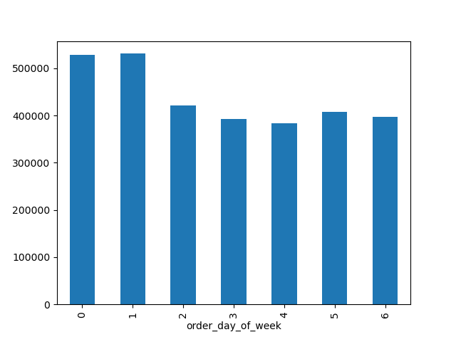

Key Question 2 : They also want to know whether there are particular times of the day when people spend the most money
Answer
2
Order cost varied from around $72 to $88, with maximum values during days '0' ( Saturday) and '6' (Friday)
More expensive orders peaked between 9pm and 11pm. Least expensive orders were more common at 6pm

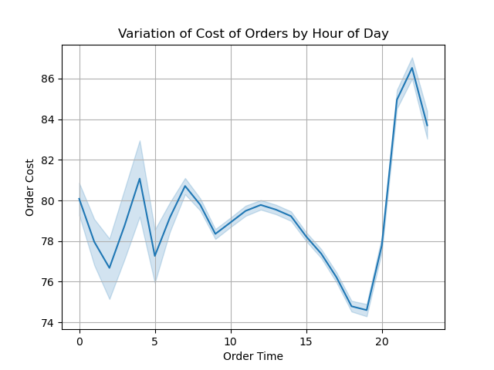
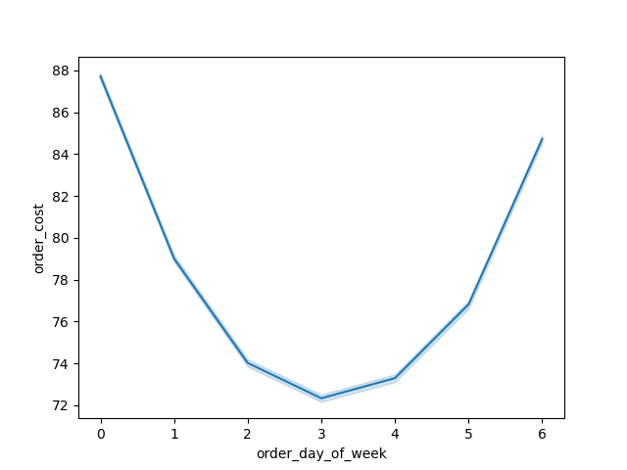
Cost of order by day of the week

Key Question 3 : Marketing and sales want to use simpler price range groupings to help direct their efforts
Answer
3
high-range product' for ‘prices’ >15 / ‘mid-range product' for ‘prices’ >5 & <=15 / ‘low-range product' for ‘prices’ <=5
Most products are in the mid-range category
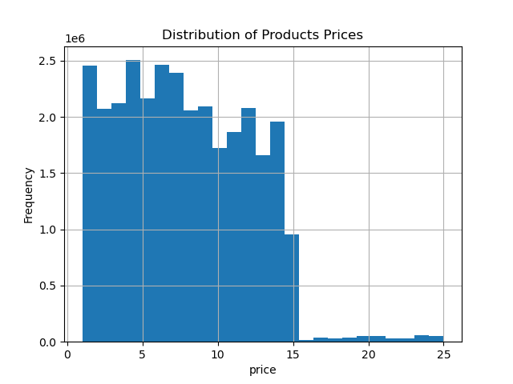

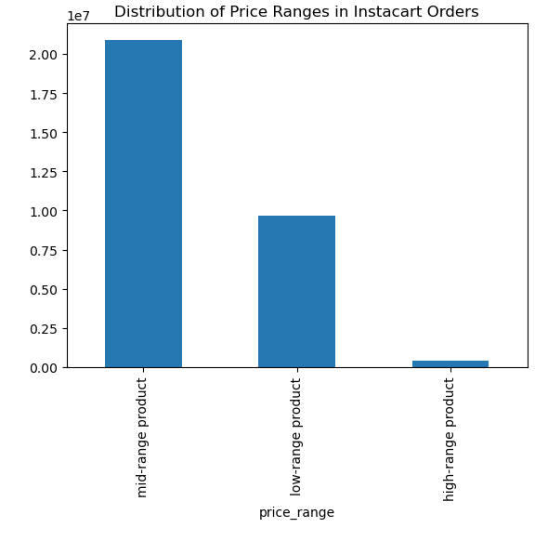

Key Question 4 : Are there certain types of products that are more popular than others? The marketing and sales teams want to know which departments have the highest frequency of product orders
Answer
4
The top 5 best selling departments are ordered in the table below, being produce the top selling one.

department name | department revenue
produce | 72455761.7
dairy eggs | 43116767.2
beverages | 19758722.7
frozen | 16408884
pantry | 14287456.5
Top Selling Departments

Top 10 selling products by income group
high income group | low income group | medium income group | medium income group
Banana | Banana | Banana | Banana
Bag of Organic Bananas | Bag of Organic Bananas | Bag of Organic Bananas | Bag of Organic Bananas
Organic Strawberries | Organic Strawberries | Organic Strawberries | Organic Strawberries
Organic Baby Spinach | Organic Baby Spinach | Organic Baby Spinach | Organic Baby Spinach
Organic Hass Avocado | Organic Hass Avocado | Organic Hass Avocado | Organic Hass Avocado
Organic Avocado | Strawberry | Organic avocado | Organic avocado
Large Lemon | Organic avocado | Large Lemon | Large Lemon
Organic Whole Milk | Organic Raspberries | Limes | Limes
Limes | Large Lemon | Organic Whole Milk | Organic Whole Milk
Organic Raspberries | Organic Half & Half | Organic Raspberries | Organic Raspberries

Key Question 5 : What’s the distribution among users in regards to their brand loyalty (i.e., how often do they return to Instacart)
Answer
5

Most clients are regular customers, meaning they have done between 11 and 40 orders. The median days between orders is 7 days
Loyal customer for max_order_per_user >40 // Regular customer for max_order_per_user <=40 and >10 // New customer for max_order_per_user <=10

If median of 'days_since_prior_order' <= 7 = 'frequent-customer’ / If median > 7 = 'non-frequent-customer'
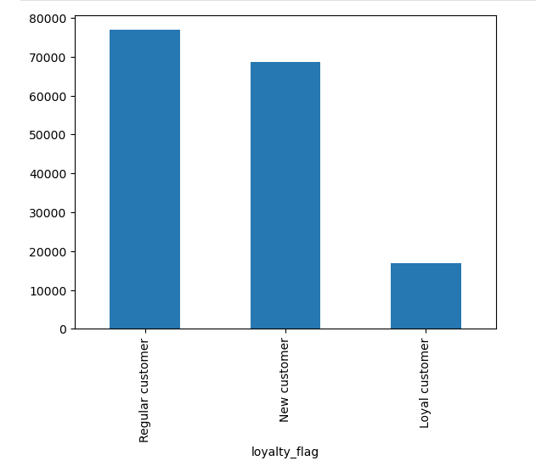
Customer breakdown by loyalty flag
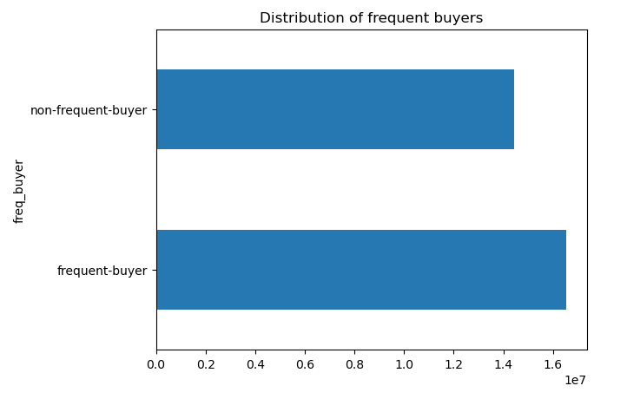

Key Question 6 : Are there differences in ordering habits based on a customer’s loyalty status
Answer
6
Regardless of loyalty status, customers exhibit consistent spending patterns in terms of both order cost and product quantity.
Median of order_cost is higher than mean, indicating that the data is right skewed, tha is why I used median for the flagging

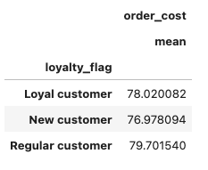
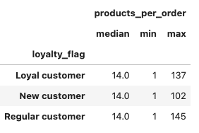

Key Question 7 : Are there differences in ordering habits based on a customer’s region?
Answer
7
Despite regional variations, customer ordering habits remain largely consistent. The Southern region accounts for the highest volume of orders. Across all regions, a majority of customers exhibit frequent or regular purchasing behavior as of the analysis date.

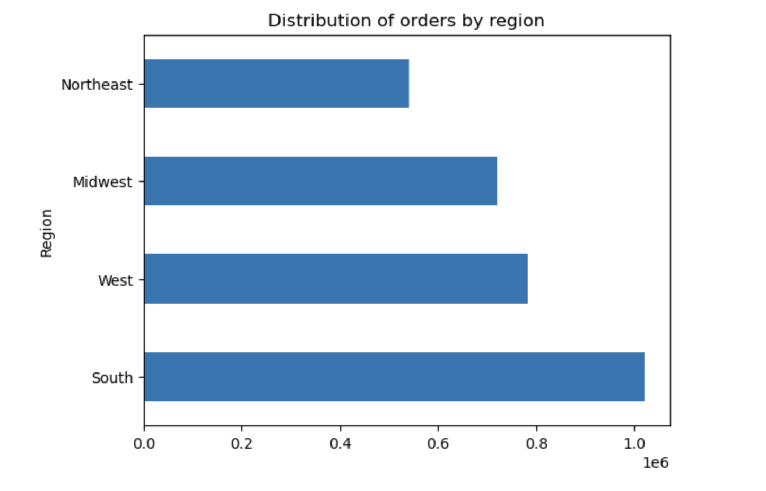

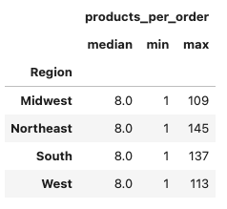
Median, Min and Max number of products per order by Region
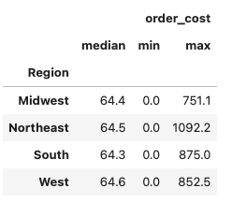
Median, Min and Max cost of order by Region

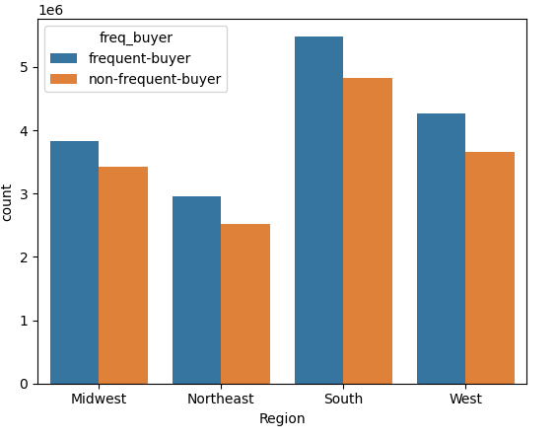
Customer Purchase Frequency by Region
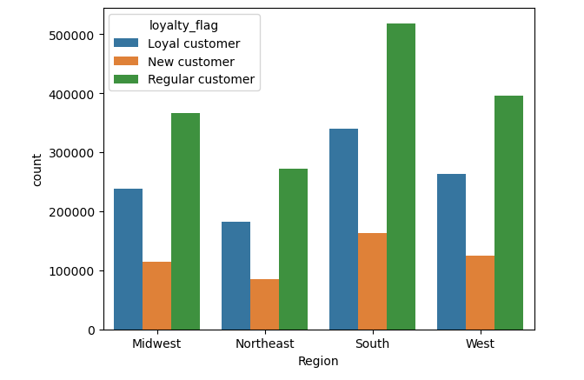
Customer Loyalty Status by Region
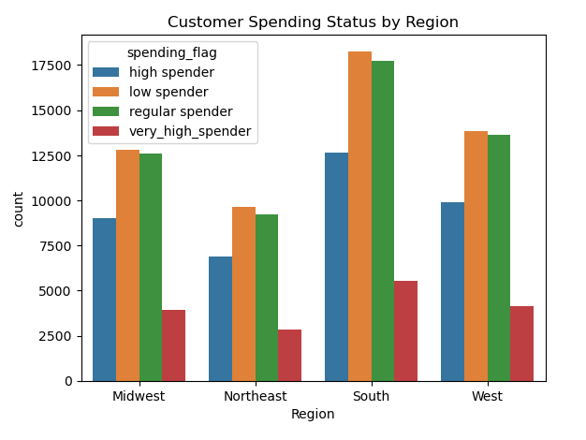

Key Question 8 :Is there a connection between age and family status in terms of ordering habits?
Answer
8
Most clients are mature and/or married
Married customers exhibit a significant tendency towards less frequent purchasing compared to their non-married counterparts. The number of married individuals who are non-frequent buyers is approximately 1.8 times higher than those who are frequent buyers. No other significant difference was observed.
age <= 21 = very young / 21 > age <=40 = young / 40 > age <= 65 = mature / age >65 = senior

low spender' for 'mean_ order_cost' <= 67 /‘ regular spender' for 'mean_ order_cost' <=108 and >67 / ‘high spender' for 'mean_ order_cost' <= 162 and >108 / >162 = very_high_spender'

Customer Age Breakdown
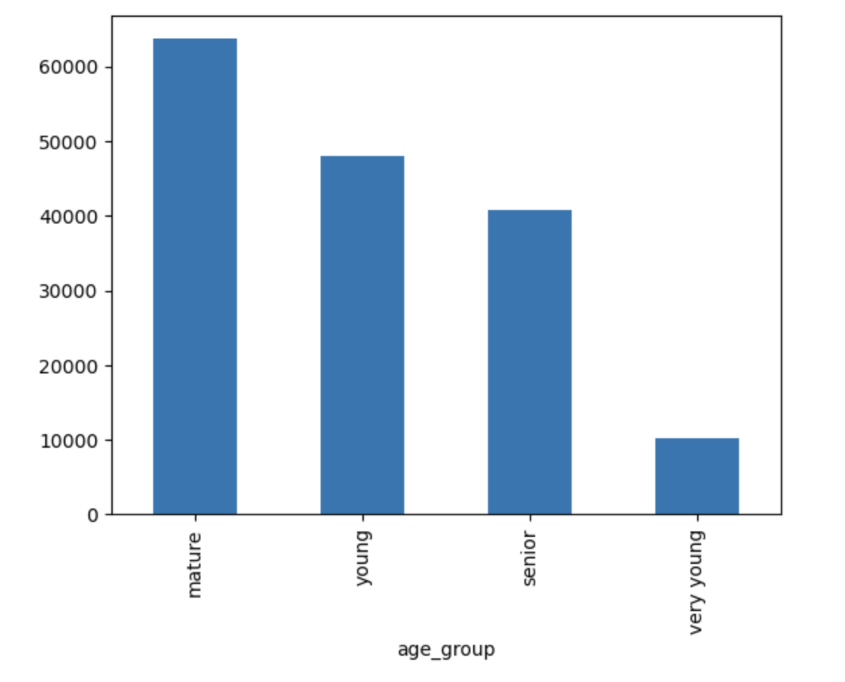
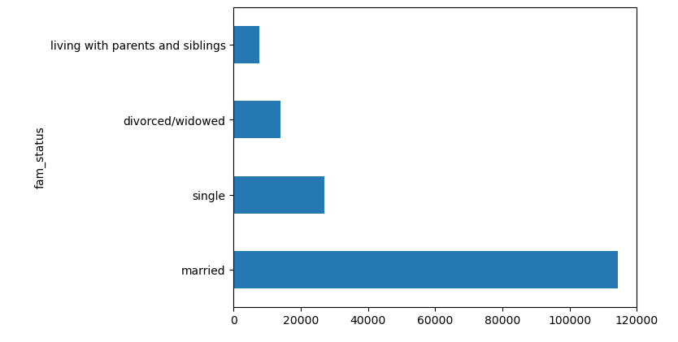
Customer Family Status Breakdown

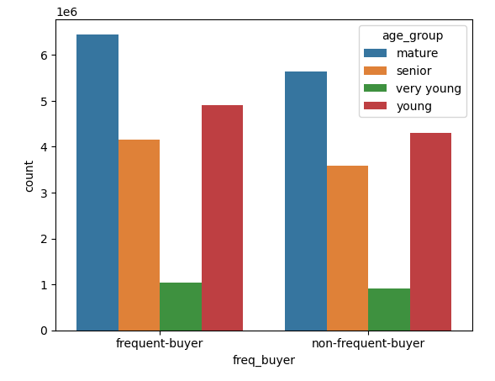
Purchase Frequency by Age Group
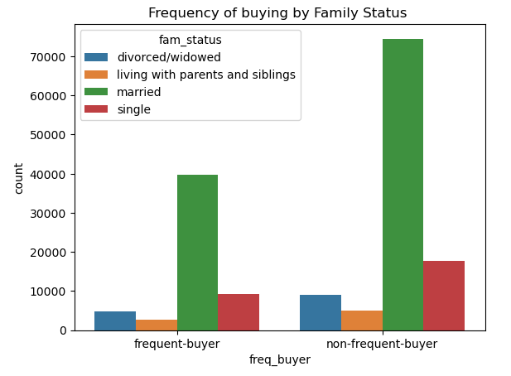

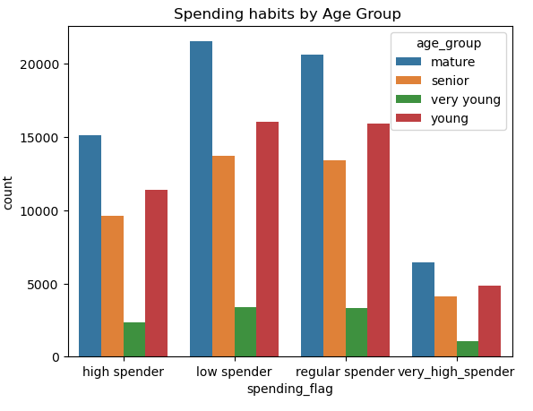

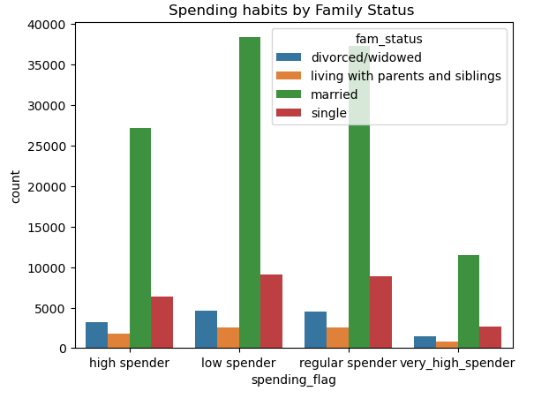

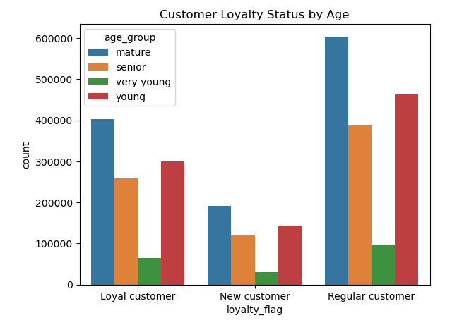
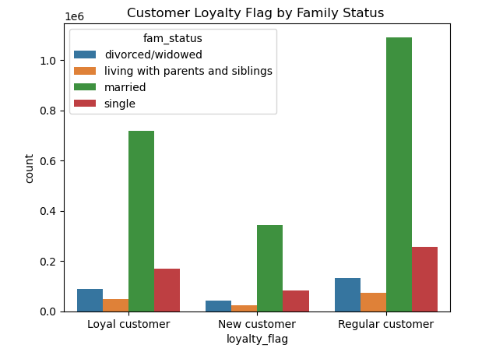

Key Question 9: What different classifications does the demographic information suggest? Age? Income? Certain types of goods? Family status?
Answer
9
Our typical customer is a married individual aged 40-65, residing in the Southern region. They are a frequent shopper, who have placed an average of 10-40 orders, with a roughly 7-day interval between purchases. Their annual income is estimated to be below $68,000, and they primarily purchase mid-range produce. On average, they spend approximately $67 per order.

low = <25th (67.292) / medium = between 25th and 50th percentiles (67.292 and 96.765) / high = between 50th and 75th percentiles (96.765 and 128.102) / very high = >75th percentile

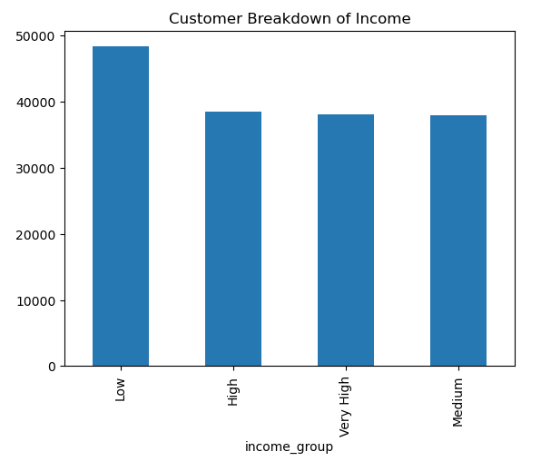

Key Question 10 : What differences can you find in ordering habits of different customer profiles? Consider the price of orders, the frequency of orders, the products customers are ordering, and anything else you can think of
Answer
10
While most income groups exhibit a majority of regular spenders, low-income customers present a distinct pattern; they are mostly low-spenders. Despite purchasing less expensive products, low-income individuals maintain a similar number of products per order compared to higher-income groups.

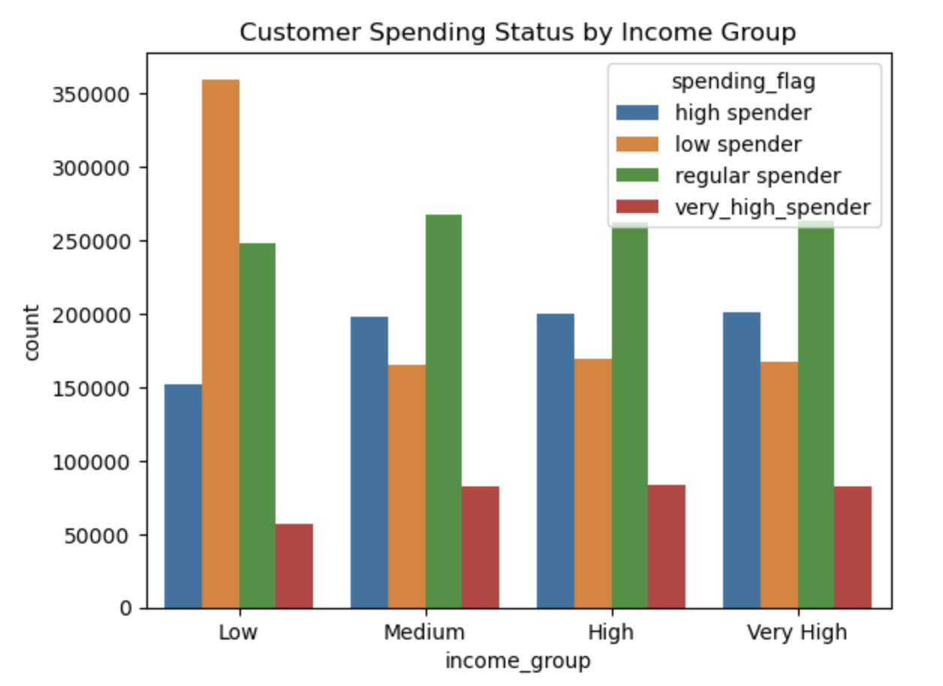

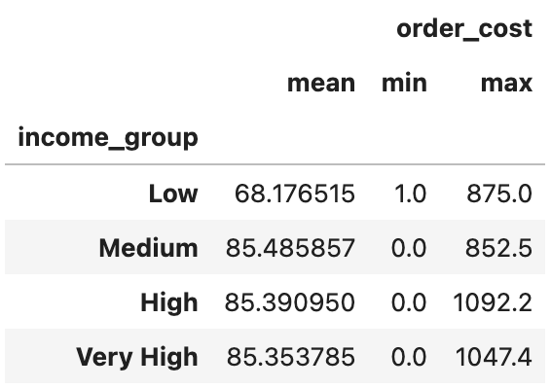
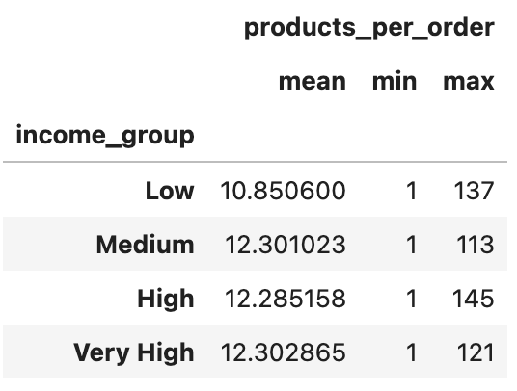

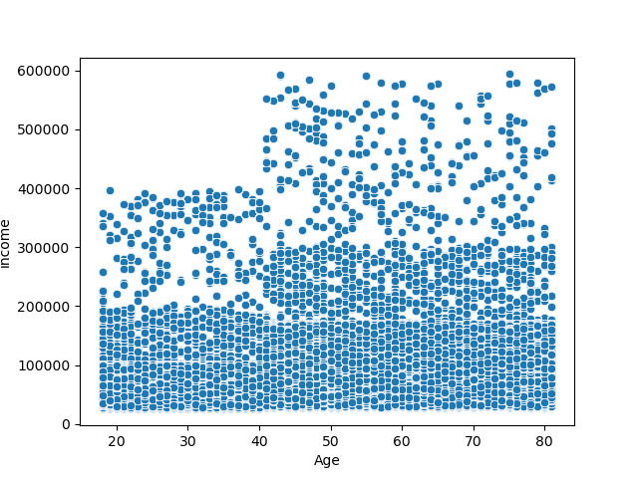
Relationship between customers income and age

7. Final Recommendations
 | Title page

Final Recommendations

To capitalize on the high volume of weekend orders, consider implementing special promotions or limited-time offers during these periods. For customers who frequently shop in the evening, offering discounts or rewards between 7 PM and 11 PM can further stimulate spending. To tailor marketing efforts effectively, segment customers based on their income level and product preferences. For instance, exclusive deals on mid-range products can be offered to low-income customers.

To maintain customer loyalty and encourage repeat purchases, implementing a loyalty program with rewards and benefits is recommended. Additionally, providing personalized product recommendations based on customer data can enhance the shopping experience and foster customer satisfaction.

