Retirement Dashboard
It's time to plan for your retirement. |  |  |  |  |  | Singaporean CPF Allocation Rates (From 2025 Jan 1) Salary above $750/Month |  |  |  |  |  |  |  | Retirement Sum (Est FRS Increase 3% to 3.5% pa) |  |  |  |  | Estimated Pay Out (Est increase 3% to 3.5%pa)
Before we begin, let’s understand how ready you are for retirement. |  |  |  |  |  | Age Band | Total CPF | OA | SA | MA | Total | Employer | Employee | Age | Year | BRS | FRS | ERS | BRS | FRS | ERS
2025 |  |  |  |  |  | 35 & Below | 37.00% | 23% | 6% | 8% | 37.00% | 17.00% | 20.00% | 27 | 2025 | $106,500 | $213,000 | $426,000 | $840 | $1,590 | $3,330
 |  |  |  |  |  | Above 35-45 | 37.00% | 21.00% | 7.00% | 9.00% | 37.00% | 17.00% | 20.00% | 28 | 2026 | $110,200 | $220,440 | $440,800 | $850 | $1,600 | $3,440
VIP Information |  |  |  |  |  | Above 45-50 | 37.00% | 19.00% | 8.00% | 10.00% | 37.00% | 17.00% | 20.00% | 29 | 2027 | $114,100 | $228,200 | $456,400 | $900 | $1,670 | $3,550
Your Name | Siti | Desired Retirement Age | 65 |  |  | Above 50-55 | 37.00% | 15.00% | 11.50% | 10.50% | 37.00% | 17.00% | 20.00% | 30 | 2028 | $118,059 | $236,187 | $472,374 | $930 | $1,730 | $3,668
Gender | Female | Choice of CPFL | FRS |  |  | Above 55-60 | 29.95% | 10.03% | 8.91% | 11.01% | 32.50% | 15.50% | 17.00% | 31 | 2029 | $122,191 | $244,454 | $488,907 | $950 | $1,780 | $3,789
Your Birthday | 1999-06-20 |  |  |  |  | Above 60-65 | 23.43% | 3.67% | 8.54% | 11.21% | 23.50% | 12.00% | 11.50% | 32 | 2030 | $126,468 | $253,009 | $506,019 | $980 | $1,840 | $3,914
Your Age Current | 27 |  |  |  |  | Above 65 -70 | 16.50% | 1.00% | 5.00% | 10.50% | 16.50% | 9.00% | 7.50% | 33 | 2031 | $130,894 | $261,865 | $523,729 | $1,010 | $1,900 | $4,044
Current Gross Wage Per month | $4,000 |  |  |  |  | Above 70 | 12.50% | 1.00% | 1.00% | 10.50% | 12.50% | 7.50% | 5.00% | 34 | 2032 | $135,476 | $271,030 | $542,060 | $1,040 | $1,960 | $4,178
TTL mths of salary +AWS+Bonus | $14 |  |  |  |  |  |  |  |  |  |  |  |  | 35 | 2033 | $140,217 | $280,516 | $561,032 | $1,070 | $2,020 | $4,316
Current Gross Wage per Year | $56,000 |  |  |  |  |  |  |  |  |  |  |  |  | 36 | 2034 | $145,125 | $290,334 | $580,668 | $1,100 | $2,080 | $4,459
Current Additional Month OA | $920 | OA Band | 23% |  |  |  |  |  |  |  |  |  |  | 37 | 2035 | $150,204 | $300,496 | $600,992 | $1,130 | $2,140 | $4,606
Current Additional Month SA | $240 | SA Band | 6% |  |  |  |  |  |  |  |  |  |  | 38 | 2036 | $155,462 | $311,013 | $622,026 | $1,160 | $2,200 | $4,759
Current Additional Month MA | $320 | MA Band | 8% |  |  |  |  |  |  |  |  |  |  | 39 | 2037 | $160,903 | $321,899 | $643,797 | $1,190 | $2,260 | $4,916
Employer CPF Contribution | $680 | Employer Contribution | 17% |  |  |  |  |  |  |  |  |  |  | 40 | 2038 | $166,534 | $333,165 | $666,330 | $1,220 | $2,320 | $5,079
Employee CPF Contribution | $800 | Employee Contribution | 20% |  |  |  |  |  |  |  |  |  |  | 41 | 2039 | $172,363 | $344,826 | $689,652 | $1,250 | $2,380 | $5,247
Total CPF Contribution | $1,480 |  |  |  |  |  |  |  |  |  |  |  |  | 42 | 2040 | $178,396 | $356,895 | $713,790 | $1,280 | $2,440 | $5,421
OA Balance YTD | $21,000 | Estimated OA | $187,704 |  |  |  |  |  |  |  |  |  |  | 43 | 2041 | $184,640 | $369,386 | $738,772 | $1,310 | $2,500 | $5,600
SA Balance YTD | $60,000 | Estimated SA | $48,941 |  |  |  |  |  |  |  |  |  |  | 44 | 2042 | $191,102 | $382,315 | $764,629 | $1,340 | $2,560 | $5,786
MA Balance YTD | $40,000 | Estimated MA | $65,275 |  |  |  |  |  |  |  |  |  |  | 45 | 2043 | $197,790 | $395,696 | $791,391 | $1,370 | $2,620 | $5,977
 |  |  |  |  |  |  |  |  |  |  |  |  |  | 46 | 2044 | $204,713 | $409,545 | $819,090 | $1,400 | $2,680 | $6,175
CPFL |  |  |  |  |  |  |  |  |  |  |  |  |  | 47 | 2045 | $211,878 | $423,879 | $847,758 | $1,430 | $2,740 | $6,380
Year Age 55 | 2054 | Years to Age 55 | 28 |  |  |  |  |  |  |  |  |  |  | 48 | 2046 | $219,294 | $438,715 | $877,430 | $1,460 | $2,800 | $6,591
Estimated BRS | $288,768 | Estimated Payout | $1,700 |  |  |  |  |  |  |  |  |  |  | 49 | 2047 | $226,969 | $454,070 | $908,140 | $1,490 | $2,860 | $6,809
Estimated FRS | $577,704 | Estimated Payout | $3,280 |  |  |  |  |  |  |  |  |  |  | 50 | 2048 | $234,913 | $469,962 | $939,925 | $1,520 | $2,920 | $7,034
Estimated ERS | $1,155,407 | Estimated Payout | $8,552 |  |  |  |  |  |  |  |  |  |  | 51 | 2049 | $243,135 | $486,411 | $972,822 | $1,550 | $2,980 | $7,267
 |  |  |  |  |  |  |  |  |  |  |  |  |  | 52 | 2050 | $251,645 | $503,435 | $1,006,871 | $1,580 | $3,040 | $7,508
Inflation Adjusted | 2% | Inflation Adjusted BRS | $966 |  |  |  |  |  |  |  |  |  |  | 53 | 2051 | $260,452 | $521,056 | $1,042,111 | $1,610 | $3,100 | $7,756
 |  | Inflation Adjusted FRS | $1,863 |  |  |  |  |  |  |  |  |  |  | 54 | 2052 | $269,568 | $539,293 | $1,078,585 | $1,640 | $3,160 | $8,013
 |  | Inflation Adjusted ERS | $4,857 |  |  |  |  |  |  |  |  |  |  | 55 | 2053 | $279,003 | $558,168 | $1,116,335 | $1,670 | $3,220 | $8,278
 |  |  |  |  |  |  |  |  |  |  |  |  |  | 56 | 2054 | $288,768 | $577,704 | $1,155,407 | $1,700 | $3,280 | $8,552
Accumulation CPFL At Age 65 |  |  |  |  |  |  |  |  |  |  |  |  |  | 57 | 2055 | $298,875 | $597,923 | $1,195,846 | $1,730 | $3,340 | $8,835
Estimated Accumulation CPFL BRS | $427,447 | Estimated Accumulation FRS | $855,142 |  |  |  |  |  |  |  |  |  |  | 58 | 2056 | $309,336 | $618,851 | $1,237,701 | $1,760 | $3,400 | $9,128
Monthly Payout till Age 80 | $306,000 | Monthly Payout till Age 80 | $590,400 |  |  |  |  |  |  |  |  |  |  | 59 | 2057 | $320,162 | $640,510 | $1,281,021 | $1,790 | $3,460 | $9,430
CPBL Death Payout | $121,447 | CPBL Death Payout | $264,742 |  |  |  |  |  |  |  |  |  |  | 60 | 2058 | $331,368 | $662,928 | $1,325,856 | $1,820 | $3,520 | $9,742
 |  |  |  |  |  |  |  |  |  |  |  |  |  | 61 | 2059 | $342,966 | $686,131 | $1,372,261 | $1,850 | $3,580 | $10,064
 |  |  |  |  |  |  |  |  |  |  |  |  |  | 62 | 2060 | $354,970 | $710,145 | $1,420,290 | $1,880 | $3,640 | $10,397
Medical Insurance |  |  |  |  |  |  |  |  |  |  |  |  |  | 63 | 2061 | $358,870 | $735,000 | $1,470,001 | $1,910 | $3,700 | $10,742
Private Hospital Plan | Yes
Careshield | Yes
Private Careshield Plan | Yes | Term (Till Age 67/84) | 67

When do you wish to retire? |  | 65
Years of Retirement |  | 25 |  | Yrs Old
 |  | Your Age will be | 90
Accumulation Years |  | #REF!
Desired Monthly Supplement |  | $1,000
 |  |  |  | 2.00%
Desired Monthly Fund |  | $1,000 | Inflation Rate | $2,122
Monthly Fund At Retirement Age |  | 65 | will become | $636,690
Total Fund Needed |  | 25 | will become

 |  |  |  | 2054
2.Your eligibility for CPF Life at Age 55 |  | Year | 2054-06-03
OA Accumulated Amount by age | 55 | $93,498
SA Accumulated Amount by age | 55 | $373,778
MA Accumulated Amount by age | 55 | $75,500
RA Accumulated Amount by age | 55 | $467,276

 | Sum Required | Eligibility | Est Monthly Payout
Current OA | $21,000
Current SA | $60,000
Current MA | #REF! |  |  |  | $4,032
FRS | $261,865 | Yes | $1,900 |  | $8,582
ERS | $523,729 | No | $4,044 |  | $2,144
BRS | $130,894 | Yes | $1,010
Surplus/Shortfall to achieve FRS | $205,411

Let's gauge how much funds you need to set aside for your retirement.

When do you wish to retire? |  | 65
Years of Retirement |  | 25 |  | Yrs Old
 |  | Your Age will be | 90
Accumulation Years |  | 38
Desired Monthly Supplement |  | $1,000
 |  |  |  | 2.00%
Desired Monthly Fund |  | $1,000 | Inflation Rate | $2,122
Monthly Fund At Retirement Age |  | 65 | will become | $636,690
Total Fund Needed |  | 25 | will become

Retirement Funds

4.Let's estimate how much you will have at retirement with your current savings and investments. |  |  |  | 65
At Retirement |  | Accumulated Amount by age
CPF OA |  | $162,762
CPF SA |  | $714,215
 |  |  |  | 55
Option A. After FRS |  | Accumulated Amount by age
CPF OA |  | $93,498
CPF SA |  | $111,913
 |  |  |  | 55
Option B. After ERS |  | Accumulated Amount by age
CPF OA |  | -$56,454
CPF SA |  | $0
 |  |  |  | 55
Option C. After BRS |  | Accumulated Amount by age
CPF OA |  | $93,498
CPF SA |  | $242,884 |  | Age

CPF Life payout |  | 65
WL Age |  | 90

 |  |  |  |  | 65 | CPFL Payout | Total Income | Age Cash withdrawal Ends
Cash Withdrawal |  | Age 56 | Age |  | $248,502 | $1,900 | $2,900 | 63
Total CPFL Payout Est (Full) |  | $1,000 | CPFL (FRS) |  | $121,551 | $4,044 | $5,044 | 57
Total CPFL Payout Est (Enhanced) |  | $1,000 | CPFL (FRS) |  | $346,822 | $1,010 | $2,010 | 90
Total CPFL Payout Est (Basic) |  | $1,000 | CPFL (BRS)

Lets See if you can afford Dream Home
House Price |  | 350,000
CPF OA-Today |  | $21,000 |  | Private-20%
DP% |  | HDB -10% |  | $70,000
DP |  | $35,000
Remaining OA after DP |  | -$14,000
Additional Cash Outlay |  | $0
Max Loan Years |  | 30
House Price Less DP |  | $315,000
CPF OA after DP |  | -$14,000
Loan Needed |  | $329,000
Loan % |  | 2.6%
Monthly Loan Repayment |  | $1,288
Monthly OA Housing Loan from OA |  | $920
Cash Top up |  | $368
3.Let's take a look at your current CPF expenses to see if you will be eligible for FRS at retirement.
Medishield (MA) |  | $525
Private Shield(MA) |  | $600
Care Shield |  | $500
Care Shield Enhancement |  | $341
Housing Loan repayment monthly (OA) |  | $0
# Years of remaining Loans |  | 0
DPS (OA) |  | $93
Education Loan (OA) |  | 0

SRS
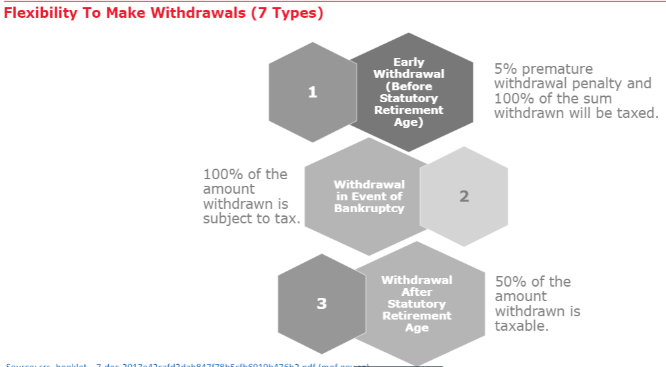
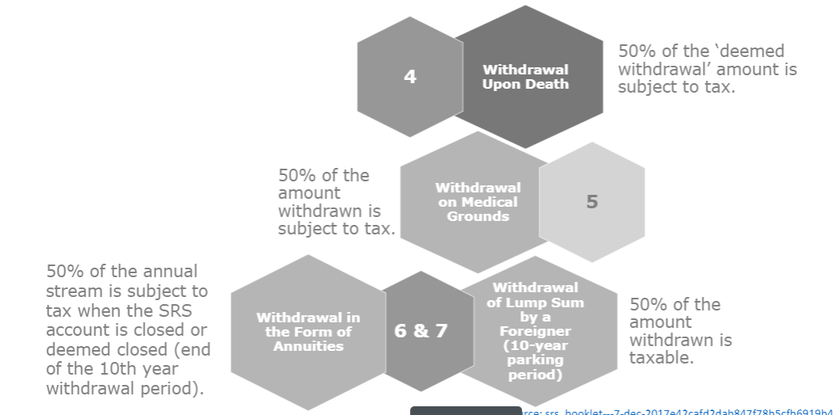
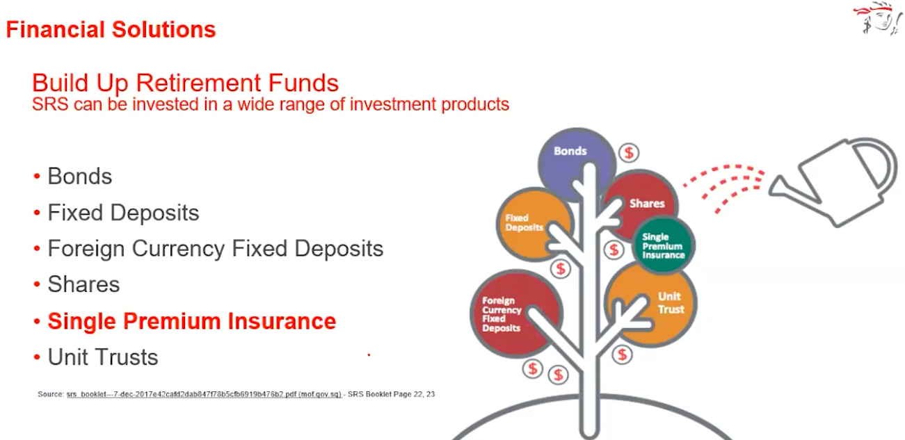
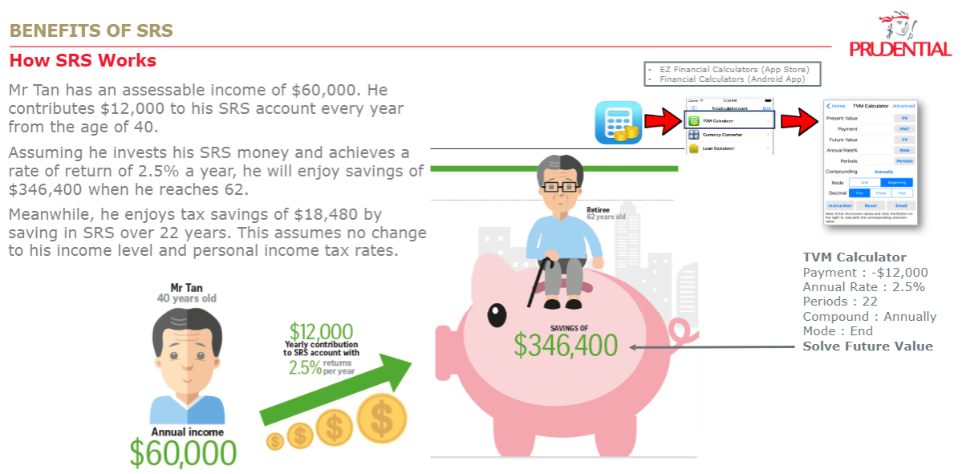
 |  |  |  |  |  |  |  |  |  |  | From YA 2024 onwards
 | Without SRS | With SRS | Age | 54 | Working Yrs (Before Age 62) | 8 |  |  |  |  | Chargeable Income | Income Tax Rate (%) | Gross Tax Payable ($)
Annual Income | $168,000 | $168,000 | Holding Period | Single Premium | Holding Period |  |  |  |  |  | First $20,000 | 0.00 | $0.00
Monthly Income | $14,000 | $14,000 | 10 | $15,300 |  |  |  |  |  |  | Next $10,000 | 2.00 | $200.00
 |  |  |  |  |  |  |  |  |  |  | First $30,000 | - | $200.00
SRS Annual Contribution | $0 | $15,300 | Tax saving | Interest Yield | Interest Rate | FV |  |  |  |  | Next $10,000 | 3.50 | $350.00
Assessable Income | $168,000 | $152,700 | $2,754 | $782 | 0.50% | $16,082 |  |  |  |  | First $40,000 | - | $200.00
 |  |  | Capital Guaranteed Savings
Total Tax Payable | $15,390 | $12,636 | $2,754 | $4,807 | 2.77% | $20,107 |  |  |  |  | Next $40,000 | 7.00 | $2,800.00
 |  |  | ROI | $7,561 | 5%
 |  |  |  |  |  |  |  |  |  |  | First $80,000 | - | $3,350.00
Chargeable Income Bracket | Income Tax Rate (%) | Chargeable Income WithOut SRS | Payable Tax | Chargeable Income With SRS | Payable Tax |  |  |  |  |  | Next $40,000 | 11.50 | $4,600.00
1st 20K | 0% | $20,000.00 | $- | $20,000.00 | $- |  |  |  |  |  | First $120,000 | - | $7,950.00
Next 10K (30K) | 2% | $10,000.00 | $200.00 | $10,000.00 | $200.00 |  |  |  |  |  | Next $40,000 | 15.00 | $6,000.00
Next 10K (40K) | 3.50% | $10,000.00 | $350.00 | $10,000.00 | $350.00 |  |  |  |  |  | First $160,000 | - | $13,950.00
Next 40K (80K) | 7% | $40,000.00 | $2,800.00 | $40,000.00 | $2,800.00 |  |  |  |  |  | Next $40,000 | 18.00 | $7,200.00
Next 40K (120K) | 11.50% | $40,000.00 | $4,600.00 | $40,000.00 | $4,600.00 |  |  |  |  |  | First $200,000 | - | 1957-11-26
Next 40K (160K) | 15.00% | $40,000.00 | $6,000.00 | $40,000.00 | $6,000.00 |  |  |  |  |  | Next $40,000 | 19.00 | $7,600.00
Next 40K (200K) | 18.00% | $8,000.00 | $1,440.00 | -$7,300.00 | -$1,314.00 |  |  |  |  |  | First $240,000 | - | $28,750.00
Next 40K (240K) | 19.00% | $- | $- | $- | $- |  |  |  |  |  | Next $40,000 | 19.50 | $7,800.00
Next 40K (280K) | 19.50% | $- | $- | $- | $- |  |  |  |  |  | First $280,000 | - | $36,550.00
Next 40K (320K) | 20.00% | $- | $- | $- | $- |  |  |  |  |  | Next $40,000 | 20.00 | $8,000.00
Next 180K (500K) | 22.00% | $- | $- | $- | $- |  |  |  |  |  | First $320,000 | - | 2021-12-20
Next 500K (1M) | 23.00% | $- | $- | $- | $- |  |  |  |  |  | Next $180,000 | 22.00 | $39,600.00
In excess of 1M | 24.00% | $- | $- | $- | $- |  |  |  |  |  | First $500,000 | - | $84,150.00
Total Tax Payable |  | $168,000.00 | $15,390.00 | $152,700.00 | $12,636.00 |  |  |  |  |  | Next $500,000 | 23.00 | $115,000.00
 |  |  |  |  |  |  |  |  |  |  | First $1,000,000 | - | $199,150.00
 | 10Y Tax Penalty Free Withdrawal Period |  |  | Total Capital | $153,000.000 |  |  |  |  |  | In excess of $1,000,000 | 24.00
Age | 62 | 63 | 64 | 65 | 66 | 67 | 68 | 69 | 70 | 71
Withdrawal Amount | $15,300 | $15,300 | $15,300 | $15,300 | $15,300 | $15,300 | $15,300 | $15,300 | $15,300 | $15,300
1st 20,000 of SRS income is tax free
Tax Paid | $0 | $0 | $0 | $0 | $0 | $0 | $0 | $0 | $0 | $0

