Sheet1
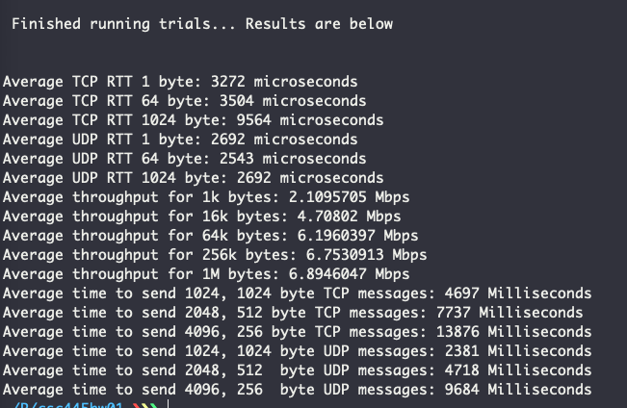
Trial | Client | Server | TCP RTT (microseconds)
1 | rho | pi |  | Trial 1 | Trial 2 | Trial 3
2 | Andy Vadnais Laptop (off campus) | pi | 1 byte | 368 |  | 3272
3 | My Laptop (on campus wifi) | pi | 64 bytes | 606 |  | 3504
 |  |  | 1024 bytes | 4756 |  | 9564

 | Note: everything was run 5 times and averaged
 | to get more accurate results with less outliars |  | UDP RTT (microseconds)
 |  |  |  | Trial 1 | Trial 2 | Trial 3
 |  |  | 1 byte | 320 |  | 2692
 |  |  | 64 bytes | 143 |  | 2543
 |  |  | 1024 bytes | 175 |  | 2692

 |  |  | TCP Throughput
 |  |  |  | Trial 1 | Trial 2 | Trial 3
 |  |  | 1k bytes | 4.5933237 |  | 2.1095705
 |  |  | 16k bytes | 5.7056417 |  | 4.70802
 |  |  | 64k bytes | 7.1572046 |  | 6.1960397
 |  |  | 256k bytes | 8.691278 |  | 6.7530913
 |  |  | 1M bytes | 9.589992 |  | 6.8946047

 |  |  | TCP Interaction
 |  |  |  | Trial 1 | Trial 2 | Trial 3
 |  |  | 1024-1024 | 1253 |  | 4697
 |  |  | 2048-512 | 1713 |  | 7737
 |  |  | 4096-256 | 1935 |  | 13876

 |  |  | UDP Interaction
 |  |  |  | Trial 1 | Trial 2 | Trial 3
 |  |  | 1024-1024 | 107 |  | 2381
 |  |  | 2048-512 | 188 |  | 4718
 |  |  | 4096-256 | 334 |  | 9684

 | trial 3

