Sheet1
Baseline | normalized | gray scaled | normalized and gray scaled | normalized and gray scaled: Epoch = 50 | normalized, gray scaled and dropout

0.717 | 0.702 | 0.882 | 0.661 | 0.66 | 0.521
0.637 | 0.625 | 0.795 | 0.623 | 0.592 | 0.574

0.876 | 0.865 | 0.945 | 0.835 | 0.808 | 0.723
0.769 | 0.792 | 0.858 | 0.783 | 0.734 | 0.754

0.917 | 0.914 | 0.969 | 0.898 | 0.865 | 0.796
0.808 | 0.822 | 0.882 | 0.831 | 0.792 | 0.821

0.922 | 0.924 | 0.972 | 0.935 | 0.867 | 0.845
0.825 | 0.832 | 0.875 | 0.852 | 0.776 | 0.864

0.954 | 0.947 | 0.975 | 0.941 | 0.931 | 0.87
0.827 | 0.855 | 0.875 | 0.883 | 0.832 | 0.876

0.957 | 0.964 | 0.982 | 0.959 | 0.945 | 0.886
0.857 | 0.874 | 0.898 | 0.882 | 0.849 | 0.885

0.978 | 0.967 | 0.992 | 0.97 | 0.956 | 0.9
0.863 | 0.868 | 0.897 | 0.912 | 0.856 | 0.892

0.981 | 0.978 | 0.985 | 0.97 | 0.959 | 0.917
0.86 | 0.884 | 0.898 | 0.897 | 0.855 | 0.91

0.982 | 0.977 | 0.98 | 0.979 | 0.963 | 0.92
0.871 | 0.88 | 0.897 | 0.907 | 0.852 | 0.915

0.984 | 0.976 | 0.985 | 0.984 | 0.97 | 0.926
0.863 | 0.872 | 0.89 | 0.903 | 0.861 | 0.92

0.986 | 0.983 | 0.995 | 0.985 | 0.976 | 0.936
0.866 | 0.889 | 0.908 | 0.906 | 0.865 | 0.923

0.976 | 0.984 | 0.99 | 0.984 | 0.979 | 0.936
0.859 | 0.893 | 0.893 | 0.902 | 0.862 | 0.921

0.99 | 0.987 | 0.988 | 0.984 | 0.973 | 0.947
0.887 | 0.895 | 0.908 | 0.89 | 0.851 | 0.929

0.989 | 0.986 | 0.991 | 0.987 | 0.988 | 0.95
0.874 | 0.899 | 0.905 | 0.901 | 0.881 | 0.934

0.99 | 0.983 | 0.997 | 0.993 | 0.981 | 0.955
0.892 | 0.892 | 0.91 | 0.907 | 0.874 | 0.938

0.987 | 0.991 | 0.994 | 0.986 | 0.987 | 0.959
0.877 | 0.894 | 0.903 | 0.918 | 0.872 | 0.943

0.987 | 0.99 | 0.991 | 0.993 | 0.988 | 0.96
0.881 | 0.9 | 0.899 | 0.915 | 0.881 | 0.938

0.989 | 0.994 | 0.994 | 0.987 | 0.988 | 0.963
0.886 | 0.91 | 0.909 | 0.899 | 0.879 | 0.942

0.991 | 0.988 | 0.991 | 0.995 | 0.986 | 0.965
0.893 | 0.897 | 0.901 | 0.921 | 0.89 | 0.944

0.996 | 0.996 | 0.989 | 0.994 | 0.987 | 0.964
0.906 | 0.907 | 0.904 | 0.91 | 0.887 | 0.946
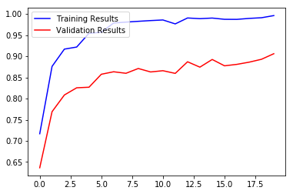
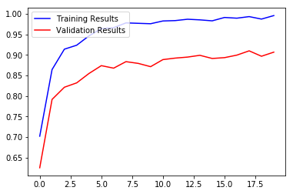
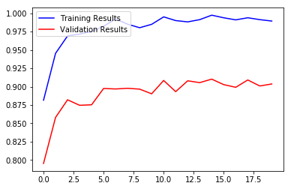
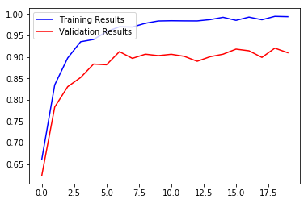
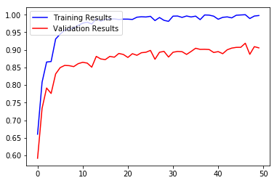
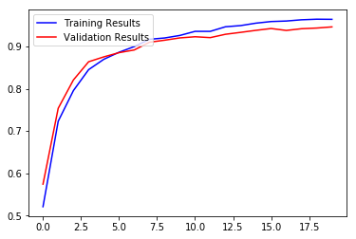
 |  |  |  | 0.987
 |  |  |  | 0.878

 |  |  |  | 0.986
 |  |  |  | 0.889

 |  |  |  | 0.993
 |  |  |  | 0.885

 |  |  |  | 0.994
 |  |  |  | 0.892

 |  |  |  | 0.993
 |  |  |  | 0.893

 |  |  |  | 0.995
 |  |  |  | 0.898

 |  |  |  | 0.983
 |  |  |  | 0.873

 |  |  |  | 0.992
 |  |  |  | 0.893

 |  |  |  | 0.984
 |  |  |  | 0.896

 |  |  |  | 0.981
 |  |  |  | 0.88

 |  |  |  | 0.996
 |  |  |  | 0.893

 |  |  |  | 0.996
 |  |  |  | 0.895

 |  |  |  | 0.992
 |  |  |  | 0.895

 |  |  |  | 0.996
 |  |  |  | 0.887

 |  |  |  | 0.993
 |  |  |  | 0.895

 |  |  |  | 0.996
 |  |  |  | 0.905

 |  |  |  | 0.986
 |  |  |  | 0.901

 |  |  |  | 0.999
 |  |  |  | 0.902

 |  |  |  | 0.999
 |  |  |  | 0.901

 |  |  |  | 0.996
 |  |  |  | 0.893

 |  |  |  | 0.987
 |  |  |  | 0.895

 |  |  |  | 0.992
 |  |  |  | 0.889

 |  |  |  | 0.994
 |  |  |  | 0.9

 |  |  |  | 0.991
 |  |  |  | 0.905

 |  |  |  | 0.998
 |  |  |  | 0.907

 |  |  |  | 0.999
 |  |  |  | 0.907

 |  |  |  | 1
 |  |  |  | 0.919

 |  |  |  | 0.989
 |  |  |  | 0.887

 |  |  |  | 0.996
 |  |  |  | 0.909

 |  |  |  | 0.998
 |  |  |  | 0.906

