Sheet1
Baseline |  | normalized |  | gray scaled |  | normalized and gray scaled |  | normalized and gray scaled: Epoch = 50 |  | normalized, gray scaled and dropout

0.717 |  | 0.702 |  | 0.882 |  | 0.661 |  | 0.66 |  | 0.521
0.637 |  | 0.625 |  | 0.795 |  | 0.623 |  | 0.592 |  | 0.574

0.876 |  | 0.865 |  | 0.945 |  | 0.835 |  | 0.808 |  | 0.723
0.769 |  | 0.792 |  | 0.858 |  | 0.783 |  | 0.734 |  | 0.754

0.917 |  | 0.914 |  | 0.969 |  | 0.898 |  | 0.865 |  | 0.796
0.808 |  | 0.822 |  | 0.882 |  | 0.831 |  | 0.792 |  | 0.821

0.922 |  | 0.924 |  | 0.972 |  | 0.935 |  | 0.867 |  | 0.845
0.825 |  | 0.832 |  | 0.875 |  | 0.852 |  | 0.776 |  | 0.864

0.954 |  | 0.947 |  | 0.975 |  | 0.941 |  | 0.931 |  | 0.87
0.827 |  | 0.855 |  | 0.875 |  | 0.883 |  | 0.832 |  | 0.876

0.957 |  | 0.964 |  | 0.982 |  | 0.959 |  | 0.945 |  | 0.886
0.857 |  | 0.874 |  | 0.898 |  | 0.882 |  | 0.849 |  | 0.885

0.978 |  | 0.967 |  | 0.992 |  | 0.97 |  | 0.956 |  | 0.9
0.863 |  | 0.868 |  | 0.897 |  | 0.912 |  | 0.856 |  | 0.892

0.981 |  | 0.978 |  | 0.985 |  | 0.97 |  | 0.959 |  | 0.917
0.86 |  | 0.884 |  | 0.898 |  | 0.897 |  | 0.855 |  | 0.91

0.982 |  | 0.977 |  | 0.98 |  | 0.979 |  | 0.963 |  | 0.92
0.871 |  | 0.88 |  | 0.897 |  | 0.907 |  | 0.852 |  | 0.915

0.984 |  | 0.976 |  | 0.985 |  | 0.984 |  | 0.97 |  | 0.926
0.863 |  | 0.872 |  | 0.89 |  | 0.903 |  | 0.861 |  | 0.92

0.986 |  | 0.983 |  | 0.995 |  | 0.985 |  | 0.976 |  | 0.936
0.866 |  | 0.889 |  | 0.908 |  | 0.906 |  | 0.865 |  | 0.923

0.976 |  | 0.984 |  | 0.99 |  | 0.984 |  | 0.979 |  | 0.936
0.859 |  | 0.893 |  | 0.893 |  | 0.902 |  | 0.862 |  | 0.921

0.99 |  | 0.987 |  | 0.988 |  | 0.984 |  | 0.973 |  | 0.947
0.887 |  | 0.895 |  | 0.908 |  | 0.89 |  | 0.851 |  | 0.929

0.989 |  | 0.986 |  | 0.991 |  | 0.987 |  | 0.988 |  | 0.95
0.874 |  | 0.899 |  | 0.905 |  | 0.901 |  | 0.881 |  | 0.934

0.99 |  | 0.983 |  | 0.997 |  | 0.993 |  | 0.981 |  | 0.955
0.892 |  | 0.892 |  | 0.91 |  | 0.907 |  | 0.874 |  | 0.938

0.987 |  | 0.991 |  | 0.994 |  | 0.986 |  | 0.987 |  | 0.959
0.877 |  | 0.894 |  | 0.903 |  | 0.918 |  | 0.872 |  | 0.943

0.987 |  | 0.99 |  | 0.991 |  | 0.993 |  | 0.988 |  | 0.96
0.881 |  | 0.9 |  | 0.899 |  | 0.915 |  | 0.881 |  | 0.938

0.989 |  | 0.994 |  | 0.994 |  | 0.987 |  | 0.988 |  | 0.963
0.886 |  | 0.91 |  | 0.909 |  | 0.899 |  | 0.879 |  | 0.942

0.991 |  | 0.988 |  | 0.991 |  | 0.995 |  | 0.986 |  | 0.965
0.893 |  | 0.897 |  | 0.901 |  | 0.921 |  | 0.89 |  | 0.944

0.996 | 0.99 | 0.996 | 0.99033333333 | 0.989 | 0.99266666667 | 0.994 | 0.99133333333 | 0.987 |  | 0.964 | 0.961
0.906 | 0.88916666667 | 0.907 | 0.9 | 0.904 | 0.90433333333 | 0.91 | 0.91166666667 | 0.887 |  | 0.946 | 0.94183333333
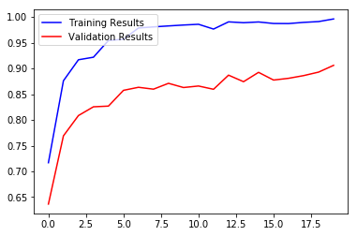
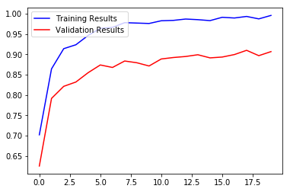
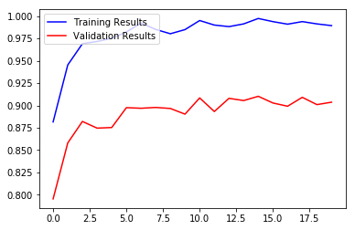
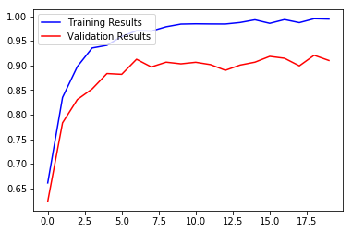
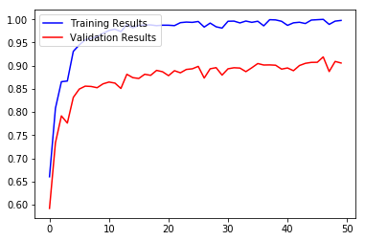
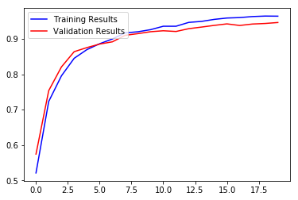
 |  |  |  |  |  |  |  | 0.987
 |  |  |  |  |  |  |  | 0.878

 |  |  |  |  |  |  |  | 0.986
 |  |  |  |  |  |  |  | 0.889

 |  |  |  |  |  |  |  | 0.993
 |  |  |  |  |  |  |  | 0.885

 |  |  |  |  |  |  |  | 0.994
 |  |  |  |  |  |  |  | 0.892

 |  |  |  |  |  |  |  | 0.993
 |  |  |  |  |  |  |  | 0.893

 |  |  |  |  |  |  |  | 0.995
 |  |  |  |  |  |  |  | 0.898

 |  |  |  |  |  |  |  | 0.983
 |  |  |  |  |  |  |  | 0.873

 |  |  |  |  |  |  |  | 0.992
 |  |  |  |  |  |  |  | 0.893

 |  |  |  |  |  |  |  | 0.984
 |  |  |  |  |  |  |  | 0.896

 |  |  |  |  |  |  |  | 0.981
 |  |  |  |  |  |  |  | 0.88

 |  |  |  |  |  |  |  | 0.996
 |  |  |  |  |  |  |  | 0.893

 |  |  |  |  |  |  |  | 0.996
 |  |  |  |  |  |  |  | 0.895

 |  |  |  |  |  |  |  | 0.992
 |  |  |  |  |  |  |  | 0.895

 |  |  |  |  |  |  |  | 0.996
 |  |  |  |  |  |  |  | 0.887

 |  |  |  |  |  |  |  | 0.993
 |  |  |  |  |  |  |  | 0.895

 |  |  |  |  |  |  |  | 0.996
 |  |  |  |  |  |  |  | 0.905

 |  |  |  |  |  |  |  | 0.986
 |  |  |  |  |  |  |  | 0.901

 |  |  |  |  |  |  |  | 0.999
 |  |  |  |  |  |  |  | 0.902

 |  |  |  |  |  |  |  | 0.999
 |  |  |  |  |  |  |  | 0.901

 |  |  |  |  |  |  |  | 0.996
 |  |  |  |  |  |  |  | 0.893

 |  |  |  |  |  |  |  | 0.987
 |  |  |  |  |  |  |  | 0.895

 |  |  |  |  |  |  |  | 0.992
 |  |  |  |  |  |  |  | 0.889

 |  |  |  |  |  |  |  | 0.994
 |  |  |  |  |  |  |  | 0.9

 |  |  |  |  |  |  |  | 0.991
 |  |  |  |  |  |  |  | 0.905

 |  |  |  |  |  |  |  | 0.998
 |  |  |  |  |  |  |  | 0.907

 |  |  |  |  |  |  |  | 0.999
 |  |  |  |  |  |  |  | 0.907

 |  |  |  |  |  |  |  | 1
 |  |  |  |  |  |  |  | 0.919

 |  |  |  |  |  |  |  | 0.989
 |  |  |  |  |  |  |  | 0.887

 |  |  |  |  |  |  |  | 0.996
 |  |  |  |  |  |  |  | 0.909

 |  |  |  |  |  |  |  | 0.998 | 0.99666666667
 |  |  |  |  |  |  |  | 0.906 | 0.90583333333

