Procurement
Diameter summary and stock ordering

Stock estimate isolates each bar mark. Offcut transfer between marks is excluded; it can reduce the stock requirement.

Diameter mm | Scheduled bars | Net length m | Net tonnes | Stock bars estimate | Stock tonnes | Cut balance t | Contingency t | Order tonnes | Diameter | Net tonnes | Stock tonnes
8 | 44,184 | 58,765.440 | 23.188 | 7,800 | 36.933 | 13.745 | 0.464 | 37.397 | D8 | 23.187904568 | 36.93306589
10 | 15,840 | 71,508.960 | 44.088 | 7,344 | 54.334 | 10.246 | 0.882 | 55.216 | D10 | 44.087959593 | 54.334221935
12 | 22,752 | 86,024.160 | 76.373 | 9,072 | 96.651 | 20.278 | 1.527 | 98.178 | D12 | 76.373460804 | 96.65099243
16 | 22,896 | 63,070.800 | 99.547 | 8,208 | 155.460 | 55.913 | 1.991 | 157.451 | D16 | 99.546923597 | 155.45979735

TOTAL | 105,672 | 279,369.360 | 243.196 | 32,424 | 343.378 | 100.182 | 4.864 | 348.242

Net and per-mark stock estimate (tonnes)

Shapes
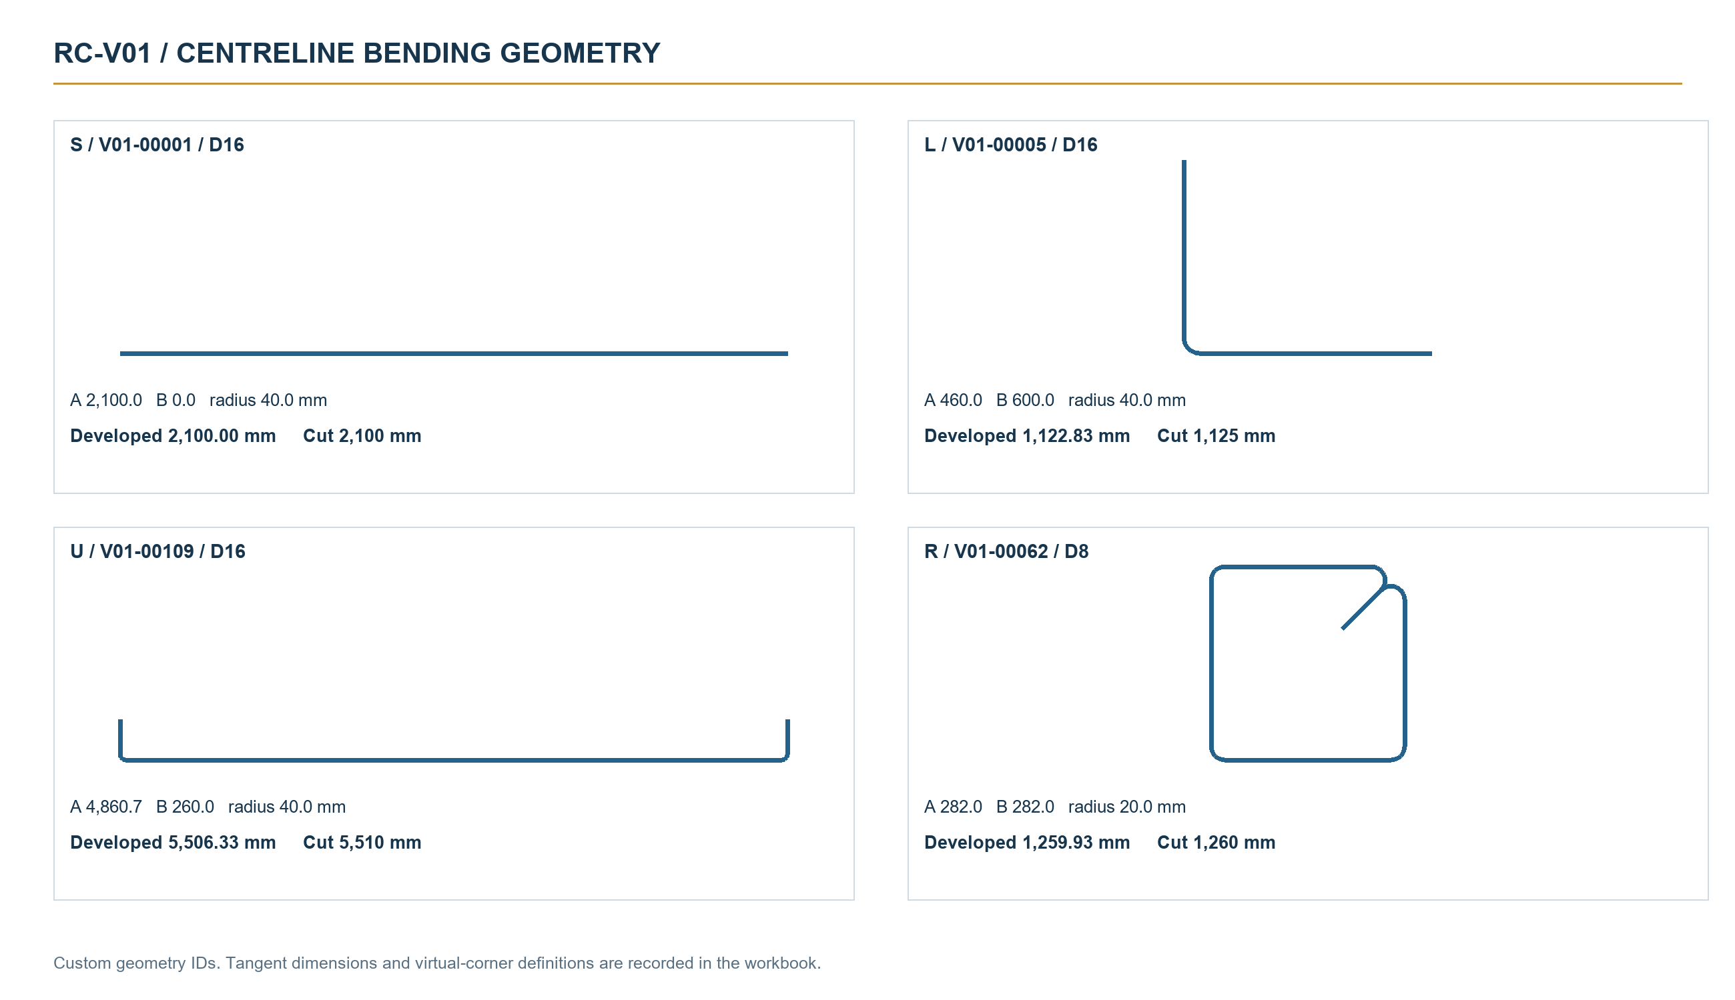
Centreline geometry and bending conventions

Custom geometry IDs. No BS 8666 shape-code certification is implied. Millimetres throughout.

ID | Geometry | Developed-length rule | Dimension definition
S | Straight | A | No bend. A is the centreline length.
L | One 90-degree bend | A + B + pi r / 2 | A and B are tangent straight legs; r is centreline bend radius.
U | Two 90-degree bends | A + 2B + pi r | A is tangent cross-leg; B is each tangent return leg.
R | Closed link with 135-degree tails | 2(A+B) + 2t + (3pi - 6 - 2(1+sqrt(2)))r | A/B are virtual centreline corner dimensions. Three 90-degree and two 135-degree bends.

