Sheet1
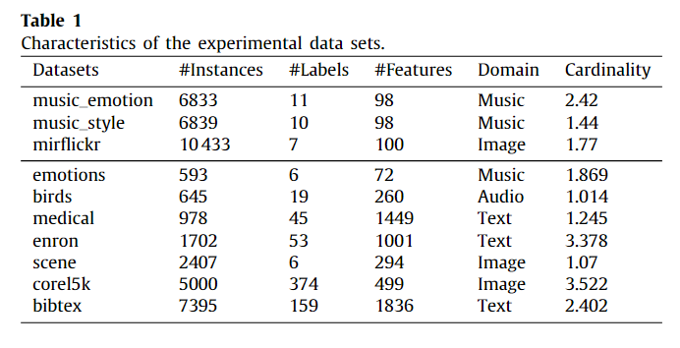
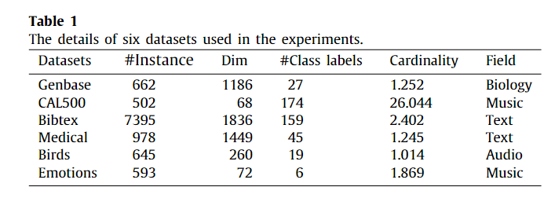
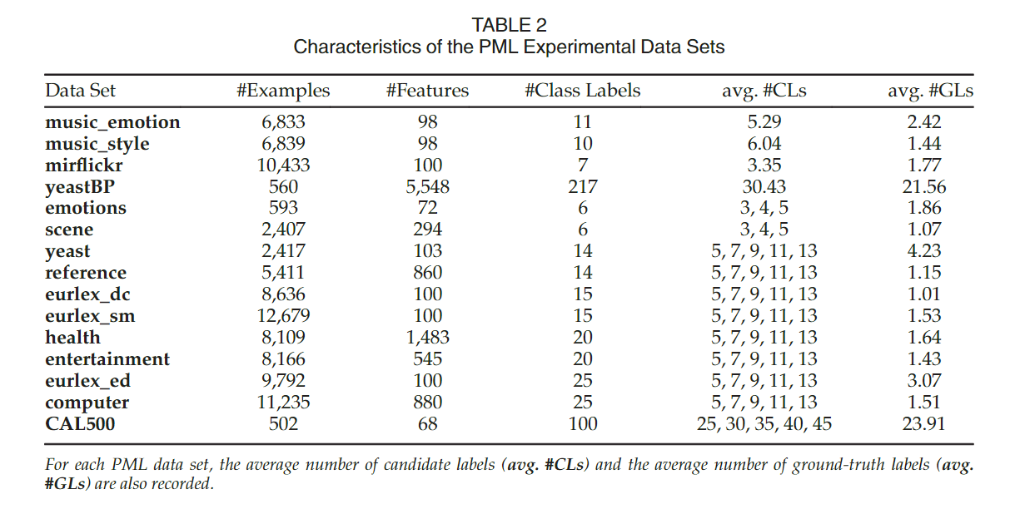
Method 数据集 | Particle | PASAD (specific label disambiguation) | PML-SALC (sparse asymmetric label correlations)
Emotions | 0.707 | 0.804 | 0.769
Birds | 0.411 | 0.61 | 0.629
Medical | 0.849 | 0.939 | 0.871
Enron | 0.632 | 0.769
Scence | 0.761 | 0.829
Corel5k | 0.447 | 0.506
Bibtex | 0.689 | 0.87 | 0.572
Genbase | 0.98 |  | 0.991
Cal500 | 0.511 |  | 0.513

