Erneuerbare Quellen Temperatur
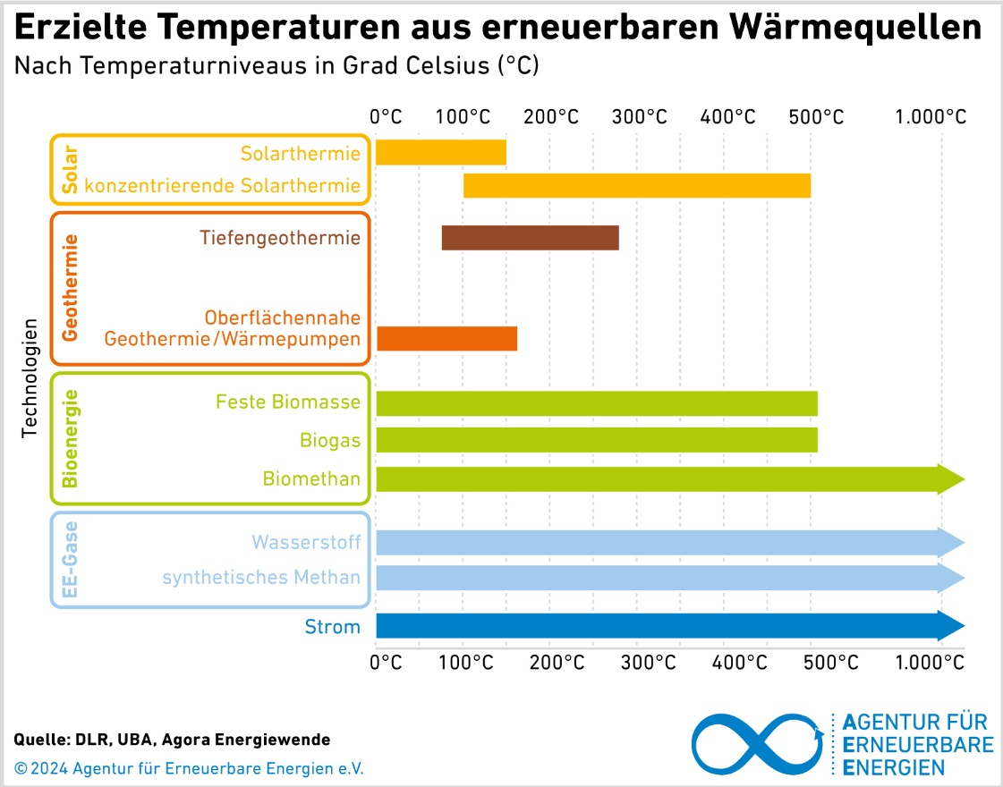
https://www.unendlich-viel-energie.de/mediathek/grafiken/erzielte-temperaturen-aus-erneuerbaren-waermequellen

