1. Intelligence vs Cost
Intelligence vs Cost per Task
Source: your Artificial Analysis Intelligence Index v4.1 table. NOT independently re-verified (see README caveat 4). Intelligence-per-$ is computed live.

Intelligence (AAII v4.1) vs Cost ($/task)
Model | Type | AAII v4.1 | $ / task | Released | Intelligence per $ (=C/D)
Claude Fable 5 (max) | Closed frontier | 60 | $2.75 | Jun 2026
GPT-5.6 Sol (max) | Closed frontier | 59 | $1.04 | 9 Jul 2026
Kimi K3 (open weights, 2.8T) | Open weights | 57 | $0.94 | 16 Jul 2026
GPT-5.6 Terra (max) | Closed frontier | 55 | $0.55 | 9 Jul 2026
Grok 4.5 (high) | Closed frontier | 54 | $0.31 | Jul 2026
Claude Opus 4.8 (max) | Closed frontier | 54 | $1.80 | —
GPT-5.6 Luna (max) | Closed frontier | 51 | $0.21 | 9 Jul 2026
Kimi K2.6 (open weights) | Open weights | 44 | $0.33 | Apr 2026

* Claude Opus 4.8 shown as ~54 (estimated placement pending full v4.1 scoring in your table).

2. Energy per Query
Electricity per Query
Per-prompt energy for leading assistants. All figures EXCLUDE training energy. Flagged measured vs estimate.

Model / source | Wh per query | Joules per query (=B*3600) | Type | Flag | Date | Note | Source
Google Gemini — median prompt (comprehensive, full-stack) | 0.24 |  | Google | MEASURED | Aug 2025 | Full stack: TPU 58% + host CPU/RAM 25% + idle/failover 10% + DC overhead 8%; PUE 1.09. | source
Google Gemini — median prompt (accelerator-only) | 0.10 |  | Google | MEASURED | Aug 2025 | Chip-only method; Google says it understates true operating footprint (2.4x below comprehensive). | source
OpenAI ChatGPT — average query | 0.34 |  | OpenAI | ESTIMATE | Jun 2025 | Sam Altman, 'The Gentle Singularity'. 'Average query' undefined; methodology unpublished. | source
Epoch AI — typical GPT-4o query | 0.30 |  | Epoch AI | ESTIMATE | Feb 2025 | Modeled: ~100B active params (MoE) x 2 x 500 tokens = 1e14 FLOP; ~1s H100 x 1500W x 70% util. | source
Older widely-cited estimate (for contrast) | 3.00 |  | various | ESTIMATE | 2023-24 | The ~3 Wh figure that the 2025 estimates revised down ~10x. | source

Electricity per query (Wh)

5. Open-Shift Scenario
Open-Source Shift → DC Capacity: Parametric Model
ILLUSTRATIVE, not a forecast. Change the yellow input cells; everything else recomputes. See tab 7 for the logic.

US AI inference power by share shifted to open (GW)
 | A: cloud open | B: self-hosted | C: self+Jevons
INPUTS (adjust the yellow cells)
Parameter | Symbol | Value | Unit / note
Baseline 2030 US AI *inference* power (all closed/hyperscaler) | P0 | 25 | GW (assume ~50% of Epoch's >50 GW total AI load is inference)
Open-weight model energy factor vs frontier (per token) | k | 0.75 | x (0.75 = 25% lower; from GPT-OSS vs Qwen3 measured)
Deployment overhead — closed on hyperscaler (reference) | Mc | 1.00 | x (high batch, ~70% utilisation)
Deployment overhead — open on optimised cloud | Mo | 1.15 | x (vLLM/TensorRT, decent batch)
Deployment overhead — open self-hosted (low utilisation) | Ms | 3.00 | x (~15-25% util; up to ~10x at 10%)
Induced-demand (Jevons) multiplier on open workload | J | 1.50 | x (1.0 = none; used only in scenario C; 1.5-2.0 = cheaper access drives more use)

RESULT — aggregate US AI inference power (GW) by share shifted to open weights
Share shifted to open → | A: efficient open, cloud-served |  | B: fragmented self-hosted |  | C: self-hosted + induced demand
 | GW | Δ% | GW | Δ% | GW | Δ%
0%
25%
50%
75%
100%

Effective energy per token by regime (relative to closed=1.00)
Regime | Formula | Relative energy/token
Closed frontier, hyperscaler | Mc
Open weights, optimised cloud | k*Mo
Open weights, self-hosted (low util) | k*Ms

READ-OUT: With efficient open models served on optimised cloud (col A), a shift can slightly LOWER aggregate power. But fragmented low-utilisation self-hosting (col B) RAISES it, and induced demand (col C) raises it further. The direction is decided by DEPLOYMENT UTILISATION and INDUCED DEMAND — not by the weights being 'open'.

8. Chart visuals
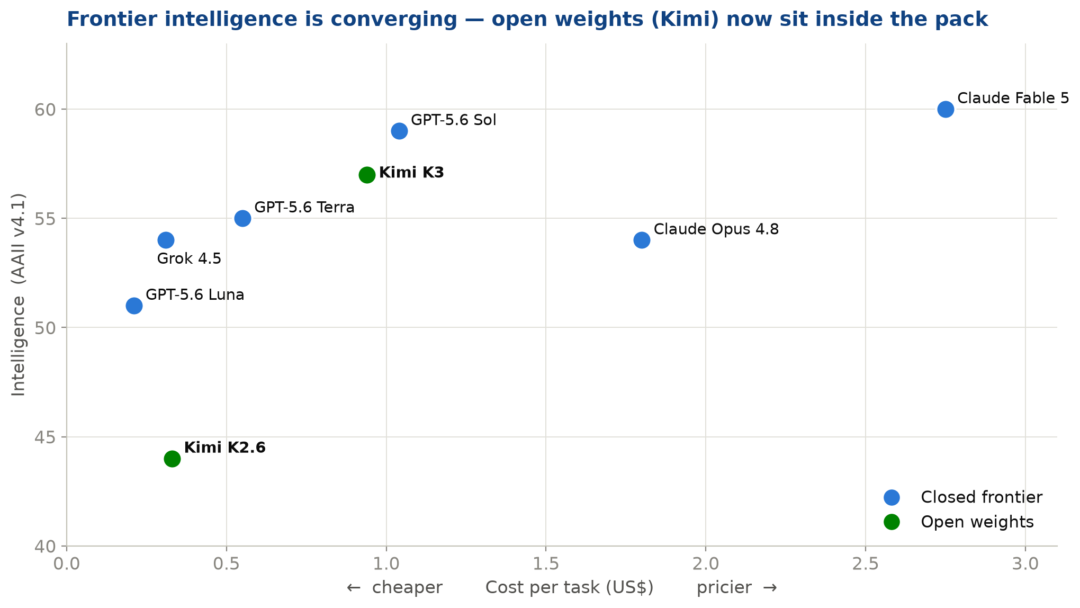
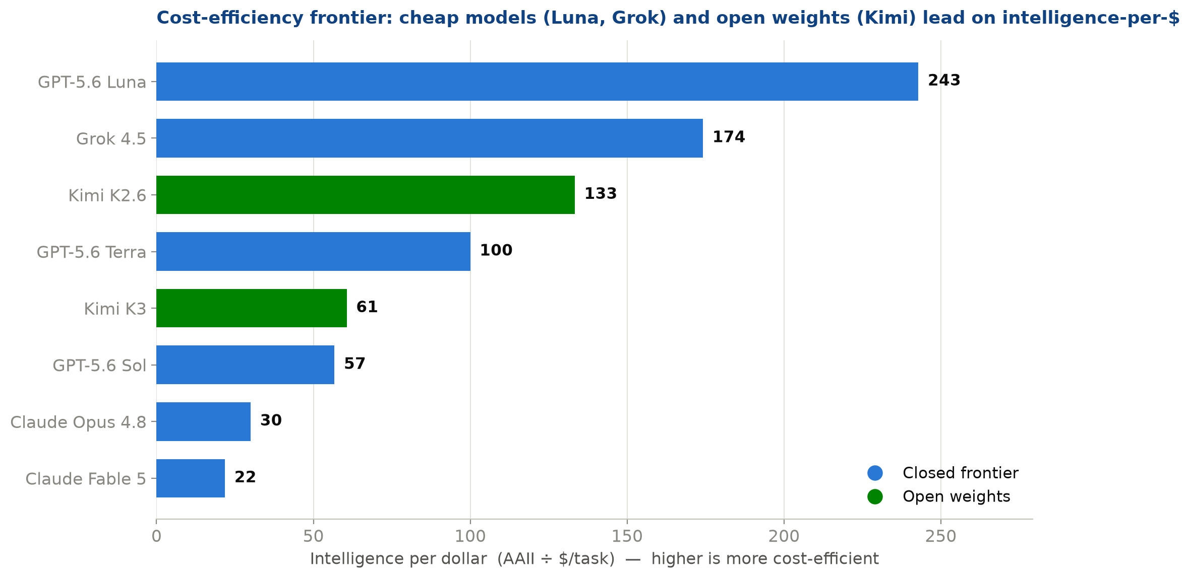
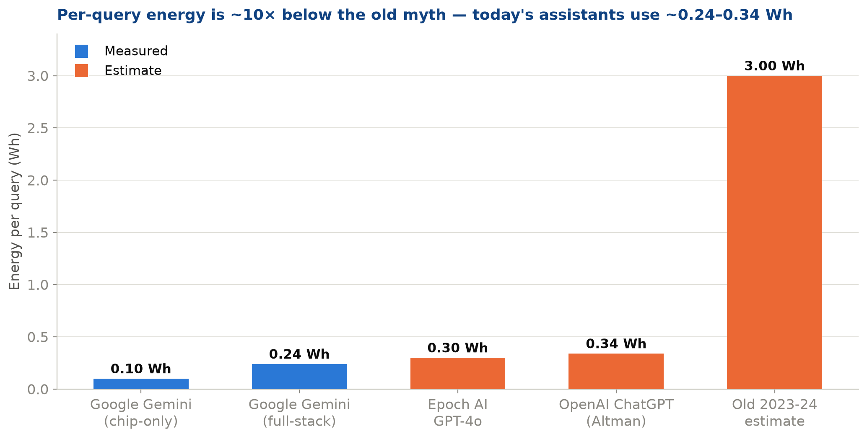
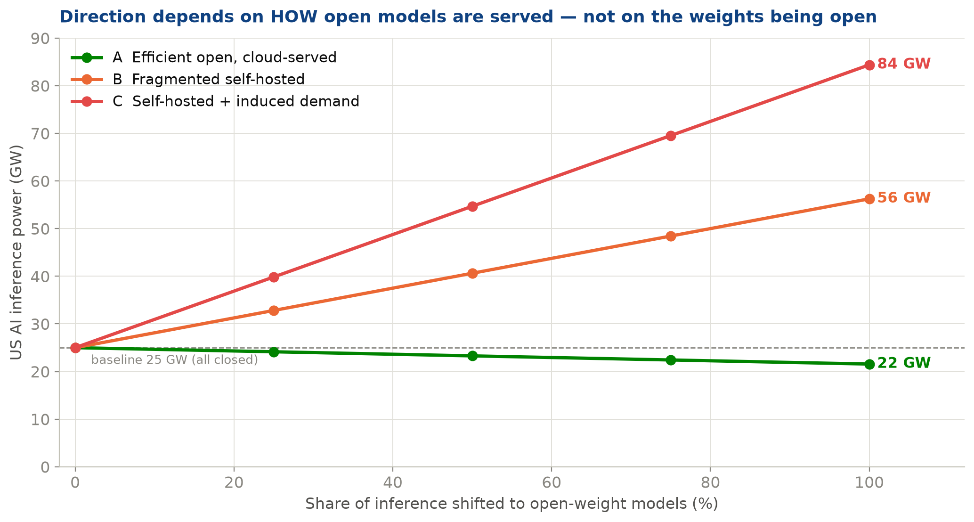
Chart visuals (presentation-ready)
The same figures used in the slide deck. The interactive/editable versions live on tabs 1, 2 and 5.

