Sheet1
(Winston, p.71)
Problem 2) U.S. Labs manufactures mechanical heart valves from the heart valves of pigs. Different heart operations require valves of different sizes. U.S. Labs purchases pig valves from three different suppliers. The cost and size mix of the valves purchased from each supplier are given in Table 3. Each month, U.S. Labs places one order with each supplier. At least 500 large, 300 medium, and 300 small valves must be purchased each month. Because of limited availability of pig valves, at most 700 valves per month can be purchased from each supplier. Formulate an LP that can be used to minimize the cost of acquiring the needed valves.

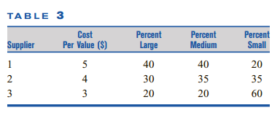
 |  | (Proportions)
 | Cost | Large | Medium | Small | # of supply
Supplier 1 | 5 | 0.4 | 0.4 | 0.2 | 700
Supplier 2 | 4 | 0.3 | 0.35 | 0.3 | 700
Supplier 3 | 3 | 0.2 | 0.2 | 0.6 | 50

Constraints
Min number |  | 500 | 300 | 300
Max supply per supplier |  | 700
 |  |  |  |  |  | Problem values
Cem Yusuf Aydoğdu
150120251
 |  |  |  |  |  | Constraints
Target Funct. |  |  |  |  |  | Variables
Tot. Cost | 6450 |  |  |  |  | Total Cost

