Introduction
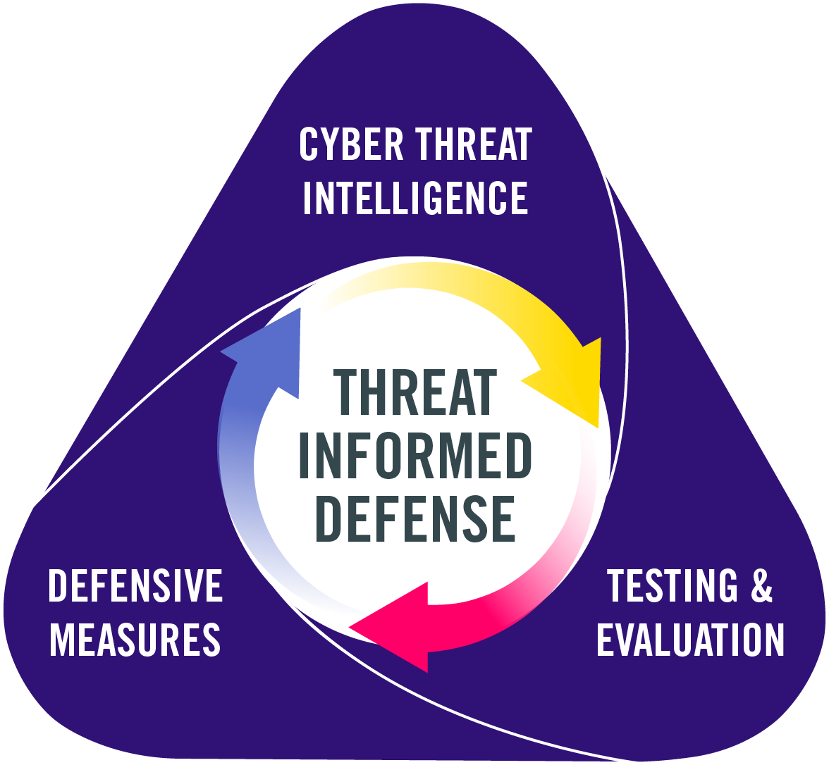
Measuring Threat-Informed Defense
Best Practices Assessment Tool

Introduction
Background
The Center for Threat Informed Defense (the Center) contends that one of the most impactful ways to manage a security program is to prioritize the allocation of limited resources to reduce overall risk. As risk is the product of probability and impact, it is crucially important to have a thorough knowledge of actual threat actors, their capabilities, and their typical tactics, techniques, and procedures (TTPs). By understanding the adversary well, an organization can prioritize their defenses as well as pre-emptively assess themselves to identify gaps. This enables organizations to shift to a more proactive approach to security, constantly learning, assessing, and improving their security programs. The goal of this shift is to increase the cost and difficulty for the adversaries. Collaborating together as a community allows everyone to achieve more impact as a group than individual organizations working alone.
The M3TID Project
The Measure, Maximize, Mature Threat Informed Defense (M3TID) project extends this concept of leveraging Threat understanding to improve a security program by working towards an actionable definition of Threat-Informed Defense (TID) and its associated key activities. The M3TID project is based on the hypothesis that applying Threat-Informed Defense will improve the efficiency of a security program and reduce organizational risk. The project will capture insights and best practices for what it means to be Threat-Informed across a Security Program, expanding the Dimensions of TID into key components that organizations should execute for a TID-based security program. For each of these components, the M3TID project will define discrete levels reflecting implementations of that component from least-to-most threat-informed.
The intent of the M3TID project is that organizations, from security practitioners to executive leaders, will be able to leverage this measurement framework to better assess and understand their current position in terms of a TID-based security program. With this model, the Center can develop a Roadmap to guide key next steps or investments to help organizations improve their level of TID. With this first framework for measuring the degree to which threat information is guiding security practices, the Center can start to gather the data needed to refine the model to reflect the relative importance of each of these components in contributing to bottom-line cyber risk reduction.
Dimensions of TID
The Center for Threat-Informed Defense has historically described TID as a continuous process in which defenders and adversaries are constantly learning and evolving. To implement an effective Threat-Informed Defense, an organization must understand the threat and implement effective defensive measures. To understand the efficacy of existing or planned defensive measures and identify defensive gaps, an organization must evaluate their current posture, as well as potential new defensive measures, against the known threats. From a Defense perspective, this process takes place in three main Dimensions:
- Cyber Threat Intelligence (CTI)
- Defensive Measures
- Testing & Evaluation

Usage Instructions
The Inform Best Practices Assessment Tool

Usage Instructions
TID Best Practices Framework
The M3TID Project identified a set of 5 best practice components for each of the 3 Dimensions of TID. For each of those best practices, a spectrum of 5 maturity levels were defined to describe implementing that best practice from a least threat-informed to a most threat-informed implementation.
Self Assessment
The following tabs allow you to familiarize yourself with the Best Practices and their respective maturity levels:
- CTI Definition & Scoring
How well do you understand the Adversaries that may target your organization
- DM Definition & Scoring
How well do you understand and implement your defensive measures
- T&E Definition & Scoring
How well do you test and evaluate your defenses
Conduct your initial self assessment in those same Definition & Scoring tabs answering "yes" for any of the components if you have the people, processes, and technology in place and are actively acting on those respective components. Also score your organization with what components are provided by 3rd parties, such as an MSP. Everything your company does or pays for gets rolled up into your score.
Results
Once your Self Assessment is complete, you can view your results and your overall TID Maturity graph on the
Results tab.
The overall TID Maturity score is calculated as a weighted average of the three dimension scores. The formula for the overall TID Maturity score is: 0.5*DM+0.3*CTI+0.2*T&E. The Defensive Measures score is weighted at 50% because in order to have Threat-Informed Defense, you need Defense, CTI is weighted at 30% because you need to be Threat-Informed, and Test & Evaluation is weighted at 20% because you need to test your capabilities.

Results
 | Measuring Threat-Informed Defense
 | Assessment Results

Dimension Scores
 | CTI | DM | T&E
 | 0 | 0 | 1
 | 0 | 0 | 3
 | 0 | 0 | 0
 | 0 | 0 | 0
 | 0 | 0 | 0
Component Scores
I.1 - Depth of Threat Data | 0
I.2 - Breadth of Threat Information | 0
I.3 - Relevance of Threat Data | 0
I.4 - Utilization of Threat Information | 0
I.5 - Dissemination of Threat Reporting | 0
D.1 - Foundational security | 0
D.2 - Data Collection | 0
D.3 - Detection Engineering | 0
D.4 - Incident Response | 0
D.5 - Deception Operations | 0
T.1 - Type of Testing | 1
T.2 - Frequency of Testing | 3
T.3 - Test Planning | 0
T.4 - Test Execution | 0
T.5 - Test Results | 0
TID Dimension / Practice | L2 | L3 | L4 | L5 | Maturity Score
Overall TID Maturity (weighted) |  |  |  |  | 3%
Cyber Threat Intelligence Maturity |  |  |  |  | 0
I.1 - Depth of Threat Data |  |  |  |  | 0
I.2 - Breadth of Threat Information |  |  |  |  | 0
I.3 - Relevance of Threat Data |  |  |  |  | 0
I.4 - Utilization of Threat Information |  |  |  |  | 0
I.5 - Dissemination of Threat Reporting |  |  |  |  | 0
Defensive Measures Maturity |  |  |  |  | 0
D.1 - Foundational security |  |  |  |  | 0
D.2 - Data Collection |  |  |  |  | 0
D.3 - Detection Engineering |  |  |  |  | 0
D.4 - Incident Response |  |  |  |  | 0
D.5 - Deception Operations |  |  |  |  | 0
Test & Evaluation Maturity |  |  |  |  | 0.8
T.1 - Type of Testing |  | x |  |  | 1
T.2 - Frequency of Testing | x |  | x |  | 3
T.3 - Test Planning |  |  |  |  | 0
T.4 - Test Execution |  |  |  |  | 0
T.5 - Test Results |  |  |  |  | 0

Example Historical Change Tab
Improvement Since Last Score
 | Y1 | Y2 | Y3
Completeness of Threat Data | 2 | 2 | 4
Breadth of Threat Information | 2 | 2 | 2
Relevance of Threat Data | 1 | 3 | 4
Utilization of Threat Information | 1 | 1 | 2
Dissemination of Threat Reporting | 1 | 1 | 2
Defensive Measures Maturity
Foundational security | 2 | 2 | 4
Data Collection | 1 | 1 | 4
Detection Engineering | 1 | 3 | 4
Incident Response | 1 | 1 | 4
Deception Operations | 0 | 0 | 1
Test & Evaluation Maturity
Type of Testing | 2 | 4 | 6
Frequency of Testing | 1 | 2 | 4
Test Planning | 0 | 0 | 4
Test Execution | 1 | 1 | 4
Test Results | 1 | 1 | 4
Weighted Scores Over Time
Overall TID Maturity | Y1 | Y2 | Y3
Cyber Threat Intelligence Maturity
Completeness of Threat Data | 2 | 2 | 4
Breadth of Threat Information | 2 | 2 | 2
Relevance of Threat Data | 1 | 3 | 4
Utilization of Threat Information | 1 | 1 | 2
Dissemination of Threat Reporting | 1 | 1 | 2
Defensive Measures Maturity
Foundational security | 2 | 2 | 4
Data Collection | 1 | 1 | 4
Detection Engineering | 1 | 3 | 4
Incident Response | 1 | 1 | 4
Deception Operations | 0 | 0 | 1
Test & Evaluation Maturity
Type of Testing | 2 | 4 | 6 |  | Y1 | Y2 | Y3 | %%%
Scores Over Time
Frequency of Testing | 1 | 2 | 4 | CTI | 0.35 | 0.45 | 0.7 | 0.25
Test Planning | 0 | 0 | 4 | DM | 0.5 | 0.7 | 1.7 | 0.5
Weighted Scores Over Time
Test Execution | 1 | 1 | 4 | T&E | 0.25 | 0.4 | 1.1 | 0.25
Test Results | 1 | 1 | 4

 | Y1 | Y2 | Y3
CTI | 1.4 | 1.8 | 2.8
DM | 1 | 1.4 | 3.4
T&E | 1 | 1.6 | 4.4

Scores Over Time

