Overview
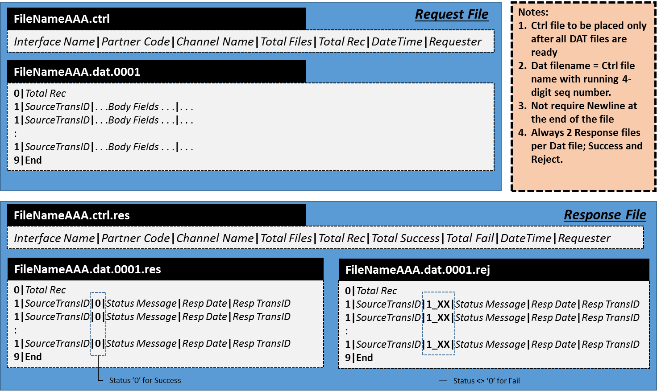
Batch Name: | BCH_PRT_T1C_NRTSales | Last Update By | Tripraparn S.
Batch Purpose: | To send sales information to Siebel | Last Update Date | 13-Nov-17
File Type: | Delimited with "|" (pipe) | Comments

Request
Request Control File Name: | BCH_PRT_T1C_NRTSales_DDMMYYYY_HH24MMSS.ctrl
Request Data File Name: | BCH_PRT_T1C_NRTSales_DDMMYYYY_HH24MMSS.dat.0001 BCH_PRT_T1C_NRTSales_DDMMYYYY_HH24MMSS.dat.0002 BCH_PRT_T1C_NRTSales_DDMMYYYY_HH24MMSS.dat.xxxx
Maximum records per file:
Request Directory:
Filename Example: | BCH_OFM_T1C_NRTSales_20072017_233001.ctrl BCH_OFM_T1C_NRTSales_20072017_233001.dat.0001 BCH_OFM_T1C_NRTSales_20072017_233001.dat.0002
Response
Response Control File Name: | BCH_PRT_T1C_NRTSales_DDMMYYYY_HH24MMSS.ctrl.res
Success Response Data File Name: | BCH_PRT_T1C_NRTSales_DDMMYYYY_HH24MMSS.dat.0001.res BCH_PRT_T1C_NRTSales_DDMMYYYY_HH24MMSS.dat.0002.res BCH_PRT_T1C_NRTSales_DDMMYYYY_HH24MMSS.dat.xxxx.res
Failed Response Data File Name: | BCH_PRT_T1C_NRTSales_DDMMYYYY_HH24MMSS.dat.0001.rej BCH_PRT_T1C_NRTSales_DDMMYYYY_HH24MMSS.dat.0002.rej BCH_PRT_T1C_NRTSales_DDMMYYYY_HH24MMSS.dat.xxxx.rej
Response Directory:
Filename Example: | BCH_OFM_T1C_NRTSales_20072017_233001.ctrl.res BCH_OFM_T1C_NRTSales_20072017_233001.dat.0001.res BCH_OFM_T1C_NRTSales_20072017_233001.dat.0001.rej BCH_OFM_T1C_NRTSales_20072017_233001.dat.0002.res BCH_OFM_T1C_NRTSales_20072017_233001.dat.0002.rej

