Sayfa1
Loan Amount | P: | 10,000
rate of Interest | RATE: | 6% | p.y
Number of years | NPER: | 5 | year

Amount Pay Back Loan: | FV: | -$13,382.25578 |  |  |  |  | EQUAL Annual Payments: | PMT: | -$2,373.96

 | FROM BORROWERS VİEW: |  | YEARS | CASH INFLOW | CASH OUTFLOW | NET CASH FLOW |  | YEARS | CASH INFLOW | CASH OUTFLOW | NET CASH FLOW
 |  |  | 0 | $10,000.00 |  | $10,000.00 |  | 0 | $10,000.00 |  | $10,000.00
 |  |  | 1 |  |  | $0.00 |  | 1 |  | -$2,373.96 | -$2,373.96
 |  |  | 2 |  |  | $0.00 |  | 2 |  | -$2,373.96 | -$2,373.96
 |  |  | 3 |  |  | $0.00 |  | 3 |  | -$2,373.96 | -$2,373.96
 |  |  | 4 |  |  | $0.00 |  | 4 |  | -$2,373.96 | -$2,373.96
 |  |  | 5 |  | -$13,382.26 | -$13,382.26 |  | 5 |  | -$2,373.96 | -$2,373.96
BORROWERS CASH FLOW DIAGRAM LUMP SUM/FV
BORROWERS CASH FLOW DIAGRAM (Equal Payments/PMT)

ExMegan3.1
Future Value (EOY 4) | FV: | -$18,000.00
GIVEN Rate of Interest | RATE: | 5%
GIVEN Number of years | NPER: | 4 | year

Loan Amounts(principle) | PV?: | $14,808.64

Table: Cash Flow Table
Years | Cash In Flow | Cash Outflow | NET CASH FLOW | Table: Payment Plan as A Lump Sum
0 | $14,808.64 |  | $14,808.64 | Year | Balance | Interest for Period | Interest paid back | Principle | Total paid back
1 | $0.00 |  | $0.00 | 0 | $14,808.64
2 | $0.00 |  | $0.00 | 1 | $15,549.08 | $740.43
3 | $0.00 |  | $0.00 | 2 | $16,326.53 | $777.45
4 | $0.00 | ($18,000.00) | ($18,000.00) | 3 | $17,142.86 | $816.33
 |  |  |  | 4 | $0.00 | $857.14 |  |  | $18,000.00
CASH FLOW DIAGRAM FROM BORROWER'S

Ex Megan3.2
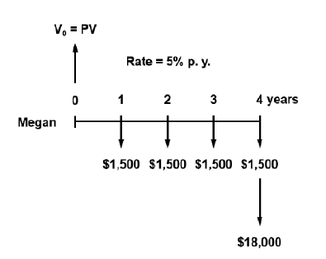
Future Value (EOY 4) | FV: | -$18,000.00
GIVEN Rate of Interest | RATE: | 5%
GIVEN Number of years | NPER: | 4
 | PMT: | -$1,500.00
FIND PRESENT VALUE | PV?: | $20,127.57

Table: Cash Flow Table
Years | Cash In Flow | Cash Outflow | NET CASH FLOW | Table: Payment Plan
0 | $20,127.57 |  | $20,127.57 | Year | Balance | Interest for Period | Interest paid back | Principle | Total paid back
1 |  | ($1,500.00) | ($1,500.00) | 0 | $20,127.57
2 |  | ($1,500.00) | ($1,500.00) | 1 | $19,633.95 | $1,006.38 |  |  | $1,500.00
3 |  | ($1,500.00) | ($1,500.00) | 2 | $19,115.65 | $981.70 |  |  | $1,500.00
4 |  | ($19,500.00) | ($19,500.00) | 3 | $18,571.43 | $955.78 |  |  | $1,500.00
 |  |  |  | 4 | $0.00 | $928.57 |  |  | $19,500.00

EX3.3
GIVEN Rate of Interest | GIVEN i | 4.5% | YEAR
 | Effective RATE | 0.00375 | PER MONTH
GIVEN Number of years | GIVEN N | 20 | years
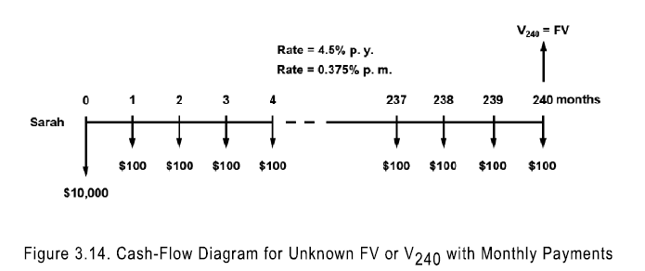
 | NPER: | 240 | MONTHS

GIVEN Deposit Amount at Timezero | GIVEN PV: | -$10,000.00
GIVEN Equal (end of Period) Payments | GIVEN PMT | -$100.00
FIND Future Value at EOY20 | FIND FV: | $63,367.10

EX3.4
GIVEN Rate of Interest | GIVEN i | 4.5% | YEAR
 | Effective RATE | 0.00375 | PER MONTH
GIVEN Number of years | GIVEN N | 20 | years
 | NPER: | 240 | MONTHS
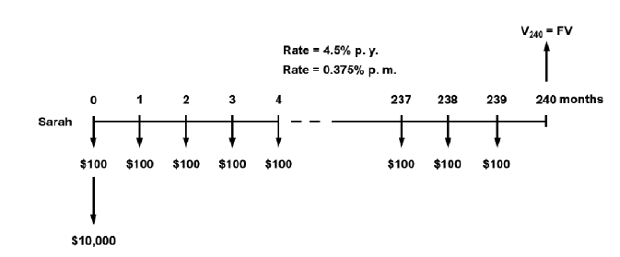
GIVEN Deposit Amount at Timezero | GIVEN PV: | -$10,000.00
GIVEN Equal (end of Period) Payments | GIVEN PMT | -$100.00
FIND Future Value at EOY20 | FIND FV: | $63,512.65

3.3-3.4
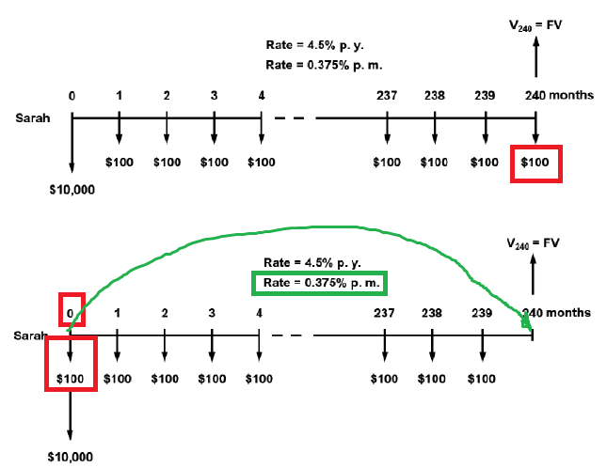

GIVEN Rate of Interest | GIVEN i | 4.5% | PER YEAR
 | Effective RATE | 0.375% | PER MONTH
GIVEN Number of years | GIVEN N | 20 | years
 | NPER: | 240 | MONTHS

GIVEN Deposit Amount at Timezero: | GIVEN PV: | ($10,000.00)
GIVEN Equal Payments | GIVEN PMT: | ($100.00) | MONTHLY

FIND Future Value at EOY20 | FV=?
 | FV (with Monthly Payments at end of Periods): | $63,367.10
 | FV (with Monthly Payments at beginning of Periods): | $63,512.65

 | DIFFERENCE | $145.55 | $145.55

