AI ethics principle analysis
 |  |  | Ethics AI Keyword occurrences
 |  |  | Key values | Occurrences
 |  |  | Fairness | 44
 |  |  | Transparency | 62
 |  |  | Accountability | 51
 |  |  | Safety | 36
 |  |  | Security | 39
 |  |  | Robustness | 15
 |  |  | Explainability | 28
 |  |  | Interpretability | 6
 |  |  | Well-being | 14
 |  |  | Human Oversight | 9
 |  |  | Human Rights | 12 |  |  |  |  |  |  |  |  |  |  |  |  |  |  |  |  |  |  |  |  | Canada | US | UK | China | Australia | Singapore | UAE | Spain | Switzerland | Chile | Colombia | Sweden | Belgium | Israel | Amsterdam | New Zeland | India | Germany | Hong Kong | South Korea | South Africa | Finland | Japan | France | Netherlands | Norway | Russia | Ireland | Italia
 |  |  | Sustainability | 11 |  |  |  |  |  |  |  |  |  |  |  |  |  |  |  |  |  |  |  |  | 29 | 167 | 53 | 27 | 12 | 14 | 4 | 5 | 10 | 4 | 10 | 9 | 12 | 6 | 5 | 11 | 5 | 28 | 3 | 19 | 6 | 10 | 25 | 14 | 3 | 7 | 10 | 9 | 4
 |  |  | Equity | 3
 |  |  | Reliability | 11 |  |  |  |  |  |  |  |  |  |  |  |  |  |  |  |  | Europe | UK | 8
 |  |  | Privacy | 48 |  |  |  |  |  |  |  |  |  |  |  |  |  |  |  |  | Asia | Beijing, China | 15
 |  |  | Justice | 11 |  |  |  |  |  |  |  |  |  |  |  |  |  |  |  |  | Asia | China | 8
 |  |  | Autonomy | 15 |  |  |  |  |  |  |  |  |  |  |  |  |  |  |  |  | Europe | Europe | 7
 |  |  | Human Dignity | 6 |  |  |  |  |  |  |  |  |  |  |  |  |  |  |  |  | North America | US | 10
 |  |  | Responsibility | 33 |  |  |  |  |  |  |  |  |  |  |  |  |  |  |  |  | 6 continents |  | 5
 |  |  | Solidarity | 5 |  |  |  |  |  |  |  |  |  |  |  |  |  |  |  |  | North America | US | 13 |  |  | Europe | Asia | Oceania | North America | South America | Africa |  | 557
 |  |  | Beneficence | 20 |  |  |  |  |  |  |  |  |  |  |  |  |  |  |  |  | n/a | n/a | 5 |  |  | 210 | 103 | 23 | 201 | 14 | 6
 |  |  | Non-maleficence | 4 |  |  |  |  |  |  |  |  |  |  |  |  |  |  |  |  | North America | Montreal, Canada | 10
 |  |  | Non-discrimination | 8 |  |  |  |  |  |  |  |  |  |  |  |  |  |  |  |  | North America | US | 5
 |  |  | Contestability | 2 |  |  |  |  |  |  |  |  |  |  |  |  |  |  |  |  | Europe | Europe | 9
 |  |  | Human-centric | 9 |  |  |  |  |  |  |  |  |  |  |  |  |  |  |  |  | Europe | UK | 5
 |  |  | Inclusiveness | 10 |  |  |  |  |  |  |  |  |  |  |  |  |  |  |  |  | North America | US | 5
 |  |  | Trustworthy | 10 |  |  |  |  |  |  |  |  |  |  |  |  |  |  |  |  | North America | US | 6
 |  |  | Democracy | 2 |  |  |  |  |  |  |  |  |  |  |  |  |  |  |  |  | North America | US | 5
 |  |  | Governance | 12 |  |  |  |  |  |  |  |  |  |  |  |  |  |  |  |  | North America | US | 7
 |  |  | Bias | 13 |  |  |  |  |  |  |  |  |  |  |  |  |  |  |  |  |  | 6 Continents | 8
 |  |  | Integrity | 8 |  |  |  |  |  |  |  |  |  |  |  |  |  |  |  |  | North America | US | 5
 |  |  | Controllability | 7 |  |  |  |  |  |  |  |  |  |  |  |  |  |  |  |  | Europe | UK | 9
 |  |  | Accuracy | 6 |  |  |  |  |  |  |  |  |  |  |  |  |  |  |  |  | North America | US | 11
 |  |  |  |  |  |  |  |  |  |  |  |  |  |  |  |  |  |  |  |  | North America | US | 5 |  |  | Europe | Asia | Oceania | North America | South America | Africa
 |  |  |  |  |  |  |  |  |  |  |  |  |  |  |  |  |  |  |  |  | North America | Hawai, US | 10 |  | Fairness | 101 | 44 | 17 | 94 | 0 | 6
 |  |  |  |  |  |  |  |  |  |  |  |  |  |  |  |  |  |  |  |  | North America | US | 8 |  | Transparency | 155 | 59 | 23 | 129 | 10 | 0
 |  |  |  |  |  |  |  |  |  |  |  |  |  |  |  |  |  |  |  |  |  |  | 8 |  | Accountability | 118 | 53 | 17 | 110 | 0 | 0
 |  |  |  |  |  |  |  |  |  |  |  |  |  |  |  |  |  |  |  |  | Oceania | Australia | 8 |  | Safety | 96 | 46 | 8 | 75 | 0 | 6
 |  |  |  |  |  |  |  |  |  |  |  |  |  |  |  |  |  |  |  |  | Asia | Singapore | 2 |  | Security | 94 | 50 | 17 | 68 | 14 | 0
 |  |  |  |  |  |  |  |  |  |  |  |  |  |  |  |  |  |  |  |  | Asia | Singapore | 4 |  | Robustness | 47 | 0 | 0 | 33 | 0 | 0
 |  |  |  |  |  |  |  |  |  |  |  |  |  |  |  |  |  |  |  |  | Asia | United Arab Emirates | 4 |  | Explainability | 72 | 31 | 8 | 35 | 0 | 0
 |  |  |  |  |  |  |  |  |  |  |  |  |  |  |  |  |  |  |  |  | Europe | Spain | 5 |  | Interpretability | 19 | 3 | 0 | 12 | 0 | 0
 |  |  |  |  |  |  |  |  |  |  |  |  |  |  |  |  |  |  |  |  | North America | Toronto, Canada | 3 |  | Well-being | 41 | 14 | 13 | 20 | 4 | 0
 |  |  |  |  |  |  |  |  |  |  |  |  |  |  |  |  |  |  |  |  | Europe | Nyon, Switzerland | 10 |  | Human Oversight | 30 | 3 | 11 | 0 | 0 | 0
 |  |  |  |  |  |  |  |  |  |  |  |  |  |  |  |  |  |  |  |  | South America | Argentina |  |  | Human Rights | 34 | 10 | 6 | 5 | 14 | 6
 |  |  |  |  |  |  |  |  |  |  |  |  |  |  |  |  |  |  |  |  | South America | Brazil |  |  | Sustainability | 27 | 0 | 0 | 36 | 4 | 0
 |  |  |  |  |  |  |  |  |  |  |  |  |  |  |  |  |  |  |  |  | South America | Mexico |  |  | Equity | 15 | 0 | 0 | 23 | 0 | 0
 |  |  |  |  |  |  |  |  |  |  |  |  |  |  |  |  |  |  |  |  | South America | Chile | 4 |  | Reliability | 35 | 9 | 13 | 11 | 0 | 0
 |  |  |  |  |  |  |  |  |  |  |  |  |  |  |  |  |  |  |  |  | South America | Colombia | 10 |  | Privacy | 95 | 64 | 23 | 114 | 10 | 6
 |  |  |  |  |  |  |  |  |  |  |  |  |  |  |  |  |  |  |  |  | Europe | Sweden | 9 |  | Justice | 32 | 12 | 5 | 19 | 0 | 0
 |  |  |  | AI ethics principles Evolution |  |  |  |  |  |  |  |  |  |  |  |  |  |  |  |  | Europe | Bruxelles, Begium | 12 |  | Autonomy | 43 | 6 | 0 | 39 | 0 | 0
 |  |  |  | Continents | Y2017 | Y2018 | Y2019 | Y2020 | Y2021 |  |  |  |  |  |  |  |  |  |  |  | Oceania | New South Wales, Australia | 4 |  | Human Dignity | 20 | 4 | 0 | 11 | 0 | 0
 |  |  |  | North America | 40 | 8 | 41 | 13 | 0 |  |  |  |  |  |  |  |  |  |  |  | North America | Canada | 5 |  | Responsibility | 72 | 45 | 0 | 83 | 10 | 6
 |  |  |  | South America | 0 | 0 | 0 | 10 | 4 |  |  |  |  |  |  |  |  |  |  |  | Asia | Singapore | 8 |  | Solidarity | 14 | 0 | 0 | 21 | 0 | 0
 |  |  |  | Europe | 15 | 34 | 16 | 7 | 11 |  |  |  |  |  |  |  |  |  |  |  | Asia | Israel | 6 |  | Beneficence | 41 | 4 | 0 | 68 | 10 | 0
 |  |  |  | Asia | 18 | 11 | 36 | 14 | 8 |  |  |  |  |  |  |  |  |  |  |  | Europe | Amsterdam | 5 |  | Non-maleficence | 5 | 0 | 0 | 21 | 0 | 0
 |  |  |  | Africa | 0 | 0 | 6 | 0 | 0 |  |  |  |  |  |  |  |  |  |  |  | Europe | Europe | 5 |  | Non-discrimination | 25 | 25 | 0 | 26 | 10 | 0
 |  |  |  | Oceania | 0 | 8 | 0 | 10 | 0 |  |  |  |  |  |  |  |  |  |  |  | Oceania | New Zeland | 6 |  | Contestability | 5 | 0 | 8 | 0 | 0 | 0
 |  |  |  | AI ethics principles Evolution - Cumulative |  |  |  |  |  |  |  |  |  |  |  |  |  |  |  |  | Asia | India | 5 |  | Human-centric | 19 | 2 | 8 | 6 | 0 | 0
 |  |  |  | Continents | Y2017 | Y2018 | Y2019 | Y2020 | Y2021 |  |  |  |  |  |  |  |  |  |  |  | Europe | Germany | 7 |  | Inclusiveness | 6 | 27 | 0 | 16 | 4 | 6
 |  |  |  | North America | 40 | 48 | 89 | 102 | 102 |  |  |  |  |  |  |  |  |  |  |  | Afrique |  | 5 |  | Trustworthy | 22 | 14 | 0 | 32 | 0 | 0
 |  |  |  | South America | 0 | 0 | 0 | 10 | 14 |  |  |  |  |  |  |  |  |  |  |  | Europe |  | 6 |  | Democracy | 9 | 0 | 0 | 10 | 0 | 0
 |  |  |  | Europe | 15 | 49 | 65 | 72 | 83 |  |  |  |  |  |  |  |  |  |  |  | Asia | Hong kong | 3 |  | Governance | 35 | 34 | 0 | 17 | 0 | 0
 |  |  |  | Asia | 18 | 29 | 65 | 79 | 87 |  |  |  |  |  |  |  |  |  |  |  | Asia | South Korea | 7 |  | Bias | 46 | 10 | 0 | 23 | 0 | 0
 |  |  |  | Africa | 0 | 0 | 6 | 6 | 6 |  |  |  |  |  |  |  |  |  |  |  | Asia | Japan | 9 |  | Integrity | 31 | 15 | 0 | 16 | 0 | 0
 |  |  |  | Oceania | 0 | 8 | 8 | 18 | 18 |  |  |  |  |  |  |  |  |  |  |  | Africa | Africa | 6 |  | Controllability | 38 | 40 | 0 | 51 | 10 | 0
 |  |  |  |  |  |  |  |  |  |  |  |  |  |  |  |  |  |  |  |  |  |  |  |  | Accuracy | 30 | 4 | 0 | 5 | 0 | 0
 |  |  |  |  |  |  |  |  |  |  |  |  |  |  |  |  |  |  |  |  | Europe | Finland | 5
 |  |  |  |  |  |  |  |  |  |  |  |  |  |  |  |  |  |  |  |  | Europe | Finland | 5
 |  |  |  |  |  |  |  |  |  |  |  |  |  |  |  |  |  |  |  |  | Europe | Germany | 9
 |  |  |  |  |  |  |  |  |  |  |  |  |  |  |  |  |  |  |  |  | Asia | Japan | 9
Europe | Asia | Oceania |  |  |  |  |  |  |  |  |  |  |  |  |  |  |  |  |  |  | Asia | Japan | 7
 |  |  |  |  |  |  |  |  |  |  |  |  |  |  |  |  |  |  |  |  | Europe | Netherlands | 3
 |  |  |  |  |  |  |  |  |  |  |  |  |  |  |  |  |  |  |  |  | Europe | Norway | 7
 |  |  |  |  |  |  |  |  |  |  |  |  |  |  |  |  |  |  |  |  | North America |  | 7
 |  |  |  |  |  |  |  |  |  |  |  |  |  |  |  |  |  |  |  |  | North America |  | 5
 |  |  |  |  |  |  |  |  |  |  |  |  |  |  |  |  |  |  |  |  | North America |  | 5
 |  |  |  |  |  |  |  |  |  |  |  |  |  |  |  |  |  |  |  |  | North America | Canada | 6
 |  |  |  |  |  |  |  |  |  |  |  |  |  |  |  |  |  |  |  |  | Europe | Russia | 5
 |  |  |  |  |  |  |  |  |  |  |  |  |  |  |  |  |  |  |  |  | Europe | UK | 10
 |  |  |  |  |  |  |  |  |  |  |  |  |  |  |  |  |  |  |  |  |  | France | 7
 |  |  |  |  |  |  |  |  |  |  |  |  |  |  |  |  |  |  |  |  | North America |  | 3
 |  |  |  |  |  |  |  |  |  |  |  |  |  |  |  |  |  |  |  |  | North America | Botswana | 4
 |  |  |  |  |  |  |  |  |  |  |  |  |  |  |  |  |  |  |  |  | Europe | Irelande | 4
 |  |  |  |  |  |  |  |  |  |  |  |  |  |  |  |  |  |  |  |  | North America | US | 10
 |  |  |  |  |  |  |  |  |  |  |  |  |  |  |  |  |  |  |  |  | North America |  | 8
 |  |  |  |  |  |  |  |  |  |  |  |  |  |  |  |  |  |  |  |  | Europe | Torino, Italy | 4
 |  |  |  |  |  |  |  |  |  |  |  |  |  |  |  |  |  |  |  |  | Europe | Irelande | 5
 |  |  |  |  |  |  |  |  |  |  |  |  |  |  |  |  |  |  |  |  | North America | US | 6
 |  |  |  |  |  |  |  |  |  |  |  |  |  |  |  |  |  |  |  |  | Europe | US | 5
 |  |  |  |  |  |  |  |  |  |  |  |  |  |  |  |  |  |  |  |  | Europe | Europe | 6
 |  |  |  |  |  |  |  |  |  |  |  |  |  |  |  |  |  |  |  |  | Oceania | New Zealand | 5
 |  |  |  |  |  |  |  |  |  |  |  |  |  |  |  |  |  |  |  |  | Asia | South Korea | 7
 |  |  |  |  |  |  |  |  |  |  |  |  |  |  |  |  |  |  |  |  | Europe | France | 7
 |  |  |  |  |  |  |  |  |  |  |  |  |  |  |  |  |  |  |  |  | North America | US | 5
 |  |  |  |  |  |  |  |  |  |  |  |  |  |  |  |  |  |  |  |  | North America | US | 5
 |  |  |  |  |  |  |  |  |  |  |  |  |  |  |  |  |  |  |  |  | Europe | Germany | 7
 |  |  |  |  |  |  |  |  |  |  |  |  |  |  |  |  |  |  |  |  | Europe | Germany | 5
 |  |  |  |  |  |  |  |  |  |  |  |  |  |  |  |  |  |  |  |  | North America | US | 5
 |  |  |  |  |  |  |  |  |  |  |  |  |  |  |  |  |  |  |  |  | Europe | UK | 5
 |  |  |  |  |  |  |  |  |  |  |  |  |  |  |  |  |  |  |  |  | North America | US | 5
 |  |  |  |  |  |  |  |  |  |  |  |  |  |  |  |  |  |  |  |  | North America | US | 3
 |  |  |  |  |  |  |  |  |  |  |  |  |  |  |  |  |  |  |  |  | Asia | South Korea | 5
 |  |  |  |  |  |  |  |  |  |  |  |  |  |  |  |  |  |  |  |  | Europe | UK | 6
 |  |  |  |  |  |  |  |  |  |  |  |  |  |  |  |  |  |  |  |  | North America | US | 6
 |  |  |  |  |  |  |  |  |  |  |  |  |  |  |  |  |  |  |  |  | Europe | UK | 5
 |  |  |  |  |  |  |  |  |  |  |  |  |  |  |  |  |  |  |  |  | North America | US | 5
 |  |  |  |  |  |  |  |  |  |  |  |  |  |  |  |  |  |  |  |  | Asia | China | 4
 |  |  |  |  |  |  |  |  |  |  |  |  |  |  |  |  |  |  |  |  | Europe | Russia | 5
 |  |  |  |  |  |  |  |  |  |  |  |  |  |  |  |  |  |  |  |  | North America | Canada | 5
 |  |  |  |  |  |  |  |  |  |  |  |  |  |  |  |  |  |  |  |  | Europe | UK | 5

 |  |  |  |  | Canada | US | UK | China | Australia | Singapore | UAE | Spain | Switzerland | Chile | Colombia | Sweden | Belgium | Israel | Amsterdam | New Zeland | India | Germany | Hong Kong | South Korea | South Africa | Finland | Japan | France | Netherlands | Norway | Russia | Ireland | Italia
 |  |  |  | Fairness | 11 | 100 | 39 | 12 | 12 | 6 | 4 | 5 | 0 | 0 | 0 | 9 | 12 | 6 | 5 | 5 | 0 | 7 | 0 | 0 | 6 | 5 | 16 | 7 | 0 | 0 | 0 | 0 | 4
 |  |  |  | Transparency | 24 | 124 | 34 | 4 | 12 | 14 | 4 | 5 | 10 | 0 | 10 | 9 | 12 | 6 | 5 | 5 | 5 | 23 | 3 | 7 | 0 | 10 | 16 | 14 | 0 | 7 | 5 | 5 | 4
 |  |  |  | Accountability | 14 | 98 | 39 | 0 | 12 | 12 | 4 | 0 | 0 | 0 | 0 | 9 | 12 | 6 | 0 | 5 | 5 | 7 | 3 | 5 | 0 | 0 | 18 | 14 | 0 | 7 | 0 | 5 | 4
 |  |  |  | Safety | 11 | 72 | 20 | 0 | 8 | 10 | 4 | 0 | 0 | 0 | 0 | 9 | 12 | 6 | 0 | 0 | 5 | 19 | 0 | 12 | 6 | 5 | 9 | 7 | 0 | 7 | 0 | 0 | 0
 |  |  |  | Security | 5 | 77 | 25 | 12 | 12 | 0 | 4 | 5 | 10 | 4 | 10 | 9 | 12 | 6 | 0 | 5 | 5 | 9 | 0 | 5 | 0 | 5 | 18 | 0 | 0 | 0 | 0 | 5 | 0
 |  |  |  | Robustness | 5 | 20 | 14 | 0 | 0 | 0 | 0 | 0 | 0 | 0 | 0 | 0 | 0 | 0 | 5 | 0 | 0 | 12 | 0 | 0 | 0 | 0 | 0 | 7 | 0 | 7 | 0 | 0 | 0
 |  |  |  | Explainability | 14 | 31 | 38 | 0 | 8 | 2 | 4 | 5 | 0 | 0 | 0 | 9 | 0 | 6 | 0 | 0 | 0 | 5 | 0 | 19 | 0 | 0 | 0 | 7 | 3 | 0 | 0 | 0 | 4
 |  |  |  | Interpretability | 0 | 0 | 19 | 0 | 0 | 0 | 0 | 0 | 0 | 0 | 0 | 0 | 0 | 0 | 0 | 0 | 0 | 0 | 3 | 0 | 0 | 0 | 0 | 0 | 0 | 0 | 0 | 0 | 0
 |  |  |  | Well-being | 15 | 23 | 10 | 4 | 8 | 10 | 0 | 0 | 0 | 4 | 0 | 0 | 0 | 0 | 5 | 5 | 0 | 7 | 0 | 0 | 0 | 0 | 0 | 0 | 0 | 0 | 0 | 0 | 0
 |  |  |  | Human Oversight | 0 | 5 | 0 | 0 | 0 | 0 | 0 | 0 | 0 | 0 | 0 | 0 | 0 | 0 | 5 | 5 | 0 | 7 | 3 | 0 | 0 | 0 | 0 | 0 | 0 | 0 | 0 | 0 | 0
 |  |  |  | Human Rights | 0 | 5 | 10 | 4 | 0 | 0 | 0 | 0 | 10 | 4 | 10 | 9 | 0 | 6 | 0 | 0 | 0 | 0 | 0 | 0 | 6 | 5 | 0 | 0 | 0 | 0 | 0 | 0 | 0
 |  |  |  | Sustainability | 15 | 31 | 5 | 0 | 0 | 0 | 0 | 0 | 0 | 4 | 0 | 0 | 0 | 0 | 0 | 0 | 0 | 0 | 0 | 0 | 0 | 0 | 0 | 7 | 0 | 0 | 0 | 0 | 0
 |  |  |  | Equity | 10 | 5 | 0 | 0 | 0 | 0 | 0 | 0 | 0 | 0 | 0 | 0 | 0 | 0 | 0 | 0 | 0 | 0 | 0 | 0 | 0 | 0 | 0 | 0 | 0 | 0 | 0 | 0 | 0
 |  |  |  | Reliability | 0 | 24 | 9 | 4 | 8 | 0 | 0 | 0 | 0 | 0 | 0 | 0 | 12 | 0 | 0 | 5 | 5 | 9 | 0 | 0 | 0 | 0 | 0 | 0 | 0 | 0 | 5 | 0 | 0
 |  |  |  | Privacy | 15 | 98 | 37 | 12 | 12 | 0 | 4 | 5 | 0 | 0 | 10 | 0 | 0 | 6 | 0 | 5 | 5 | 7 | 0 | 12 | 6 | 5 | 25 | 14 | 0 | 7 | 0 | 0 | 0
 |  |  |  | Justice | 0 | 16 | 8 | 8 | 0 | 4 | 0 | 0 | 10 | 0 | 0 | 0 | 0 | 0 | 0 | 5 | 0 | 0 | 0 | 0 | 0 | 0 | 0 | 7 | 0 | 0 | 0 | 0 | 0
 |  |  |  | Autonomy | 15 | 21 | 5 | 0 | 0 | 0 | 0 | 0 | 0 | 0 | 0 | 0 | 0 | 6 | 0 | 0 | 0 | 0 | 0 | 0 | 0 | 0 | 0 | 7 | 0 | 7 | 5 | 0 | 0
 |  |  |  | Human Dignity | 0 | 11 | 0 | 0 | 0 | 0 | 4 | 0 | 0 | 0 | 0 | 0 | 0 | 0 | 0 | 0 | 0 | 0 | 0 | 0 | 0 | 0 | 0 | 7 | 0 | 0 | 0 | 0 | 0
 |  |  |  | Responsibility | 16 | 56 | 11 | 23 | 0 | 0 | 0 | 0 | 10 | 0 | 10 | 9 | 0 | 6 | 0 | 0 | 0 | 14 | 0 | 7 | 6 | 5 | 9 | 7 | 3 | 0 | 5 | 0 | 0
 |  |  |  | Solidarity | 10 | 11 | 0 | 0 | 0 | 0 | 0 | 0 | 0 | 0 | 0 | 0 | 0 | 0 | 0 | 0 | 0 | 0 | 0 | 0 | 0 | 0 | 0 | 0 | 0 | 0 | 0 | 0 | 0
 |  |  |  | Beneficence | 5 | 56 | 19 | 0 | 0 | 0 | 4 | 0 | 10 | 0 | 10 | 0 | 0 | 0 | 0 | 0 | 0 | 0 | 0 | 0 | 0 | 0 | 0 | 7 | 0 | 7 | 0 | 0 | 0
 |  |  |  | Non-maleficence | 5 | 16 | 0 | 0 | 0 | 0 | 0 | 0 | 0 | 0 | 0 | 0 | 0 | 0 | 0 | 0 | 0 | 0 | 0 | 0 | 0 | 0 | 0 | 0 | 0 | 0 | 0 | 0 | 0
 |  |  |  | Non-discrimination | 8 | 23 | 6 | 0 | 0 | 0 | 0 | 0 | 0 | 0 | 10 | 0 | 0 | 6 | 0 | 0 | 5 | 7 | 0 | 14 | 0 | 0 | 0 | 0 | 0 | 0 | 5 | 0 | 0
 |  |  |  | Contestability | 0 | 8 | 5 | 0 | 8 | 0 | 0 | 0 | 0 | 0 | 0 | 0 | 0 | 0 | 0 | 0 | 0 | 0 | 0 | 0 | 0 | 0 | 0 | 0 | 0 | 0 | 0 | 0 | 0
 |  |  |  | Human-centric | 11 | 13 | 10 | 0 | 8 | 2 | 0 | 5 | 0 | 0 | 0 | 9 | 0 | 0 | 0 | 0 | 0 | 0 | 0 | 0 | 0 | 0 | 0 | 0 | 0 | 0 | 0 | 0 | 0
 |  |  |  | Inclusiveness | 5 | 21 | 5 | 23 | 0 | 0 | 4 | 0 | 0 | 4 | 0 | 0 | 0 | 0 | 0 | 0 | 0 | 0 | 0 | 0 | 6 | 0 | 0 | 0 | 0 | 0 | 0 | 0 | 0
 |  |  |  | Trustworthy | 0 | 32 | 8 | 0 | 0 | 0 | 0 | 0 | 0 | 0 | 0 | 0 | 0 | 0 | 0 | 0 | 0 | 14 | 0 | 7 | 0 | 0 | 7 | 0 | 0 | 0 | 0 | 0 | 0
 |  |  |  | Democracy | 10 | 0 | 0 | 0 | 0 | 0 | 0 | 0 | 0 | 0 | 0 | 0 | 0 | 0 | 0 | 0 | 0 | 0 | 0 | 0 | 0 | 0 | 0 | 0 | 0 | 0 | 0 | 0 | 0
 |  |  |  | Governance | 0 | 10 | 0 | 23 | 0 | 0 | 4 | 0 | 10 | 0 | 0 | 0 | 0 | 0 | 0 | 0 | 0 | 7 | 0 | 7 | 0 | 0 | 0 | 0 | 0 | 0 | 0 | 0 | 0
 |  |  |  | Bias | 5 | 28 | 14 | 0 | 0 | 4 | 0 | 0 | 10 | 0 | 0 | 0 | 0 | 6 | 0 | 0 | 0 | 7 | 0 | 0 | 0 | 0 | 0 | 0 | 0 | 0 | 5 | 5 | 0
 |  |  |  | Integrity | 0 | 16 | 15 | 0 | 0 | 0 | 0 | 0 | 0 | 0 | 0 | 0 | 0 | 6 | 0 | 0 | 0 | 7 | 0 | 0 | 0 | 0 | 9 | 0 | 0 | 0 | 0 | 0 | 0
 |  |  |  | Controllability | 0 | 42 | 10 | 27 | 0 | 0 | 4 | 0 | 0 | 0 | 10 | 9 | 0 | 0 | 0 | 0 | 0 | 0 | 0 | 0 | 0 | 0 | 9 | 7 | 0 | 7 | 5 | 0 | 0
 |  |  |  | Accuracy | 0 | 5 | 18 | 0 | 0 | 4 | 0 | 0 | 0 | 0 | 0 | 0 | 12 | 0 | 0 | 0 | 0 | 0 | 0 | 0 | 0 | 0 | 0 | 0 | 0 | 0 | 0 | 0 | 0

 |  |  |  |  | Canada | US |  | UK | Spain | Switzerland | Sweden | Belgium | Amsterdam | Germany | Finland | France | Netherlands | Norway | Russia | Ireland | Italia | Chile |  | China | Singapore | UAE | Israel | India | Hong Kong | South Korea | Japan |  | Australia | New Zeland |  | Colombia - South America | South Africa - Africa
 |  |  |  | Fairness | 11 | 100 | Fairness | 39 | 5 | 0 | 9 | 12 | 5 | 7 | 5 | 7 | 0 | 0 | 0 | 0 | 4 | 0 | Fairness | 12 | 6 | 4 | 6 | 0 | 0 | 0 | 16 | Fairness | 12 | 5 | Fairness | 0 | 6
 |  |  |  | Transparency | 24 | 124 | Transparency | 34 | 5 | 10 | 9 | 12 | 5 | 23 | 10 | 14 | 0 | 7 | 5 | 5 | 4 | 0 | Transparency | 4 | 14 | 4 | 6 | 5 | 3 | 7 | 16 | Transparency | 12 | 5 | Transparency | 10 | 0
 |  |  |  | Accountability | 14 | 98 | Accountability | 39 | 0 | 0 | 9 | 12 | 0 | 7 | 0 | 14 | 0 | 7 | 0 | 5 | 4 | 0 | Accountability | 0 | 12 | 4 | 6 | 5 | 3 | 5 | 18 | Accountability | 12 | 5 | Accountability | 0 | 0
 |  |  |  | Safety | 11 | 72 | Safety | 20 | 0 | 0 | 9 | 12 | 0 | 19 | 5 | 7 | 0 | 7 | 0 | 0 | 0 | 0 | Safety | 0 | 10 | 4 | 6 | 5 | 0 | 12 | 9 | Safety | 8 | 0 | Safety | 0 | 6
 |  |  |  | Security | 5 | 77 | Security | 25 | 5 | 10 | 9 | 12 | 0 | 9 | 5 | 0 | 0 | 0 | 0 | 5 | 0 | 4 | Security | 12 | 0 | 4 | 6 | 5 | 0 | 5 | 18 | Security | 12 | 5 | Security | 10 | 0
 |  |  |  | Robustness | 5 | 20 | Robustness | 14 | 0 | 0 | 0 | 0 | 5 | 12 | 0 | 7 | 0 | 7 | 0 | 0 | 0 | 0 | Robustness | 0 | 0 | 0 | 0 | 0 | 0 | 0 | 0 | Robustness | 0 | 0 | Robustness | 0 | 0
 |  |  |  | Explainability | 14 | 31 | Explainability | 38 | 5 | 0 | 9 | 0 | 0 | 5 | 0 | 7 | 3 | 0 | 0 | 0 | 4 | 0 | Explainability | 0 | 2 | 4 | 6 | 0 | 0 | 19 | 0 | Explainability | 8 | 0 | Explainability | 0 | 0
 |  |  |  | Interpretability | 0 | 0 | Interpretability | 19 | 0 | 0 | 0 | 0 | 0 | 0 | 0 | 0 | 0 | 0 | 0 | 0 | 0 | 0 | Interpretability | 0 | 0 | 0 | 0 | 0 | 3 | 0 | 0 | Interpretability | 0 | 0 | Interpretability | 0 | 0
 |  |  |  | Well-being | 15 | 23 | Well-being | 10 | 0 | 0 | 0 | 0 | 5 | 7 | 0 | 0 | 0 | 0 | 0 | 0 | 0 | 4 | Well-being | 4 | 10 | 0 | 0 | 0 | 0 | 0 | 0 | Well-being | 8 | 5 | Well-being | 0 | 0
 |  |  |  | Human Oversight | 0 | 5 | Human Oversight | 0 | 0 | 0 | 0 | 0 | 5 | 7 | 0 | 0 | 0 | 0 | 0 | 0 | 0 | 0 | Human Oversight | 0 | 0 | 0 | 0 | 0 | 3 | 0 | 0 | Human Oversight | 0 | 5 | Human Oversight | 0 | 0
 |  |  |  | Human Rights | 0 | 5 | Human Rights | 10 | 0 | 10 | 9 | 0 | 0 | 0 | 5 | 0 | 0 | 0 | 0 | 0 | 0 | 4 | Human Rights | 4 | 0 | 0 | 6 | 0 | 0 | 0 | 0 | Human Rights | 0 | 0 | Human Rights | 10 | 6
 |  |  |  | Sustainability | 15 | 31 | Sustainability | 5 | 0 | 0 | 0 | 0 | 0 | 0 | 0 | 7 | 0 | 0 | 0 | 0 | 0 | 4 | Sustainability | 0 | 0 | 0 | 0 | 0 | 0 | 0 | 0 | Sustainability | 0 | 0 | Sustainability | 0 | 0
 |  |  |  | Equity | 10 | 5 | Equity | 0 | 0 | 0 | 0 | 0 | 0 | 0 | 0 | 0 | 0 | 0 | 0 | 0 | 0 | 0 | Equity | 0 | 0 | 0 | 0 | 0 | 0 | 0 | 0 | Equity | 0 | 0 | Equity | 0 | 0
 |  |  |  | Reliability | 0 | 24 | Reliability | 9 | 0 | 0 | 0 | 12 | 0 | 9 | 0 | 0 | 0 | 0 | 5 | 0 | 0 | 0 | Reliability | 4 | 0 | 0 | 0 | 5 | 0 | 0 | 0 | Reliability | 8 | 5 | Reliability | 0 | 0
 |  |  |  | Privacy | 15 | 98 | Privacy | 37 | 5 | 0 | 0 | 0 | 0 | 7 | 5 | 14 | 0 | 7 | 0 | 0 | 0 | 0 | Privacy | 12 | 0 | 4 | 6 | 5 | 0 | 12 | 25 | Privacy | 12 | 5 | Privacy | 10 | 6
 |  |  |  | Justice | 0 | 16 | Justice | 8 | 0 | 10 | 0 | 0 | 0 | 0 | 0 | 7 | 0 | 0 | 0 | 0 | 0 | 0 | Justice | 8 | 4 | 0 | 0 | 0 | 0 | 0 | 0 | Justice | 0 | 5 | Justice | 0 | 0
 |  |  |  | Autonomy | 15 | 21 | Autonomy | 5 | 0 | 0 | 0 | 0 | 0 | 0 | 0 | 7 | 0 | 7 | 5 | 0 | 0 | 0 | Autonomy | 0 | 0 | 0 | 6 | 0 | 0 | 0 | 0 | Autonomy | 0 | 0 | Autonomy | 0 | 0
 |  |  |  | Human Dignity | 0 | 11 | Human Dignity | 0 | 0 | 0 | 0 | 0 | 0 | 0 | 0 | 7 | 0 | 0 | 0 | 0 | 0 | 0 | Human Dignity | 0 | 0 | 4 | 0 | 0 | 0 | 0 | 0 | Human Dignity | 0 | 0 | Human Dignity | 0 | 0
 |  |  |  | Responsibility | 16 | 56 | Responsibility | 11 | 0 | 10 | 9 | 0 | 0 | 14 | 5 | 7 | 3 | 0 | 5 | 0 | 0 | 0 | Responsibility | 23 | 0 | 0 | 6 | 0 | 0 | 7 | 9 | Responsibility | 0 | 0 | Responsibility | 10 | 6
 |  |  |  | Solidarity | 10 | 11 | Solidarity | 0 | 0 | 0 | 0 | 0 | 0 | 0 | 0 | 0 | 0 | 0 | 0 | 0 | 0 | 0 | Solidarity | 0 | 0 | 0 | 0 | 0 | 0 | 0 | 0 | Solidarity | 0 | 0 | Solidarity | 0 | 0
 |  |  |  | Beneficence | 5 | 56 | Beneficence | 19 | 0 | 10 | 0 | 0 | 0 | 0 | 0 | 7 | 0 | 7 | 0 | 0 | 0 | 0 | Beneficence | 0 | 0 | 4 | 0 | 0 | 0 | 0 | 0 | Beneficence | 0 | 0 | Beneficence | 10 | 0
 |  |  |  | Non-maleficence | 5 | 16 | Non-maleficence | 0 | 0 | 0 | 0 | 0 | 0 | 0 | 0 | 0 | 0 | 0 | 0 | 0 | 0 | 0 | Non-maleficence | 0 | 0 | 0 | 0 | 0 | 0 | 0 | 0 | Non-maleficence | 0 | 0 | Non-maleficence | 0 | 0
 |  |  |  | Non-discrimination | 8 | 23 | Non-discrimination | 6 | 0 | 0 | 0 | 0 | 0 | 7 | 0 | 0 | 0 | 0 | 5 | 0 | 0 | 0 | Non-discrimination | 0 | 0 | 0 | 6 | 5 | 0 | 14 | 0 | Non-discrimination | 0 | 0 | Non-discrimination | 10 | 0
 |  |  |  | Contestability | 0 | 8 | Contestability | 5 | 0 | 0 | 0 | 0 | 0 | 0 | 0 | 0 | 0 | 0 | 0 | 0 | 0 | 0 | Contestability | 0 | 0 | 0 | 0 | 0 | 0 | 0 | 0 | Contestability | 8 | 0 | Contestability | 0 | 0
 |  |  |  | Human-centric | 11 | 13 | Human-centric | 10 | 5 | 0 | 9 | 0 | 0 | 0 | 0 | 0 | 0 | 0 | 0 | 0 | 0 | 0 | Human-centric | 0 | 2 | 0 | 0 | 0 | 0 | 0 | 0 | Human-centric | 8 | 0 | Human-centric | 0 | 0
 |  |  |  | Inclusiveness | 5 | 21 | Inclusiveness | 5 | 0 | 0 | 0 | 0 | 0 | 0 | 0 | 0 | 0 | 0 | 0 | 0 | 0 | 4 | Inclusiveness | 23 | 0 | 4 | 0 | 0 | 0 | 0 | 0 | Inclusiveness | 0 | 0 | Inclusiveness | 0 | 6
 |  |  |  | Trustworthy | 0 | 32 | Trustworthy | 8 | 0 | 0 | 0 | 0 | 0 | 14 | 0 | 0 | 0 | 0 | 0 | 0 | 0 | 0 | Trustworthy | 0 | 0 | 0 | 0 | 0 | 0 | 7 | 7 | Trustworthy | 0 | 0 | Trustworthy | 0 | 0
 |  |  |  | Democracy | 10 | 0 | Democracy | 0 | 0 | 0 | 0 | 0 | 0 | 0 | 0 | 0 | 0 | 0 | 0 | 0 | 0 | 0 | Democracy | 0 | 0 | 0 | 0 | 0 | 0 | 0 | 0 | Democracy | 0 | 0 | Democracy | 0 | 0
 |  |  |  | Governance | 0 | 10 | Governance | 0 | 0 | 10 | 0 | 0 | 0 | 7 | 0 | 0 | 0 | 0 | 0 | 0 | 0 | 0 | Governance | 23 | 0 | 4 | 0 | 0 | 0 | 7 | 0 | Governance | 0 | 0 | Governance | 0 | 0
 |  |  |  | Bias | 5 | 28 | Bias | 14 | 0 | 10 | 0 | 0 | 0 | 7 | 0 | 0 | 0 | 0 | 5 | 5 | 0 | 0 | Bias | 0 | 4 | 0 | 6 | 0 | 0 | 0 | 0 | Bias | 0 | 0 | Bias | 0 | 0
 |  |  |  | Integrity | 0 | 16 | Integrity | 15 | 0 | 0 | 0 | 0 | 0 | 7 | 0 | 0 | 0 | 0 | 0 | 0 | 0 | 0 | Integrity | 0 | 0 | 0 | 6 | 0 | 0 | 0 | 9 | Integrity | 0 | 0 | Integrity | 0 | 0
 |  |  |  | Controllability | 0 | 42 | Controllability | 10 | 0 | 0 | 9 | 0 | 0 | 0 | 0 | 7 | 0 | 7 | 5 | 0 | 0 | 0 | Controllability | 27 | 0 | 4 | 0 | 0 | 0 | 0 | 9 | Controllability | 0 | 0 | Controllability | 10 | 0
 |  |  |  | Accuracy | 0 | 5 | Accuracy | 18 | 0 | 0 | 0 | 12 | 0 | 0 | 0 | 0 | 0 | 0 | 0 | 0 | 0 | 0 | Accuracy | 0 | 4 | 0 | 0 | 0 | 0 | 0 | 0 | Accuracy | 0 | 0 | Accuracy | 0 | 0

AI Readiness per Country
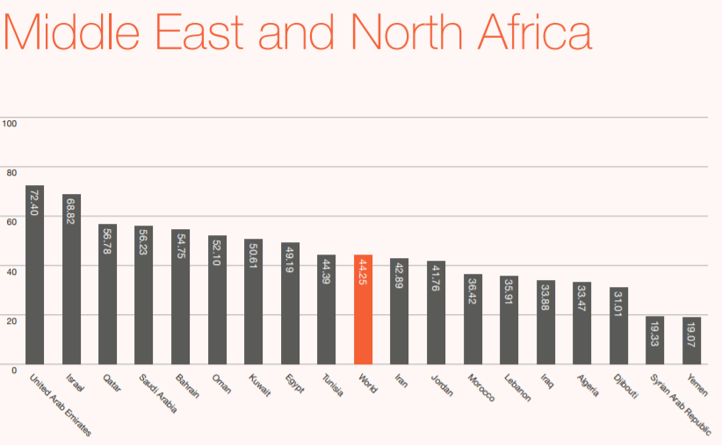
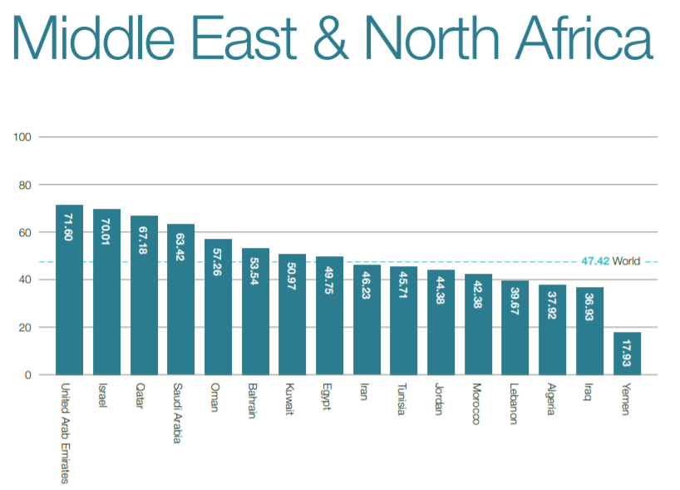
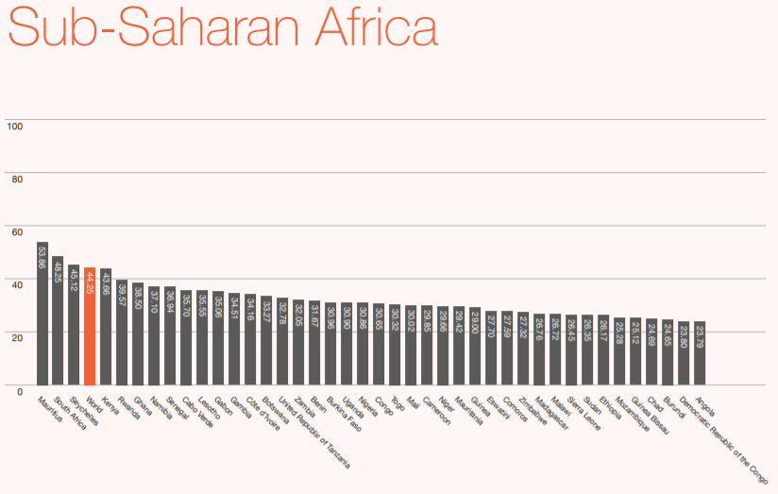
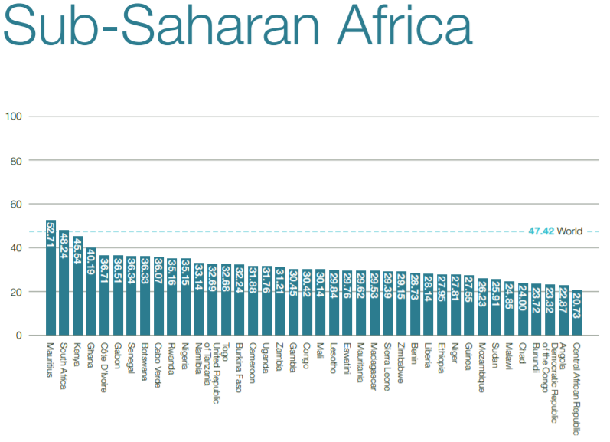
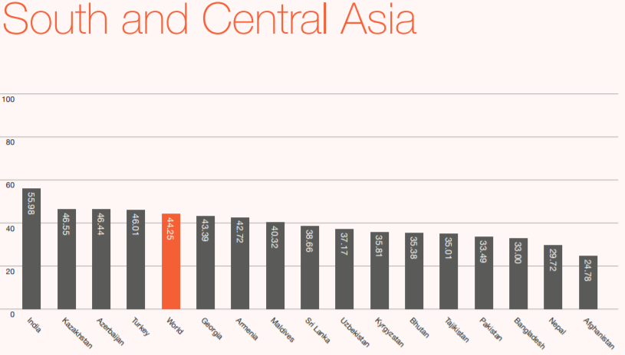
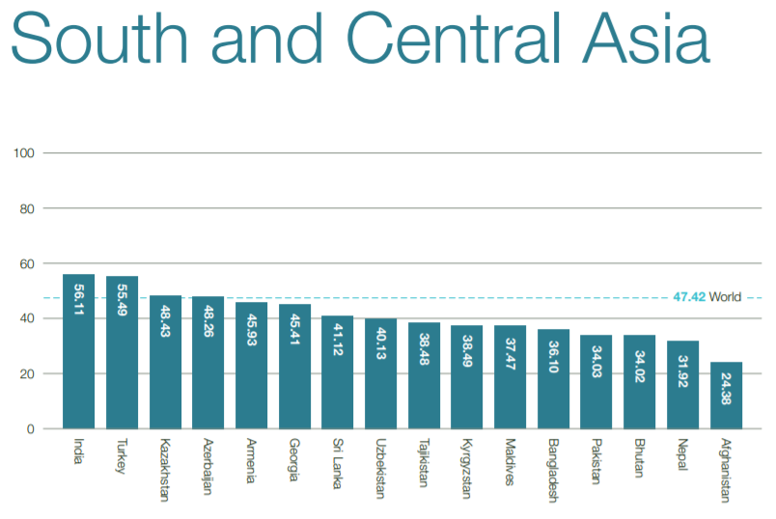
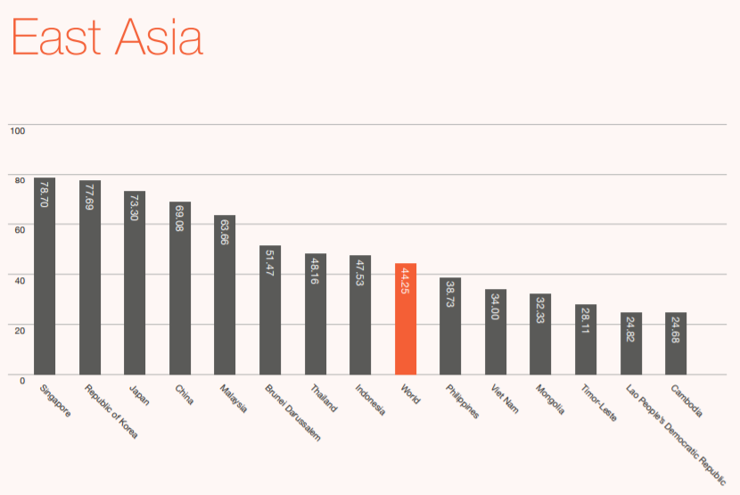
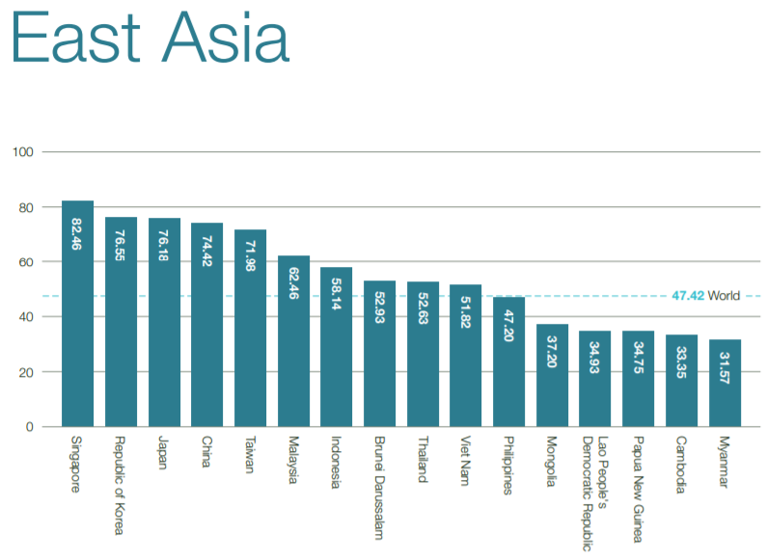
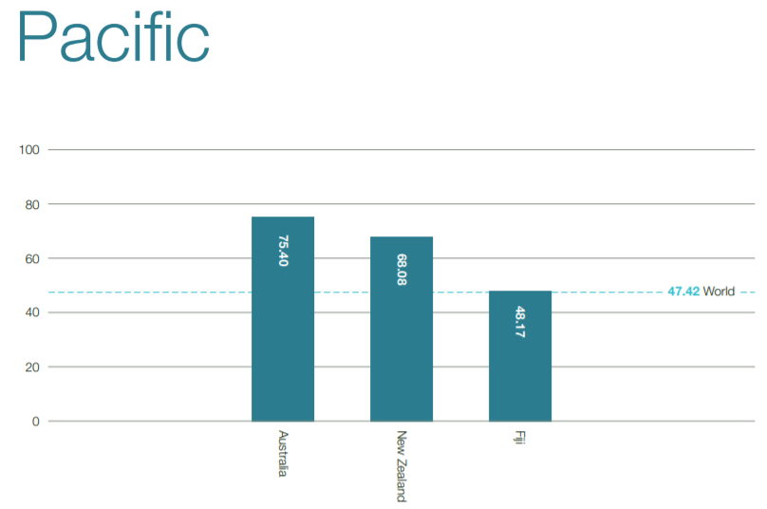
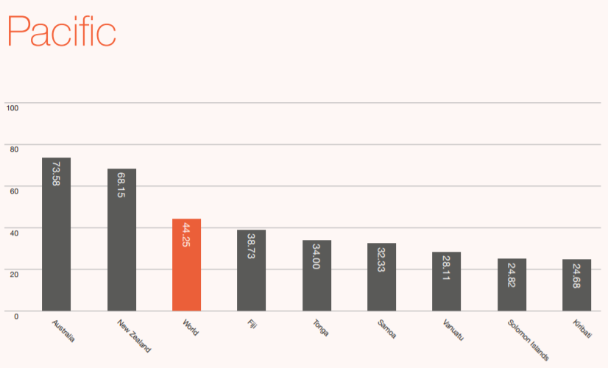
Index database 2020 (IDRC, Oxford insights): https://static1.squarespace.com/static/58b2e92c1e5b6c828058484e/t/5f7747f29ca3c20ecb598f7c/1601653137399/AI+Readiness+Report.pdf | index database 2021 (IDRC, Oxford insights): https://static1.squarespace.com/static/58b2e92c1e5b6c828058484e/t/61ead0752e7529590e98d35f/1642778757117/Government_AI_Readiness_21.pdf

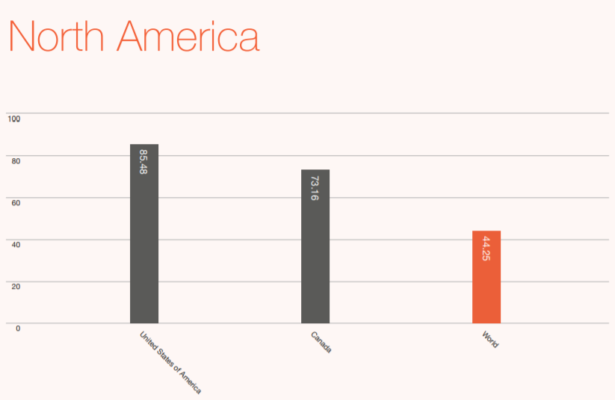
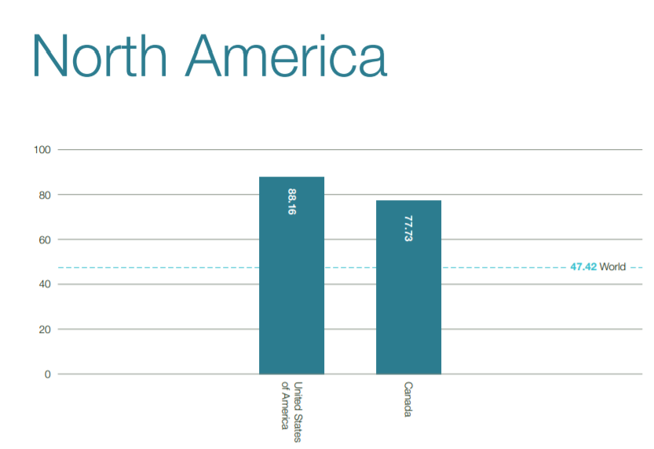
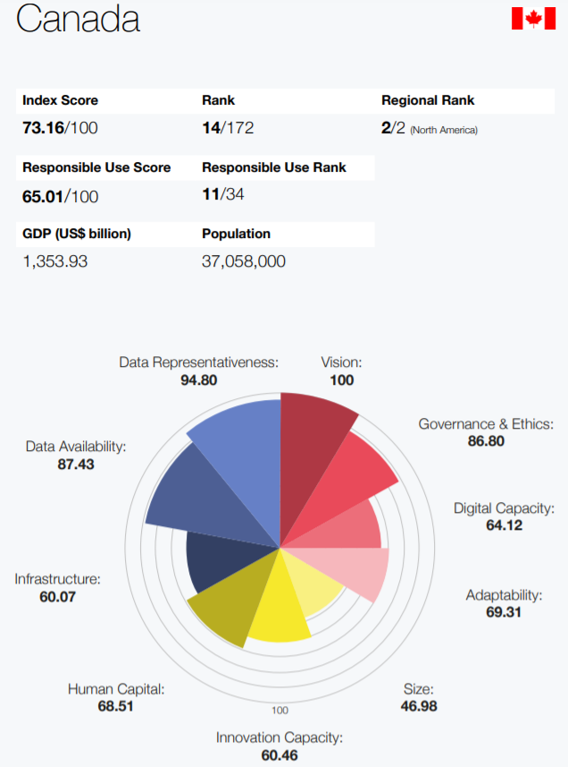
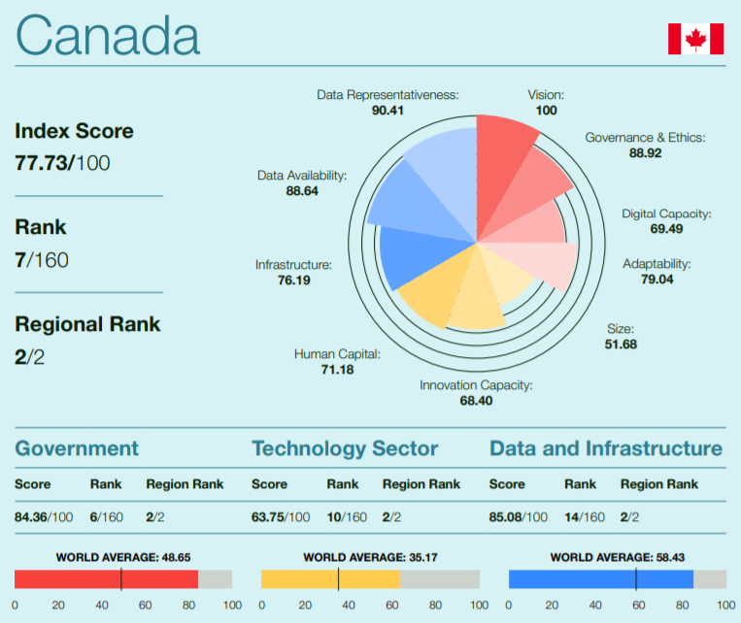
2020 | 2021 | Pillars and Dimensions of the Government AI Readiness
 |  |  | 2020 Top Ranking | 2021 Top Ranking | Canada 2020 | Canada 2021
 |  |  | 1 United States of America 85.479 | Global
 |  |  | 2 United Kingdom 81.124 | Position Country Overall
 |  |  | 3 Finland 79.238 | Score Government Technology
 |  |  | 4 Germany 78.974 | Sector
 |  |  | 5 Sweden 78.772 | Data and
 |  |  | 6 Singapore 78.704 | Infrastructure
 |  |  | 7 Republic of Korea 77.695 | 1 United States of
 |  |  | 8 Denmark 75.618 | America 88.16 88.46 83.31 92.71
 |  |  | 9 Netherlands 75.297 | 2 Singapore 82.46 94.88 66.69 85.80
 |  |  | 10 Norway 74.430 | 3 United Kingdom 81.25 85.69 67.26 90.81
 |  |  | 11 France 73.767 | 4 Finland 79.23 88.45 63.85 85.40
 |  |  | 12 Australia 73.577 | 5 Netherlands 78.51 80.42 66.17 88.92
 |  |  | 13 Japan 73.303 | 6 Sweden 78.16 80.76 67.37 86.36
 |  |  | 14 Canada 73.158 | 7 Canada 77.73 84.36 63.75 85.08
 |  |  | 15 Luxembourg 72.616 | 8 Germany 77.26 78.04 67.68 86.07
 |  |  | 16 United Arab Emirates 72.395 | 9 Denmark 76.96 83.50 63.24 84.14
 |  |  | 17 Estonia 69.922 | 10 Republic of Korea 76.55 85.27 58.49 85.89
 |  |  | 18 Switzerland 69.219 | 11 France 76.41 82.10 60.61 86.53
 |  |  | 19 China 69.080 | 12 Japan 76.18 81.90 59.31 87.32
 |  |  | 20 Israel 68.825 | 13 Norway 76.14 84.24 59.25 84.91
 |  |  |  | 14 Australia 75.41 83.79 57.07 85.37
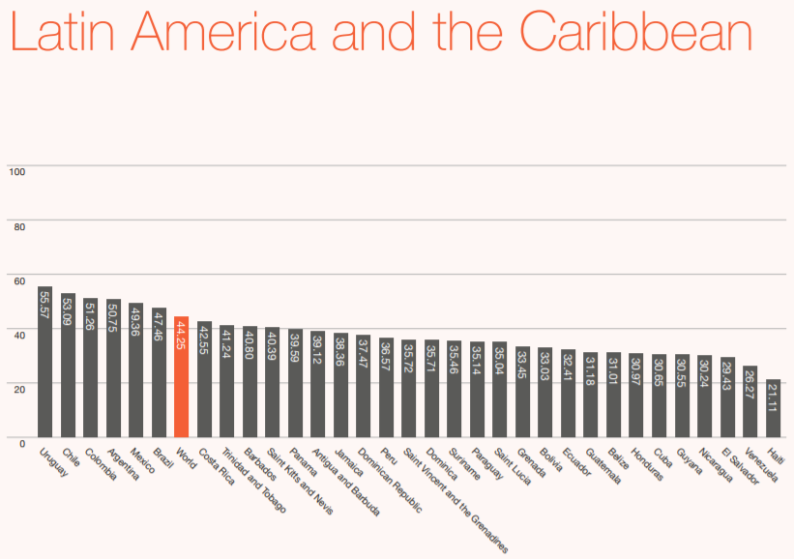
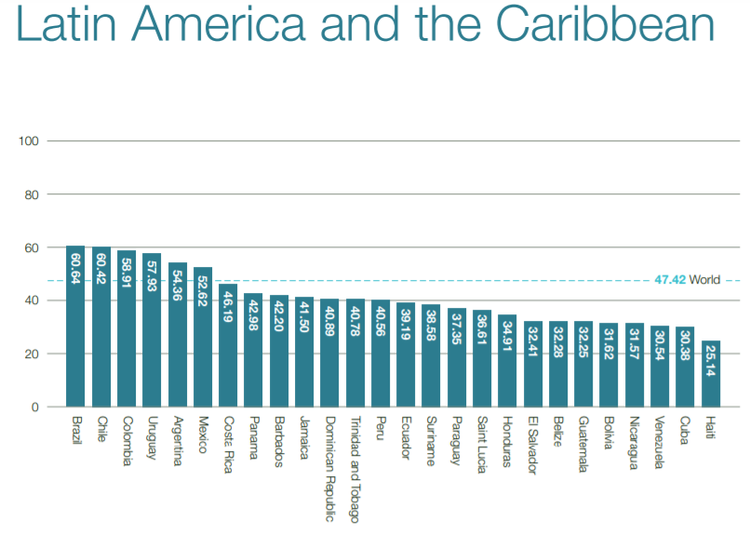
 |  |  |  | 15 China 74.42 83.79 61.33 78.15
 |  |  |  | 16 Luxembourg 73.37 82.67 50.66 86.80
 |  |  |  | 17 Ireland 72.80 74.70 61.11 82.59
 |  |  |  | 18 Taiwan 71.98 77.59 59.42 78.92
 |  |  |  | 19 United Arab
 |  |  |  | Emirates 71.60 79.41 53.33 82.05
 |  |  |  | 20 Israel 70.01 64.64 65.87 79.52
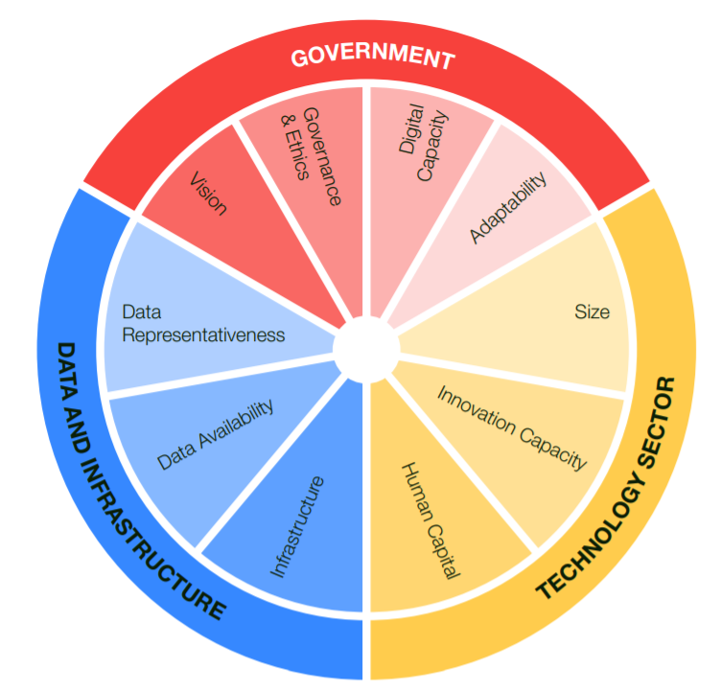

 |  |  |  |  |  |  | 2020 | 2021 | Country | Government | Technology Sector | Data and Infrastructure |  | US | Singapore | UK | Finland | Netherlands | Sweden | Canada | Germany | Denmark | Republic of Korea | France | Japan | Norway | Australia | China | Luxembourg | Ireland | Taiwan | UAE | Israel
 |  |  |  |  | 1 United States of | US | 85.479 | 88.16 | US | 88.46 | 83.31 | 92.71 | Government | 88.46 | 94.88 | 85.69 | 88.45 | 80.42 | 80.76 | 84.36 | 78.04 | 83.5 | 85.27 | 82.1 | 81.9 | 84.24 | 83.79 | 83.79 | 82.67 | 74.7 | 77.59 | 79.41 | 64.64
 |  |  |  |  | America 88.16 88.46 83.31 92.71 | Singapore | 78.704 | 82.46 | Singapore | 94.88 | 66.69 | 85.8 | Technology Sector | 83.31 | 66.69 | 67.26 | 63.85 | 66.17 | 67.37 | 63.75 | 67.68 | 63.24 | 58.49 | 60.61 | 59.31 | 59.25 | 57.07 | 61.33 | 50.66 | 61.11 | 59.42 | 53.33 | 65.87
 |  |  |  |  | 2 Singapore 82.46 94.88 66.69 85.80 | UK | 81.124 | 81.25 | UK | 85.69 | 67.26 | 90.81 | Data and Infrastructure | 92.71 | 85.8 | 90.81 | 85.4 | 88.92 | 86.36 | 85.08 | 86.07 | 84.14 | 85.89 | 86.53 | 87.32 | 84.91 | 85.37 | 78.15 | 86.8 | 82.59 | 78.92 | 82.05 | 79.52
 |  |  |  |  | 3 United Kingdom 81.25 85.69 67.26 90.81 | Finland | 79.238 | 79.23 | Finland | 88.45 | 63.85 | 85.4 |  | US | Singapore | UK | Finland | Netherlands | Sweden | Canada | Germany | Denmark | Republic of Korea | France | Japan | Norway | Australia | China | Luxembourg | Ireland | Taiwan | UAE | Israel
 |  |  |  |  | 4 Finland 79.23 88.45 63.85 85.40 | Netherlands | 75.297 | 78.51 | Netherlands | 80.42 | 66.17 | 88.92 | Government | 8.46 | 14.88 | 5.69 | 8.45 | 0.42 | 0.76 | 4.36 | -1.96 | 3.5 | 5.27 | 2.1 | 1.9 | 4.24 | 3.79 | 3.79 | 2.67 | -5.3 | -2.41 | -0.59 | -15.36
 |  |  |  |  | 5 Netherlands 78.51 80.42 66.17 88.92 | Sweden | 78.772 | 78.16 | Sweden | 80.76 | 67.37 | 86.36 | Technology Sector | 3.31 | -13.31 | -12.74 | -16.15 | -13.83 | -12.63 | -16.25 | -12.32 | -16.76 | -21.51 | -19.39 | -20.69 | -20.75 | -22.93 | -18.67 | -29.34 | -18.89 | -20.58 | -26.67 | -14.13
 |  |  |  |  | 6 Sweden 78.16 80.76 67.37 86.36 | Canada | 73.158 | 77.73 | Canada | 84.36 | 63.75 | 85.08 | Data and Infrastructure | 12.71 | 5.8 | 10.81 | 5.4 | 8.92 | 6.36 | 5.08 | 6.07 | 4.14 | 5.89 | 6.53 | 7.32 | 4.91 | 5.37 | -1.85 | 6.8 | 2.59 | -1.08 | 2.05 | -0.48
 |  |  |  |  | 7 Canada 77.73 84.36 63.75 85.08 | Germany | 78.974 | 77.26 | Germany | 78.04 | 67.68 | 86.07
 |  |  |  |  | 8 Germany 77.26 78.04 67.68 86.07 | Denmark | 75.618 | 76.96 | Denmark | 83.5 | 63.24 | 84.14
 |  |  |  |  | 9 Denmark 76.96 83.50 63.24 84.14 | Republic of Korea | 77.695 | 76.55 | Republic of Korea | 85.27 | 58.49 | 85.89
 |  |  |  |  | 10 Republic of Korea 76.55 85.27 58.49 85.89 | France | 73.767 | 76.41 | France | 82.1 | 60.61 | 86.53
 |  |  |  |  | 11 France 76.41 82.10 60.61 86.53 | Japan | 73.303 | 76.18 | Japan | 81.9 | 59.31 | 87.32
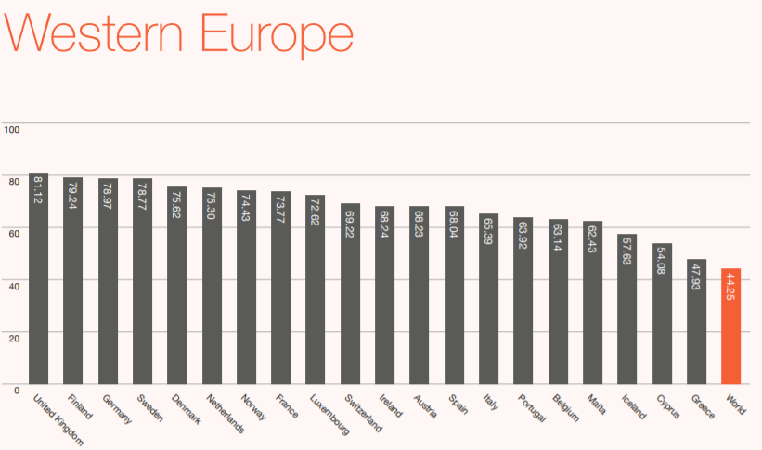
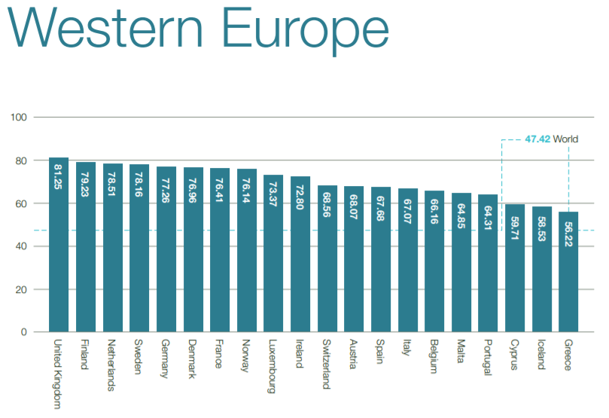
 |  |  |  |  | 12 Japan 76.18 81.90 59.31 87.32 | Norway | 74.43 | 76.14 | Norway | 84.24 | 59.25 | 84.91
 |  |  |  |  | 13 Norway 76.14 84.24 59.25 84.91 | Australia | 73.577 | 75.41 | Australia | 83.79 | 57.07 | 85.37
 |  |  |  |  | 14 Australia 75.41 83.79 57.07 85.37 | China | 69.08 | 74.42 | China | 83.79 | 61.33 | 78.15
 |  |  |  |  | 15 China 74.42 83.79 61.33 78.15 | Luxembourg | 72.616 | 73.37 | Luxembourg | 82.67 | 50.66 | 86.8
 |  |  |  |  | 16 Luxembourg 73.37 82.67 50.66 86.80 | Ireland | 68.24 | 72.8 | Ireland | 74.7 | 61.11 | 82.59
 |  |  |  |  | 17 Ireland 72.80 74.70 61.11 82.59 | Taiwan | 0 | 71.98 | Taiwan | 77.59 | 59.42 | 78.92
 |  |  |  |  | 18 Taiwan 71.98 77.59 59.42 78.92 | UAE | 72.395 | 71.6 | UAE | 79.41 | 53.33 | 82.05
 |  |  |  |  | 19 United Arab | Israel | 68.825 | 70.01 | Israel | 64.64 | 65.87 | 79.52
 |  |  |  |  | Emirates 71.60 79.41 53.33 82.05 | Estonia | 69.922 | 69.18 | Estonia
 |  |  |  |  | 20 Israel 70.01 64.64 65.87 79.52 | Switzerland | 69.219 | 68.56 | Switzerland

 |  |  |  |  | 1 United States of America 85.479
 |  |  |  |  | 2 United Kingdom 81.124 | Country | 2020 | 2021 | growth
 |  |  |  |  | 3 Finland 79.238 | US | 85.479 | 88.16 | 2.681
 |  |  |  |  | 4 Germany 78.974 | Singapore | 78.704 | 82.46 | 3.756
 |  |  |  |  | 5 Sweden 78.772 | UK | 81.124 | 81.25 | 0.126
 |  |  |  |  | 6 Singapore 78.704 | Finland | 79.238 | 79.23 | -0.008
 |  |  |  |  | 7 Republic of Korea 77.695 | Netherlands | 75.297 | 78.51 | 3.213
 |  |  |  |  | 8 Denmark 75.618 | Sweden | 78.772 | 78.16 | -0.612
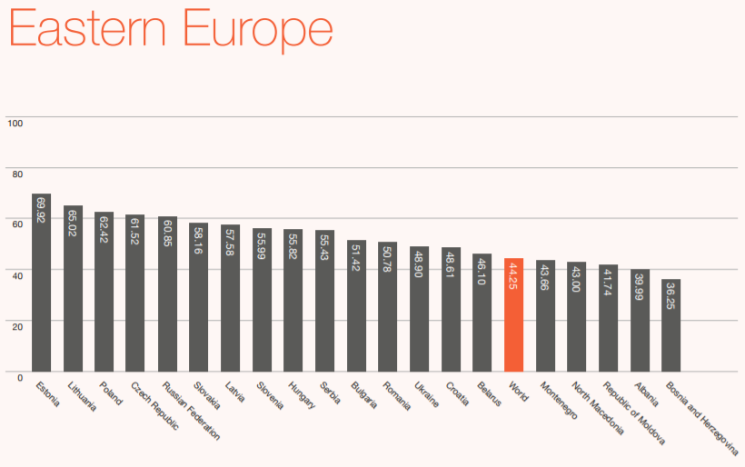
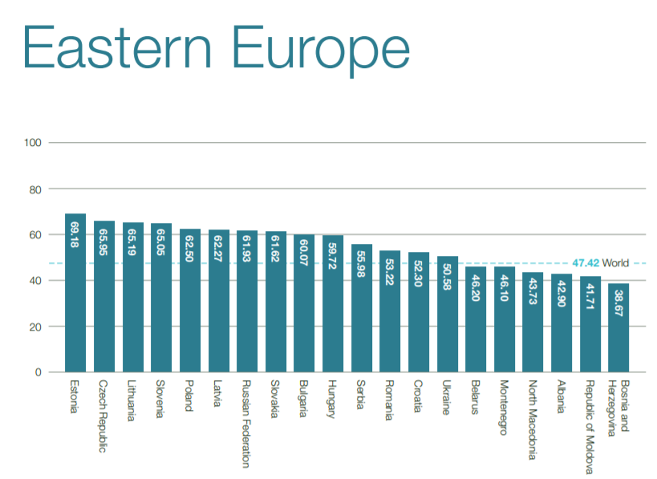
 |  |  |  |  | 9 Netherlands 75.297 | Canada | 73.158 | 77.73 | 4.572
 |  |  |  |  | 10 Norway 74.430 | Germany | 78.974 | 77.26 | -1.714
 |  |  |  |  | 11 France 73.767 | Denmark | 75.618 | 76.96 | 1.342
 |  |  |  |  | 12 Australia 73.577 | Republic of Korea | 77.695 | 76.55 | -1.145
 |  |  |  |  | 13 Japan 73.303 | France | 73.767 | 76.41 | 2.643
 |  |  |  |  | 14 Canada 73.158 | Japan | 73.303 | 76.18 | 2.877
 |  |  |  |  | 15 Luxembourg 72.616 | Norway | 74.43 | 76.14 | 1.71
 |  |  |  |  | 16 United Arab Emirates 72.395 | Australia | 73.577 | 75.41 | 1.833
 |  |  |  |  | 17 Estonia 69.922 | China | 69.08 | 74.42 | 5.34
 |  |  |  |  | 18 Switzerland 69.219 | Luxembourg | 72.616 | 73.37 | 0.754
 |  |  |  |  | 19 China 69.080 | UAE | 72.395 | 71.6 | -0.795
 |  |  |  |  | 20 Israel 68.825 | Israel | 68.825 | 70.01 | 1.185

