AnalisisFOPDT
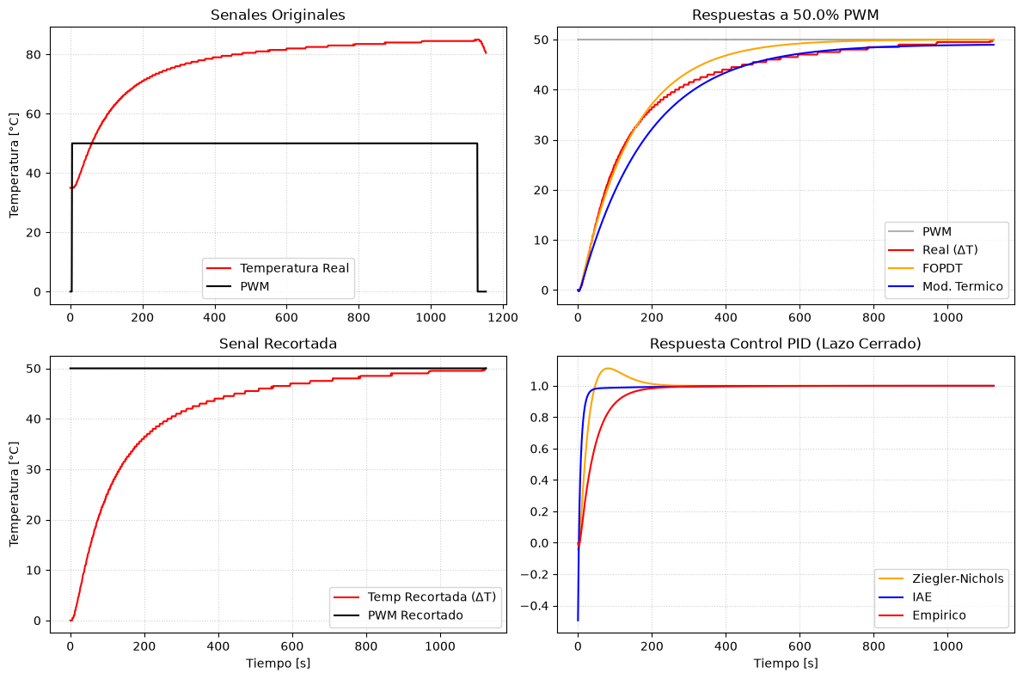
planta | Planta Q1 | Control | Kp | Ki | Kd | Ts [s]
Escalon PWM [%] | 50 | Ziegler-Nichols | 5.72 | 0.0953 | 5.3625 | 3
Temp Ambiente [°C] | 35 | IAE | 14.0731 | 0.0722 | 47.3296 | 3
Temp Final [°C] | 85 | Empirico | 3 | 0.02 | 0.3 | 3
Delta Temp ΔT [°C] | 50
Tiempo Muestreo Ts [s] | 3
--- FOPDT Metodo 1 ---
Kp (Ganancia) | 1
Tau [s] | 143
Theta [s] | 6
--- FOPDT Metodo 2 ---
Kp (Ganancia) | 1
Tau [s] | 192.375
Theta [s] | 18.79
--- Modelo Termico ---
Kp (Ganancia) | 0.9814
Tau [s] | 182.2554
--- Rangos Recomendados Ts ---
Ts segun Tau (FOPDT 1) [s] | 7.15 a 21.45
Ts segun Theta (FOPDT 1) [s] | 1.20 a 3.60

