skill_correlation
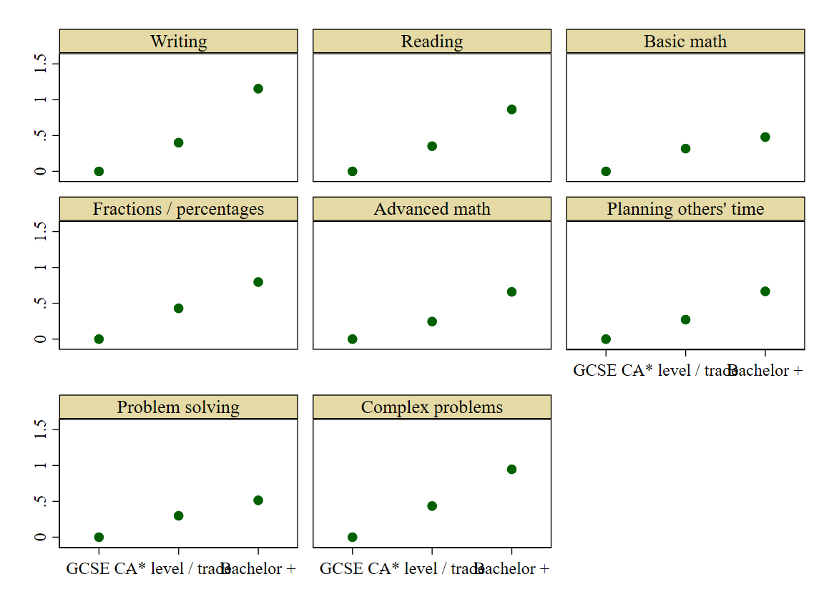
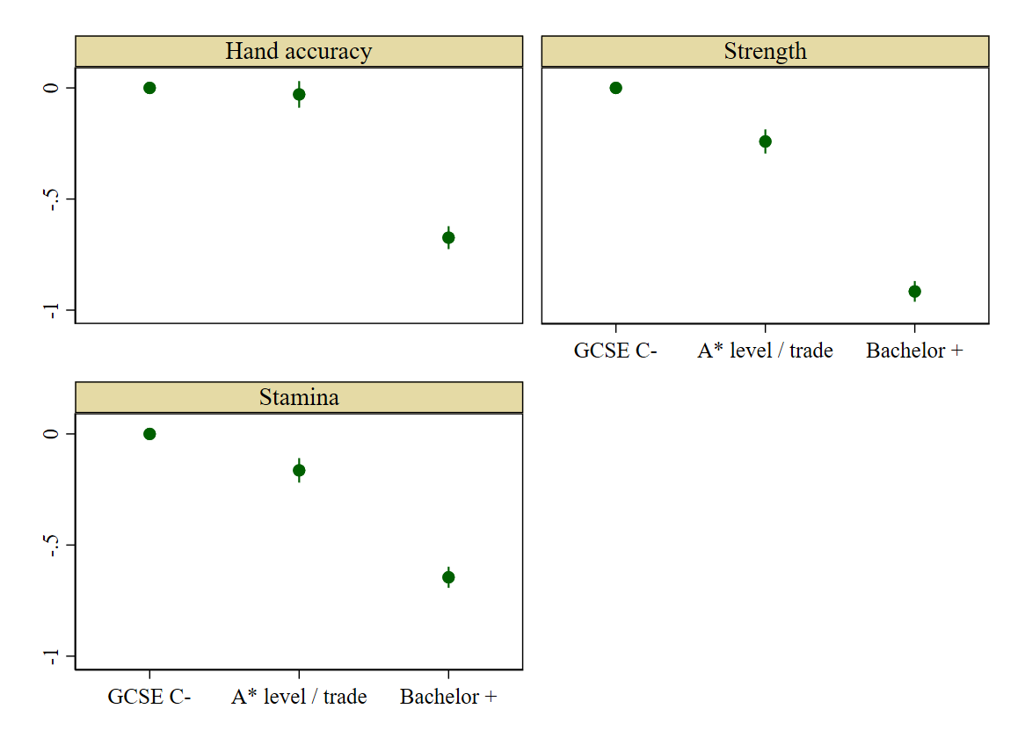
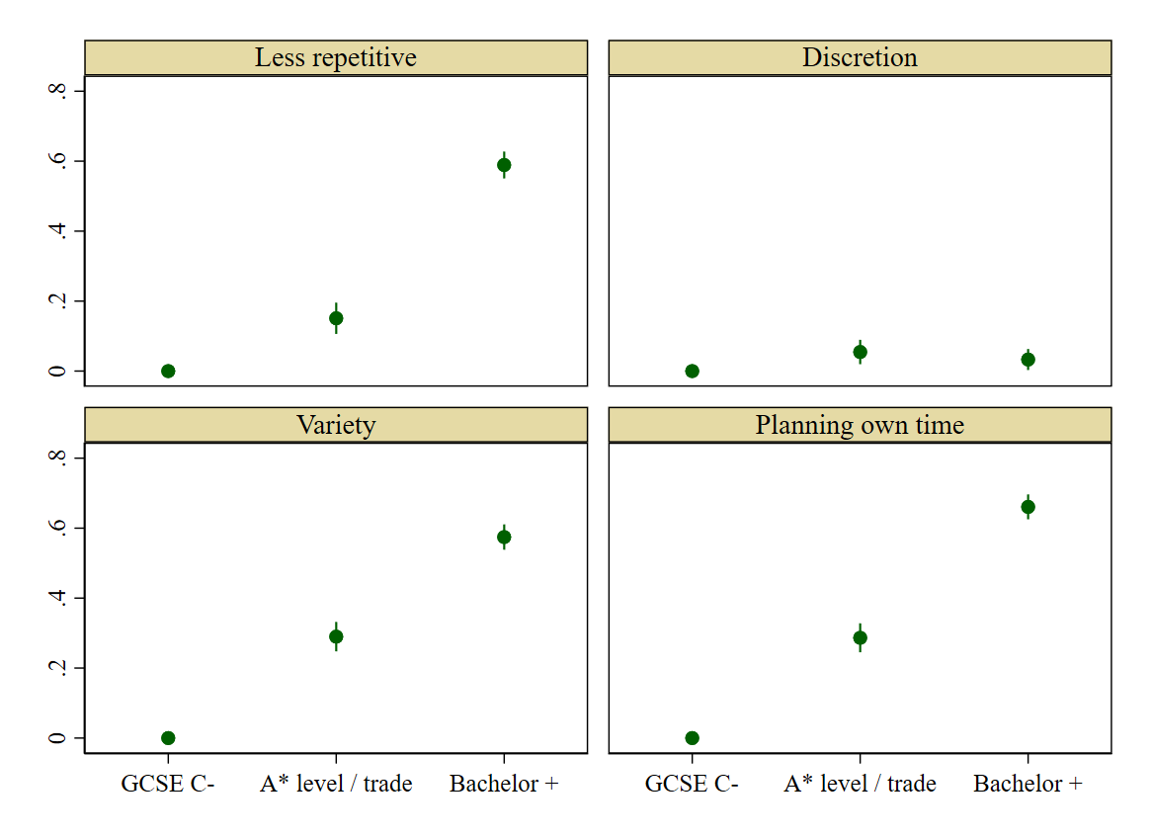
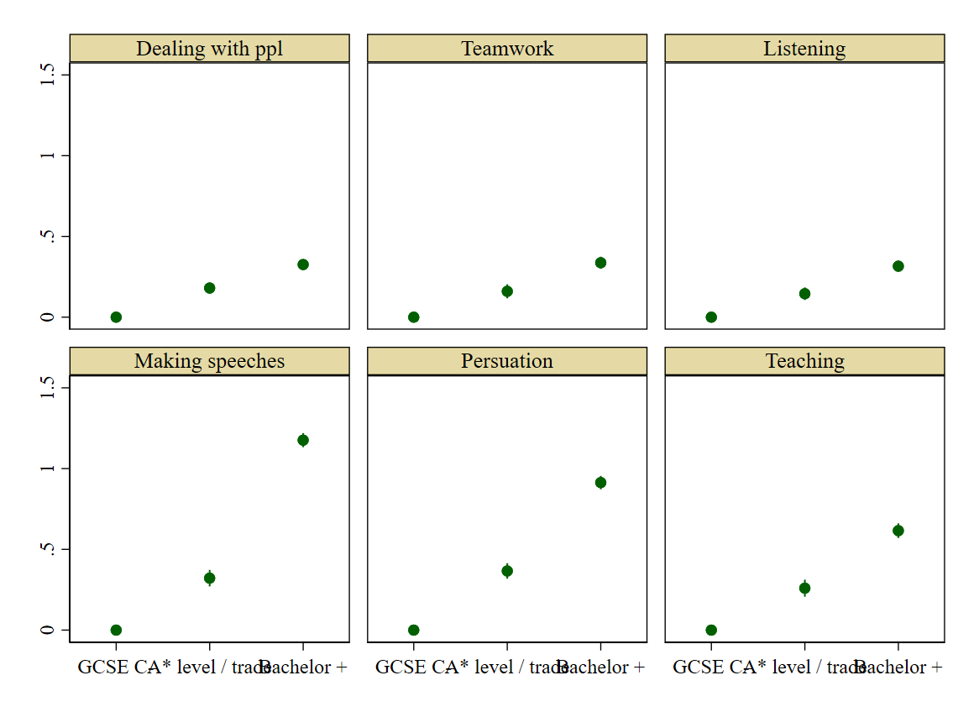
 | Manual |  |  | Abstract |  |  |  |  |  |  |  | Adaptability |  |  |  | Social
 | Hand accuracy | Strength | Stamina | Writing | Reading | Basic math | Fractions / percents | Advanced math | Planning others' time | Problem solving | Deep problems | Less repetitive | Discretion | Variety | Planning my time | Dealing with ppl | Teamwork | Listening | Speeches | Persuation | Teaching
Hand accuracy | 1
Strength | 0.5243 | 1
Stamina | 0.5041 | 0.7574 | 1
Writing | -0.1314 | -0.2265 | -0.1496 | 1
Reading | -0.0529 | -0.1445 | -0.0834 | 0.6612 | 1
Basic math | 0.024 | -0.0881 | -0.0588 | 0.2358 | 0.2475 | 1
Fractions / percents | -0.0104 | -0.1505 | -0.1196 | 0.3237 | 0.3159 | 0.7515 | 1
Advanced math | 0.0059 | -0.1102 | -0.0852 | 0.3798 | 0.3466 | 0.5255 | 0.6753 | 1
Planning others' time | 0.0009 | 0.0111 | 0.0761 | 0.3823 | 0.3596 | 0.196 | 0.234 | 0.2462 | 1
Problem solving | 0.1085 | -0.0217 | 0.0286 | 0.3356 | 0.394 | 0.2703 | 0.3064 | 0.2723 | 0.3529 | 1
Deep problems | 0.0127 | -0.1246 | -0.0625 | 0.5025 | 0.5275 | 0.266 | 0.3573 | 0.4093 | 0.381 | 0.599 | 1
Less repetitive | -0.1754 | -0.1913 | -0.1711 | 0.161 | 0.1311 | 0.0174 | 0.0762 | 0.0841 | 0.0958 | 0.0994 | 0.1571 | 1
Discretion | 0.063 | 0.0387 | 0.0439 | 0.1009 | 0.0986 | 0.0773 | 0.0762 | 0.0596 | 0.1566 | 0.174 | 0.1473 | 0.0457 | 1
Variety | -0.0351 | -0.1091 | -0.0552 | 0.2941 | 0.2853 | 0.1664 | 0.1991 | 0.1693 | 0.2736 | 0.2973 | 0.3159 | 0.3087 | 0.2239 | 1
Planning my time | -0.0624 | -0.1151 | -0.0372 | 0.377 | 0.3533 | 0.2312 | 0.2641 | 0.2111 | 0.4402 | 0.3957 | 0.3983 | 0.155 | 0.2464 | 0.3421 | 1
Dealing with ppl | -0.1083 | -0.0969 | -0.0277 | 0.2615 | 0.2676 | 0.1384 | 0.1226 | 0.0706 | 0.2575 | 0.2153 | 0.2135 | 0.0885 | 0.1329 | 0.2706 | 0.2878 | 1
Teamwork | -0.0081 | -0.0089 | 0.0314 | 0.244 | 0.2779 | 0.1031 | 0.1129 | 0.1187 | 0.3591 | 0.2377 | 0.2451 | -0.0103 | -0.0056 | 0.1526 | 0.1448 | 0.2596 | 1
Listening | -0.0183 | -0.0536 | -0.0049 | 0.3052 | 0.3438 | 0.1365 | 0.1506 | 0.1536 | 0.3386 | 0.2984 | 0.3084 | 0.0248 | 0.0348 | 0.2004 | 0.2113 | 0.2958 | 0.6478 | 1
Speeches | -0.1622 | -0.2003 | -0.1011 | 0.5173 | 0.4396 | 0.1698 | 0.2582 | 0.2973 | 0.4265 | 0.2888 | 0.4316 | 0.2129 | 0.0816 | 0.2963 | 0.3647 | 0.286 | 0.2651 | 0.2739 | 1
Persuation | -0.1218 | -0.1435 | -0.0476 | 0.4373 | 0.4142 | 0.2098 | 0.2633 | 0.2458 | 0.4809 | 0.3851 | 0.4564 | 0.1653 | 0.1512 | 0.3183 | 0.3967 | 0.3758 | 0.3137 | 0.3376 | 0.5935 | 1
Teaching | 0.0293 | 0.0068 | 0.0734 | 0.3249 | 0.3628 | 0.1534 | 0.1782 | 0.1995 | 0.5116 | 0.3325 | 0.3565 | 0.037 | 0.0868 | 0.232 | 0.262 | 0.3182 | 0.4298 | 0.4085 | 0.461 | 0.4787 | 1

