skill_correlation
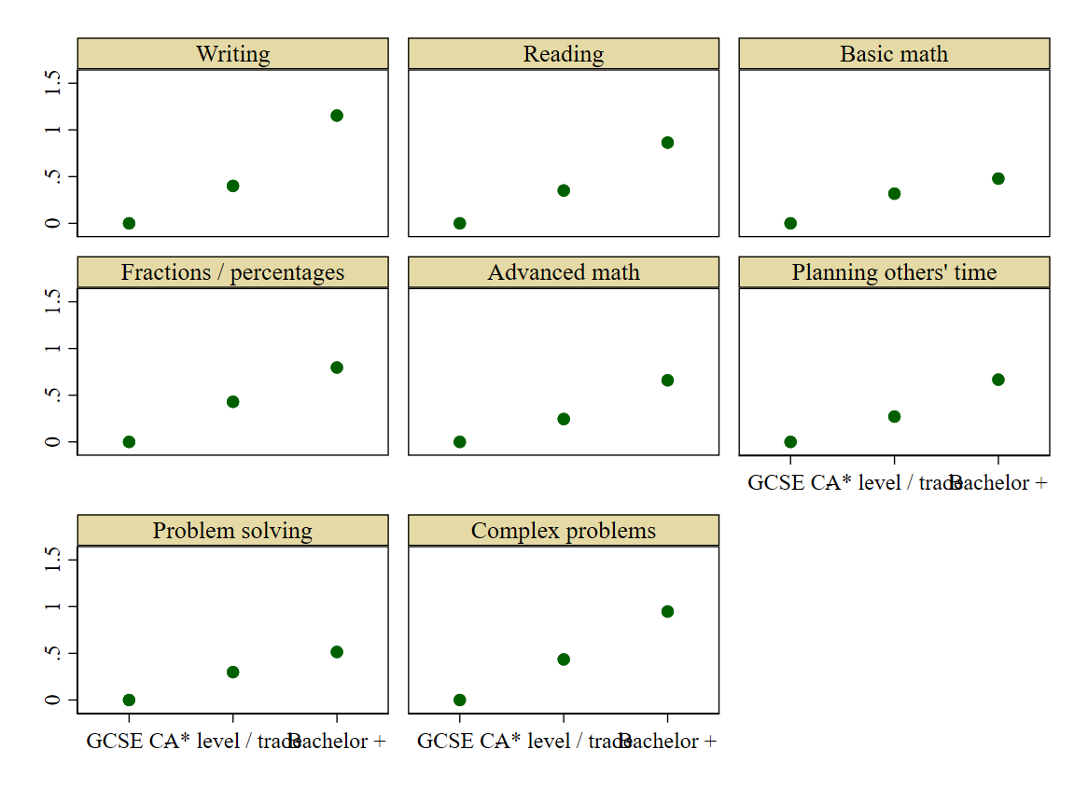
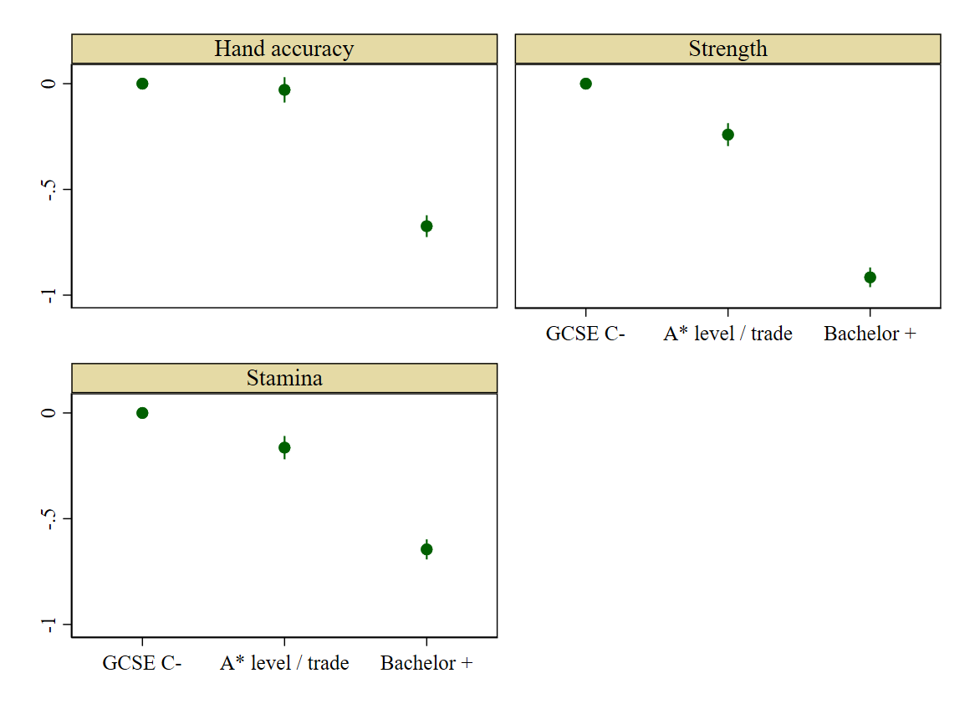
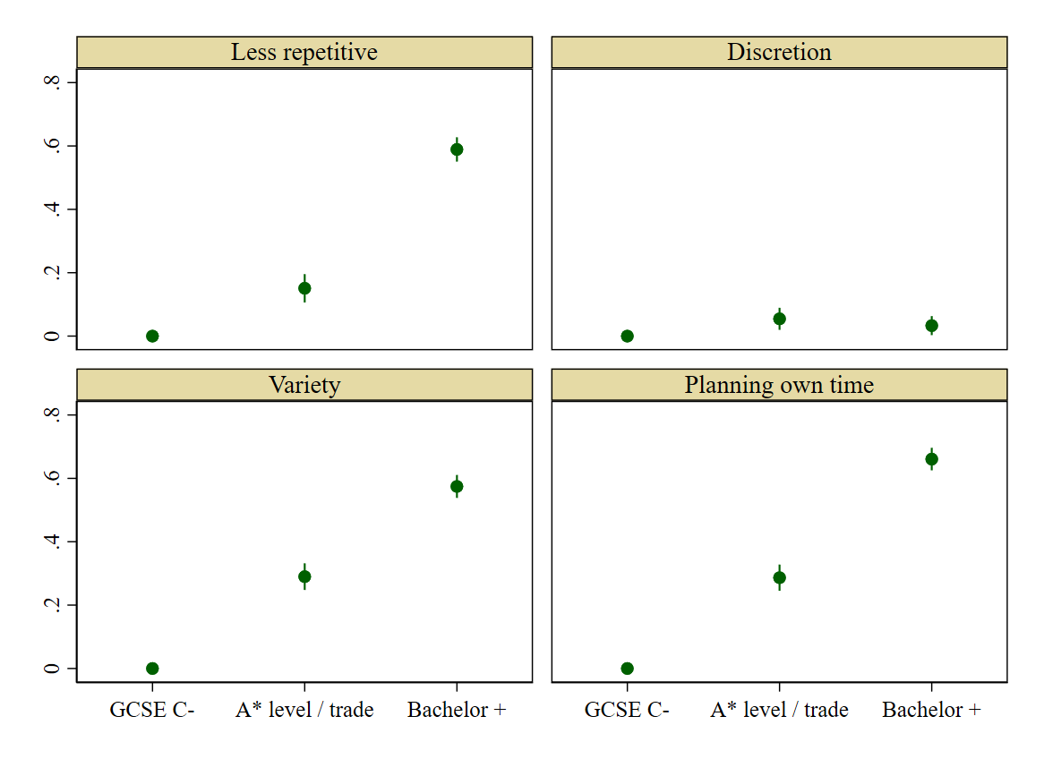
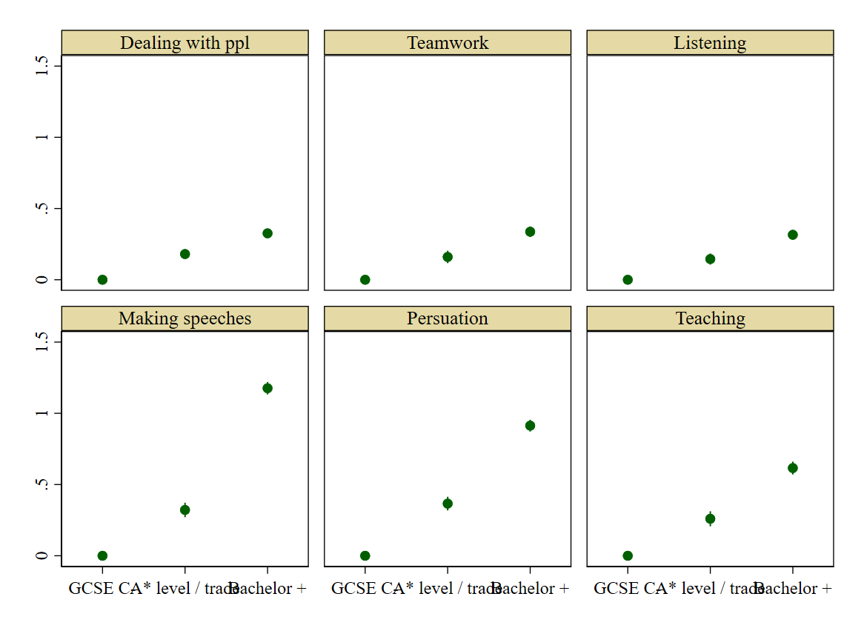
Updated | Yes
Number of occupations | 156

 | Manual |  |  | Social |  |  |  |  |  | Adaptability |  |  |  | Abstract
 | Hand accuracy | Strength | Stamina | Dealing with ppl | Teamwork | Listening | Speeches | Persuation | Teaching | Less repetitive | Discretion | Variety | Planning my time | Writing | Reading | Basic math | Fractions / percents | Advanced math | Planning others' time | Problem solving | Deep problems
Hand accuracy | 1.000
Strength | 0.524 | 1.000
Stamina | 0.504 | 0.757 | 1.000
Dealing with ppl | -0.108 | -0.097 | -0.028 | 1.000
Teamwork | -0.008 | -0.009 | 0.031 | 0.260 | 1.000
Listening | -0.018 | -0.054 | -0.005 | 0.296 | 0.648 | 1.000
Speeches | -0.162 | -0.200 | -0.101 | 0.286 | 0.265 | 0.274 | 1.000
Persuation | -0.122 | -0.144 | -0.048 | 0.376 | 0.314 | 0.338 | 0.594 | 1.000
Teaching | 0.029 | 0.007 | 0.073 | 0.318 | 0.430 | 0.409 | 0.461 | 0.479 | 1.000
Less repetitive | -0.175 | -0.191 | -0.171 | 0.089 | -0.010 | 0.025 | 0.213 | 0.165 | 0.037 | 1.000
Discretion | 0.063 | 0.039 | 0.044 | 0.133 | -0.006 | 0.035 | 0.082 | 0.151 | 0.087 | 0.046 | 1.000
Variety | -0.035 | -0.109 | -0.055 | 0.271 | 0.153 | 0.200 | 0.296 | 0.318 | 0.232 | 0.309 | 0.224 | 1.000
Planning my time | -0.062 | -0.115 | -0.037 | 0.288 | 0.145 | 0.211 | 0.365 | 0.397 | 0.262 | 0.155 | 0.246 | 0.342 | 1.000
Writing | -0.131 | -0.227 | -0.150 | 0.262 | 0.244 | 0.305 | 0.517 | 0.437 | 0.325 | 0.161 | 0.101 | 0.294 | 0.377 | 1.000
Reading | -0.053 | -0.145 | -0.083 | 0.268 | 0.278 | 0.344 | 0.440 | 0.414 | 0.363 | 0.131 | 0.099 | 0.285 | 0.353 | 0.661 | 1.000
Basic math | 0.024 | -0.088 | -0.059 | 0.138 | 0.103 | 0.137 | 0.170 | 0.210 | 0.153 | 0.017 | 0.077 | 0.166 | 0.231 | 0.236 | 0.248 | 1.000
Fractions / percents | -0.010 | -0.151 | -0.120 | 0.123 | 0.113 | 0.151 | 0.258 | 0.263 | 0.178 | 0.076 | 0.076 | 0.199 | 0.264 | 0.324 | 0.316 | 0.752 | 1.000
Advanced math | 0.006 | -0.110 | -0.085 | 0.071 | 0.119 | 0.154 | 0.297 | 0.246 | 0.200 | 0.084 | 0.060 | 0.169 | 0.211 | 0.380 | 0.347 | 0.526 | 0.675 | 1.000
Planning others' time | 0.001 | 0.011 | 0.076 | 0.258 | 0.359 | 0.339 | 0.427 | 0.481 | 0.512 | 0.096 | 0.157 | 0.274 | 0.440 | 0.382 | 0.360 | 0.196 | 0.234 | 0.246 | 1.000
Problem solving | 0.109 | -0.022 | 0.029 | 0.215 | 0.238 | 0.298 | 0.289 | 0.385 | 0.333 | 0.099 | 0.174 | 0.297 | 0.396 | 0.336 | 0.394 | 0.270 | 0.306 | 0.272 | 0.353 | 1.000
Deep problems | 0.013 | -0.125 | -0.063 | 0.214 | 0.245 | 0.308 | 0.432 | 0.456 | 0.357 | 0.157 | 0.147 | 0.316 | 0.398 | 0.503 | 0.528 | 0.266 | 0.357 | 0.409 | 0.381 | 0.599 | 1.000

sigma_estimates
Updated | Yes
Solution | Three equation | Weighted | Winsorized | No occ fixed-effects

 | Estimates | Percentiles
 | 1% | -0.0857 |  | Obs | 62 | Sigma <=1 | 61
 | 5% | -0.0355 |  | Sum of Wgt. | 62 | Sigma>1 | 1
 | 10% | -0.0259
 | 25% | -0.0163 |  | Mean | 0.03 | Total | 62
 |  |  |  | Std. Dev. | 0.19
 | 50% | 0.0000 |  |  |  | No sigma is statistically larger than one
 |  |  |  | Variance | 0.04
 | 75% | 0.0177 |  | Skewness | 5.30
 | 90% | 0.0231 |  | Kurtosis | 30.14
 | 95% | 0.0342
 | 99% | 1.1858

 | t-statistic | Percentiles
 | 1% | -0.0503
 | 5% | -0.0322
 | 10% | -0.0236
 | 25% | -0.0076

 | 50% | -0.0014

 | 75% | 0.0110
 | 90% | 0.0209
 | 95% | 0.0368
 | 99% | 3.7408

Updated | Yes
Solution | Two equation | Weighted | Not winsorized | Same manual
 |  |  |  |  |  |  |  | List of occupation |  | Sigma
 | Estimates | Percentiles |  | Obs | 93 | Sigma <=1 | 86 | 1239 mngers and prop. in other srvcs ne |  | <=1 | >1
 | 1% | -4.8695 |  | Sum of Wgt. | 93 | Sigma>1 | 7 | 3534 fin., invest, and taxation analyst | Exclusive of 93 occ sample | 28 | 3
 | 5% | -2.0305 |  |  |  |  |  | 3537 finantial and accounting techs, an | Sample 62 occ | 58 | 4
 | 10% | -0.6395 |  | Mean | -0.01 | Total | 93 | 6211 Leisure And Travel Service Occupat
 | 25% | -0.1918 |  | Std. Dev. | 1.17 |  |  | 8121 Plant and machine operatives
 |  |  |  |  |  | No sigma is statistically larger than one |  | 9211 post wrkr, mail sort, msngr, couri
 | 50% | 0.0154 |  | Variance | 1.37 |  |  | 9226 leisure and theme park attendants
 |  |  |  | Skewness | -0.34
 | 75% | 0.3616 |  | Kurtosis | 13.52
 | 90% | 0.8732
 | 95% | 1.1778
 | 99% | 5.7314

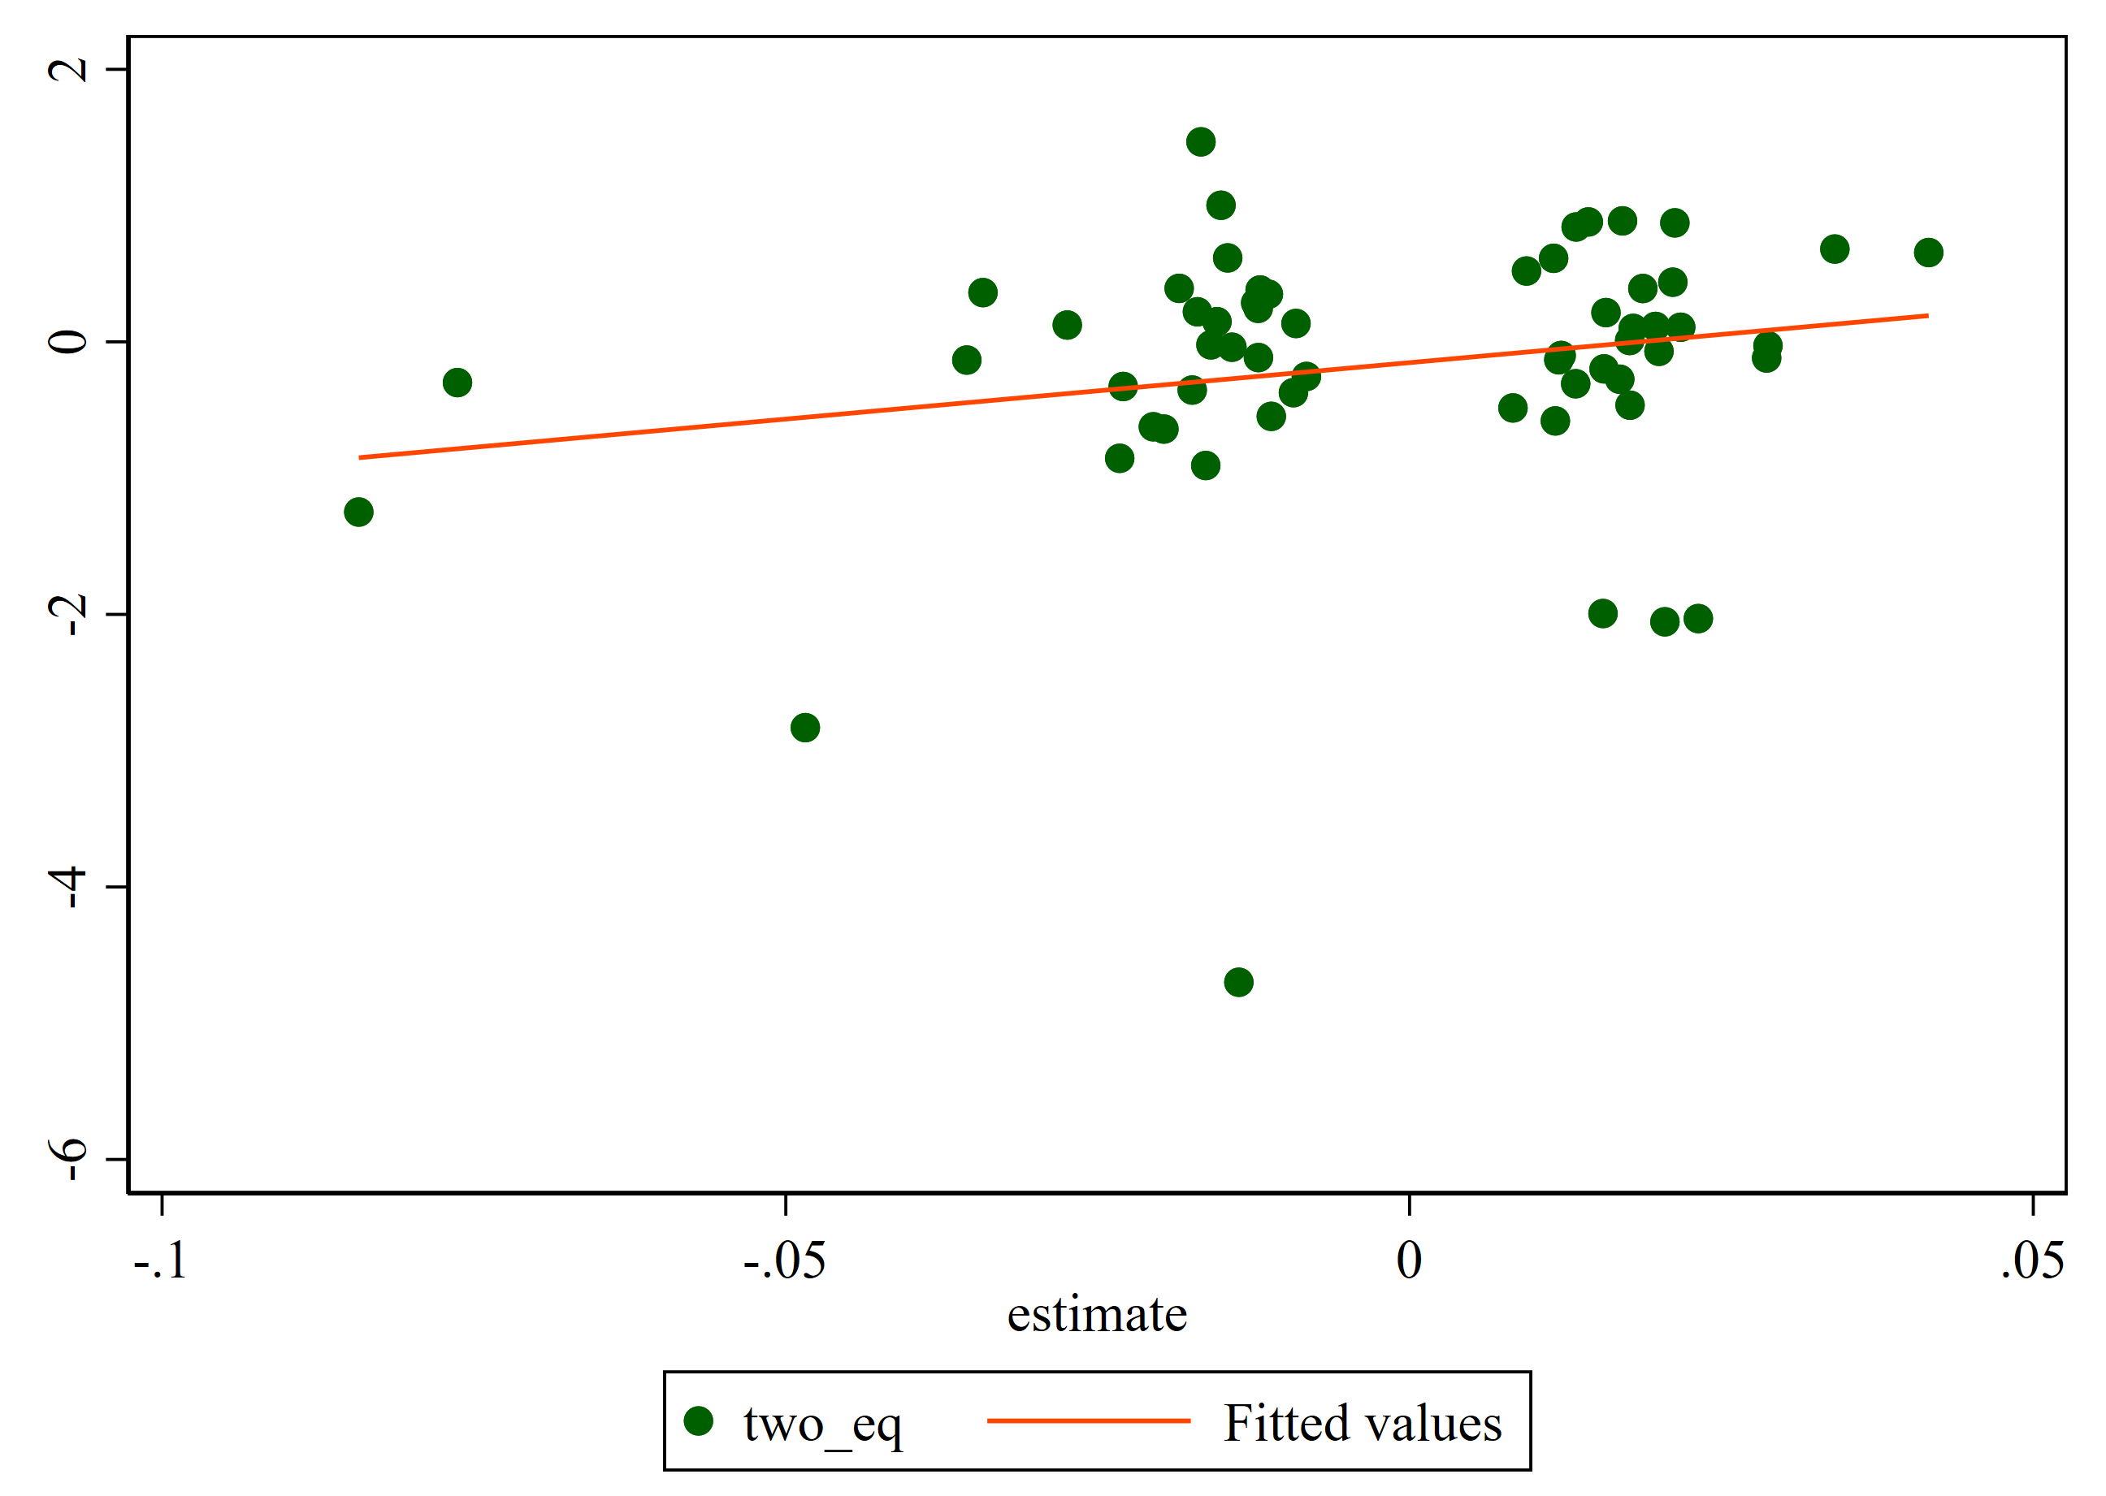
 | t-statistic | Percentiles
 | 1% | -0.8509
 | 5% | -0.3962
 | 10% | -0.2017
 | 25% | -0.0654

 | 50% | 0.0209

 | 75% | 0.1799
 | 90% | 0.5594
 | 95% | 0.8227
 | 99% | 1.6230

Updated | Yes
Solution | Two equation | Weighted | Not winsorized | Same manual | Same instruments

 | Estimates | Percentiles |  | Obs | 62
 | 1% | -5.3698 |  | Sum of Wgt. | 62
 | 5% | -0.9154
 | 10% | -0.5161 |  | Mean | 0.05
 | 25% | -0.1169 |  | Std. Dev. | 0.99

 | 50% | -0.0045 |  | Variance | 0.97
 |  |  |  | Skewness | -2.09
 | 75% | 0.2867 |  | Kurtosis | 17.29
 | 90% | 1.0382
 | 95% | 1.4676
 | 99% | 3.0444

 | t-statistic | Percentiles
 | 1% | -0.7899
 | 5% | -0.3533
 | 10% | -0.2422
 | 25% | -0.0859

 | 50% | 0.0000

 | 75% | 0.1531
 | 90% | 0.4457
 | 95% | 0.7392
 | 99% | 0.7984

