references
simple active mixer | https://www.circuitlib.com/index.php/tutorials/product/39-how-to-build-an-audio-mixer
op amps | https://www.youtube.com/watch?v=kqCV-HGJc6A
active summing mixer | https://www.youtube.com/watch?v=k4B43nhb91I&t=10s
passive summing mixer | https://www.youtube.com/watch?v=vbr4XbAhlnQ

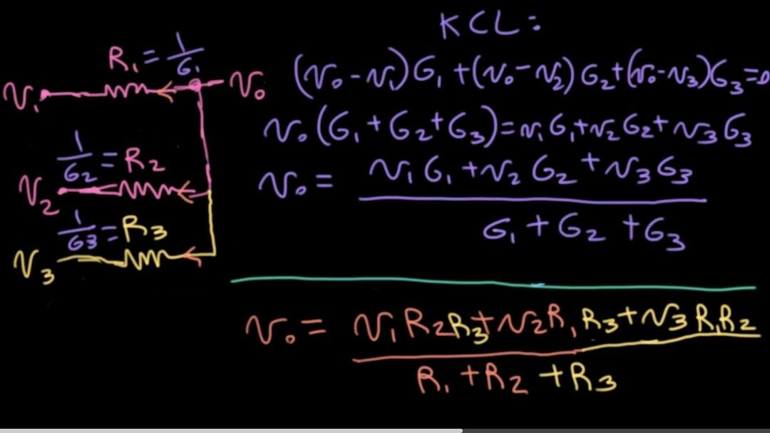
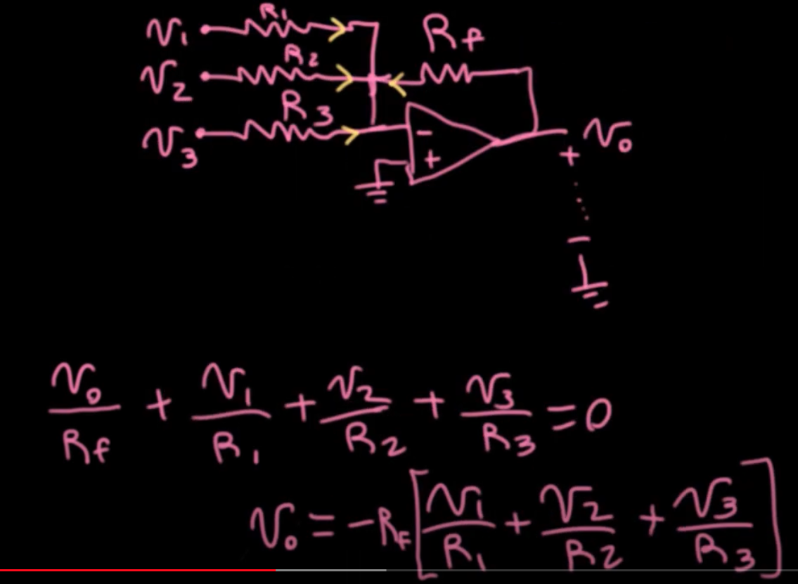
passive mixer |  | active mixer

