Sheet1
 |  | score | core_score
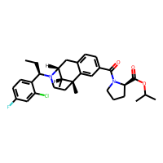 |  | 0.149
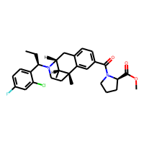 |  | 0.199
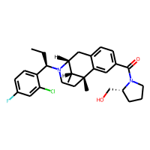 |  | 0.206
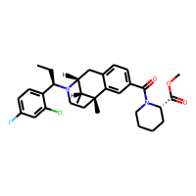 |  | 0.216
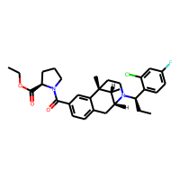 |  | 0.23
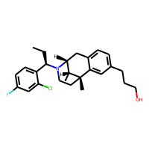 |  | 0.235
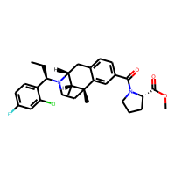 |  | 0.24
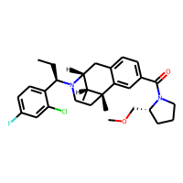 |  | 0.243
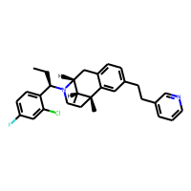 |  | 0.244
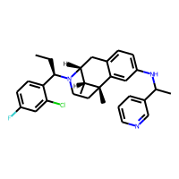 |  | 0.246
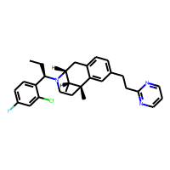 |  | 0.247
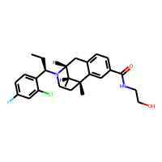 |  | 0.249
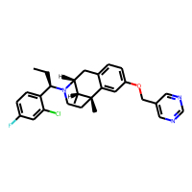 | 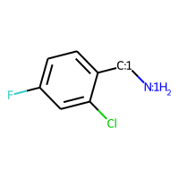 | 0.253 | 0.396
 |  | 0.253 | 0.396
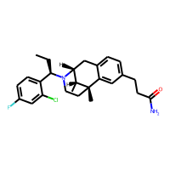 | 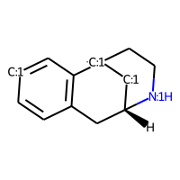 | 0.254 | 0.366
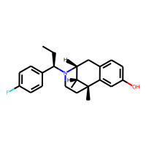 |  | 0.263 | 0.366
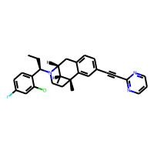 |  | 0.264 | 0.366
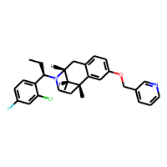 |  | 0.268 | 0.396
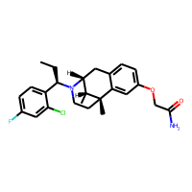 | 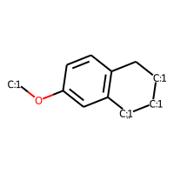 | 0.268 | 0.254
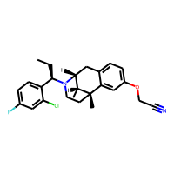 |  | 0.272 | 0.396
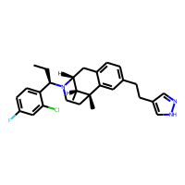 |  | 0.274 | 0.396
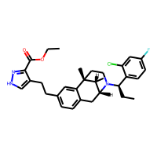 | 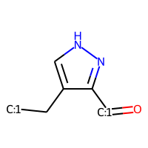 | 0.277 | 0.578
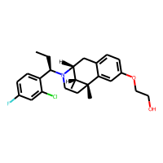 |  | 0.283 | 0.396
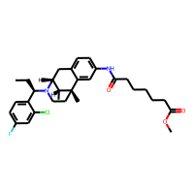 | 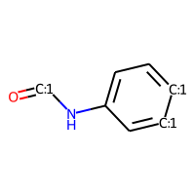 | 0.291 | 0.341
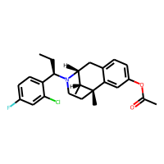 |  | 0.293 | 0.396
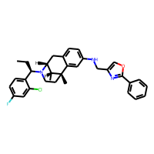 | 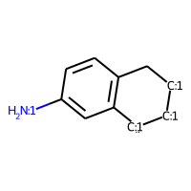 | 0.293 | 0.851
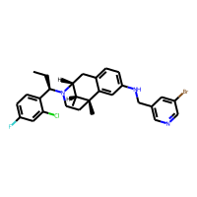 |  | 0.295 | 0.851
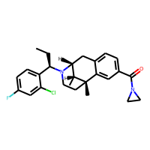 |  | 0.298 | 0.396
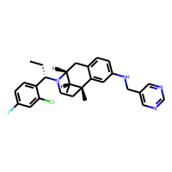 |  | 0.303 | 0.851
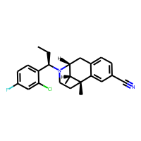 |  | 0.305 | 0.366
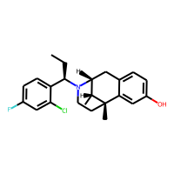 |  | 0.311 | 0.396
 |  | 0.311 | 0.396
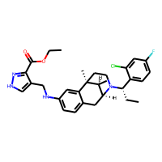 | 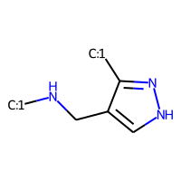 | 0.322 | 0.284
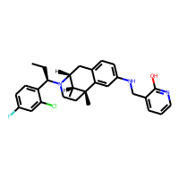 |  | 0.323 | 0.851
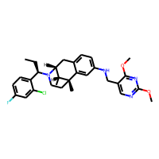 |  | 0.333 | 0.851
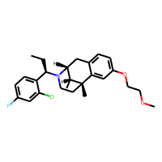 |  | 0.335 | 0.396
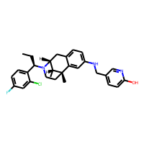 |  | 0.336 | 0.851
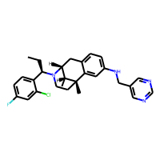 |  | 0.339 | 0.851
 |  | 0.339 | 0.851
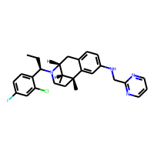 |  | 0.342 | 0.851
 |  | 0.342 | 0.851
 |  | 0.342 | 0.851
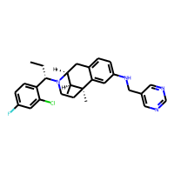 |  | 0.348 | 0.851
 |  | 0.361 | 0.851
 |  | 0.361 | 0.851
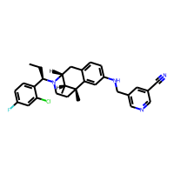 |  | 0.364 | 0.851
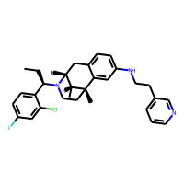 |  | 0.365 | 0.396
 |  | 0.365 | 0.396
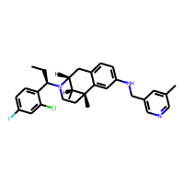 |  | 0.368 | 0.851
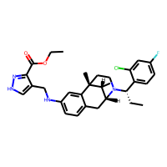 | 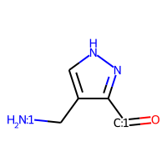 | 0.372 | 0.780
 |  | 0.374 | 0.341
 |  | 0.376 | 0.396
 |  | 0.376 | 0.851
 |  | 0.379 | 0.851
 |  | 0.386 | 0.851
 |  | 0.387 | 0.851
 |  | 0.387 | 0.851
 |  | 0.388 | 0.851
 |  | 0.388 | 0.851
 |  | 0.393 | 0.780
 |  | 0.397 | 0.851
 |  | 0.397 | 0.851
 |  | 0.398 | 0.851
 |  | 0.398 | 0.341
 |  | 0.4 | 0.851
 |  | 0.401 | 0.851
 |  | 0.406 | 0.851
 |  | 0.406 | 0.464
 |  | 0.406 | 0.851
 |  | 0.409 | 0.780
 |  | 0.409 | 0.780
 |  | 0.409 | 0.851
 |  | 0.409 | 0.851
 |  | 0.409 | 0.851
 |  | 0.416 | 0.405
 |  | 0.419 | 0.396
 |  | 0.422 | 0.851
 |  | 0.423 | 0.851
 |  | 0.424 | 0.396
 |  | 0.424 | 0.851
 |  | 0.424 | 0.851
 |  | 0.425 | 0.851
 |  | 0.426 | 0.261
 |  | 0.428 | 0.260
 |  | 0.429 | 0.336
 |  | 0.429 | 0.851
 |  | 0.43 | 0.255
 |  | 0.431 | 0.396
 |  | 0.436 | 0.619
 |  | 0.436 | 0.339
 |  | 0.443 | 0.851
 |  | 0.445 | 0.851
 |  | 0.452 | 0.851
 |  | 0.454 | 0.851
 |  | 0.454 | 0.851
 |  | 0.456 | 0.341
 |  | 0.457 | 0.485
 |  | 0.462 | 0.851
 |  | 0.462 | 0.851
 |  | 0.466 | 0.851
 |  | 0.469 | 0.851
 |  | 0.469 | 0.851
 |  | 0.469 | 0.341
 |  | 0.472 | 0.481
 |  | 0.481 | 0.464
 |  | 0.488 | 0.261
 |  | 0.499 | 0.851
 |  | 0.503 | 0.851
 |  | 0.504 | 0.321
 |  | 0.504 | 0.321
 |  | 0.522 | 0.851
 |  | 0.522 | 0.851
 |  | 0.536 | 0.851
 |  | 0.545 | 0.851
 |  | 0.545 | 0.851
 |  | 0.572 | 0.253
 |  | 0.589 | 0.915
 |  | 0.641 | 0.851
 |  | 0.641 | 0.851
 |  | 0.728 | 0.851
 |  | 0.752 | 0.984
 |  | 0.833 | 0.710

