Sheet1
 |  | score | core_score
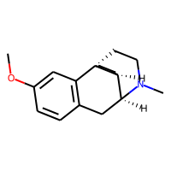 |  | 0.157
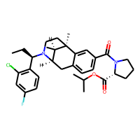 | 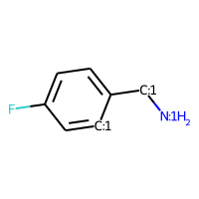 | 0.16 | 0.258
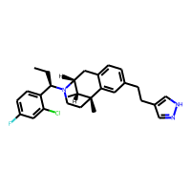 |  | 0.171
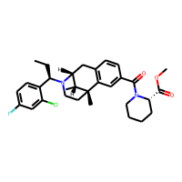 | 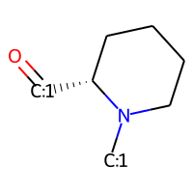 | 0.178 | 0.212
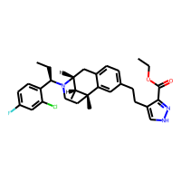 | 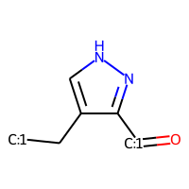 | 0.179 | 0.526
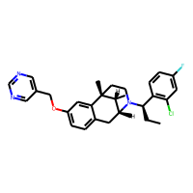 |  | 0.18
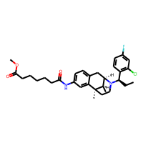 |  | 0.181
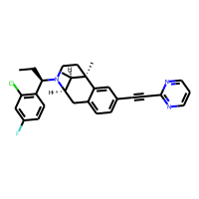 |  | 0.182
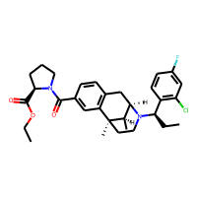 |  | 0.183 | 0.258
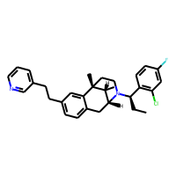 |  | 0.183 | 0.258
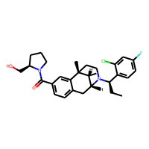 |  | 0.184 | 0.258
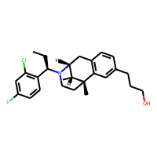 |  | 0.184
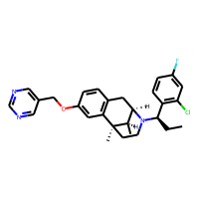 |  | 0.188
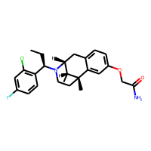 |  | 0.188
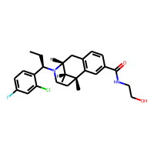 |  | 0.188
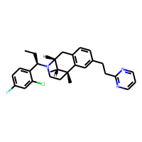 |  | 0.197
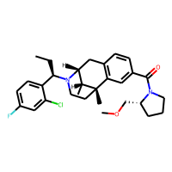 |  | 0.198
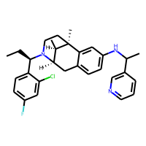 |  | 0.2
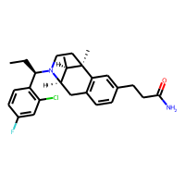 |  | 0.203 | 0.258
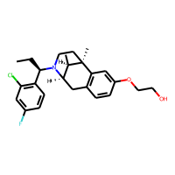 |  | 0.204 | 0.258
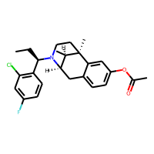 |  | 0.207
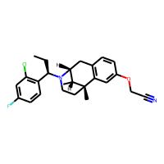 |  | 0.208
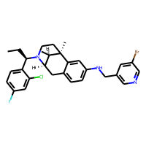 | 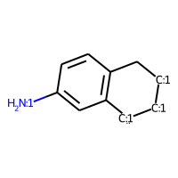 | 0.212 | 0.739
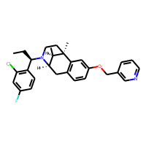 |  | 0.212 | 0.258
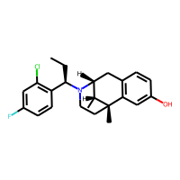 |  | 0.215 | 0.258
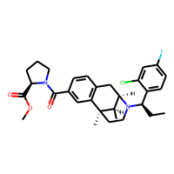 |  | 0.22
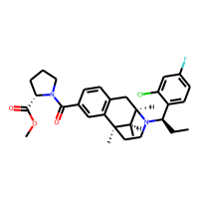 |  | 0.22
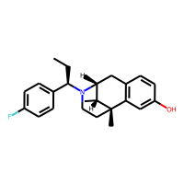 |  | 0.231
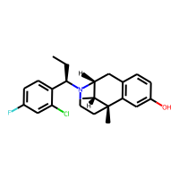 |  | 0.232
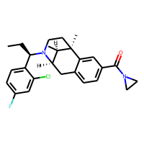 |  | 0.233
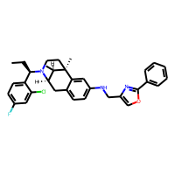 |  | 0.239 | 0.739
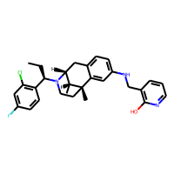 |  | 0.242
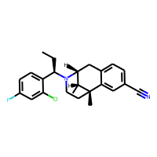 |  | 0.245
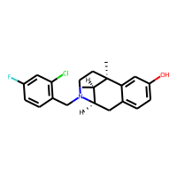 | 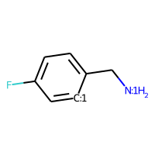 | 0.249 | 0.258
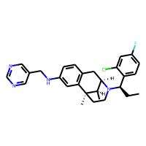 |  | 0.252
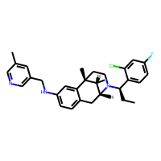 |  | 0.253 | 0.258
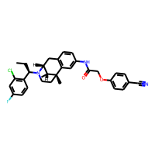 |  | 0.254 | 0.258
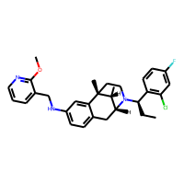 |  | 0.257
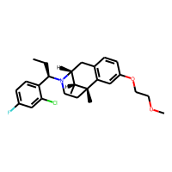 |  | 0.257
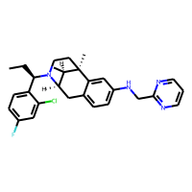 |  | 0.257 | 0.258
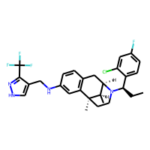 |  | 0.257 | 0.258
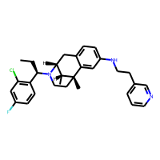 |  | 0.258
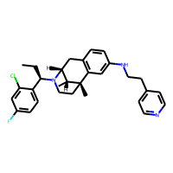 |  | 0.26 | 0.739
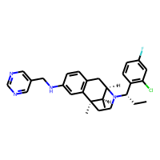 |  | 0.262
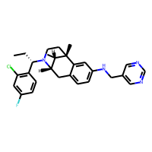 |  | 0.262
 |  | 0.263 | 0.390
 |  | 0.263
 |  | 0.264 | 0.739
 |  | 0.266 | 0.739
 |  | 0.272
 |  | 0.273
 |  | 0.273
 |  | 0.274
 |  | 0.275 | 0.747
 |  | 0.275 | 0.390
 |  | 0.275
 |  | 0.281
 |  | 0.281 | 0.390
 |  | 0.284
 |  | 0.284 | 0.378
 |  | 0.285 | 0.739
 |  | 0.285 | 0.378
 |  | 0.285 | 0.739
 |  | 0.286 | 0.739
 |  | 0.29 | 0.739
 |  | 0.292
 |  | 0.294 | 0.739
 |  | 0.295
 |  | 0.298
 |  | 0.298
 |  | 0.299 | 0.739
 |  | 0.3 | 0.739
 |  | 0.3
 |  | 0.303 | 0.739
 |  | 0.304 | 0.739
 |  | 0.305
 |  | 0.306 | 0.431
 |  | 0.306 | 0.739
 |  | 0.308
 |  | 0.308
 |  | 0.308
 |  | 0.311
 |  | 0.315 | 0.390
 |  | 0.316 | 0.739
 |  | 0.32 | 0.739
 |  | 0.321
 |  | 0.321
 |  | 0.323 | 0.739
 |  | 0.325 | 0.338
 |  | 0.327 | 0.390
 |  | 0.328
 |  | 0.33 | 0.739
 |  | 0.33
 |  | 0.334
 |  | 0.337
 |  | 0.338
 |  | 0.338
 |  | 0.34
 |  | 0.345 | 0.390
 |  | 0.346
 |  | 0.347 | 0.739
 |  | 0.348
 |  | 0.349 | 0.739
 |  | 0.353
 |  | 0.364 | 0.739
 |  | 0.367
 |  | 0.37
 |  | 0.373 | 0.739
 |  | 0.381
 |  | 0.384
 |  | 0.391 | 0.739
 |  | 0.398 | 0.739
 |  | 0.402
 |  | 0.404
 |  | 0.405 | 0.739
 |  | 0.405
 |  | 0.423
 |  | 0.458
 |  | 0.5
 |  | 0.501 | 0.739
 |  | 0.515 | 0.739
 |  | 0.677
 |  | 0.696 | 0.976

