Sheet1
 |  | score | core_score
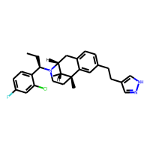 |  | 0.152
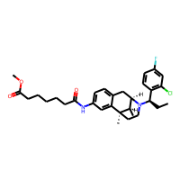 |  | 0.156
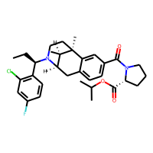 |  | 0.157
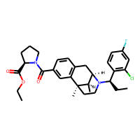 |  | 0.158
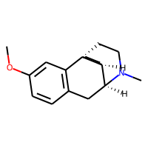 |  | 0.165
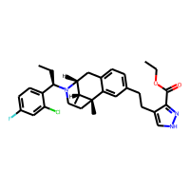 |  | 0.166
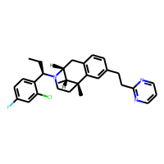 |  | 0.168
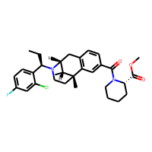 |  | 0.172
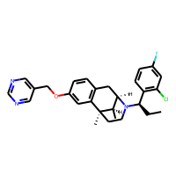 |  | 0.176
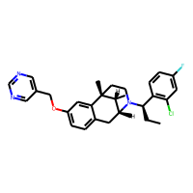 |  | 0.179
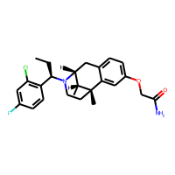 |  | 0.18
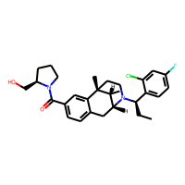 |  | 0.187
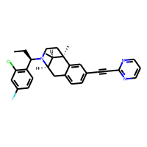 |  | 0.188
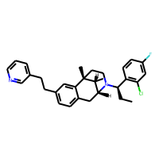 |  | 0.189
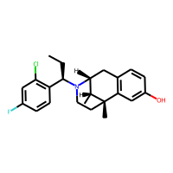 |  | 0.19
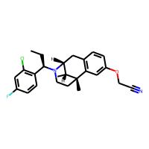 |  | 0.191
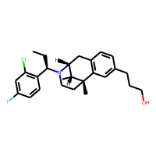 |  | 0.195
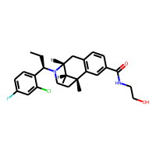 |  | 0.197
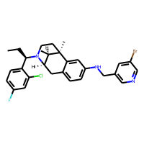 |  | 0.199
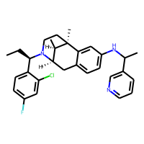 |  | 0.202
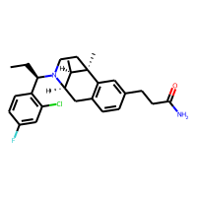 |  | 0.203
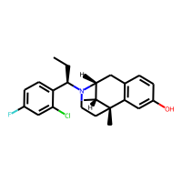 |  | 0.209
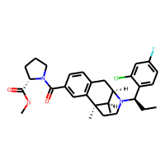 |  | 0.21
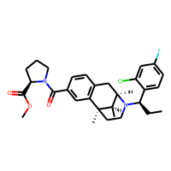 |  | 0.21
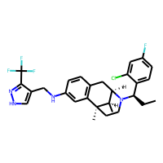 |  | 0.211
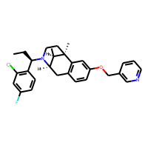 |  | 0.215
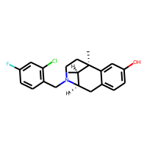 |  | 0.216
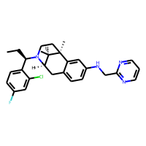 |  | 0.216
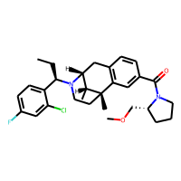 |  | 0.216
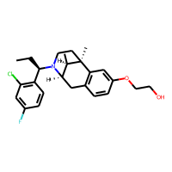 |  | 0.219
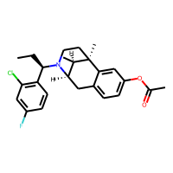 |  | 0.219
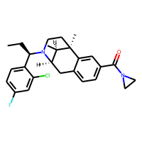 |  | 0.226
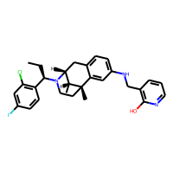 |  | 0.229
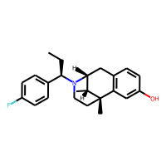 |  | 0.231
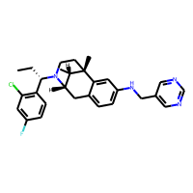 |  | 0.235
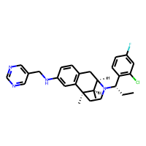 |  | 0.235
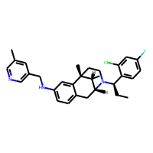 |  | 0.236
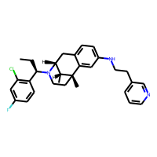 |  | 0.236
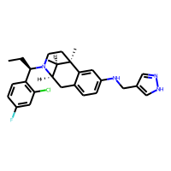 |  | 0.237
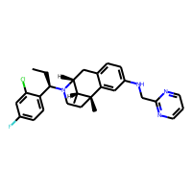 |  | 0.237
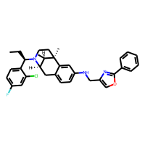 |  | 0.241
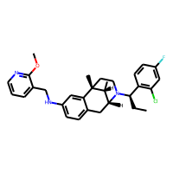 |  | 0.243
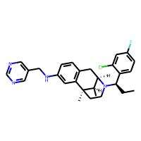 |  | 0.244
 |  | 0.245
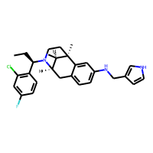 |  | 0.246
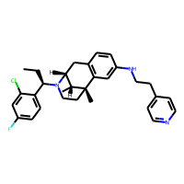 |  | 0.246
 | 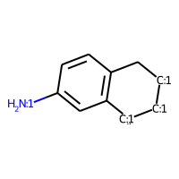 | 0.253 | 0.721
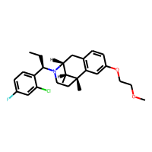 | 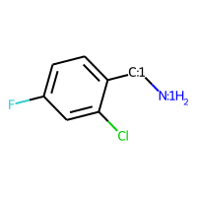 | 0.253 | 0.271
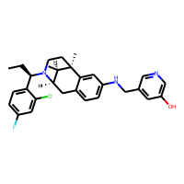 |  | 0.254 | 0.721
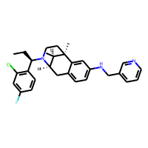 |  | 0.256 | 0.721
 |  | 0.257 | 0.271
 |  | 0.257 | 0.721
 |  | 0.258 | 0.721
 |  | 0.259 | 0.253
 |  | 0.26 | 0.276
 |  | 0.262 | 0.721
 |  | 0.262 | 0.721
 |  | 0.265 | 0.721
 |  | 0.266 | 0.271
 |  | 0.266 | 0.721
 |  | 0.267 | 0.721
 |  | 0.268 | 0.721
 |  | 0.268 | 0.721
 |  | 0.27 | 0.271
 |  | 0.271 | 0.721
 |  | 0.274 | 0.721
 |  | 0.275 | 0.721
 |  | 0.275 | 0.721
 |  | 0.275 | 0.271
 |  | 0.276 | 0.721
 |  | 0.277 | 0.721
 |  | 0.281 | 0.721
 |  | 0.281 | 0.721
 |  | 0.282 | 0.721
 |  | 0.286 | 0.721
 |  | 0.286 | 0.525
 |  | 0.289 | 0.721
 |  | 0.29 | 0.525
 |  | 0.29 | 0.525
 |  | 0.291 | 0.721
 |  | 0.294 | 0.271
 |  | 0.296 | 0.721
 |  | 0.299 | 0.721
 |  | 0.301 | 0.271
 |  | 0.302 | 0.271
 |  | 0.304 | 0.269
 |  | 0.307 | 0.721
 |  | 0.309 | 0.721
 |  | 0.309 | 0.721
 |  | 0.309 | 0.721
 |  | 0.311 | 0.267
 |  | 0.311 | 0.271
 |  | 0.312 | 0.721
 |  | 0.318 | 0.292
 |  | 0.32 | 0.271
 |  | 0.321 | 0.721
 |  | 0.321 | 0.271
 |  | 0.323 | 0.721
 |  | 0.329 | 0.271
 |  | 0.334 | 0.721
 |  | 0.341 | 0.329
 |  | 0.342 | 0.305
 |  | 0.344 | 0.721
 |  | 0.344 | 0.721
 |  | 0.356 | 0.721
 |  | 0.359 | 0.721
 |  | 0.36 | 0.271
 |  | 0.362 | 0.721
 |  | 0.365 | 0.412
 |  | 0.367 | 0.721
 |  | 0.368 | 0.721
 |  | 0.385 | 0.412
 |  | 0.386 | 0.270
 |  | 0.392 | 0.721
 |  | 0.393 | 0.721
 |  | 0.395 | 0.271
 |  | 0.433 | 0.721
 |  | 0.451 | 0.721
 |  | 0.456 | 0.894
 |  | 0.46 | 0.271
 |  | 0.492 | 0.721
 |  | 0.635 | 0.253
 |  | 0.665 | 0.895

