Sheet1
 |  | score | core_score
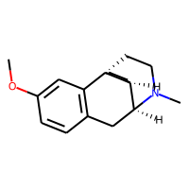 |  | 0.157
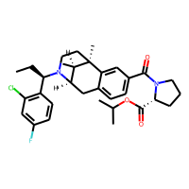 |  | 0.16
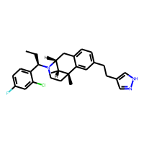 |  | 0.171
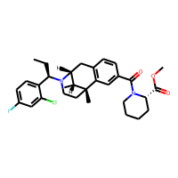 |  | 0.178
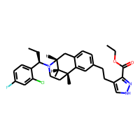 |  | 0.179
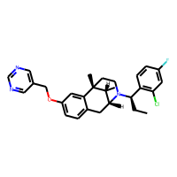 |  | 0.18
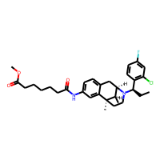 |  | 0.181
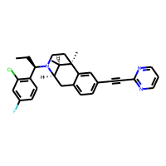 |  | 0.182
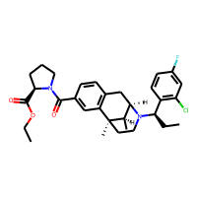 |  | 0.183
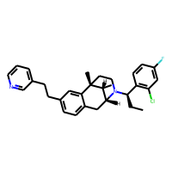 |  | 0.183
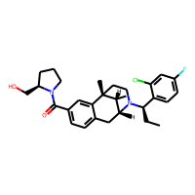 |  | 0.184
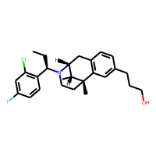 |  | 0.184
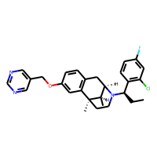 |  | 0.188
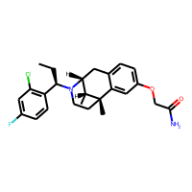 |  | 0.188
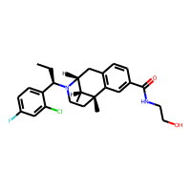 |  | 0.188
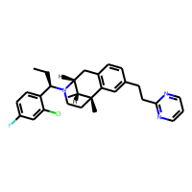 |  | 0.197
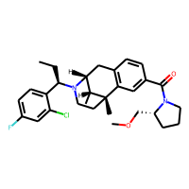 |  | 0.198
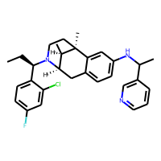 |  | 0.2
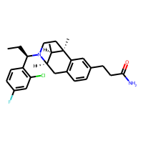 |  | 0.203
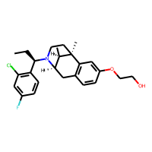 |  | 0.204
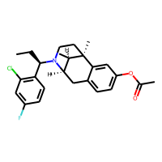 |  | 0.207
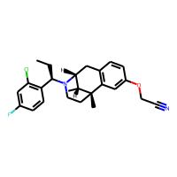 |  | 0.208
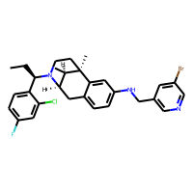 |  | 0.212
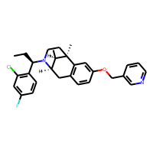 |  | 0.212
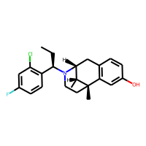 |  | 0.215
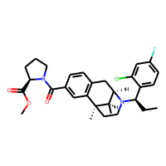 |  | 0.22
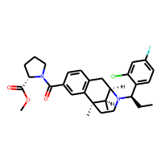 |  | 0.22
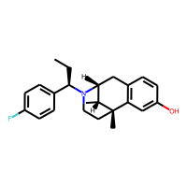 |  | 0.231
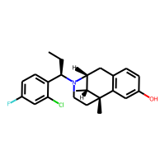 |  | 0.232
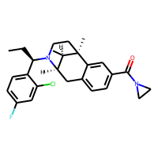 |  | 0.233
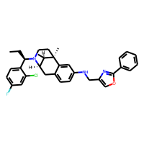 |  | 0.239
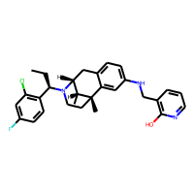 |  | 0.242
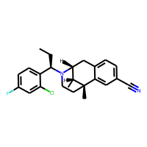 |  | 0.245
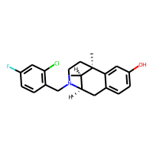 |  | 0.249
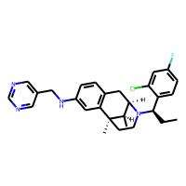 | 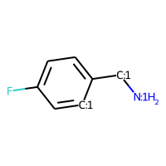 | 0.252 | 0.258
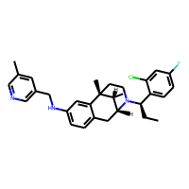 |  | 0.253 | 0.258
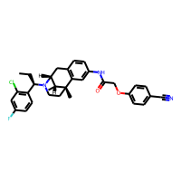 |  | 0.254 | 0.258
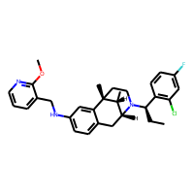 | 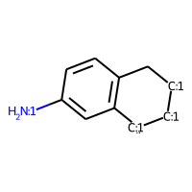 | 0.257 | 0.739
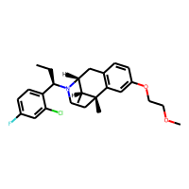 |  | 0.257 | 0.258
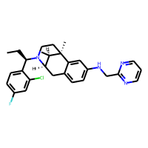 |  | 0.257 | 0.258
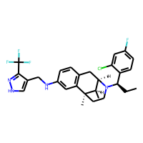 |  | 0.257 | 0.258
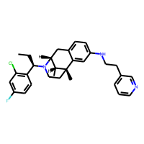 |  | 0.258 | 0.739
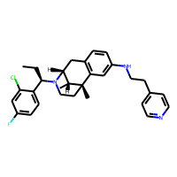 |  | 0.26 | 0.739
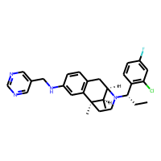 |  | 0.262 | 0.258
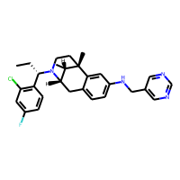 |  | 0.262 | 0.739
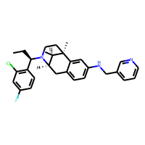 |  | 0.263 | 0.258
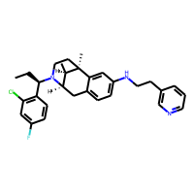 |  | 0.263 | 0.258
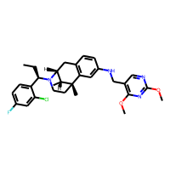 |  | 0.264 | 0.739
 |  | 0.266 | 0.255
 |  | 0.272 | 0.739
 |  | 0.273 | 0.258
 |  | 0.273 | 0.739
 |  | 0.274 | 0.258
 |  | 0.275 | 0.747
 |  | 0.275 | 0.258
 |  | 0.275 | 0.739
 |  | 0.281 | 0.258
 |  | 0.281 | 0.258
 |  | 0.284 | 0.739
 |  | 0.284 | 0.378
 |  | 0.285 | 0.739
 |  | 0.285 | 0.378
 |  | 0.285 | 0.258
 |  | 0.286 | 0.258
 |  | 0.29 | 0.258
 |  | 0.292 | 0.739
 |  | 0.294 | 0.739
 |  | 0.295 | 0.739
 |  | 0.298 | 0.747
 |  | 0.298 | 0.747
 |  | 0.299 | 0.739
 |  | 0.3 | 0.739
 |  | 0.3 | 0.258
 |  | 0.303 | 0.258
 |  | 0.304 | 0.739
 |  | 0.305 | 0.739
 |  | 0.306 | 0.431
 |  | 0.306 | 0.739
 |  | 0.308 | 0.414
 |  | 0.308 | 0.739
 |  | 0.308 | 0.739
 |  | 0.311 | 0.739
 |  | 0.315 | 0.258
 |  | 0.316 | 0.739
 |  | 0.32 | 0.739
 |  | 0.321 | 0.263
 |  | 0.321 | 0.739
 |  | 0.323 | 0.739
 |  | 0.325 | 0.338
 |  | 0.327 | 0.258
 |  | 0.328 | 0.739
 |  | 0.33 | 0.258
 |  | 0.33 | 0.258
 |  | 0.334 | 0.258
 |  | 0.337 | 0.414
 |  | 0.338 | 0.739
 |  | 0.338 | 0.258
 |  | 0.34 | 0.258
 |  | 0.345 | 0.258
 |  | 0.346 | 0.352
 |  | 0.347 | 0.739
 |  | 0.348 | 0.258
 |  | 0.349 | 0.739
 |  | 0.353 | 0.739
 |  | 0.364 | 0.258
 |  | 0.367 | 0.739
 |  | 0.37 | 0.258
 |  | 0.373 | 0.739
 |  | 0.381 | 0.258
 |  | 0.384 | 0.438
 |  | 0.391 | 0.286
 |  | 0.398 | 0.305
 |  | 0.402 | 0.258
 |  | 0.404 | 0.258
 |  | 0.405 | 0.258
 |  | 0.405 | 0.258
 |  | 0.423 | 0.258
 |  | 0.458 | 0.390
 |  | 0.5 | 0.630
 |  | 0.501 | 0.258
 |  | 0.515 | 0.258
 |  | 0.677 | 0.548
 |  | 0.696 | 0.976

