Sheet1
 |  | score | core_score
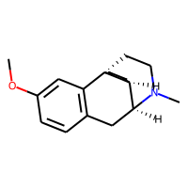 |  | 0.157
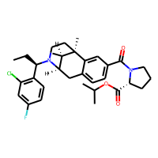 |  | 0.16
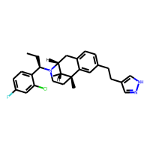 |  | 0.171
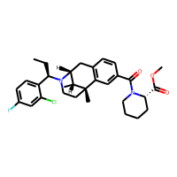 |  | 0.178
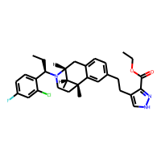 |  | 0.179
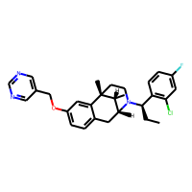 |  | 0.18
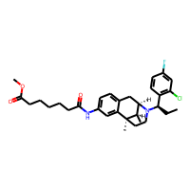 |  | 0.181
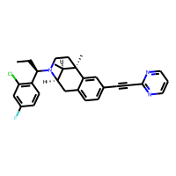 |  | 0.182
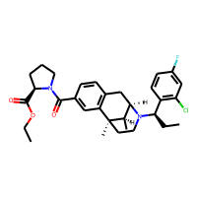 |  | 0.183
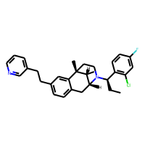 |  | 0.183
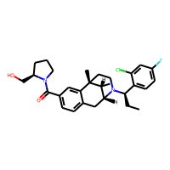 |  | 0.184
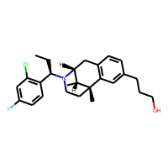 |  | 0.184
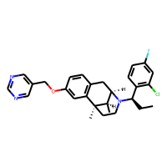 |  | 0.188
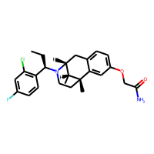 |  | 0.188
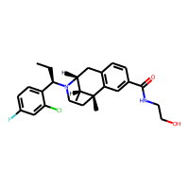 |  | 0.188
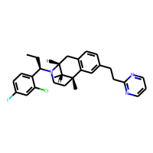 |  | 0.197
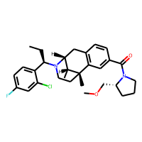 |  | 0.198
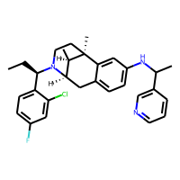 |  | 0.2
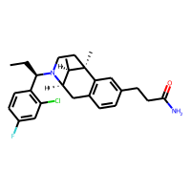 |  | 0.203
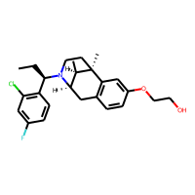 |  | 0.204
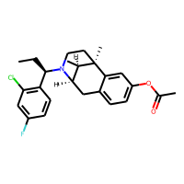 |  | 0.207
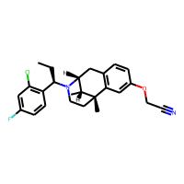 |  | 0.208
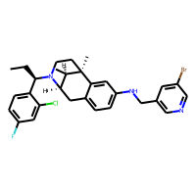 |  | 0.212
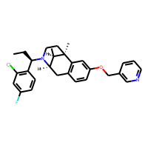 |  | 0.212
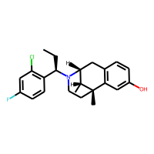 |  | 0.215
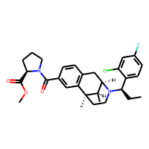 |  | 0.22
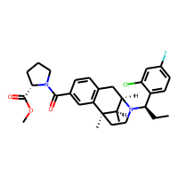 |  | 0.22
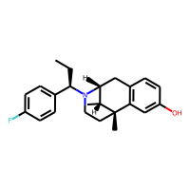 |  | 0.231
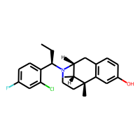 |  | 0.232
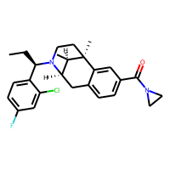 |  | 0.233
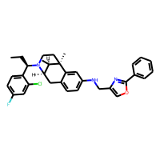 |  | 0.239
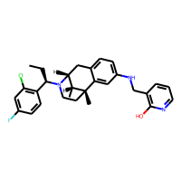 |  | 0.242
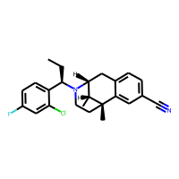 |  | 0.245
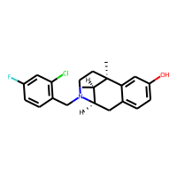 |  | 0.249
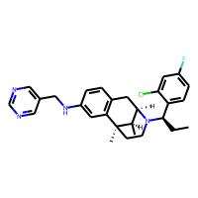 |  | 0.252
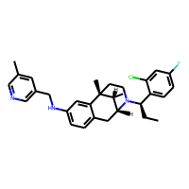 |  | 0.253
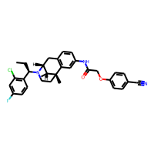 |  | 0.254
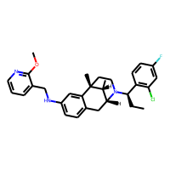 |  | 0.257
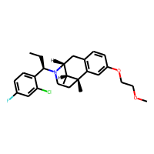 |  | 0.257
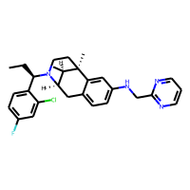 |  | 0.257
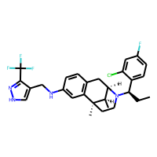 |  | 0.257
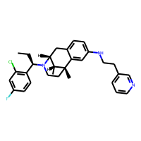 |  | 0.258
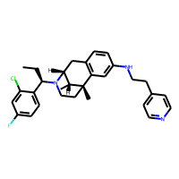 |  | 0.26
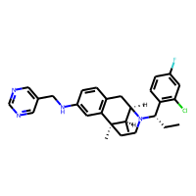 |  | 0.262
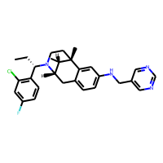 |  | 0.262
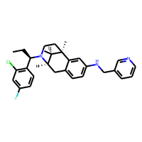 |  | 0.263
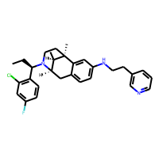 |  | 0.263
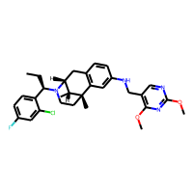 |  | 0.264
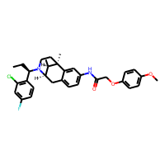 |  | 0.266
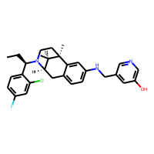 |  | 0.272
 |  | 0.273
 |  | 0.273
 |  | 0.274
 |  | 0.275
 |  | 0.275
 |  | 0.275
 |  | 0.281
 |  | 0.281
 |  | 0.284
 |  | 0.284
 |  | 0.285
 |  | 0.285
 |  | 0.285
 |  | 0.286
 |  | 0.29
 |  | 0.292
 |  | 0.294
 |  | 0.295
 |  | 0.298
 |  | 0.298
 |  | 0.299
 |  | 0.3
 |  | 0.3
 |  | 0.303
 |  | 0.304
 |  | 0.305
 |  | 0.306
 |  | 0.306
 |  | 0.308
 |  | 0.308
 |  | 0.308
 |  | 0.311
 |  | 0.315
 |  | 0.316
 |  | 0.32
 |  | 0.321
 |  | 0.321
 |  | 0.323
 |  | 0.325
 |  | 0.327
 |  | 0.328
 |  | 0.33
 |  | 0.33
 |  | 0.334
 |  | 0.337
 |  | 0.338
 |  | 0.338
 |  | 0.34
 |  | 0.345
 |  | 0.346
 |  | 0.347
 |  | 0.348
 |  | 0.349
 |  | 0.353 | 0.739
 |  | 0.364 | 0.739
 |  | 0.367 | 0.739
 |  | 0.37 | 0.739
 |  | 0.373 | 0.739
 |  | 0.381 | 0.381
 |  | 0.384 | 0.438
 |  | 0.391 | 0.739
 |  | 0.398 | 0.739
 |  | 0.402 | 0.739
 |  | 0.404 | 0.739
 |  | 0.405 | 0.739
 |  | 0.405 | 0.739
 |  | 0.423 | 0.390
 |  | 0.458 | 0.390
 |  | 0.5 | 0.630
 |  | 0.501 | 0.739
 |  | 0.515 | 0.390
 |  | 0.677 | 0.548
 |  | 0.696 | 0.976

