How to Use
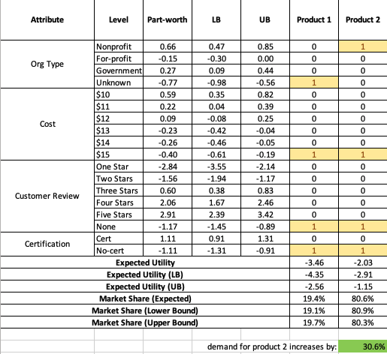
How to use the Preference Calculator
The simulated impact of the level of an attribute on market share can be determined by setting the level of the attribute to examine at the base level for Product 1 and the level of the attribute to examine at the level of interest for Product 2, with all other attributes set at teh same level for all other attributes. Cell G28 display the percentage increase in demand for a Product 2 as compared to product 1.
For example, if I am interest in the impact on being a nonprofit as compared to an organization with an unknown sector, I would set the Org Type for Product 1 to the base category (Unknown) and the Org Type for Product 2 to "Nonprofit". All other attribute levels are the same for both categories.
Being a nonprofit would increase the preference for purchasing a health test by 30.6% as compared to a test from an organization from an unknown sector.

