Scrapbook
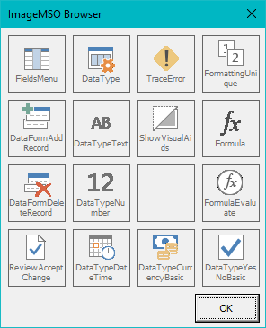
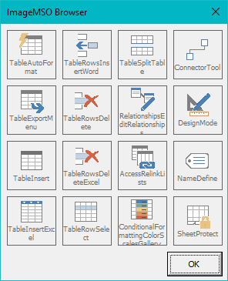
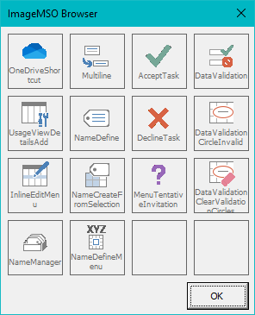
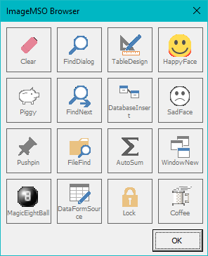
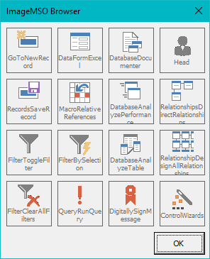

FieldsMenu | DataType | TraceError | FormattingUnique | TableAutoFormat | TableRowsInsertWord | TableSplitTable | ConnectorTool | OneDriveShortcut | Multiline | AcceptTask | DataValidation | Clear | FindDialog | TableDesign | HappyFace | GoToNewRecord | DataFormExcel | DatabaseDocumenter | Head
DataFormAddRecord | DataTypeText | ShowVisualAids | Formula | TableExportMenu | TableRowsDelete | RelationshipsEditRelationships | DesignMode | UsageViewDetailsAdd | NameDefine | DeclineTask | DataValidationCircleInvalid | Piggy | FindNext | DatabaseInsert | SadFace | RecordsSaveRecord | MacroRelativeReferences | DatabaseAnalyzePerformance | RelationshipsDirectRelationships
DataFormDeleteRecord | DataTypeNumber |  | FormulaEvaluate | TableInsert | TableRowsDeleteExcel | AccessRelinkLists | NameDefine | InlineEditMenu | NameCreateFromSelection | MenuTentativeInvitation | DataValidationClearValidationCircles | Pushpin | FileFind | AutoSum | WindowNew | FilterToggleFilter | FilterBySelection | DatabaseAnalyzeTable | RelationshipDesignAllRelationships
ReviewAcceptChange | DataTypeDateTime | DataTypeCurrencyBasic | DataTypeYesNoBasic | TableInsertExcel | TableRowSelect | ConditionalFormattingColorScalesGallery | SheetProtect | NameManager | NameDefineMenu |  |  | MagicEightBall | DataFormSource | Lock | Coffee | FilterClearAllFilters | QueryRunQuery | DigitallySignMessage | ControlWizards

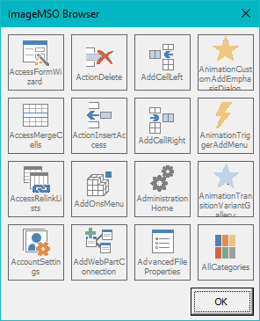
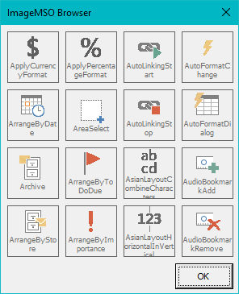
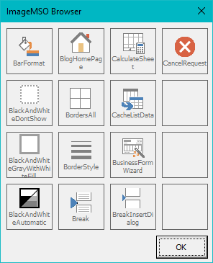
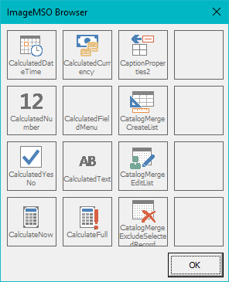
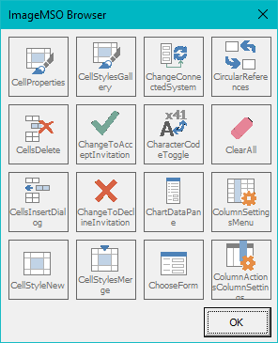

AccessFormWizard | ActionDelete | AddCellLeft | AnimationCustomAddEmphasisDialog | ApplyCurrencyFormat | ApplyPercentageFormat | AutoLinkingStart | AutoFormatChange | BarFormat | BlogHomePage | CalculateSheet | CancelRequest | CalculatedDateTime | CalculatedCurrency | CaptionProperties2 |  | CellProperties | CellStylesGallery | ChangeConnectedSystem | CircularReferences
AccessMergeCells | ActionInsertAccess | AddCellRight | AnimationTriggerAddMenu | ArrangeByDate | AreaSelect | AutoLinkingStop | AutoFormatDialog | BlackAndWhiteDontShow | BordersAll | CacheListData |  | CalculatedNumber | CalculatedFieldMenu | CatalogMergeCreateList |  | CellsDelete | ChangeToAcceptInvitation | CharacterCodeToggle | ClearAll
AccessRelinkLists | AddOnsMenu | AdministrationHome | AnimationTransitionVariantGallery | Archive | ArrangeByToDoDue | AsianLayoutCombineCharacters | AudioBookmarkAdd | BlackAndWhiteGrayWithWhiteFill | BorderStyle | BusinessFormWizard |  | CalculatedYesNo | CalculatedText | CatalogMergeEditList |  | CellsInsertDialog | ChangeToDeclineInvitation | ChartDataPane | ColumnSettingsMenu
AccountSettings | AddWebPartConnection | AdvancedFileProperties | AllCategories | ArrangeByStore | ArrangeByImportance | AsianLayoutHorizontalInVertical | AudioBookmarkRemove | BlackAndWhiteAutomatic | Break | BreakInsertDialog |  | CalculateNow | CalculateFull | CatalogMergeExcludeSelectedRecord |  | CellStyleNew | CellStylesMerge | ChooseForm | ColumnActionsColumnSettings

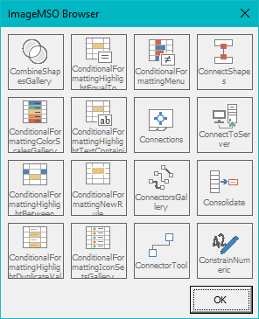
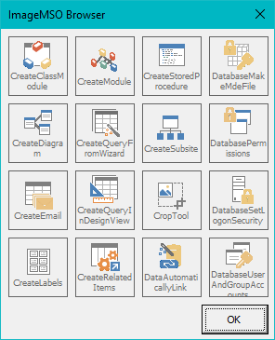
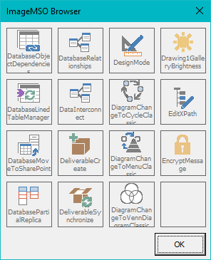
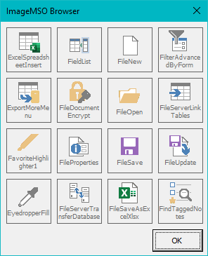
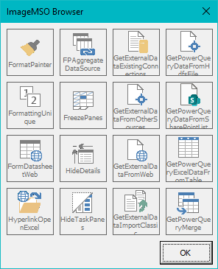

CombineShapesGallery | ConditionalFormattingHighlightEqualTo | ConditionalFormattingMenu | ConnectShapes | CreateClassModule | CreateModule | CreateStoredProcedure | DatabaseMakeMdeFile | DatabaseObjectDependencies | DatabaseRelationships | DesignMode | Drawing1GalleryBrightness | ExcelSpreadsheetInsert | FieldList | FileNew | FilterAdvancedByForm | FormatPainter | FPAggregateDataSource | GetExternalDataExistingConnections | GetPowerQueryDataFromHdfsFile
ConditionalFormattingColorScalesGallery | ConditionalFormattingHighlightTextContaining | Connections | ConnectToServer | CreateDiagram | CreateQueryFromWizard | CreateSubsite | DatabasePermissions | DatabaseLinedTableManager | DataInterconnect | DiagramChangeToCycleClassic | EditXPath | ExportMoreMenu | FileDocumentEncrypt | FileOpen | FileServerLinkTables | FormattingUnique | FreezePanes | GetExternalDataFromOtherSources | GetPowerQueryDataFromSharePointList
ConditionalFormattingHighlightBetween | ConditionalFormattingNewRule | ConnectorsGallery | Consolidate | CreateEmail | CreateQueryInDesignView | CropTool | DatabaseSetLogonSecurity | DatabaseMoveToSharePoint | DeliverableCreate | DiagramChangeToMenuClassic | EncryptMessage | FavoriteHighlighter1 | FileProperties | FileSave | FileUpdate | FormDatasheetWeb | HideDetails | GetExternalDataFromWeb | GetPowerQueryExcelDataFromTable
ConditionalFormattingHighlightDuplicateValues | ConditionalFormattingIconSetsGallery | ConnectorTool | ConstrainNumeric | CreateLabels | CreateRelatedItems | DataAutomaticallyLink | DatabaseUserAndGroupAccounts | DatabasePartialReplica | DeliverableSynchronize | DiagramChangeToVennDiagramClassic |  | EyedropperFill | FileServerTransferDatabase | FileSaveAsExcelXlsx | FindTaggedNotes | HyperlinkOpenExcel | HideTaskPanes | GetExternalDataImportClassic | GetPowerQueryMerge

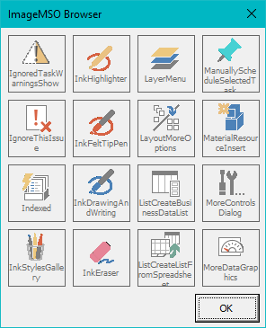
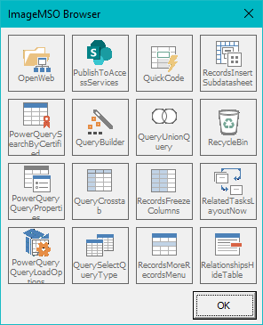
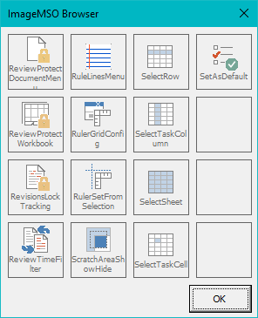
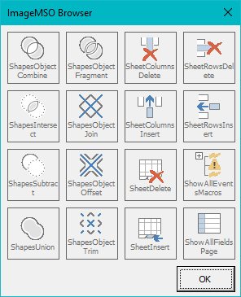
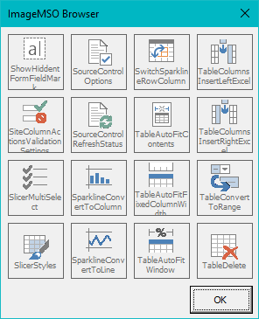

IgnoredTaskWarningsShow | InkHighlighter | LayerMenu | ManuallyScheduleSelectedTask | OpenWeb | PublishToAccessServices | QuickCode | RecordsInsertSubdatasheet | ReviewProtectDocumentMenu | RuleLinesMenu | SelectRow | SetAsDefault | ShapesObjectCombine | ShapesObjectFragment | SheetColumnsDelete | SheetRowsDelete | ShowHiddentFormFieldMark | SourceControlOptions | SwitchSparklineRowColumn | TableColumnsInsertLeftExcel
IgnoreThisIssue | InkFeltTipPen | LayoutMoreOptions | MaterialResourceInsert | PowerQuerySearchByCertified | QueryBuilder | QueryUnionQuery | RecycleBin | ReviewProtectWorkbook | RulerGridConfig | SelectTaskColumn |  | ShapesIntersect | ShapesObjectJoin | SheetColumnsInsert | SheetRowsInsert | SiteColumnActionsValidationSettings | SourceControlRefreshStatus | TableAutoFitContents | TableColumnsInsertRightExcel
Indexed | InkDrawingAndWriting | ListCreateBusinessDataList | MoreControlsDialog | PowerQueryQueryProperties | QueryCrosstab | RecordsFreezeColumns | RelatedTasksLayoutNow | RevisionsLockTracking | RulerSetFromSelection | SelectSheet |  | ShapesSubtract | ShapesObjectOffset | SheetDelete | ShowAllEventsMacros | SlicerMultiSelect | SparklineConvertToColumn | TableAutoFitFixedColumnWidth | TableConvertToRange
InkStylesGallery | InkEraser | ListCreateListFromSpreadsheet | MoreDataGraphics | PowerQueryQueryLoadOptions | QuerySelectQueryType | RecordsMoreRecordsMenu | RelationshipsHideTable | ReviewTimeFilter | ScratchAreaShowHide | SelectTaskCell |  | ShapesUnion | ShapesObjectTrim | SheetInsert | ShowAllFieldsPage | SlicerStyles | SparklineConvertToLine | TableAutoFitWindow | TableDelete

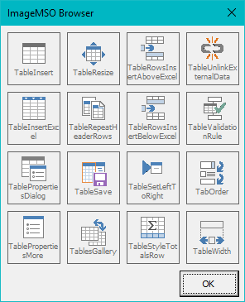
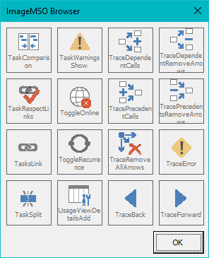
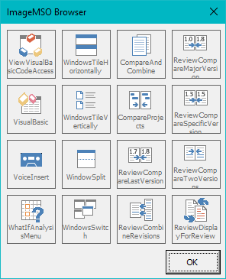
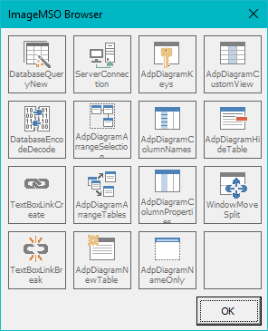
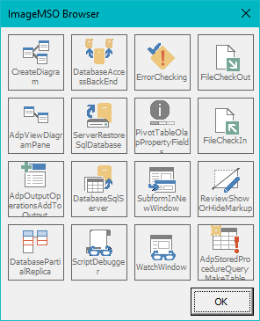

TableInsert | TableResize | TableRowsInsertAboveExcel | TableUnlinkExternalData | TaskComparison | TaskWarningsShow | TraceDependentCells | TraceDependentRemoveArrows | ViewVisualBasicCodeAccess | WindowsTileHorizontally | CompareAndCombine | ReviewCompareMajorVersion | DatabaseQueryNew | ServerConnection | AdpDiagramKeys | AdpDiagramCustomView | CreateDiagram | DatabaseAccessBackEnd | ErrorChecking | FileCheckOut
TableInsertExcel | TableRepeatHeaderRows | TableRowsInsertBelowExcel | TableValidationRule | TaskRespectLinks | ToggleOnline | TracePrecedentCells | TracePrecedentsRemoveArrows | VisualBasic | WindowsTileVertically | CompareProjects | ReviewCompareSpecificVersion | DatabaseEncodeDecode | AdpDiagramArrangeSelection | AdpDiagramColumnNames | AdpDiagramHideTable | AdpViewDiagramPane | ServerRestoreSqlDatabase | PivotTableOlapPropertyFields | FileCheckIn
TablePropertiesDialog | TableSave | TableSetLeftToRight | TabOrder | TasksLink | ToggleRecurrence | TraceRemoveAllArrows | TraceError | VoiceInsert | WindowSplit | ReviewCompareLastVersion | ReviewCompareTwoVersions | TextBoxLinkCreate | AdpDiagramArrangeTables | AdpDiagramColumnProperties | WindowMoveSplit | AdpOutputOperationsAddToOutput | DatabaseSqlServer | SubformInNewWindow | ReviewShowOrHideMarkup
TablePropertiesMore | TablesGallery | TableStyleTotalsRow | TableWidth | TaskSplit | UsageViewDetailsAdd | TraceBack | TraceForward | WhatIfAnalysisMenu | WindowsSwitch | ReviewCombineRevisions | ReviewDisplayForReview | TextBoxLinkBreak | AdpDiagramNewTable | AdpDiagramNameOnly |  | DatabasePartialReplica | ScriptDebugger | WatchWindow | AdpStoredProcedureQueryMakeTable

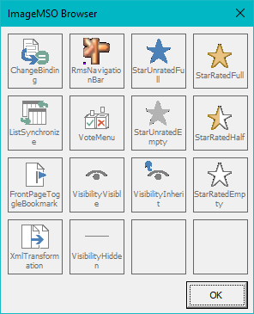
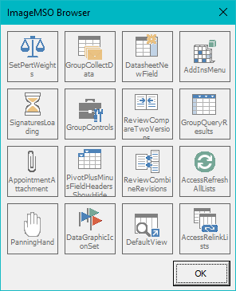

ChangeBinding | RmsNavigationBar | StarUnratedFull | StarRatedFull | SetPertWeights | GroupCollectData | DatasheetNewField | AddInsMenu
ListSynchronize | VoteMenu | StarUnratedEmpty | StarRatedHalf | SignaturesLoading | GroupControls | ReviewCompareTwoVersions | GroupQueryResults
FrontPageToggleBookmark | VisibilityVisible | VisibilityInherit | StarRatedEmpty | AppointmentAttachment | PivotPlusMinusFieldHeadersShowHide | ReviewCombineRevisions | AccessRefreshAllLists
XmlTransformation | VisibilityHidden |  |  | PanningHand | DataGraphicIconSet | DefaultView | AccessRelinkLists

