Options
Excel Options
UNC_DAYT_EXCEL_1.2.4_LECTURE_OPTIONS.mp4
0:05:35

Some options are Excel program options (apply to all workbooks).
Some options are Excel file options (saved with the workbook).

Options in Excel to check/change |  |  | For more info on Excel's calculation methods, visit the following website:
General |  |  | https://docs.microsoft.com/en-us/office/troubleshoot/excel/current-mode-of-calculation
Under General, Disable "Show the start screen when this application starts" | 1 | 2
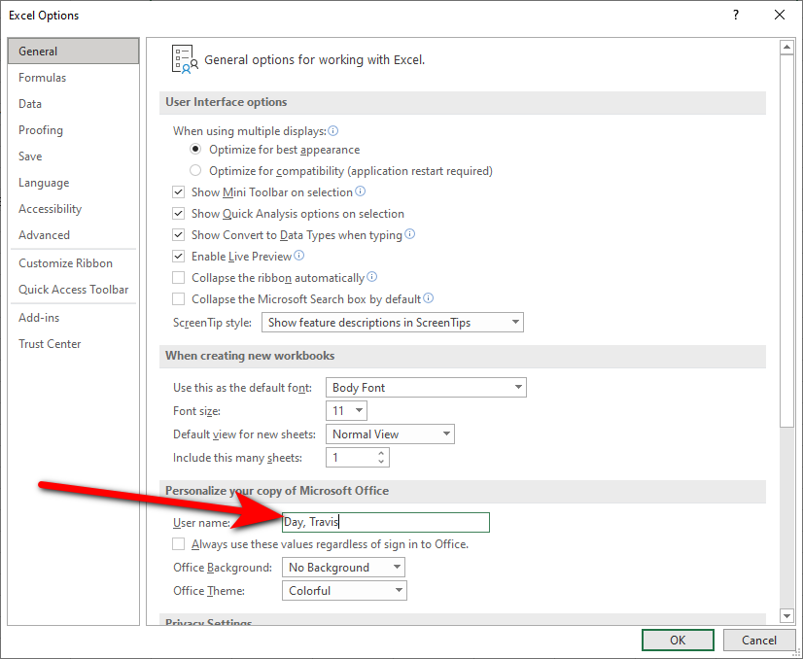
Under General, enter YOUR name as the User name | 2
 | 3
Formulas | 4
Under Formulas, change Workbook Calculation to "Automatic except for data tables." | 5

BEFORE starting assignments, ensure the User name listed in Excel is correct. (For the User name, please enter your name in the format LastName, FirstName.) How? In Excel, select File, Options (Alt, f, t), and on the General tab, in the "Personalize your copy of Microsoft Office" group, complete the User name box. Select OK and then Exit & restart Excel. Please note that it is important to change the username BEFORE starting your assignment(s). You should only need to configure the User Name once on each different computer you use. If you use any computer other than your own personal computer, you will need to verify that the correct username is entered before creating your new Excel file for the assignment. The Username in the Excel Options is NOT the same as the account name that you see in the upper right corner of title bar of Excel (to the left of the minimize/restore/close buttons). That name in the title bar is the account name you used when logging into your Office 365 account. It is okay if the Excel Username (in Excel Options) and the Office 365 account name (in the Excel title bar) do not match exactly. If for some reason you ever need to borrow someone else's computer to complete any assignment, please inform the instructor, so that there are no suspicions of possible honor court violations. You should always use a separate Windows login when borrowing someone else’s computer. When lending your computer to someone else, ensure they use a separate Windows (guest) login account. They should NOT use your computer under your login account. Please do NOT create new Excel files by right-clicking (in Windows Explorer) and clicking File, New MS Excel Worksheet! For some odd reason, creating new spreadsheets this way strips the username from the file. Start Excel and then create a new spreadsheet in order to have the username properly maintained.

Find
Quickly Finding Info in an Entire Workbook
UNC_DAYT_EXCEL_1.3.7_LECTURE_FIND_PASTE_SPECIAL.mp4
0:04:59
 | TOC
Press Ctrl+f to activate the Find and Replace dialog box (on the "Find" tab)
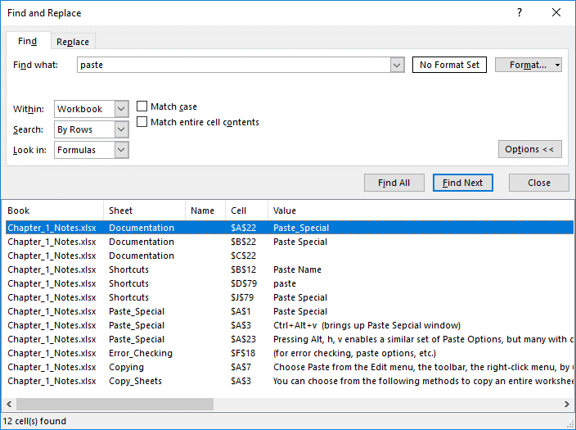
Enter the text phrase you want to find in the Find what: box.
Expand the Options >> dialog (Alt+t) if the advanced options are not already showing.
Next to "Within" (Alt+h) use the pull-down menu to select Workbook.
Select Find All (Alt+i)

Paste_Special
Paste Special

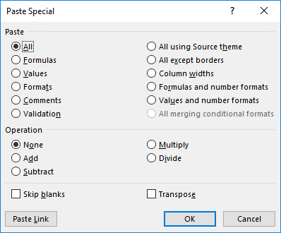

Ctrl+Alt+v (brings up Paste Sepcial window)

Then press:
a | All | (instead, just press Ctrl+v)
f | Formulas
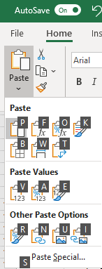
v | Values
t | Formats
c | Comments
n | Validationn
x | All except borders

e | Transpose

3

Pressing Alt, h, v enables a similar set of Paste Options, but many with different shortcut letters.
(Pressing Ctrl+Alt+v to open the Paste Special dialog box makes it easier to see the next letters to press in order to use certain paste special options.)

Error_Messages
Examining a Basic Worksheet for Errors
UNC_DAYT_EXCEL_1.4.2_LECTURE_ERROR_MESSAGES.mp4
0:04:32

Material Price Quotes:
Component | Description | Quantity | Unit | Cost/ Unit
Leather | Exterior leather | 1 | sf | 19.86 | 2254.86
Internal Arch Support | Molesole arch support | 1,000 | lot | 2,235 | 19.86
Sole | Polymer resin - preformed | 12 | lot | 124.45
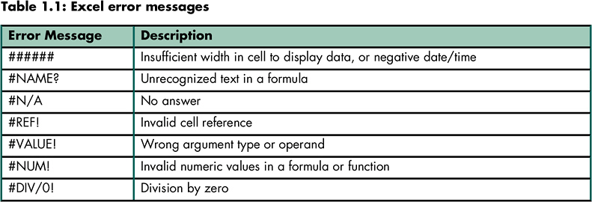
Laces | Smooth leather | 1 | inch | 0.047
Trim | Suede appliques - set of 3 | 1 | set | 4.25
Trim | Wedge logo insert | 1 | each | 1.57

Cost Calculations per Shoe:
Component |  | Quantity | Unit | Total Cost
Leather |  | 1.23 | sf | 24
Internal Arch Support |  | 1 | each | 2
Trim (applique set & logo) |  | 2 | set/each | 7
Laces |  | 31.5 | inch | 1
Materials Total |  |  |  | 36

Error | Actual Formula/Value |  | Further Explanation
$12,345,678,901,234.00 | $12,345,678,901,234.00 |  | ###### | your column is too skinny (or…dates or times that are negative or too large to display)
#NAME? | =AVG(A1:A5) |  | #NAME? | you tried to use the formula =AVG(A1:A5) (there’s no such function as AVG)
#N/A | =VLOOKUP(D36,D37:E42,2,FALSE) |  | #N/A | the answer doesn’t exist…for example, your exact match vlookup table can’t find an exact match
#REF! | =A44+#REF! |  | #REF! | you have a formula that refers to cell A47, but then you delete the entire row 47 from your sheet
#VALUE! | =FIND("dog",E40) |  | #VALUE! | you've incorrectly used the function
#NUM! | =IRR(A43:A44) |  | #NUM! | invalid numeric values in a formula or function
#DIV/0! | =SUM(A44:A45)/COUNT(A44:A45) |  | #DIV/0! | your formula =sum(range)/count(range) where the count = 0

Error_Checking
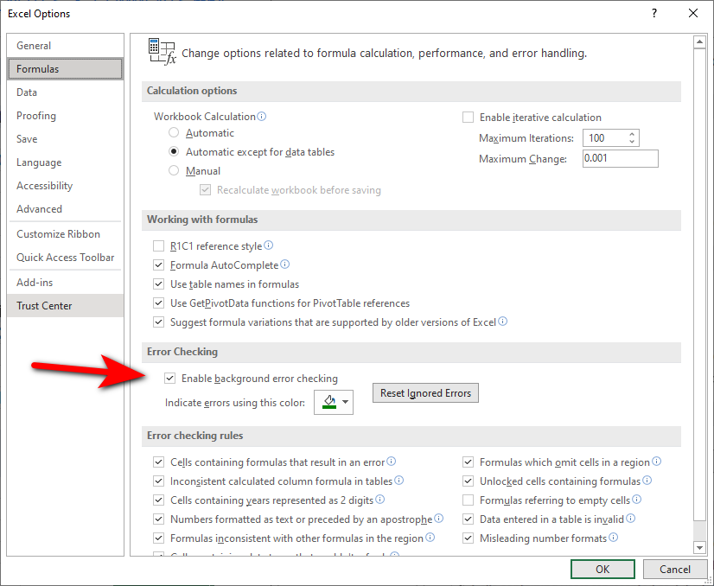
Checking Error Messages
UNC_DAYT_EXCEL_1.4.3_LECTURE_ERROR_ALERTS_NOTES_&_COMMENTS.mp4
0:05:43

TZEdge Material Analysis
Material Price Quotes:
Component | Description | Quantity | Unit | Cost/Unit
Leather | Exterior leather | 1 | sf | $19.860
Internal Arch Support | Molesole arch support | 1,000 | lot | 2335
Sole | Polymer resin - preformed | 12 | lot | 124.450
Laces | Smooth leather | 1 | inch | 0.047
Trim | Suede appliques - set of 3 | 1 | set | 4.250
Trim | Wedge logo insert | 1 | each | 1.570

Cost Calculations per Shoe:
Component |  | Quantity | Unit | Total Cost
Leather |  | 1.23 | sf | $24.43
Internal Arch Support |  | 1 | each | 2.34
Trim (applique set & logo) |  | 2 | set/each | 11.64
Laces |  | 31.5 | inches | 1.48
Sole |  | 1 | each | 10.37

Materials Total |  |  |  | $50.25

Checking error messages - Error Alert button
Error alerts are indicated by a "green triangle" in the upper left corner of a cell.

Merging
Using Merge cells for large blocks of text

TZEdge Material Analysis
Material Price Quotes: |  |  |  |  | Large Block of Text with Merged Cells This is an example of a time when I often DO like to merge cells. When entering text in a text box, that text won't be found when performing a Find (Ctrl+f). But the text is "findable" when it is entered within a merged cell. In addition to using "Merge Cells" or "Merge Across" for these cells, I also enabled Wrap Text. Note that when merging cells, you cannot select an entire row or column within that merged range (by pressing Shift+space or Ctrl+space, for example). Therefore to insert rows or columns, you cannot press Shift+Space or Ctrl+space, then Ctrl+Shift++. Instead, use Alt, Home, Insert, Insert Sheet Rows (Alt, h, i, r) or Columns (Alt, h, i, c).
Component | Description | Quantity | Unit | Cost/Unit
Leather | Exterior leather | 1 | sf | $19.860
Internal Arch Support | Molesole arch support | 1,000 | lot | 2,235.000
Sole | Polymer resin - preformed | 12 | lot | 124.450
Laces | Smooth leather | 1 | inch | 0.047
Trim | Suede appliques - set of 3 | 1 | set | 4.250
Trim | Wedge logo insert | 1 | each | 1.570

Cost Calculations per Shoe:
Component |  | Quantity | Unit | Total Cost
Leather |  | 1.23 | sf | $24.43 | TIP: To enter a "return" (new paragraph or blank line) when typing large blocks of text (as shown between the two paragraphs above), press Alt+Enter rather than just plain Enter.
Internal Arch Support |  | 1 | each | 2.24
Trim (applique set & logo) |  | 2 | set/each | 11.64
Laces |  | 31.5 | inches | 1.48
Sole |  | 1 | each | 10.37
Materials Total |  |  |  | $50.15

TEXT BOX: Text boxes are an option for displaying large blocks of text rather than entering text directly within cells in the worksheet (and merging cells in order to better see that text). An advantage of text boxes is that you do not have to worry about adjusting row heights (or column widths) within the workshet. However, the disadvantage to using text boxes is that text within text boxes cannot be found when when using Excel's "Find" feature.
CENTER ACROSS SELECTION (& WRAP TEXT) Here's another option for displaying large blocks of text directly in worksheet cells. This text has been formatted using "Center Across Selection." Wrap Text has been applied & the row has been made taller in order to see all the text. However, in order for this to work, the row needs to be able to made made taller. (Also, there unfortunately is no "Left Align Across Selection," so this method cannot be applied if you prefer the text to be left-aligned.)

Operators
Checking Simple Formulas for Accuracy

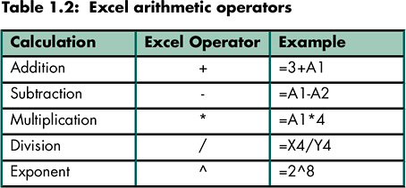
TZEdge Material Analysis
Material Price Quotes:
Component | Description | Quantity | Unit | Cost/Unit
Leather | Exterior leather | 1 | sf | $19.860
Internal Arch Support | Molesole arch support | 1,000 | lot | 2,235.000
Sole | Polymer resin - preformed | 12 | lot | 124.450
Laces | Smooth leather | 1 | inch | 0.047
Trim | Suede appliques - set of 3 | 1 | set | 4.250
Trim | Wedge logo insert | 1 | each | 1.570

Cost Calculations per Shoe:
Component |  | Quantity | Unit | Total Cost
Leather |  | 1.23 | sf | $24.43
Internal Arch Support |  | 1 | each | 2.24
Trim (applique set & logo) |  | 2 | set/each | 11.64
Laces |  | 31.5 | inches | 1.48
Sole |  | 1 | each | 10.37
Materials Total |  |  |  | $50.15

Order_of_Precedence
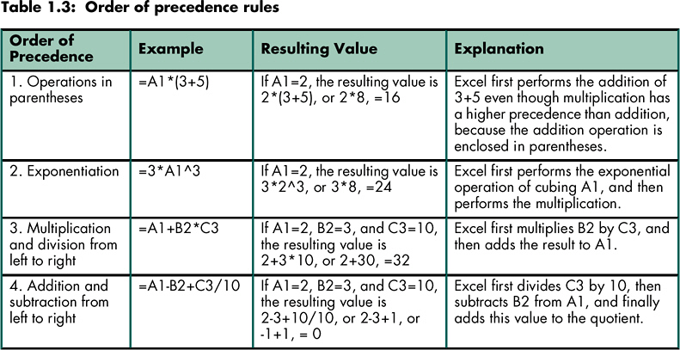
Determining Order of Precedence

Relative
Understanding Relative Cell Referencing

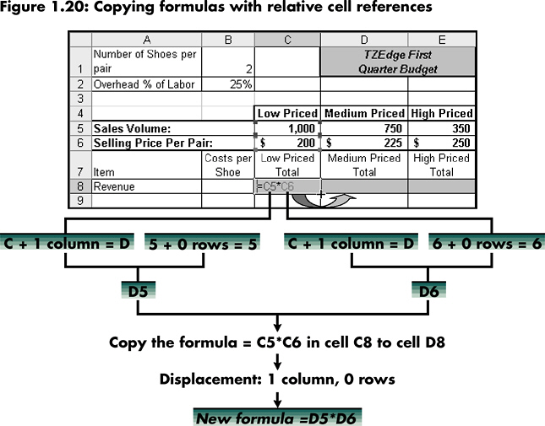
Number of Shoes per pair | 2 |  | TZEdge Fourth Quarter Budget
Overhead % of Labor | 0.25

 |  | Low Priced | Medium Priced | High Priced
Sales Volume: |  | 2,500 | 1,600 | 750
Selling Price Per Pair: |  | $200 | $225 | $250
Item | Costs per Shoe | Low Priced Total | Medium Priced Total | High Priced Total
Revenue |  | $500,000 | $360,000 | $187,500

Cost of Goods Sold:
Materials | 50.15 | 250,750 | 160,480 | 75,225
Labor | 7.33 | 36,650 | 23,456 | 10,995
Overhead | 1.8325 | 9,163 | 5,864 | 2,749
COGS Subtotal |  | 296,563 | 189,800 | 88,969

Selling Expense | 5 | $25,000 | $16,000 | $7,500

Projected Earnings |  | $178,438 | $154,200 | $91,031

Abs_&_Mixed
Understanding Absolute & Mixed Cell Referencing

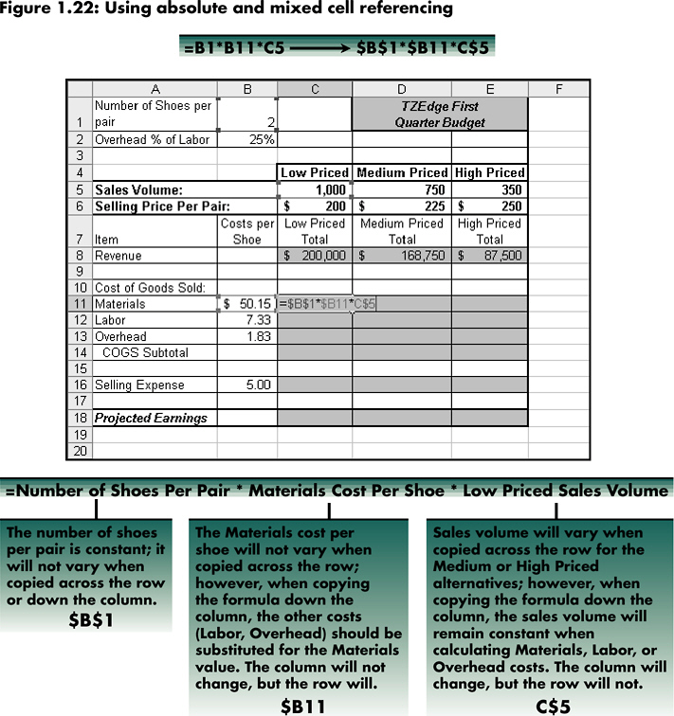
Number of Shoes per pair | 2 |  | TZEdge Fourth Quarter Budget
Overhead % of Labor | 0.25

 |  | Low Priced | Medium Priced | High Priced
Sales Volume: |  | 2,500 | 1,600 | 750
Selling Price Per Pair: |  | $200 | $225 | $250
Item | Costs per Shoe | Low Priced Total | Medium Priced Total | High Priced Total
Revenue |  | $500,000 | $360,000 | $187,500

Cost of Goods Sold:
Materials | 50.15 | 250,750 | 160,480 | 75,225
Labor | 7.33 | 36,650 | 23,456 | 10,995
Overhead | 1.8325 | 9,163 | 5,864 | 2,749
COGS Subtotal |  | 296,563 | 189,800 | 88,969

Selling Expense | 5 | $25,000 | $16,000 | $7,500

Projected Earnings |  | $178,438 | $154,200 | $91,031

To quickly change a cell reference to an absolute or mixed cell reference while entering/editing a formula, press the F4 function key after entering the cell reference. Pressing F4 repeatedly cycles through the different types of cell references, from relative to absolute, to mixed (with the row absolute), to mixed (with the column absolute), back to relative.

