Arguments
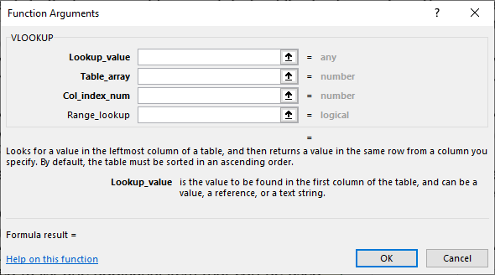
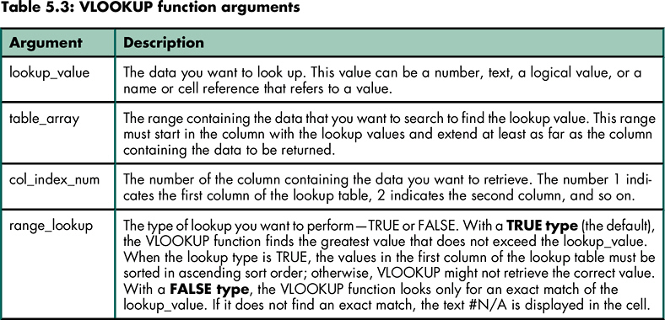
Retrieving Data From a Vertical Lookup Table: Function Arguments

Algorithm_Book
Examining the VLOOKUP "True" Algorithm Using the Textbook Explanation

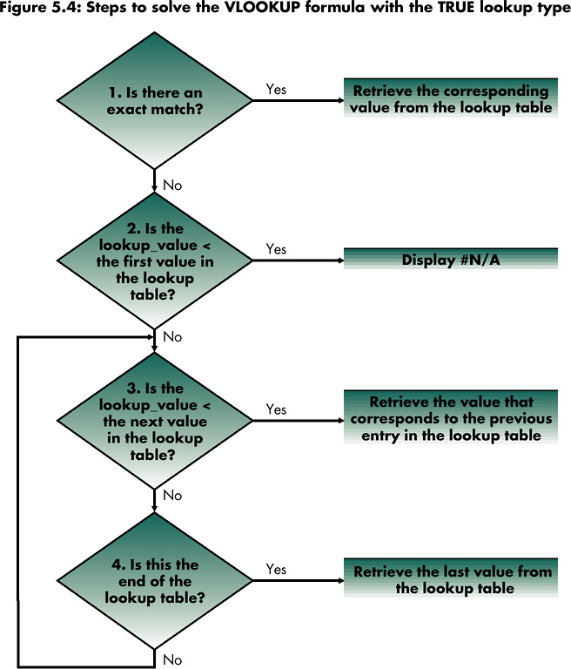
Pricing Information for Tennis Balls
TheZone Equipment Division

Unit Pricing Tennis Balls
Qty | $/each
0 | $2.45
60 | 2.27
120 | 2.12
240 | 2.00

Order # | Cust ID | Shipping Method | Quantity | Unit Price | Total Price | Unit Shipping Cost | Total Shipping | Shipping Discount | Grand Total
1 | A0243 | Rail | 240 | $2.00
2 | MH394 | Rail | 30 | 2.45
3 | R903 | Ship | 160 | 2.12
4 | X271 | Truck | 215 | 2.12
5 | N271 | Truck | 90 | 2.27
6 | CD031 | Customer | 15 | 2.45

Algorithm_Travis
Examining the VLOOKUP "True" Algorithm Using Travis' Explanation

Pricing Information for Tennis Balls
TheZone Equipment Division
Retrieve the value that corresponds to the current entry in the lookup table
Is
lookup_value
>= first value
in table_array?
Display # N/A
No
No
Is
lookup_value
>= next value in table_array?
Yes
Yes
Unit Pricing Tennis Balls
Qty | $/each
0 | $2.45
60 | 2.27
120 | 2.12
240 | 2.00

Order # | Cust ID | Shipping Method | Quantity | Unit Price | Total Price | Unit Shipping Cost | Total Shipping | Shipping Discount | Grand Total
1 | A0243 | Rail | 240 | $2.00
2 | MH394 | Rail | 30 | 2.45
3 | R903 | Ship | 160 | 2.12
4 | X271 | Truck | 215 | 2.12
5 | N271 | Truck | 90 | 2.27
6 | CD031 | Customer | 15 | 2.45

Algorithm_Travis_3-step
Examining the VLOOKUP "True" Algorithm Using Travis' Explanation: 3-step Approach

Pricing Information for Tennis Balls
TheZone Equipment Division
Is
there a
“next value”
in table_array?
Retrieve the value that corresponds to the current entry in the lookup table
Is
lookup_value
>= first value
in table_array?
Display # N/A
No
No
Is
lookup_value
>= next value in table_array?
No
Yes
Retrieve the value that corresponds to the current entry in the lookup table
Yes
Yes
Unit Pricing Tennis Balls
Qty | $/each
0 | $2.45
60 | 2.27
120 | 2.12
240 | 2.00

Order # | Cust ID | Shipping Method | Quantity | Unit Price | Total Price | Unit Shipping Cost | Total Shipping | Shipping Discount | Grand Total
1 | A0243 | Rail | 240 | $2.00
2 | MH394 | Rail | 30 | 2.45
3 | R903 | Ship | 160 | 2.12
4 | X271 | Truck | 215 | 2.12
5 | N271 | Truck | 90 | 2.27
6 | CD031 | Customer | 15 | 2.45

Row_num_OR_Col_num
Using INDEX & MATCH instead of HLOOKUP...Row_num vs Column_num

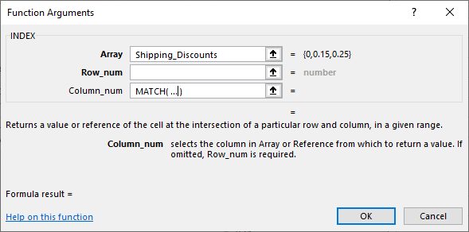
Pricing Information for Tennis Balls
TheZone Equipment Division

Tennis Balls Pricing |  |  |  | Shipping Costs
Quanitity |  | Unit Price |  | Shipping Method | Unit Shipping Cost |  | Shipping Discount (% applied to Total Shipping Cost, based on Total Price)
0 | to 59 | $2.45 |  | Truck | $0.25 |  | Total Price: |  | >= $0 | >= $300 | >= $1,000
60 | to 119 | 2.27 |  | Rail | 0.20 |  | Shipping Discount |  | 0% | 15% | 25%
120 | to 239 | 2.12 |  | Ship | 0.15
240 | & above | 2.00 |  | Customer | -

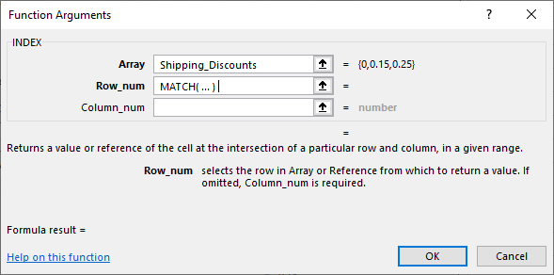
Order # | Cust ID | Shipping Method | Quantity | Unit Price | Total Price | Unit Shipping Cost | Total Shipping Cost | Shipping Discount | Grand Total
1 | A0243 | Rail | 245 | $2.00 | $490.00 | $0.20 | $49.00 | $(7.35) | $531.65
2 | MH394 | Rail | 30 | 2.45 | 73.50 | 0.20 | 6.00 | - | 79.50
3 | R903 | Ship | 160 | 2.12 | 339.20 | 0.15 | 24.00 | (3.60) | 359.60
4 | X271 | Truck | 215 | 2.12 | 455.80 | 0.25 | 53.75 | (8.06) | 501.49
5 | N271 | Truck | 90 | 2.27 | 204.30 | 0.25 | 22.50 | - | 226.80
6 | CD031 | Customer | 15 | 2.45 | 36.75 | - | - | - | 36.75

