Date_Plus_Number
Date Arithmetic: Date Plus (Minus) X Equals Another Date X Days Later (Before)

 | Date | # of days | New Date | New Date (without the date format)
 | 2020-04-15 | 7 | 2020-04-22 | 43943 | (This is the serial # for the date 4/22/2020.)
 | 2020-04-15 | -7 | 2020-04-08 | 43929 | (This is the serial # for the date 4/8/2020.)

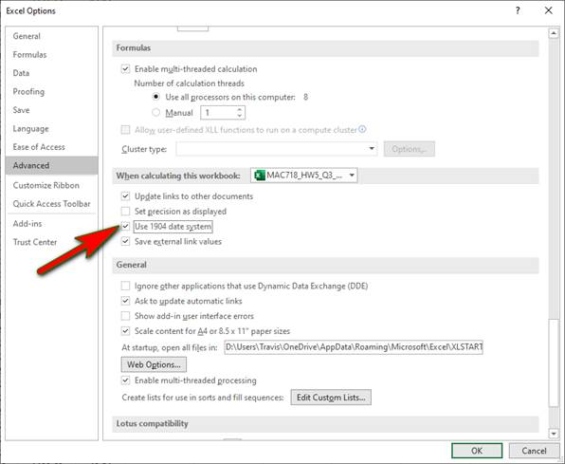
When you take a date and add or subtract a number, the result will be another date that many days after or before the original date. To calculate a date a certain number of days after the current date, simply add the number. To calculate a date a certain number of days before the current date, simply subtract the number. When adding or subtracting a number, the answer should be automatically formatted as a Date.

TIP: Have you tried copying dates from a workbook provided by someone else and when you try to paste the dates, for some crazy reason all of your pasted dates are 4 years and 1 day off from the originally copied dates? It is probably because in the original workbook you opened, Excel’s Advanced Options are set to "Use 1904 date system." The default date system in Excel (for most workbooks) is set to use the 1900 date system (where Jan 1, 1900 has the serial number 1, Jan 2, 1900 has a serial number of 2, etc.). The 1904 date system originated because of the design of early Macintosh computers...dates before January 1, 1904, were not supported. More info can be found here:
https://docs.microsoft.com/en-us/office/troubleshoot/excel/1900-and-1904-date-system

Stat_IFS
COUNTIFS, SUMIFS, AVERAGEIFS, MAXIFS, MINIFS

Assumptions:
Today's Date: |  | 2022-02-09
# of days in a year |  | 365.25
 |  |  |  |  |  |  | Yes |  | >0 |  | >0
Name | Location | Title | Gender | Hire Date | Salary | Service | Cells to Evaluate | Cells to Sum | Cells to Evaluate | Cells to Sum | Cells to Evaluate & Sum
Smith | Atlanta | Account Rep | M | 1993-11-24 | $65,000 | 28.2 | Yes | 3 | 5 | 3 | 5
Coulter | Atlanta | Manager | F | 1993-11-24 | $100,000 | 28.2 | No | 5 | -3 | 5 | -3
Adams | Atlanta | Trainee | M | 1993-11-24 | $19,500 | 28.2 | Yes | 3 | 6 | 3 | 6
Brown | Atlanta | Trainee | M | 1993-11-24 | $18,500 | 28.2 | No | 4 | -2 | 4 | -2
Charles | Boston | Account Rep | F | 1992-03-16 | $40,000 | 29.9 |  | 6 |  | 6 | 11
Manin | Boston | Account Rep | M | 1992-03-16 | $49,500 | 29.9
Rubin | Boston | Account Rep | M | 1992-03-16 | $45,000 | 29.9
Milgrom | Boston | Manager | F | 1992-03-16 | $75,000 | 29.9
James | Chicago | Account Rep | F | 1989-10-31 | $42,500 | 32.3
Johnson | Chicago | Account Rep | M | 1990-10-31 | $47,500 | 31.3
Marder | Chicago | Account Rep | F | 1991-10-31 | $38,500 | 30.3
Adamson | Chicago | Manager | M | 1992-03-16 | $52,000 | 29.9
Elofson | Miami | Account Rep | M | 1992-10-31 | $47,500 | 29.3 | Note the difference in order of the arguments.
Gillenson | Miami | Manager | M | 1993-10-31 | $55,000 | 28.3 | =SUMIF(range, criteria, sum_range)
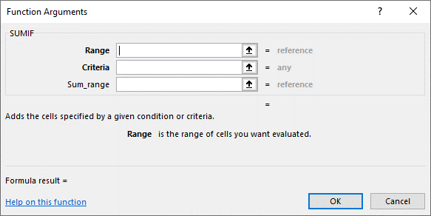
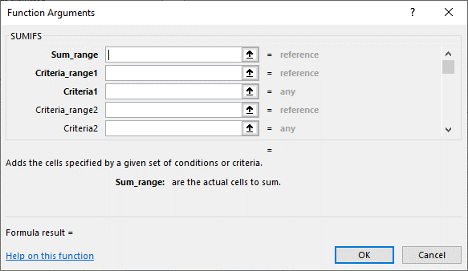
 |  |  |  |  |  |  | =SUMIFS(sum_range, criteria_range1, criteria1, criteria_range2, criteria2, ...)

Summary Statistics: |  | F | M
Number of Employees |  | 5 | 9
Total Salary |  | $296,000 | $399,500
Average Salary |  | $40,500 | $44,389
Maximum Salary |  | $100,000 | $65,000
Minimum Salary |  | $38,500 | $18,500
Number of | Account Rep | 3 | 5

Subtotal_Tool
Using the Subtotal Tool to Summarize Information

Assumptions:
Today's Date: |  | 2022-02-09
# of days in a year |  | 365.25

Name | Location | Title | Gender | Hire Date | Salary | Service
Smith | Atlanta | Account Rep | M | 1993-11-24 | $65,000 | 28.2
Coulter | Atlanta | Manager | F | 1993-11-24 | $100,000 | 28.2
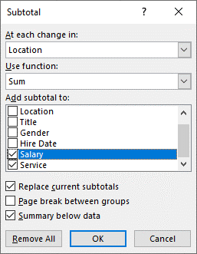
Adams | Atlanta | Trainee | M | 1993-11-24 | $19,500 | 28.2
Brown | Atlanta | Trainee | M | 1993-11-24 | $18,500 | 28.2
 | Atlanta Total |  |  |  | $203,000 | 112.8
Charles | Boston | Account Rep | F | 1992-03-16 | $40,000 | 29.9
Manin | Boston | Account Rep | M | 1992-03-16 | $49,500 | 29.9
Rubin | Boston | Account Rep | M | 1992-03-16 | $45,000 | 29.9
Milgrom | Boston | Manager | F | 1992-03-16 | $75,000 | 29.9
 | Boston Total |  |  |  | $209,500 | 119.6
James | Chicago | Account Rep | F | 1989-10-31 | $42,500 | 32.3
Johnson | Chicago | Account Rep | M | 1990-10-31 | $47,500 | 31.3
Marder | Chicago | Account Rep | F | 1991-10-31 | $38,500 | 30.3
Adamson | Chicago | Manager | M | 1992-03-16 | $52,000 | 29.9
 | Chicago Total |  |  |  | $180,500 | 123.7
Elofson | Miami | Account Rep | M | 1992-10-31 | $47,500 | 29.3
Gillenson | Miami | Manager | M | 1993-10-31 | $55,000 | 28.3
 | Miami Total |  |  |  | $102,500 | 57.6
 | Grand Total |  |  |  | $695,500 | 413.7

 |  |  |  |  | Total
 |  |  |  |  | Grand Total
Notice the collapsible/expandable "Grouping" to the left of the row headings

NOTE: You CANNOT use the Subtotal Tool if your data has been formatted as an Excel "Table"

If your data is sorted by a particular field ("Location", for instance), Excel's Subtotal "Tool" can group the data by that filed. All employees will be grouped using Excel's Group and Outline feature. The Subtotal tool will also automatically insert SUBTOTAL functions below each of the groups of data. The Subtotal tool only allows you to perform a single function on your data (i.e. SUM or AVERAGE, but not both)

Incorrect_Subtotal
Incorrect Subtotal Tool Results if Data is Not Sorted Properly First

Assumptions:
Today's Date: |  | 2022-02-09
# of days in a year |  | 365.25

Name | Location | Title | Gender | Hire Date | Salary | Service
Smith | Atlanta | Account Rep | M | 1993-11-24 | $65,000 | 28.2
 |  | Account Rep Total |  |  | $65,000
Coulter | Atlanta | Manager | F | 1993-11-24 | $100,000 | 28.2
 |  | Manager Total |  |  | $100,000
Adams | Atlanta | Trainee | M | 1993-11-24 | $19,500 | 28.2
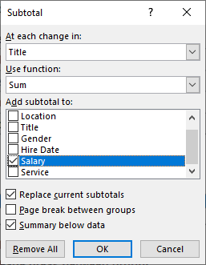
Brown | Atlanta | Trainee | M | 1993-11-24 | $18,500 | 28.2
 |  | Trainee Total |  |  | $38,000
Charles | Boston | Account Rep | F | 1992-03-16 | $40,000 | 29.9
Manin | Boston | Account Rep | M | 1992-03-16 | $49,500 | 29.9
Rubin | Boston | Account Rep | M | 1992-03-16 | $45,000 | 29.9
 |  | Account Rep Total |  |  | $134,500
Milgrom | Boston | Manager | F | 1992-03-16 | $75,000 | 29.9
 |  | Manager Total |  |  | $75,000
James | Chicago | Account Rep | F | 1989-10-31 | $42,500 | 32.3
Johnson | Chicago | Account Rep | M | 1990-10-31 | $47,500 | 31.3
Marder | Chicago | Account Rep | F | 1991-10-31 | $38,500 | 30.3
 |  | Account Rep Total |  |  | $128,500
Adamson | Chicago | Manager | M | 1992-03-16 | $52,000 | 29.9
 |  | Manager Total |  |  | $52,000
Elofson | Miami | Account Rep | M | 1992-10-31 | $47,500 | 29.3
 |  | Account Rep Total |  |  | $47,500
Gillenson | Miami | Manager | M | 1993-10-31 | $55,000 | 28.3
 |  | Manager Total |  |  | $55,000
 |  | Grand Total |  |  | $695,500

On this sheet, the Subtotal tool yields incorrect results. If you want to subtotal by "Title", then before activating the Subtotal tool, you must first sort the data by Title. (This data was sorted by Location, but subtotaled by Title...yielding incorrect results.)

SUBTOTAL_Function
Using the SUBTOTAL Function without the Subtotal Tool
UNC_DAYT_EXCEL_5.3.2_LECTURE_SUBTOTAL_FUNCTION.mp4
0:05:52

Assumptions:
Today's Date: |  | 2022-02-09
# of days in a year |  | 365.25

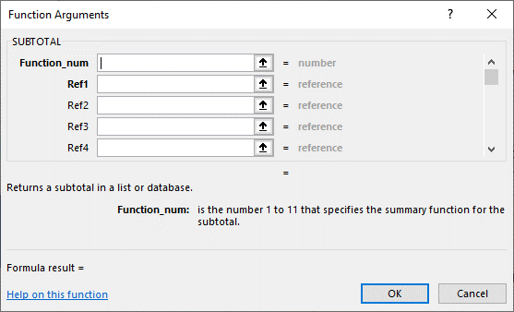
Name | Location | Title | Gender | Hire Date | Salary | Years of Service
Smith | Atlanta | Account Rep | M | 1993-11-24 | $65,000 | 28.2
Coulter | Atlanta | Manager | F | 1993-11-24 | $100,000 | 28.2
Adams | Atlanta | Trainee | M | 1993-11-24 | $19,500 | 28.2
Brown | Atlanta | Trainee | M | 1993-11-24 | $18,500 | 28.2
Charles | Boston | Account Rep | F | 1992-03-16 | $40,000 | 29.9
Manin | Boston | Account Rep | M | 1992-03-16 | $49,500 | 29.9
Milgrom | Boston | Manager | F | 1992-03-16 | $75,000 | 29.9
James | Chicago | Account Rep | F | 1989-10-31 | $42,500 | 32.3
Johnson | Chicago | Account Rep | M | 1990-10-31 | $47,500 | 31.3
Marder | Chicago | Account Rep | F | 1991-10-31 | $38,500 | 30.3
Adamson | Chicago | Manager | M | 1992-03-16 | $52,000 | 29.9
Elofson | Miami | Account Rep | M | 1992-10-31 | $47,500 | 29.3
Gillenson | Miami | Manager | M | 1993-10-31 | $55,000 | 28.3

 | function_num
 | # | 10# |  | Function_num | Function_num | Function | SUBTOTAL(Function_num, Ref1, Ref2, ...)
Summary Statistics | Includes Manually Hidden Rows | Ignores Manually Hidden Rows |  | (includes manually hidden values) | (ignores manually hidden values) |  | Function_num is the number 1 to 11 (includes hidden values) or 101 to 111 (ignores manually hidden values) that specifies which function to use when calculating subtotals within a list.
Avg Salary | $49,679 | $50,038 |  | 1 | 101 | AVERAGE | Ref1, ref2... are 1 to 254 ranges or references for which you want the subtotal.
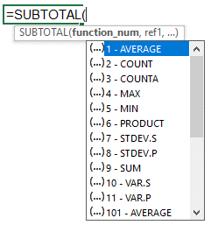
Max Salary | $100,000 | $100,000 |  | 2 | 102 | COUNT
Min Salary | $18,500 | $18,500 |  | 3 | 103 | COUNTA
Total Salary | $695,500 | $650,500 |  | 4 | 104 | MAX
# Employees | 14 | 13 |  | 5 | 105 | MIN | To quickly see the list of different arguments for the function_num,
Avg Years Service | 29.55 | 29.53 |  | 6 | 106 | PRODUCT | type "=SUBT" then press Tab to select SUBTOTAL and see the list.
Max Years Service | 32.28 | 32.28 |  | 7 | 107 | STDEV
Min Years Service | 28.21 | 28.21 |  | 8 | 108 | STDEVP
 |  |  |  | 9 | 109 | SUM
 |  |  |  | 10 | 110 | VAR
 |  |  |  | 11 | 111 | VARP

PivotWizard
Pivot Wizard

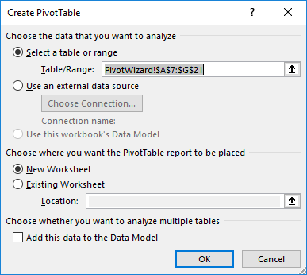
Assumptions:
Today's Date: |  | 2022-02-09
# of days in a year |  | 365.25

Name | Location | Title | Gender | Salary | Hire Date | Service
Smith | Atlanta | Account Rep | M | $65,000 | 1993-11-24 | 28.2
Coulter | Atlanta | Manager | F | $100,000 | 1993-11-24 | 28.2
Adams | Atlanta | Trainee | M | $19,500 | 1993-11-24 | 28.2
Brown | Atlanta | Trainee | M | $18,500 | 1993-11-24 | 28.2
Charles | Boston | Account Rep | F | $40,000 | 1992-03-16 | 29.9
Manin | Boston | Account Rep | M | $49,500 | 1992-03-16 | 29.9
Rubin | Boston | Account Rep | M | $45,000 | 1992-03-16 | 29.9
Milgrom | Boston | Manager | F | $75,000 | 1992-03-16 | 29.9
James | Chicago | Account Rep | F | $42,500 | 1989-10-31 | 32.3
Johnson | Chicago | Account Rep | M | $47,500 | 1990-10-31 | 31.3
Marder | Chicago | Account Rep | F | $38,500 | 1991-10-31 | 30.3
Adamson | Chicago | Manager | M | $52,000 | 1992-03-16 | 29.9
Elofson | Miami | Account Rep | M | $47,500 | 1992-10-31 | 29.3
Gillenson | Miami | Manager | M | $55,000 | 1993-10-31 | 28.3

Select a cell within the table of data, then select Insert, PivotTable.

PivotChart
Sample Pivot Chart (with underlying pivot table)

You can drag fields to the "Filter" field to provide extra flexibility by selecting data to be filtered.
Gender | (All)

When creating the Pivot Chart below, a Pivot Table was also automatically created. (The Pivot Chart is based upon the data in this Pivot Table.) If you only need to show the Pivot Chart, rather simply delete the Pivot Table, you may hide the rows (or sheet) that contains the Pivot Table.
Sum of Salary | Column Labels
Row Labels | Account Rep | Manager | Trainee | Grand Total
Atlanta | $65,000 | $100,000 | $38,000 | $203,000
Boston | $134,500 | $75,000 |  | $209,500
Chicago | $128,500 | $52,000 |  | $180,500
Miami | $47,500 | $55,000 |  | $102,500
Sum of Salary
 | Account Rep | Manager | Trainee
Atlanta | $65,000 | $100,000 | $38,000
Boston | $134,500 | $75,000
Chicago | $128,500 | $52,000
Miami | $47,500 | $55,000
Grand Total | $375,500 | $282,000 | $38,000 | $695,500
Don't forget to include a Title!

To change the chart type, right-click in a blank area of the chart and choose Chart Type.

Include Axis labels if they are necessary to make things clear.
To show Average Salary rather than Sum of Salary, change the Value Field Settings.
Use the Field pull-down arrows located by the axis labels or the legend to easily show only certain fields

